Coversheet
High-level Performance Assessment

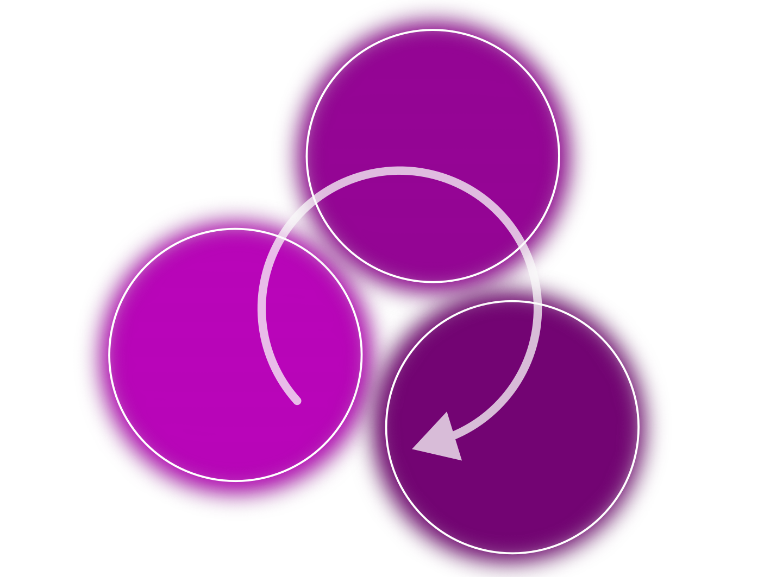

This worksheet follows a workflow created by the HAI-End project and used and delivered through the SHAREing project, i.e. this work was supported by the the Science and Technology Facilities Council [grant number UKRI/ST/B000293/1] and the Engineering and Physical Sciences Research Council [grant number XXXX]. SHAREing (Skills Hub for Accelerated Research Environments Inspiring the Next Generation) and HAI-End are part of the cross-UKRI Digital Research Infrastructure initiative.

Code name: | Provide the code and, if applicable, URL and git hash here.
Assessor: | Person who completed the review.
System: | Description of the benchmark system in use.
Environment: | Enlist the environment used, i.e. module files and environment variables that are required to reproduce the outcomes. Also be sure you document all additional external libraries that have been used to install the code.
Compile options: | Enlist the compile options used explicitly. If the software uses the autotools toolchain or Cmake, make it clear what configuration you did pipe in.
Summary:

Intra-node
Intra-node performance

This worksheet follows a workflow created by the HAI-End project and used and delivered through the SHAREing project, i.e. this work was supported by the the Science and Technology Facilities Council [grant number UKRI/ST/B000293/1] and the Engineering and Physical Sciences Research Council [grant number XXXX]. SHAREing (Skills Hub for Accelerated Research Environments Inspiring the Next Generation) and HAI-End are part of the cross-UKRI Digital Research Infrastructure initiative.

Serial performance: | 800 | Runtime of the code in the vanilla version without any parallelism. This is the ground truth.
Cores | Time (measurement) | Speedup (mod) | Speedup (Amdahl) | C_intra | f | E | E (Amdahl)
1 | 836.27 | 0.95662883997 | 1 | 0.95662883997 | 1 | 0.95662883997 | 1
2 | 487.721 | 1.6402820465 | 1.7146483338 | 0.95662883997 | 0.83358006385 | 0.82014102325 | 0.85732416689
3 | 364.647 | 2.1939025962 | 2.2933686552 | 0.95662883997 | 0.84594030636 | 0.7313008654 | 0.76445621839
4 | 289.822 | 2.7603149519 | 2.8854607311 | 0.95662883997 | 0.87124652724 | 0.69007873798 | 0.72136518277
6 | 203.592 | 3.9294274824 | 4.1075779009 | 0.95662883997 | 0.90785703182 | 0.6549045804 | 0.68459631682
8 | 172.419 | 4.6398598762 | 4.8502195234 | 0.95662883997 | 0.90722716006 | 0.57998248453 | 0.60627744042
10 |  | #DIV/0! | #DIV/0! | 0.95662883997 | 1.1111111111 | #DIV/0! | #DIV/0!
12 |  | #DIV/0! | #DIV/0! | 0.95662883997 | 1.0909090909 | #DIV/0! | #DIV/0!
14 |  | #DIV/0! | #DIV/0! | 0.95662883997 | 1.0769230769 | #DIV/0! | #DIV/0!
16 |  | #DIV/0! | #DIV/0! | 0.95662883997 | 1.0666666667 | #DIV/0! | #DIV/0!
20 |  | #DIV/0! | #DIV/0! | 0.95662883997 | 1.0526315789 | #DIV/0! | #DIV/0!
24 |  | #DIV/0! | #DIV/0! | 0.95662883997 | 1.0434782609 | #DIV/0! | #DIV/0!
28 |  | #DIV/0! | #DIV/0! | 0.95662883997 | 1.037037037 | #DIV/0! | #DIV/0!

 | Summary:

