Pivot Table 1
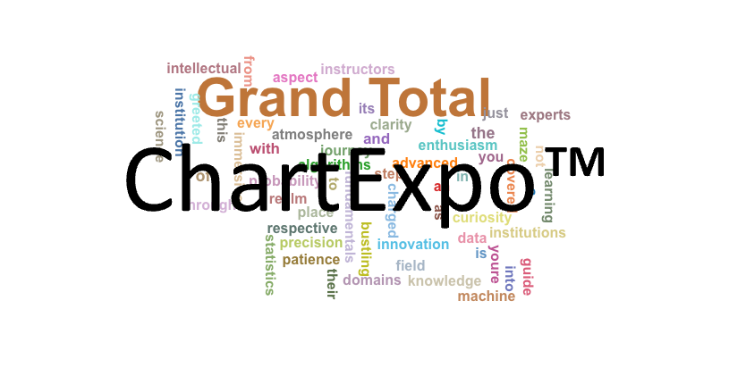
dataplay | COUNTA of dataplay
a | 2
advanced | 1
algorithms | 1
an | 1
and | 4
as | 1
aspect | 1
atmosphere | 1
bustling | 1
by | 1
charged | 1
clarity | 1
covered | 1
curiosity | 1
data | 1
domains | 1
enthusiasm | 1
every | 1
experts | 1
field | 1
from | 1
fundamentals | 1
greeted | 1
guide | 1
immersive | 1
in | 1
innovation | 1
institution | 1
institutions | 1
instructors | 1
intellectual | 1
into | 2
is | 2
its | 1
journey | 1
just | 1
knowledge | 1
learning | 2
machine | 1
maze | 1
not | 1
of | 5
patience | 1
place | 1
precision | 1
probability | 1
realm | 1
respective | 1
science | 1
statistics | 1
step | 1
the | 5
their | 1
this | 1
through | 1
to | 1
with | 3
you | 2
youre | 1
Grand Total | 77

