Table 5
 |  | RAMS PLAN for KMRC RS(3R) | DRCA. No. | RS(3R)/PP/F/B864/--
 |  |  | DOC. No. | GR/TD/3457
 |  |  | DATE | 2019-05-25
 |  |  | REV. No. | 0
 |  |  | PAGE No. | 11 / 43
2019-02-02 | The Contractor shall demonstrate by quantitative methods achievement of the specified levels of reliability for the train and specific individual items of equipment. |  |  |  | Complied.. cove red in section 7. 2 of this doc
2019-02-03 | An evolving reliability model consisting of reliability block diagrams and probability of success equations shall be developed and submitted to the Engineer for acceptance. This model shall show the relationships required for system and equipment to operate successfully. The reliability block diagrams shall include all elements essential to the successful performance of the system and the interrelationships and interface of these elements. |  |  |  | Complied
2019-02-04 | Reliability apportionment and prediction analysis shall be in accordance with established techniques or standards, which will be submitted for acceptance by the Engineer. The analysis shall provide predictions for each major equipment and sub-system. Predictions shall be based on actual revenue service results for identical equipment operating under service conditions and duty cycles equivalent to KMRCL, or more severe. The analysis shall be carried out in parallel with the design of the train. The relevant apportionment and prediction figures shall be part of the design submission documents for the individual equipment, sub-system and system. |  |  |  | Complied
2019-02-05 | Reliability Apportionment and Prediction Report shall be completed prior to build commencing and reports shall be submitted at this stage for acceptance by the Engineer, who reserves the right to require the Contractor to carry out field data collection to verify the reliability model. |  |  |  | Complied
2019-02-06 | Definitions : (i) Relevant Failure : A relevant failure of an item is an independent failure which results in a loss of function of that item caused by any of the following: • A fault in an equipment or sub-system while operating within its design and environmental specification limits; • Improper operation, maintenance, or testing of the item as a result of the Contractor supplied documentation. • Failures of transient nature including those with post investigation status as ‗No fault found‘, shall be considered as relevant failure if in the opinion of the Engineer these are attributable to rolling stock. The decision of the Engineer shall be final. (ii) Non-relevant Failure: Any failure of an item not included in the definition of relevant failure, such as the following: |  |  |  | Noted. Covered in section 7.2 of this document
 |  | RAMS PLAN for KMRC RS(3R) | DRCA. No. | RS(3R)/PP/F/B864/--
 |  |  | DOC. No. | GR/TD/3457
 |  |  | DATE | 2019-05-25
 |  |  | REV. No. | 0
 |  |  | PAGE No. | 12 / 43
 | • A failure caused by malfunction of other equipment or subsystem that are not supplied by the Contractor; • A failure caused by human error, except as noted in Relevant Failure above; • A failure caused by accidents not associated with the normal operation of the item. Such as collision or striking a foreign object on the right of way; • A failure caused by operating the equipment or sub- system outside of design or environmental specification limits. (iii) Service Failure: Any relevant failure or combination of relevant failures during revenue service operations, simulated revenue operations, or during pre-departure equipment status checkouts to determine availability for revenue service, which results in one of the following: • Non-availability of the train to start revenue service after successful completion of pre-departure checkout; • Withdrawal of the train from revenue services; • A delay equivalent to or exceeding 3 minutes. The discretion of declaring a metro train as Not-available to start revenue service after successful completion of pre- departure checkout or withdrawing a train from revenue service on account of any relevant failure rests solely with the Employer and shall be final. (iv) Pattern Failure: Repeated occurrence of three or more relevant failures of the same replaceable part, item or equipment in same manner in identical or equivalent applications when they occur at a rate, which is inconsistent with the predicted failure rate of the part, item or equipment. The percentage predicted rate shall be as under: (a) three or more relevant Service Failures of the same replaceable part, item or equipment in same manner in identical or equivalent applications occur at a rate which is at least 20 % higher than the predicted failure rate of the part, item or equipment and / or (b) at least 20 % of the s

 |  | RAMS PLAN for KMRC RS(3R) | DRCA. No. | RS(3R)/PP/F/B864/--
 |  |  | DOC. No. | GR/TD/3457
 |  |  | DATE | 2019-05-25
 |  |  | REV. No. | 0
 |  |  | PAGE No. | 13 / 43
 | identical items in the available fleet of the trains to the total number of Service failures occurring within the population identical items.
2019-02-07 | Reliability Targets: (i) Reliability shall be monitored for the respective fleet for 6-car metro trains. (ii) The fleet average levels of MDBF, as specified in table 19.1, shall be achieved. |  |  |  | Complied
 |  |  |  |  | Complied
 | 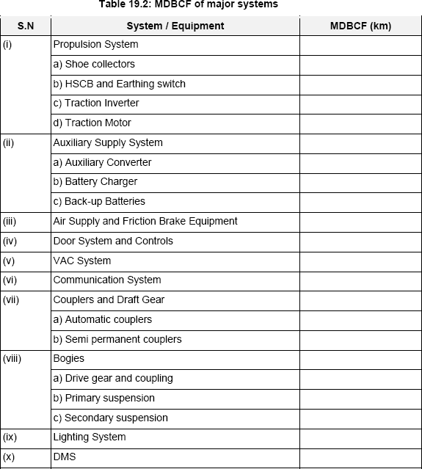 Any train shall be counted as available for reliability calculations only after a stabilization period of 6 months after putting the train into revenue service. (iii) The achieved level of MDBCF of major systems shall be as proposed by the Contractor in the bid. The Tenderer shall submit MDBCF of the major systems as listed in table 19.2 along with the bid. |  |  |  | Complied

19.3. | Reliability Demonstration
2019-03-01 | The Contractor shall be required to establish a personal computer based Failure Reporting and Corrective Action |  |  |  | Complied.cover ed in section 9.4.2 of this
 |  | RAMS PLAN for KMRC RS(3R) | DRCA. No. | RS(3R)/PP/F/B864/--
 |  |  | DOC. No. | GR/TD/3457
 |  |  | DATE | 2019-05-25
 |  |  | REV. No. | 0
 |  |  | PAGE No. | 14 / 43
 | (FRACAS) System to demonstrate compliance with specified train and equipment reliability. The reliability demonstration of each train shall start after six months of that train in revenue service and shall continue till the end of the defects liability period. Reliability of the trains and of the identified major systems shall be demonstrated on fleet basis. |  |  |  | document
2019-03-02 | The Employer shall collect and maintain data on every Service Failure along with the TMS data indicating the probable failure. MDBF and MDBCF shall be calculated throughout the monitoring period. The Contractor shall collect all the relevant details from the Engineer and submit monthly Reliability Demonstration Reports. |  |  |  | Complied
2019-03-03 | In case the Contractor is not able to achieve specified/provided reliability target of MDBF/MDBCF, the Contractor shall take necessary corrective measures either by way of change of design of the relevant equipment/ component or software modification. |  |  |  | Complied. Covered under section 7.4 of this document
2019-03-04 | The Contractor shall analyze each and every failure/defect of components of various equipments to determine the cause of failure and to propose corrective measures, which would be reviewed by the Engineer. |  |  |  | Complied
2019-03-05 | A record shall be maintained for each and every defect/failure in accordance with FRACAS to be submitted by the Contractor and approved by the Engineer. |  |  |  | Complied
2019-03-06 | Reliability shall be monitored during revenue service operation of the trains. The Contractor shall collect and collate data on each and every deficiency and failure observed by both himself and the Engineer, from handing over the first train to the end of the Defect Liability Period. Each and every failure, whether of component, sub-system or system, during this period shall be subject to a failure analysis to determine the cause of failure? The Contractor shall submit investigation reports for review of the Engineer. |  |  |  | Complied. Covered under Section 7.4 of this document
2019-03-07 | Correction shall be made to components or subsystems that either fail to attain predicted reliability levels or show Pattern Failure, at no additional cost to the Employer. |  |  |  | Complied
19.4 | Availability Requirements
2019-04-01 | Availability shall be assessed by the following measure: |  |  |  | Noted. Covered under section
 |  | RAMS PLAN for KMRC RS(3R) | DRCA. No. | RS(3R)/PP/F/B864/--
 |  |  | DOC. No. | GR/TD/3457
 |  |  | DATE | 2019-05-25
 |  |  | REV. No. | 0
 |  |  | PAGE No. | 15 / 43
 | Where: (i) Total Time is the time in hours in the assessment period multiplied by the number of trains commissioned under the Contract. (ii) DT (OPM), or Down Time due to Other Preventive Maintenance, is the total down time in hours due to Preventive Maintenance other than service checks, summed over all sessions carried out on all trains commissioned under the Contract during the assessment period. The trains shall not be due for major overhauls at the time of demonstration and shall therefore be excluded from the assessment. (iii) DT (CM), or Down Time due to Corrective Maintenance, is the total down time in hours due to corrective maintenance, summed over all sessions carried out on the trains commissioned under the Contract during the assessment period. Any unreasonable delay in handing- over the train for repairs for reasons not attributable to contractor shall be excluded. Time spent on train integrity inspections after train reformations arising from corrective maintenance work shall be included. (iv) The down time DT (OPM) shall be counted starting from the moment when the train becomes unfit for service or work is physically started on a train, whichever is earlier, and shall end when the train is restored to service condition. If the train is withdrawn from revenue service specially for preventive maintenance, time spent on withdrawing the train and sending back the train to revenue service, if any, shall also be included. (v) Down time DT (CM) shall be counted starting from the moment when the train becomes unfit for service or work is physically started on a train, whichever is earlier, and shall end when the train is restored to service condition. If the train is sent to revenue service after the corrective maintenance, the time spent on sending ba |  |  |  | 8.2 of this document

2019-04-02 | Availability Target: the trains supplied shall achieve a minimum availability of 95%. |  |  |  | Complied. Covered under section 8.2 of this document
19.5 | Availability Demonstration
2019-05-01 | The average availability of the trains shall be assessed after |  |  |  | Complied. Covered under
 |  | RAMS PLAN for KMRC RS(3R) | DRCA. No. | RS(3R)/PP/F/B864/--
 |  |  | DOC. No. | GR/TD/3457
 |  |  | DATE | 2019-05-25
 |  |  | REV. No. | 0
 |  |  | PAGE No. | 16 / 43
 | 18 months from the start of revenue operation with the first train supplied under the contract, in a specified train Maintenance Depot. The total maintenance down times for all trains shall be collected by the Engineer on monthly basis, and the average availability during the preceding six months, shall be worked out from the above formula. |  |  |  | section 8.2 of this document
2019-05-02 | In the event that the availability target is not achieved due to Rolling Stock, the determination of availability achievement in the preceding six month period shall be continued at monthly intervals until the target is achieved. |  |  |  | Complied. Covered under section 8.2 of this document
2019-05-03 | In the event that the availability target is not achieved, the Contractor shall, at his own expense, take whatever action is deemed necessary to meet the availability requirement. |  |  |  | Complied. Covered under section 8.2 of this document
19.6 | Maintainability Requirements
2019-06-01 | Simplicity of maintenance, operation and emergency procedures, ease of repair of damaged cars and equipment, are most important. These together with ease of exterior and interior cleaning will be taken into account throughout the development of the design. |  |  |  | Complied. Covered under section 8.3 of this document.
2019-06-02 | Particular attention shall be paid during the design of the cars to ensure that scheduled maintenance tasks are achieved in minimum time and using minimum manpower. |  |  |  | Complied. Covered under section 8.3 of this document.
2019-06-03 | Those components, systems and assemblies which require routine maintenance, frequent attention or unit replacement, shall be easily accessible for in situ maintenance. |  |  |  | Complied. Covered under section 8.3 of this document.
2019-06-04 | The Contractor shall develop a comprehensive maintenance programme for the trains. |  |  |  | Complied. Covered under section 8.3 of this document.
2019-06-05 | The maintenance regime proposed for the train shall be developed during the design process. A Failure Mode Effect Analysis (FMEA) will be required, based on function and derived from the specification at conceptual design stage. |  |  |  | Complied. Covered under section 8.3 of this document.
2019-06-06 | At pre-final design stage the Contractor will develop this FMEA to include required maintenance derived from each failure mode. Any other maintenance required for the train should be indicated at this stage. |  |  |  | Complied. Covered under section 8.3 of this document.
2019-06-07 |  |  |  |  | Complied.
 |  | RAMS PLAN for KMRC RS(3R) | DRCA. No. | RS(3R)/PP/F/B864/--
 |  |  | DOC. No. | GR/TD/3457
 |  |  | DATE | 2019-05-25
 |  |  | REV. No. | 0
 |  |  | PAGE No. | 17 / 43
 | The vehicle shall incorporate design, which reduces maintenance, substantially improving service intervals and component replacement. The design shall also minimize mean time to repair (MTTR) and costs throughout design life. MTTR is the ratio of cumulative time, including the access time expended during a time interval to the total number of relevant failures. |  |  |  | Covered under section 8.3 of this document.
2019-06-08 | The objective of the maintainability program including corrective and preventive maintenance shall provide for: (i) Enhancement of Vehicle availability. (ii) Minimisation of maintenance cost. (iii) Minimisation of vehicle down time. |  |  |  | Complied. Covered under section 8.3.2
2019-06-09 | During the design stage, the Contractor shall furnish a list of Least Replaceable Units (LRU‘s) for the equipments, Sub- system and Systems supplied, which should not take more than 30 minutes for replacement. Specific exceptions, if any, whose replacement is not achievable in 30 minutes, shall be indicated by the tenderers in their offer. In order to achieve this requirement, quick release connections such as plugs and adaptor shall be provided between LRU‘s and the equipment. |  |  |  | Complied
2010-06-19 | The Tenderer shall submit the expected MTTR of the identified key systems as listed in table 19.6, along with the bid. |  |  |  | Complied
 | 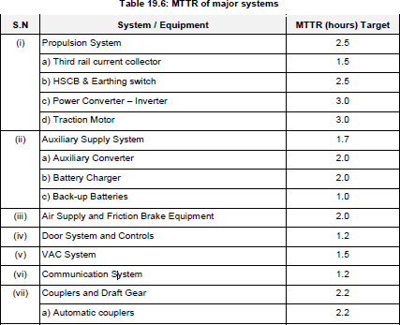
 |  | RAMS PLAN for KMRC RS(3R) | DRCA. No. | RS(3R)/PP/F/B864/--
 |  |  | DOC. No. | GR/TD/3457
 |  |  | DATE | 2019-05-25
 |  |  | REV. No. | 0
 |  |  | PAGE No. | 18 / 43
 | 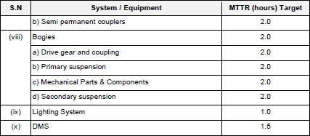
19.7 | Maintainability Demonstration
2019-07-01 | The Contractor shall carry out tests to demonstrate that all maintainability predictions provided are met. All such tests shall be completed within six months after the delivery of first train. In the event that any maintainability target is not achieved, the Contractor shall at his own expense take whatever action is deemed necessary to meet the maintainability targets. |  |  |  | Complied. Covered under section 9.3 of this document
2019-07-02 | The Contractor shall ensure that all the required information including the related Maintenance Work Instructions (MWI) etc. are available before the commissioning of the first train into revenue service to enable him to demonstrate the maintainability targets.
19.8 | Vehicle Maintenance Program
2019-08-01 | The Contractor shall submit to the Engineer a maintenance program, within the period specified in the delivery schedule, in order to reach the reliability and availability level defined in the performance requirements. |  |  |  | Complied. Covered under O&M manuals.
2019-08-02 | During the design stage, the Contractor shall submit downtime and manpower requirements for the maintenance inspections and service checks considered necessary for maintaining the trains under normal operational conditions as per table 19.7. The service check sessions shall include all routine maintenance activities including inspections, cleaning, washing, pest and rodent control etc. |  |  |  | Complied. Covered under O&M manuals.

Table 6
 |  | RAMS PLAN for KMRC RS(3R) | DRCA. No. | RS(3R)/PP/F/B864/--
 |  |  | DOC. No. | GR/TD/3457
 |  |  | DATE | 2019-05-25
 |  |  | REV. No. | 0
 |  |  | PAGE No. | 19 / 43
 | 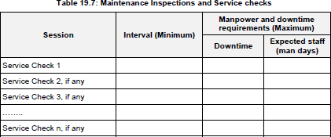 |  |  |  | Complied. Covered under O&M manuals.
2019-08-03 | The Contractor shall also submit periodicity, downtime and manpower requirements for the maintenance activities as listed in table 19.8, for maintaining the trains under normal operational conditions, during the design stage. |  |  |  | Complied. Covered under O&M manuals.
2019-08-04 | For achieving lowest operation and maintenance costs, the metro trains shall be designed according to the following criteria: (i) Design for a life cycle of at least 35 years (ii) Main mid life overhaul after 15 years (iii) Interval for Revision / main inspection of traction and brake equipment and other safety relevant equipment about 500 000 km |  |  |  | Complied. Covered under O&M manuals.
 |  |  |  |  | Complied. Covered under O&M manuals.
2019-08-05 | The Corrective Maintenance time as indicated above shall include defect identification, replacement of defective LRUs and restoration to service condition |  |  |  | Complied. Covered under O&M manuals.
2019-08-06 | For all the life of the metro train, this plan shall include also : (i) maintenance concept (schedule, type of operation…), (ii) maintenance documentation, (iii) labour and infrastructure means, (iv) tools and workshop equipment, (v) spare parts (including wearing parts), |  |  |  | Complied. Covered under O&M manuals.
2019-08-07 | The trains shall operate with minimum attention between the specified inspection periods, and shall, under the operating conditions specified, operate between overhaul |  |  |  | Complied. Covered under O&M manuals.

Table 12
Yes
No
Acceptable?
BEML Monitoring of System Assurance Process
Consolidated Sub-supplier Analysis
Sub-suppliers System Level Analyses
Final Design Completion Deliverables
 |  |  | PHA
 |  |  | SSH IHA |  | A A
 |  |  | F | OHA MEC
 |  | F
 |  |  | MEC | A
 | FMEC |  | A
FMECA

Technical Specification

Design Standards Manual

Procurement Technical Specification

Design Engineering Review Meeting Agenda
Pre Final Design Completion Deliverables

BEML Review and Comment
Figure 3: BEML’s Approach to Sub-supplier Management
Supplier’s RAMS requirements which will be included in Procurement Technical Specification (PTS) will be developed based on TS and Design Standard Manual. The required deliverable lists and expected date are stated in the contract to ensure RAMS deliverables are submitted on time. After receiving RAMS deliverables, the review between the design engineer and SA member will be conducted and the result will be feed back to the concerned suppliers.
After reviewing Subcontractor’s RAM analysis, it will be integrated into BEML’s System level RAM analysis which will be used for arriving at vehicle level apportionment and RAM prediction value.
8. RAM Requirements 8.1. Reliability Requirements The trains will achieve the following reliability requirement by the end of the warranty period: 1) The fleet average levels of MDBF, as specified in Table 1, shall be achieved.

Table 16
 |  | RAMS PLAN for KMRC RS(3R) |  | DRCA. No. | RS(3R)/PP/F/B864/--
 |  |  |  | DOC. No. | GR/TD/3457
 |  |  |  | DATE | 2019-05-25
 |  |  |  | REV. No. | 0
 |  |  |  | PAGE No. | 37 / 43
 |  |  | d) Traction Motor |  |  | 3.0
 | (ii) |  | Auxiliary Supply System |  |  | 1.7
 |  |  | a) Auxiliary Converter |  |  | 2.0
 |  |  | b) Battery Charger |  |  | 2.0
 |  |  | c) Back-up Battery |  |  | 1.0
 | (iii) |  | Air Supply and Friction Brake Equipment |  |  | 2.0
 | (iv) |  | Door System and Controls |  |  | 1.2
 | (v) |  | VAC System |  |  | 1.5
 | (vi) |  | Communication System |  |  | 1.2
 | (vii) |  | Couplers and Draft Gear |  |  | 2.2
 |  |  | a) Automatic Couplers |  |  | 2.2
 |  |  | b) Semi Permanent Coupler |  |  | 2.0
 | (viii) |  | Bogies |  |  | 2.0
 |  |  | a) Drive gear and coupling |  |  | 2.0
 |  |  | b) Primary Suspension |  |  | 2.0
 |  |  | c) Mechanical Parts & Components |  |  | 2.0
 |  |  | c) Secondary Suspension |  |  | 2.0
 | (ix) |  | Lighting System |  |  | 1.0
 | (x) |  | TCMS |  |  | 1.5
Table 3: MTTR of Major System
9. Methodology 9.1. Introduction This section identifies the specific approaches adopted for each of the analyses and tasks carried out under the system assurance process. All analysis defined in this chapter (e.g. Reliability Apportionment and Prediction.) except for Fault Tree Analysis (FTA) will be developed and compiled using the proprietary software, Microsoft Excel. 9.2. Reliability Apportionment and Prediction 9.2.1. Purpose
The purpose of Reliability Apportionment is to develop a model for presenting the functional interdependencies of the system/subsystem. It provides an analytical framework for apportioning the system level numerical requirements into lower level reliability estimates to generate design goals. The reliability prediction is a bottom up analytical process aims to estimate the system reliability performance and to determine whether the reliability targets can be achieved with the proposed design. 9.2.2. Procedure
The configuration of the system under review is represented diagrammatically by means of Reliability Block Diagrams (RBD), to be developer from the functional block diagrams, drawings and schematics. All equipment contributing to the system reliability performance, their redundancy arrangement as well as the success/failure conditions, are considered in the RBD development. In order to ensure that adequate attention have been given to all the system components and that their failure impacts are fully considered, it is important to perform bottom up analyses such as the FMECA prior to the construction of RBD.
Once the RBD is constructed, the system reliability requirements are allocated to the level specified and are used to establish the baseline requirements for designers. Requirements with the allocations are imposed on the sub- contractors. The equipment performance is estimated using past performance data, or engineering judgment if the data is not available, and be normalized to the design system application and operating environment. The system overall reliability performance will then be established based on the RBD model. Predications provide trade-off means among design alternatives.
It needs to be noted that reliability modeling, allocations and predications is a continuous and iterative process starting from initial system design and past failure rate information and ending with reliability demonstration.
9.2.3. Results
The RBD model allows for easy identification of the weak links in the functioning of a system in the context of its overall reliability performance. Allocations provide assurance that the total product will meet the design goals apportioned
from the system requirements. The reliability predictions will provide quantitative evaluation of a design and highlight design areas having the largest potential for reliability improvement.
Reliability apportionment and Prediction has been carried out as indicated in Annexure-2. Failure rates of systems for 3 car unit (that are unique i.e., DMC, TC and MC) has been tabulated for apportionment. As the 6 car configuration may be assumed to be obtained by replication of two 3 car units (typical units), the Reliability apportionment and Prediction calculation can be considered to be same as all he characteristics remain the same except the direction of running.
9.2.4. Documentation
Reliability apportionment and prediction report is developed including Reliability Block Diagram (RBD) as below. RBD shows how the configuration of the system contributes to its overall reliability performance. Detailed system level reliability apportionments and reliability calculations are covered in the Annexure-1.
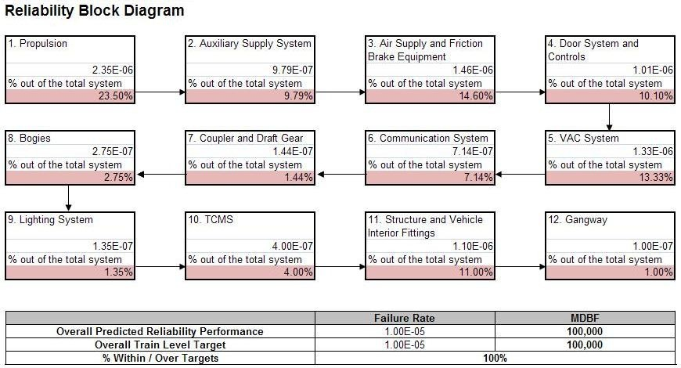
Figure 4: Reliability Block Diagram (RBD)

9.3. Maintainability management and prediction 9.3.1. Purpose
The purpose of maintainability prediction is to develop a quantitative model for the vehicle, which can be used to estimate the MTTR for all individual systems and the overall vehicle. 9.3.2. Procedure
The maintainability assurance procedure outlines the general flow of tasks that will be followed to ensure that the rolling stock meets its maintainability requirements and satisfies all the requirements.
The general flow of maintainability tasks is illustrated in Figure 4.
Review Maintainability requirements and generate document program requirement
Perform Scheduled Maintenance analysis
Perform Maintainability Allocation and distribution to Suppliers
Perform System Maintainability Evaluations
Perform Maintainability Prediction and assure requirements are achievable
Perform Vehicle Maintainability Demonstration and assure design meets maintainability requirement
Figure 4. Maintainability Management Procedure
9.3.3. Results
The maintainability prediction provides a structured approach to evaluate the maintainability of the overall design and prioritize potential maintainability improvements. The maintainability prediction is a bottom up analytical process, which aims to estimate the system maintainability performance from LRU level maintenance tasks. 9.3.4. Documentation
Maintainability prediction results will be developed with a maintenance task evaluation at the LRU level to quantify the maintainability of each system and the vehicle overall as a part of reliability apportion and prediction report.
9.4. RAM Demonstrations 9.4.1. Purpose
The RAM Demonstration will be carried out during warranty period to provide KMRC with final assurance that the rolling stock meets its design objectives. 9.4.2. Procedure
The Reliability and Maintainability Demonstration will be carried out in accordance with the TS 19.3. and 19.7. During the warranty period, the reliability of the rolling stock will be assessed based on the results of the Failure Reporting and Corrective Action System (FRACAS). Failures due to incorrect maintenance, inadequate operating procedures, driver error, incorrectly performed procedures by e.g. station staff and failures of equipment other than that supplied under the contract are not considered in assessing rolling stock reliability performance. 9.4.3. Results
The results of the RAM Demonstration will provide an indication of the level of reliability, availability and maintainability which has been achieved by the rolling stock. This will allow comparison with the specific requirements for reliability and maintainability, and assessment of whether the rolling stock meets its objectives.
9.5. Failure Reporting and Corrective Action System (FRACAS) During the defects liability period, the RAM performance of the rolling stock will be assessed based on the results of the Failure Reporting and Corrective Action System (FRACAS). FRACAS will be set up to provide a documented history of any problems, failures, their associated corrective actions, as well as details on how and why each problem arose or failure occurred during the defects liability period. During the defects liability period, any unacceptable systematic weaknesses identified will be managed through design improvement and modification to the KMRC cars, in order to achieve the specified reliability targets.

