Assets Nodes
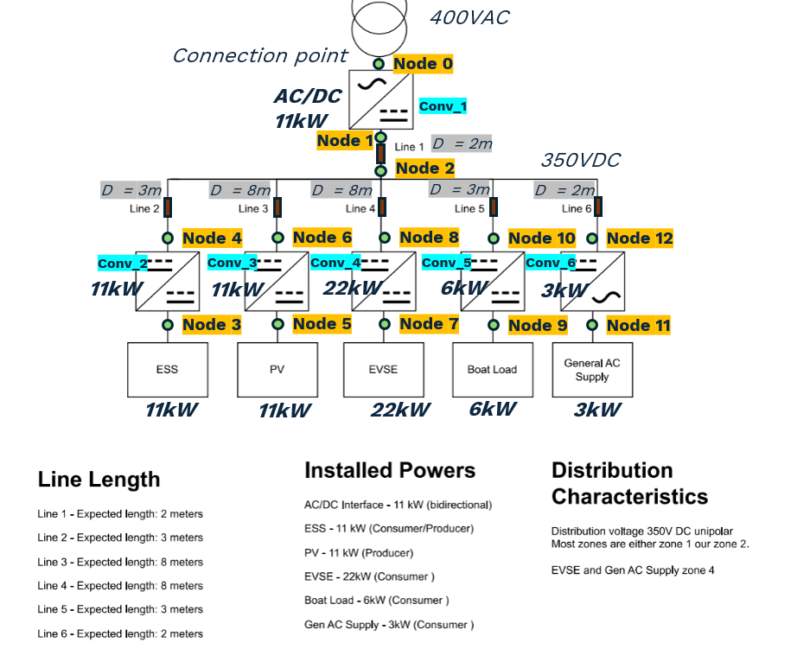
Component type | Node type | Node number | Operating nominal voltage (V) | Maximum power (kW) | Capacity (kWh) | Droop curve of asset | Directly linked converter | Node number for directly linked converter | Asset profile type
AC Grid | V | 0 | 400 |  |  | not applicable | Conv_1 | 1 | not applicable
Storage | storage | 3 | 350 | 11 | 22 | not applicable | Conv_2 | 4 | not applicable
PV | gen | 5 | 350 | 11 |  | not applicable | Conv_3 | 6 | user-defined
EV | storage | 7 | 350 | 22 |  | not applicable | Conv_4 | 8 | user-defined
DC Load | P | 9 | 350 | 6 |  | user-defined non-dynamic | Conv_5 | 10 | user-defined
AC Load | P | 11 | 350 | 3 |  | user-defined non-dynamic | Conv_6 | 12 | user-defined

