simple example
Node 2
Voltage level1
Node 0
Conv_1
Conv_1
Node 1
AC grid
AC
DC
Node 12
DC Load V1
Conv_6
DC
AC
Node 23
AC Load
Node 13

Conv_7
Voltage level3
Node 3
Conv_2
Node 4
Conv_8
Voltage level2
Node 17
DC
DC
Node 16
Node 22
DC
DC
Node 21
PV
DC
DC
Node 20
Node 18
DC Load V3
Node 15
Node 14
DC Load V3
Conv_3
DC Load V2

Node 5
DC
DC
Node 6
BESS
DC Load V2
Node 19

Node 7
Conv_4
EV
Station
DC
DC
Node 11

Node 9
DC
DC
Conv_5

SLD Building
DC
DC
DC
DC
AC grid
BESS
PV
AC
DC
DC
DC
Z
Grid connection
Node 1
DC Bus
Node 101
DC
DC
Node 200
Node 2
Node 300
Node 3
Node 400
Node 4
Node 4XX
…
Voltage level1
DC Load V1
DC Load V1
Node 500
Node 5XX
Node 0
Node 450
Node 4XX+50
Node 10
Node 11
Node 100
…
DC
DC
DC
DC
…
Node 6
Node 9
EV
Station
Electrical board
Node 60
DC
DC
Voltage level2
…
DC Load V2
DC Load V2
Node 61
Node 6X
Node 6Y
Voltage level3
…
DC Load V3
DC Load V3
Node 601
Node 6XX
Node 600
DC
DC
Voltage level2
…
DC Load V2
DC Load V2
Node 91
Node 9X
Node 9Y
…
DC Load V3
DC Load V3
Node 901
Node 9XX
Node 900
Voltage level3

Assets Nodes
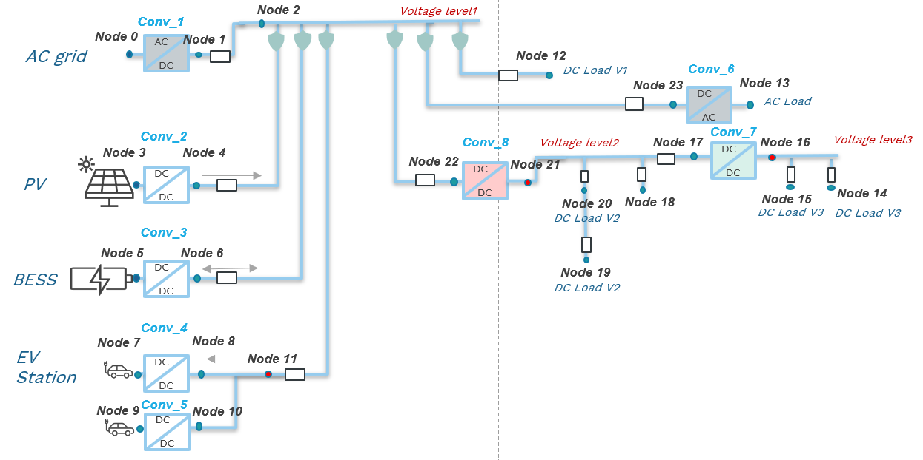
Component type | Node type | Node number | Operating nominal voltage (V) | Maximum power (kW) | Capacity (kWh) | Directly linked converter | Node number for directly linked converter | Daily/Annual curve type
AC Grid | V | 0 | 400 |  |  | Conv_1 | 1
PV | P | 3 | 700 | 15 |  | Conv_2 | 4
Storage | storage | 5 | 700 |  |  | Conv_3 | 6
EV | storage | 7 | 700 | 11 |  | Conv_4 | 11
EV | storage | 9 | 700 | 11 |  | Conv_5 | 11
DC Load | P | 12 | 700 | 2
AC Load | P | 13 | 400 | 10 |  | Conv_6 | 23
DC Load | P | 14 | 48 | 5 |  |  |  |  | [[1.085, 0], [1, 1], [1, 1], [1, 1], [1, 1], [0.915, 1]]
DC Load | P | 15 | 48 | 7 |  |  |  |  | [[1.085, 0], [1, 1], [1, 1], [1, 1], [1, 1], [0.915, 1]]
DC Load | P | 18 | 350 | 0.3 |  |  |  |  | [[1.085, 0], [1, 1], [1, 1], [1, 1], [1, 1], [0.915, 1]]
DC Load | P | 19 | 350 | 20 |  |  |  |  | [[1.085, 0], [1, 1], [1, 1], [1, 1], [1, 1], [0.915, 1]]
DC Load | P | 20 | 350 | 1 |  |  |  |  | [[1.085, 0], [1, 1], [1, 1], [1, 1], [1, 1], [0.915, 1]]

Converters
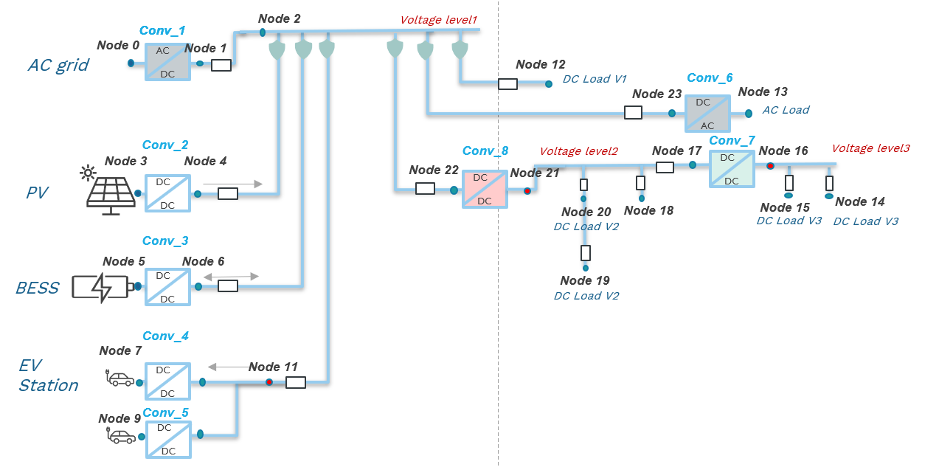
Converter name | Node_i number | Node_j number | Converter type | Voltage level V_i (V) | Voltage level V_j (V) | Nominal power (kW) | Efficiency curve | Efficiency curve if user-defined | Voltage control mode | Droop curve | Droop curve if user-defined
Conv_1 | 0 | 1 | AC/DC Converter Non-Isolated | 400 | 700 |  | default | [[0,100],[50,98],[75,97],[100,95]] | master-slave control | default non-dynamic | [[0,100],[50,98],[75,97],[100,95]]
Conv_2 | 3 | 4 | PV DC/DC Converter |  | 700 |  | default | [[0,100],[50,98],[75,97],[100,95]] | master-slave control | default non-dynamic
Conv_3 | 5 | 6 | Storage DC/DC Converter |  | 700 |  | default | [[0,100],[50,98],[75,97],[100,95]] | master-slave control | default non-dynamic
Conv_4 | 7 | 11 | EV DC/DC Converter |  | 700 |  | default | [[0,100],[50,98],[75,97],[100,95]] | master-slave control | default non-dynamic
Conv_5 | 9 | 11 | EV DC/DC Converter |  | 700 |  | default | [[0,100],[50,98],[75,97],[100,95]] | master-slave control | default non-dynamic
Conv_6 | 13 | 23 | DC/AC Converter | 400 | 700 |  | default | [[0,100],[50,98],[75,97],[100,95]] | master-slave control | default non-dynamic
Conv_7 | 16 | 17 | PDU DC/DC Converter Non-Isolated | 48 | 350 |  | default | [[0,100],[50,98],[75,97],[100,95]] | master-slave control | default non-dynamic
Conv_8 | 21 | 22 | PDU DC/DC Converter Non-Isolated | 350 | 700 |  | default | [[0,100],[50,98],[75,97],[100,95]] | master-slave control | default non-dynamic

