SLD Building
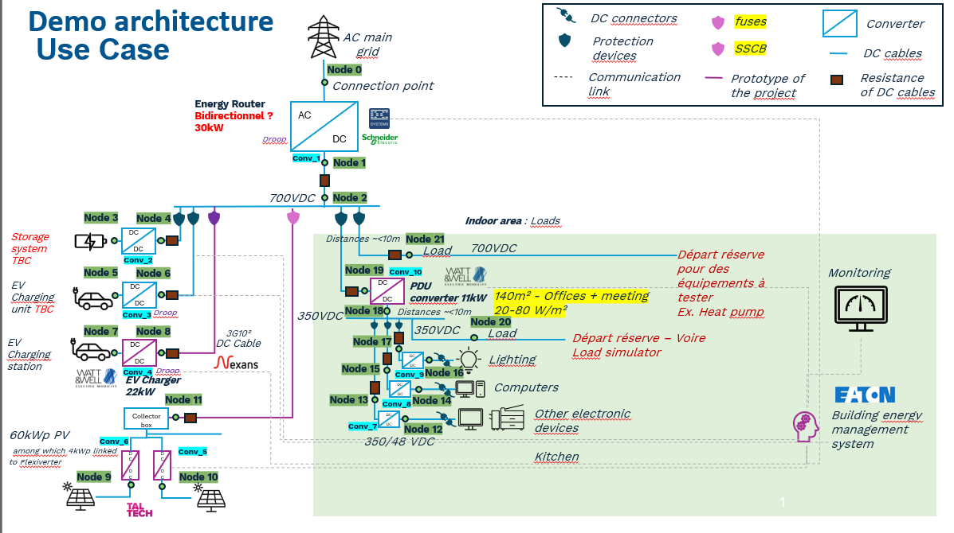

Converters
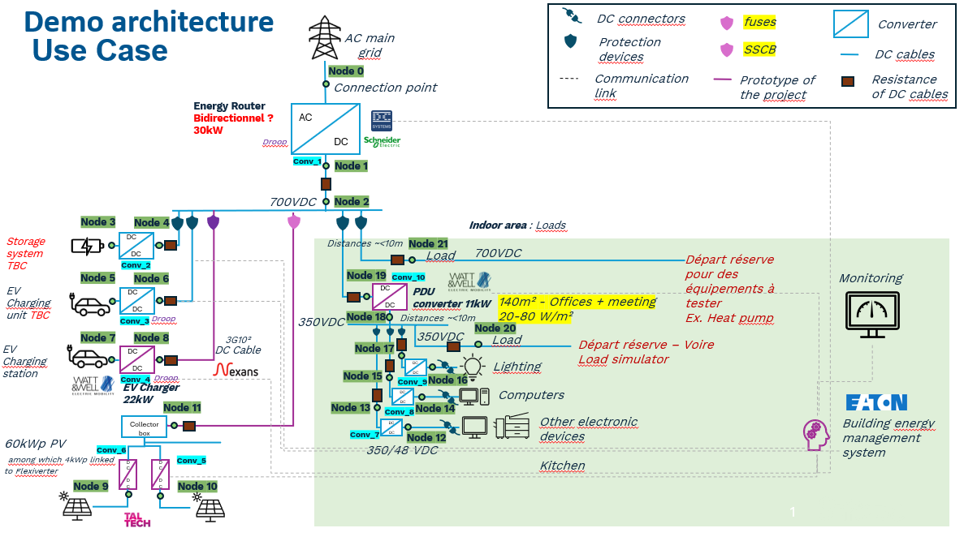
Converter name | Node_i number | Node_j number | Converter type | Voltage level V_i (V) | Voltage level V_j (V) | Nominal power (kW) | Efficiency curve | Efficiency curve if user-defined | Voltage control mode | Droop curve | Droop curve if user-defined
Conv_1 | 0 | 1 | AC/DC Converter Non-Isolated | 400 | 700 |  | default | [[0,100],[50,98],[75,97],[100,95]] | droop control | default non-dynamic
Conv_2 | 3 | 4 | Storage DC/DC Converter |  | 700 |  | default | [[0,100],[50,98],[75,97],[100,95]] | droop control | default non-dynamic
Conv_3 | 5 | 6 | EV DC/DC Converter |  | 700 | 11 | default | [[0,100],[50,98],[75,97],[100,95]] | droop control | user-defined non-dynamic | [[1.025,1],[1,1],[1,1],[0.985,1],[0.97,0]]
Conv_4 | 7 | 8 | EV DC/DC Converter |  | 700 | 22 | default | [[0,100],[50,98],[75,97],[100,95]] | droop control | user-defined non-dynamic | [[1.025,1],[1,1],[1,1],[0.986,1],[0.971,0]]
Conv_5 | 9 | 11 | PV DC/DC Converter |  | 700 | 30 | default | [[0,100],[50,98],[75,97],[100,95]] | droop control | default non-dynamic
Conv_6 | 10 | 11 | PV DC/DC Converter |  | 700 | 30 | default | [[0,100],[50,98],[75,97],[100,95]] | droop control | default non-dynamic
Conv_7 | 12 | 13 | PDU DC/DC Converter Non-Isolated | 48 | 350 | 0.5 | default | [[0,100],[50,98],[75,97],[100,95]] | droop control | user-defined non-dynamic | [[1.025,1],[1,1],[1,1],[0.98,1],[0.95,0]]
Conv_8 | 14 | 15 | PDU DC/DC Converter Non-Isolated | 48 | 350 | 0.5 | default | [[0,100],[50,98],[75,97],[100,95]] | droop control | user-defined non-dynamic | [[1.025,1],[1,1],[1,1],[0.978,1],[0.945,0]]
Conv_9 | 16 | 17 | PDU DC/DC Converter Non-Isolated | 48 | 350 | 0.5 | default | [[0,100],[50,98],[75,97],[100,95]] | droop control | user-defined non-dynamic | [[1.025,1],[1,1],[1,1],[0.976,1],[0.941,0]]
Conv_10 | 18 | 19 | PDU DC/DC Converter Isolated | 350 | 700 |  | default | [[0,100],[50,98],[75,97],[100,95]] | droop control | default non-dynamic

