DASHBOARD 1


MOTOR BANGLADESH

Sales Performance Dashboard 2023-2025

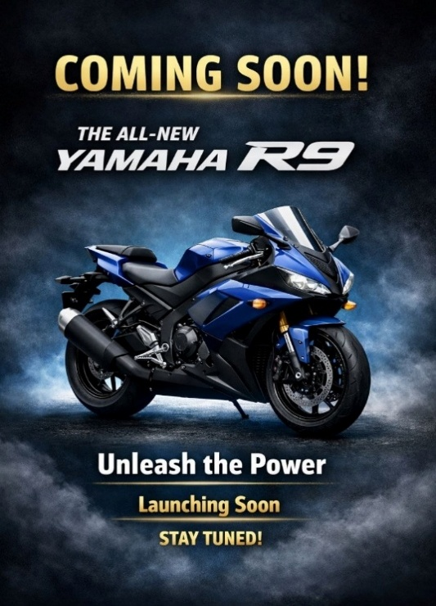

DATA ANALYTICS

Total Sales
Total Revenue
Total Cost
Profit
Best Selling Model
1300
51,34,50,000
35,94,15,000
15,40,35,000
R15

 | Total
Cash | 638

 | Total
Ray ZR | 115
Fazer | 114
R15 | 111
FZS V2 | 107
MT-15 | 96
FZS V3 | 95
 | Total
Fazer | 42180000
FZS V2 | 37450000
FZS V3 | 36100000
MT-15 | 49920000
R15 | 61050000
Ray ZR | 23000000



 | Total
Barishal | 103
Chittagong | 106
Dhaka | 107
Khulna | 100
Rajshahi | 119
Sylhet | 103

 | 2023 | 2024 | 2025
January | 21 | 11 | 18
February | 24 | 24 | 20
March | 21 | 21 | 24
April | 23 | 21 | 28
May | 18 | 36 | 13
June | 21 | 23 | 17
July | 22 | 20
August | 20 | 21
September | 20 | 21
October | 23 | 19
November | 33 | 21
December | 17 | 17

DASHBOARD 2
MOTOR BANGLADESH

Customer Insights Dashboard

Popular Colour
Total Customers
Avg Rating
Popular Age Group
1300
4.7
18-25
Blue

 | Total
16-20 | 173
21-25 | 283
26-30 | 282
30+ | 562
 | Total
Average | 407
Bad | 436
Good | 457

 | Total
3 | 1326
4 | 1780
5 | 2065

 | Total
Black | 321
Blue | 314
Red | 334
White | 331
 | Total
Daily commute | 318
Delivery | 304
Personal | 334
Racing | 344

 | Total
Business | 326
Job Holder | 296
Others | 337
Student | 341

Model Wise Sales
Row Labels | Count of Bike Model
Ray ZR | 115
Fazer | 114
R15 | 111
FZS V2 | 107
MT-15 | 96
FZS V3 | 95
MODEL WISE SALES
Grand Total | 638

Division wise Sales
Row Labels | Count of Bike Model
Barishal | 103
Chittagong | 106
Dhaka | 107
Khulna | 100
Rajshahi | 119
Sylhet | 103
Grand Total | 638

Sales Trend
Count of Bike Model | Column Labels
Row Labels | 2023 | 2024 | 2025 | Grand Total
January | 21 | 11 | 18 | 50
February | 24 | 24 | 20 | 68
March | 21 | 21 | 24 | 66
April | 23 | 21 | 28 | 72
May | 18 | 36 | 13 | 67
June | 21 | 23 | 17 | 61
July | 22 | 20 |  | 42
 | 2023 | 2024 | 2025
January | 21 | 11 | 18
February | 24 | 24 | 20
March | 21 | 21 | 24
April | 23 | 21 | 28
May | 18 | 36 | 13
June | 21 | 23 | 17
July | 22 | 20
August | 20 | 21
September | 20 | 21
October | 23 | 19
November | 33 | 21
December | 17 | 17
August | 20 | 21 |  | 41
September | 20 | 21 |  | 41
October | 23 | 19 |  | 42
November | 33 | 21 |  | 54
December | 17 | 17 |  | 34
Grand Total | 263 | 255 | 120 | 638

Payment Type
PAYMENT TYPE
Row Labels | Count of Bike Model
Cash | 638
Grand Total | 638

Revenue by model
Row Labels | Sum of Price (BDT)
Fazer | 42180000
FZS V2 | 37450000
FZS V3 | 36100000
MT-15 | 49920000
R15 | 61050000
Ray ZR | 23000000
Grand Total | 249700000

Row Labels | Sum of Price (BDT)
Fazer | 42180000
FZS V2 | 37450000
FZS V3 | 36100000
MT-15 | 49920000
R15 | 61050000
Ray ZR | 23000000
Grand Total | 249700000

Age Group Analysis
Row Labels | Count of Bike Model
16-20 | 173
21-25 | 283
26-30 | 282
30+ | 562
Grand Total | 1300

Occupation Analysis
Row Labels | Count of Bike Model
Business | 326
Job Holder | 296
Others | 337
Student | 341
Grand Total | 1300

Color Preference
Row Labels | Count of Preferred Color
Black | 321
Blue | 314
Red | 334
White | 331
Grand Total | 1300

Purchase Purpose
Row Labels | Count of Purpose of Purchase
Daily commute | 318
Delivery | 304
Personal | 334
Racing | 344
Grand Total | 1300

Satisfaction Rating
Row Labels | Sum of Satisfaction Rating
3 | 1326
4 | 1780
5 | 2065
Grand Total | 5171

Service Experiance
Row Labels | Count of Service Experience
Average | 407
Bad | 436
Good | 457
Grand Total | 1300

