Switch Serial Sheet
Switch Serial Sheet |  |  |  | Current New Consoles Come with: |  | 7.0 Patched | Serials Submitted: |  | 741 | http://gbatemp.net/threads/switch-firmware-by-serial-number.481215/

Entry | Region | Edition | Retailer | Date Bought | Serial | Firmware | Nick (Optional) | Editable |  | 1JED7791ktVqk6HeMQX5ZrtfE3TLjTXxk
1 | JPN | Gray | Amazon JP | 3/3/2017 | XAJ100042XXXXX | 1.0.0 | pegasus21 | 🔒 |  | More Rows Added - 1/18/2019
2 | EUR | Gray | Game UK | 3/3/2017 | XAJ400020XXXXX | 1.0.0 | lumothesinner | 🔒 |  | Consolidated Pathced Section in Breakdowns
3 | EUR | Gray | --- | 3/3/2017 | XAJ400033XXXXX | 1.0.0 | INCO | 🔒 |  | New Switches with 4.1 Need Different Method for RCM
4 | EUR | Gray | --- | 6/26/2017 | XAJ400078XXXXX | 1.0.0 | dashkiller | 🔒 |  | If Your Switch Has This ...Denote Firmware w/ "(Patched)"
5 | EUR | Gray | --- | --- | XAJ4000XXXXXXX | 1.0.0 | Ptrk25 | 🔒 |  | ...Row Will Automatically Turn Red
6 | EUR | Gray | --- | --- | XAJ4000XXXXXXX | 1.0.0 | Alex1234 | 🔒
7 | EUR | Neon | Mediamarkt | 9/2/2017 | XAJ400105XXXXX | 2.3.0 | INCO | 🔒 |  | Serials Beginning with XAW1:
8 | EUR | Gray | --- | 8/23/2017 | XAJ400107XXXXX | 2.2.0 | --- | 🔒 |  | XAW1007XXX and below are safe to buy
9 | EUR | Neon | --- | 8/18/2017 | XAJ400119XXXXX | 2.2.0 | crow132 | 🔒 |  | XAW1008XXX not safe to buy, probably patched
10 | EUR | Splatoon 2 | Mediamarkt | --- | XAJ4001261XXXX | 3.0.0 | --- | 🔒 |  | XAW1009XXX and above definitely patched
11 | EUR | Splatoon 2 | --- | --- | XAJ4001261XXXX | 2.1.0 | simtok | 🔒
12 | --- | Neon | --- | 8/22/2017 | XAJ400181XXXXX | 3.0.0 | --- | 🔒 |  | Serials Beginning with XAW4:
13 | EUR | Splatoon 2 | --- | 7/22/2017 | XAJ4001XXXXXXX | 2.3.0 | Paiuand | 🔒 |  | No patched Switch has been reported yet
14 | EUR | Neon | Argos (app) | 3/3/2017 | XAJ700012XXXXX | 1.0.0 | 466 | 🔒
15 | JPN | Gray | --- | 3/3/2017 | XAJ700024XXXXX | 1.0.0 | X3402 | 🔒 |  | Serials Beginning with XAW7:
16 | EUR | Neon | --- | 3/4/2017 | XAJ7000267XXXX | 1.0.0 | coolomon | 🔒 |  | XAW70017X and below are safe to buy
17 | EUR | Neon | --- | --- | XAJ70002XXXXXX | 1.0.0 | BlastedGuy9905 | 🔒 |  | XAW70018X not safe to buy, probably patched
18 | EUR | Neon | Gamestop (BM) | 3/3/2017 | XAJ700033XXXXX | 1.0.0 | --- | 🔒 |  | XAW70019X and above definitely patched
19 | CAN/US | Neon | --- | 3/3/2017 | XAJ700035XXXXX | 1.0.0 | Garou | 🔒
20 | EUR | Gray | --- | --- | xawj70002237001 | 2.1.0 | mech | 🔒 |  | Serials Beginning with XAJ1:
21 | EUR | Gray | --- | --- | XAJ700093XXXXX | 2.2.0 | mech | 🔒 |  | No patched Switch has been reported yet
22 | EUR | Neon | Amazon.de | 9/4/2017 | XAJ7000989XXXX | 2.3.0 | --- | 🔒
23 | EUR | Gray | Shopto.net | 8/18/2017 | XAJ70009XXXXXX | 2.2.0 | Vamosi | 🔒 |  | Serials Beginning with XAJ4:
24 | EUR | --- | Saturn | 3/9/2017 | XAJ7000XXXXXXX | 1.0.0 | sarkwalvein | 🔒 |  | XAJ40052X and below are safe to buy
25 | EUR | Neon | Argos | 5/26/2017 | XAJ7000XXXXXXX | 1.0.0 | Abu_Senpai | 🔒 |  | XAJ40053X not safe to buy, probably patched
26 | EUR | --- | --- | --- | XAJ7000XXXXXXX | 1.0.0 | Riyaz | 🔒 |  | XAJ4006XX and above definitely patched
27 | EUR | Neon | Amazon.co.uk | 31/03/2017 | XAJ7000XXXXXXX | 2.1.0 | 3 | 🔒
28 | EUR | Neon | --- | 8/21/2017 | XAJ700101XXXXX | 2.3.0 | ploggy | 🔒 |  | Serials Beginning with XAJ7:
29 | EUR | Neon | Amazon.co.uk | 8/19/2017 | XAJ700102XXXXX | 2.3.0 | MatMaf | 🔒 |  | XAJ70042X and below are safe to buy
30 | EUR | Neon | --- | 9/9/2017 | XAJ7001036XXXX | 2.3.0 | coolomon | 🔒 |  | XAJ70043X not safe to buy, probably patched
31 | JPN | Neon | --- | --- | XAJ700109XXXXX | 2.3.0 | flewsea | 🔒 |  | XAJ7005XX and above definitely patched
32 | CAN/US | Gray | Walmart CAN/US | 3/1/2017 | XAW100021XXXXX | 1.0.0 | Y2K | 🔒
33 | CAN/US | Gray | Gamestop (BM) | 3/3/2017 | XAW1000251XXXX | 1.0.0 | OfficialFBomb | 🔒 |  | Edition = | Bundles or Color You Bought
34 | CAN/US | Gray | BestBuy | 3/3/2017 | XAW10002XXXXXX | 1.0.0 | ZachSZ | 🔒 |  | Retailer = | Where you bought the system .. Indicate whether
35 | CAN/US | Neon | Walmart CAN/US | 3/1/2017 | XAW100037XXXXX | 1.0.0 | Y2K | 🔒 |  |  | retailer was BM or website
36 | CAN/US | Gray | --- | --- | XAW100060XXXXX | 1.0.0 | zZJhoNZz | 🔒 |  |  | BM = Brick and Mortar
37 | CAN/US | Neon | Walmart.com | 3/3/2017 | XAW100074XXXXX | 1.0.0 | GerbilSoft | 🔒 |  |  | CAN/US = Canada and USA or NTSC-U
38 | CAN/US | Neon | Target | 3/3/2017 | XAW100075XXXXX | 1.0.0 | The_Lotus_Pod | 🔒 |  |  | JPN = Japan or NTSC-J
39 | CAN/US | Gray | Gamestop (BM) | 8/18/2017 | XAW100084XXXXX | 1.0.0 | gameboy | 🔒 |  |  | EUR = Europe or PAL
40 | CAN/US | Neon | --- | 4/29/2017 | XAW1000873XXXX | 2.0.0 | rikipy | 🔒 |  |  | AUS = Australia
41 | CAN/US | Gray | BestBuy (BM) | 4/11/2017 | XAW100092XXXXX | 1.0.0 | Xplic1T | 🔒 |  |  |  | -Xplic1T
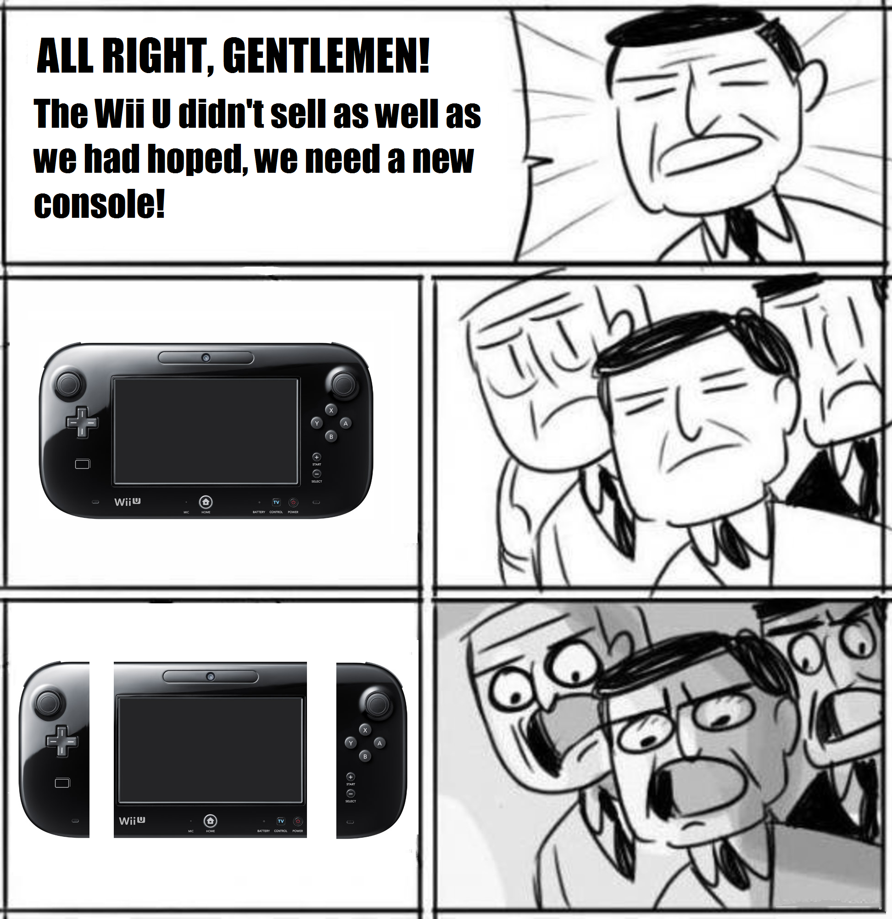
42 | CAN/US | Neon | --- | --- | XAW100098XXXXX | 3.0.0 | Furniture0 | 🔒
43 | CAN/US | Gray | --- | --- | XAW1000XXXXXXX | 1.0.0 | Wii8461 | 🔒
44 | CAN/US | Gray | --- | --- | XAW1000XXXXXXX | 1.0.0 | Wii8461 | 🔒
45 | CAN/US | Neon | EBGames | 3/3/2017 | XAW1000XXXXXXX | 1.0.0 | iAqua | 🔒
46 | CAN/US | Gray | Target (BM) | 9/3/2017 | XAW100128XXXXX | 1.0.0 | sypherce | 🔒
47 | CAN/US | Gray | Best Buy | 9/9/2017 | XAW1001586XXXX | 2.2.0 | MethFred | 🔒
48 | CAN/US | Gray | --- | --- | XAW100165XXXXX | 2.2.0 | ShadowOne333 | 🔒
49 | CAN/US | Gray | Amazon | 8/17/2017 | XAW100168XXXXX | 2.2.0 | 8BitWonder | 🔒
50 | CAN/US | Gray | Target (BM) | 8/19/2017 | XAW100193XXXXX | 2.3.0 | zes | 🔒
51 | CAN/US | Gray | Fry's Electronics (BM)8 | 8/30/2017 | XAW1001963XXXX | 2.3.0 | SocraticBliss | 🔒
52 | CAN/US | Gray | BestBuy (BM) | 8/17/2017 | XAW100196XXXXX | 2.3.0 | SirByte | 🔒
53 | CAN/US | Gray | Target (BM) | 9/7/2017 | XAW1001998XXXX | 3.0.0 | SocraticBliss | 🔒
54 | CAN/US | Gray | --- | --- | XAW1001XXXXXXX | 2.2.0 | Patodox | 🔒
55 | CAN/US | Gray | --- | --- | XAW1001XXXXXXX | 2.2.0 | Duhasst0 | 🔒
56 | CAN/US | Gray | --- | --- | XAW1001XXXXXXX | 2.3.0 | Wii8461 | 🔒
57 | CAN/US | Neon | Gamestop (BM) | 8/19/2017 | XAW100202XXXXX | 2.3.0 | Xplic1T | 🔒
58 | CAN/US | Neon | Target (BM) | 8/21/2017 | XAW1002068XXXX | 2.3.0 | SocraticBliss | 🔒
59 | CAN/US | Neon | Target | 8/21/2017 | XAW10021XXXXXX | 2.3.0 | senas8 | 🔒
60 | CAN/US | Gray | Gamestop (BM) | 8/15/2017 | XAW400012XXXXX | 2.3.0 | roarn20 | 🔒
61 | CAN/US | Gray | EBGames (BM) | 8/18/2017 | XAW400014XXXXX | 2.3.0 | SirECK | 🔒
62 | CAN/US | Neon | Walmart Canada | 8/24/2017 | XAW400015XXXXX | 2.3.0 | Istolla | 🔒
63 | CAN/US | Neon | --- | 8/25/2017 | XAW4000174XXXX | 3.0.0 | Frysenberg | 🔒
64 | CAN/US | Neon | Best Buy | 9/5/2017 | XAW4000181XXXX | 3.0.0 | Magicduck | 🔒
65 | CAN/US | Gray | Best Buy (BM) | 9/8/2017 | XAW4000189XXXX | 3.0.0 | Adacaia | 🔒
66 | CAN/US | Gray | GameStop (BM) | 9/9/2017 | XAW4000225XXXX | 3.0.0 | FallenArchangel | 🔒
67 | CAN/US | Gray | Walmart CAN/US | 4/20/2017 | XAW70000XXXXXX | 2.0.0 | Inf3cted_Joka | 🔒
68 | AUS | Neon | EB Games (BM) | 3/3/2017 | XAW700015XXXXX | 1.0.0 | ElPres | 🔒
69 | AUS | Gray | EB Games (BM) | 3/5/2017 | XAW700023XXXXX | 1.0.0 | the-returning-void | 🔒
70 | CAN/US | Gray | Amazon.ca | 3/3/2017 | XAW700026XXXXX | 1.0.0 | LoseSilent | 🔒
71 | AUS | Neon | --- | 8/8/2017 | XAW700050XXXXX | 2.1.0 | pegasus21 | 🔒
72 | AUS | Neon | EB Games (BM) | 8/18/2017 | XAW70005XXXXXX | 2.3.0 | azza900 | 🔒
73 | CAN/US | Neon | GameStop (BM) | 9/13/2017 | XAW4000336XXXX | 3.0.0 | PaulZ | 🔒
74 | CAN/US | Gray | Amazon | 3/3/2017 | XAW100008XXXXX | 1.0.0 | --- | 🔒
75 | CAN/US | Gray | Gamestop | 9/15/2017 | XAW400022XXXXX | 3.0.0 | Heatran5400 | 🔒
76 | JPN | Neon | --- | 9/14/2017 | XAJ400173XXXXX | 3.0.0 | amytest | 🔒
77 | CAN/US | Gray | Gamestop | 9/19/2017 | XAW700060XXXXX | 3.0.0 | saneki | 🔒
78 | JPN | MHXX | Yahoo! Japan | 8/20/2017 | XAJ100086XXXXX | 2.3.0 | JhoJho | 🔒
79 | EUR | Neon | Amazon.co.uk | 9/20/2017 | XAJ700113XXXXX | 2.3.0 | MatMaf | 🔒
80 | CAN/US | Neon | BestBuy | 9/21/2017 | XAW400033XXXXX | 3.0.0 | KiteFite | 🔒
81 | CAN/US | Gray | Gamestop (BM) | 9/22/2017 | XAW700071XXXXX | 3.0.0 | --- | 🔒
82 | CAN/US | Gray | Best Buy | 9/22/2017 | XAW70005XXXXXX | 3.0.0 | Inf3cted_Joka | 🔒
83 | CAN/US | Gray | Amazon Canada | 9/23/2017 | XAW100240XXXXX | 3.0.1 | OranginaSprite | 🔒
84 | CAN/US | Gray | Best Buy Canada (BM) | 9/24/2017 | XAW700070XXXXX | 3.0.0 | OranginaSprite | 🔒
85 | EUR | Neon | mediamarkt PT | 9/25/2017 | XAJ7001268XXXXX | 2.3.0 | Molko | 🔒
86 | CAN/US | Neon | Gamestop | 9/14/2017 | XAW400033XXXXX | 3.0.0 | TAPE | 🔒
87 | EUR | Neon | Amazon.de | 9/25/2017 | XAJ400170XXXXX | 3.0.0 | --- | 🔒
88 | CAN/US | Gray | Jet.com | 9/14/2017 | XAW400021XXXXX | 3.0.0 | --- | 🔒
89 | EUR | Neon | Elgiganten | 9/26/2017 | XAJ700065XXXXX | 1.0.0 | --- | 🔒
90 | CAN/US | Grey | Target | 9/26/2017 | XAW100182XXXXX | 3.0.0 | azoreseuropa | 🔒
91 | CAN/US | Grey | Gamestop | 9/26/17 | XAW70007143284 | 1.0.0 | Brayton1234567 | 🔒
92 | CAN/US | Splatoon 2 | Walmart (BM) | 9/26/17 | XAW1002063XXXX | 2.3.0 | ur mum | 🔒
93 | CAN/US | Grey | Target | 3/4/2017 | XAW1000XXXXXXX | 1.0.0 | vsod99 | 🔒
94 | CAN/US | Gray | Ebay Seller (Authorized Nintendo Dealer) | 9/23/2017 | XAW10024XXXXX | 3.0.1 | Preem | 🔒
95 | CAN/US | Splatoon 2 | Walmart (BM) | 10/1/2017 | XAW100222XXXX | 3.0.0 | --- | 🔒
96 | CAN/US | Gray | Gamestop(BM) | 8/19/2017 | XAW100126XXXX | 1.0.0 | --- | 🔒
97 | AUS/NZ | Neon | Mightyape | 3/10/2017 | XAW400030XXXXX | 3.0.0 | Kawaii | 🔒
98 | EUR | Neon | --- | 10/2/2017 | XAJ40015XXXXXX | 3.0.0 | --- | 🔒
99 | CAN/US | Gray | Walmart (BM) | 10/4/2017 | XAW10025XXXXXX | 3.0.1 | --- | 🔒
100 | EUR | Neon | Amazon.de | 10/4/2017 | XAJ70008XXXXXX | 2.1.0 | --- | 🔒
101 | CAN/US | Gray | Best Buy (BM) | 10/5/2017 | XAW10018XXXXXX | 2.3.0 | --- | 🔒
102 | EUR | Grey | Real Markt | 3/3/2017 | XAJ400032XXXXX | 1.0.0 | Naendow | 🔒
103 | EUR | Neon | Amazon.co.uk | 10/4/2017 | XAJ400171XXXXX | 3.0.0 | markgoodmonkey | 🔒
104 | CAN/US | Grey | Best Buy | 10/5/2017 | XAW100238XXXXX | 3.0.1 | --- | 🔒
105 | EUR | Neon | Unieuro | 10/02/2017 | XAJ400141XXXXX | 2.3.0 | Somario | 🔒
106 | EUR | Gray | Konzol VideoGame Kft | 2017-10-09 | XAJ400174XXXX | 2.2.0 | balika011 | 🔒
107 | AUS | Grey | BIG W | 10/10/2017 | XAW700049XXXXX | 2.1.0 | --- | 🔒
108 | EUR | Gray | gamepark.hu | 2017-10-10 | XAJ4001544XXXX | 2.3.0 | werdy | 🔒
109 | CAN/US | Neon | GameStop | 10/13/2017 | XAW1002515XXXX | 3.0.1 | Bigkuhuna24 | 🔒
110 | CAN/US | Grey | Amazon.com (US) | 10/8/2017 | XAW1002479XXXX | 3.0.1 | --- | 🔒
111 | CAN/US | Neon | WALMART (Canada) | 10/13/2017 | XAW10028XXXXXX | 3.0.1 | --- | 🔒
112 | CAN/US | Gray | Target | 10/17/2017 | XAW7000691XXXX | 3.0.0 | Lacius | 🔒
113 | CAN/US | Splatoon 2 | Walmart | 10/14/2017 | XAW100207XXXXX | 3.0.0 | planetarian | 🔒
114 | CAN/US | Neon | --- | --- | XAW100027XXXXX | 2.2.0 | --- | 🔒
115 | CAN/US | Neon | Target | 10/11/2017 | XAW100208XXXXX | 3.0.1 | --- | 🔒
116 | CAN/US | Neon | Best Buy | 09/04/2017 | XAW4000089XXXXX | 2.3.0 | --- | 🔒
117 | EUR | Neon | Private store | 10/13/2017 | XAJ400169XXXXX | 3.0.0 | --- | 🔒
118 | JPN | Gray | BicCamera | 3/3/2017 | XAJ100022XXXXX | 1.0.0 | --- | 🔒
119 | CAN/US | Neon | Best Buy | 10/12/2017 | XAW700079XXXXX | 3.0.0 | --- | 🔒
120 | CAN/US | Gray | Target | 9/30/2017 | XAW100225XXXXX | 3.0.0 | --- | 🔒
121 | CAN/US | Gray | Amazon | 10/9/2017 | XAW100237XXXXX | 3.0.1 | --- | 🔒
122 | EUR | Neon | Amazon | 10/01/2017 | XAJ700124XXXXX | 2.3.0 | --- | 🔒
123 | EUR | Gray | Amazon | 5/1/2017 | XAJ700045XXXXX | 1.0.0 | --- | 🔒
124 | CAN/US | Gray | Amazon | 10/2/2017 | XAW100228XXXXX | 3.0.0 | --- | 🔒
125 | EUR | Gray | Amazon | 10/2/2017 | XAJ700132XXXXX | 2.3.0 | --- | 🔒
126 | EUR | Gray | altex.ro | 10/5/2017 | XAJ400135XXXXX | 2.2.0 | --- | 🔒
127 | CAN/US | Gray | Liverpool | 3/16/2017 | XAW100058XXXXX | 1.0.0 | --- | 🔒
128 | CAN/US | Neon | GameStop | 8/1/2017 | XAW400016XXXXX | 2.3.0 | --- | 🔒
129 | CAN/US | Neon | Lojas BigBang | 8/22/2017 | XAJ400090XXXXX | 1.0.0 | --- | 🔒
130 | EUR | Neon | --- | --- | XAJ700104XXXXX | 2.3.0 | --- | 🔒
131 | EUR | Neon | Intertoys | 10/3/2017 | XAJ70064XXXXX | 1.0.0 | --- | 🔒
132 | EUR | Neon | Elgiganten Bäckebol | 10/3/2017 | XAJ400081XXXXX | 1.0.0 | --- | 🔒
133 | EUR | Gray | Amazon | 10/1/2017 | XAJ700138XXXXX | 3.0.0 | --- | 🔒
134 | EUR | Neon | Gamestop | 9/30/2017 | XAJ700130XXXXX | 2.3.0 | --- | 🔒
135 | --- | --- | --- | --- | XAW100166XXXXX | 2.2.0 | --- | 🔒
136 | CAN/US | Splatoon 2 | Walmart Online | 9/24/2017 | XAW100209XXXXX | 3.0.0 | --- | 🔒
137 | JPN | --- | --- | --- | XAJ400187XXXXX | 3.0.0 | --- | 🔒
138 | EUR | Neon | Saturn | 9/27/2017 | XAJ700091XXXXX | 2.2.0 | --- | 🔒
139 | CAN/US | Gray | --- | 9/24/2017 | XAW700061XXXXX | 3.0.0 | --- | 🔒
140 | CAN/US | Gray | Walmart | 9/13/2017 | XAW700059XXXXX | 3.0.0 | --- | 🔒
141 | CAN/US | Gray | Nintendo NYC | 9/5/2017 | XAW10017XXXXX | 2.2.0 | --- | 🔒
142 | CAN/US | Gray | --- | 9/20/2017 | XAW700030XXXXX | 1.0.0 | --- | 🔒
143 | --- | --- | --- | --- | XAW400027XXXXX | 3.0.0 | --- | 🔒
144 | CAN/US | Neon | Best Buy | 9/21/2017 | XAW400023XXXXX | 3.0.0 | --- | 🔒
...

Breakdowns
...
firmware | 1.0.0 | 2.0.0 | 2.1.0 | 2.2.0 | 2.3.0 | 3.0.0 | 3.0.1 | 3.0.2 | 4.0.1 | 4.1.0 | 5.0.2 | Patched | Totals
CAN/US | 32 | 3 | 0 | 10 | 19 | 43 | 20 | 13 | 9 | 44 | 0 | 13 | 206

EUR | 33 | 0 | 6 | 9 | 33 | 34 | 21 | 18 | 21 | 65 | 1 | 69 | 310

JPN | 5 | 0 | 0 | 0 | 3 | 2 | 0 | 0 | 0 | 0 | 0 | 3 | 13

AUS | 6 | 0 | 3 | 0 | 1 | 2 | 0 | 7 | 0 | 0 | 0 | 2 | 21

Not Provided | 0 | 0 | 1 | 1 | 1 | 4 | 1 | 0 | 0 | 0 | 0 | 1 | 9

Nintendo Switch Serial Breakdown
Totals | 76 | 3 | 10 | 20 | 57 | 85 | 42 | 38 | 30 | 109 | 1 | 88

