Cover
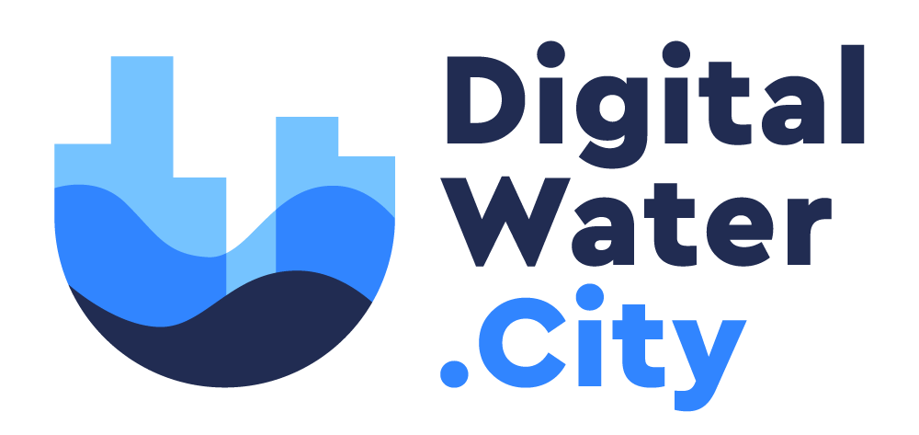
Digital Water City project

Work package 4 - Task 4.2.2

Risk Reduction Measure Database (RRMD)

