SISALv3_database_structure
The SISALv3 database structure

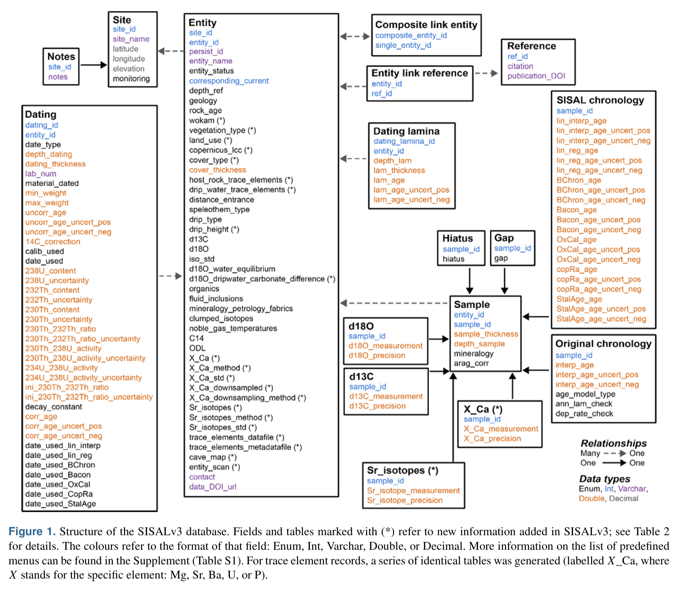

Reference:
Kaushal, N., Lechleitner, F.A., Wilhelm, M., Azennoud, K., Bühler, J.C., Braun, K., Ait Brahim, Y., Baker, A., Burstyn, Y., Comas-Bru, L., Fohlmeister, J., Goldsmith, Y., Harrison, S.P., Hatvani, I.G., Rehfeld, K., Ritzau, M., Skiba, V., Stoll, H.M., Szűcs, J.G., Tanos, P., Treble, P.C., Azevedo, V., Baker, J.L., Borsato, A., Chawchai, S., Columbu, A., Endres, L., Hu, J., Kern, Z., Kimbrough, A., Koç, K., Markowska, M., Martrat, B., Masood Ahmad, S., Nehme, C., Novello, V.F., Pérez-Mejías, C., Ruan, J., Sekhon, N., Sinha, N., Tadros, C.V., Tiger, B.H., Warken, S., Wolf, A., Zhang, H., SISAL Working Group members, 2024. SISALv3: a global speleothem stable isotope and trace element database. Earth Syst. Sci. Data 16, 1933–1963. https://doi.org/10.5194/essd-16-1933-2024

