Contents
 |  |  |  | Official Statistics
 |  | Statutory homelessness: Detailed local authority-level tables
 |  | July to September 2021
 |  | England
 |  | 27 January 2022

 | Households initially assessed as threatened with homelessness (owed prevention duty) or homeless (owed relief duty)1
 | Table No. | Subject | Geography | Quarters
 | A1 | Initial assessment of homelessness circumstances and needs | Local authority | Jul-Sep
 | A2P | Households owed a prevention duty by reason for loss, or threat of loss, of last settled home | Local authority | Jul-Sep
 | A2R | Households owed a relief duty by reason for loss, or threat of loss, of last settled home | Local authority | Jul-Sep
 | A3 | Support needs of household | Local authority | Jul-Sep
 | A4P | Households owed a prevention duty by accommodation at time of application | Local authority | Jul-Sep
 | A4R | Households owed a relief duty by accommodation at time of application | Local authority | Jul-Sep
 | A5P | Household composition (threatened with homelessness) | Local authority | Jul-Sep
 | A5R | Household composition (homeless) | Local authority | Jul-Sep
 | A6 | Age of main applicant | Local authority | Jul-Sep
 | A7 | Referrals, including under the Duty to Refer | Local authority | Jul-Sep
 | A8 | Ethnicity of main applicant | Local authority | Jul-Sep
 | A9 | Nationality of main applicant | Local authority | *
 | A10 | Employment status of main applicant | Local authority | Jul-Sep
 | A11 | Eligibility for homelessness assistance | Local authority | *
 | A12 | Sexual Identity of main applicant | Local authority | Jul-Sep

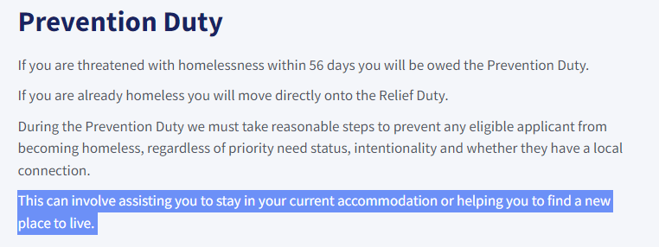
 | Households whose prevention duty ended2
 | P1 | Reason for end of prevention duty | Local authority | Jul-Sep
 | P2 | Accommodation secured at prevention duty end | Local authority | Jul-Sep
 | P3 | Main prevention activity to secure accommodation | Local authority | Jul-Sep
 | P4 | Location of alternative accommodation secured | Local authority | *
 | P5 | Household composition of those secured accommodation | Local authority | Jul-Sep

 | Households whose relief duty ended2
 | R1 | Reason for end of relief duty | Local authority | Jul-Sep
 | R2 | Accommodation secured at relief duty end | Local authority | Jul-Sep
 | R3 | Main relief activity to secure accommodation | Local authority | Jul-Sep
 | R4 | Location of accommodation secured | Local authority | *
 | R5 | Household composition of those secured accommodation | Local authority | Jul-Sep

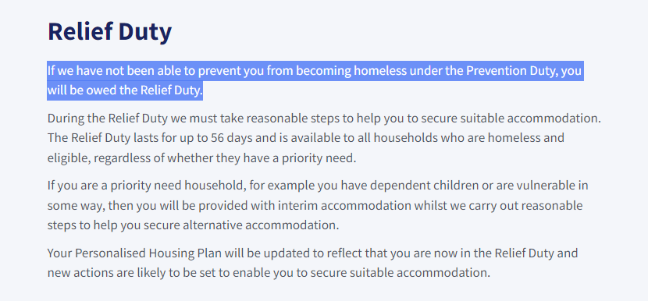
 | Households assessed, following relief duty end, as unintentionally homeless and priority need (owed main duty)3
 | MD1 | Decision on duty owed at end of relief duty | Local authority | Jul-Sep
 | MD3 | Priority need of households owed main duty | Local authority | Jul-Sep

 | Households whose main duty ended3
 | MD2 | Reason for end of main duty | Local authority | Jul-Sep

 | Households in temporary accommodation at end of quarter4
 | TA1 | Type of temporary accommodation provided | Local authority | Jul-Sep
 | TA2 | Household composition | Local authority | Jul-Sep
 | TA3 | Duty under which temporary accommodation provided | Local authority | Jul-Sep

1 | These tables include information on new prevention and relief duties owed. Prevention duties include any activities aimed at preventing a household threatened with homelessness within 56 days from becoming homeless. Relief duties are owed to households that are already homeless and require help to secure settled accommodation. They are not comparable with the homelessness decisions or prevention/relief activity reported prior to April 2018. This is because amendments to legislation, as introduced by the 2017 HRA, have introduced new duties that mean more people will be eligible for assistance out of homelessness from local authorities. The national and regional totals in this data include imputed estimates for missing values based on previous submissions. 10 local authorities failed to provide accurate assessments data in July to September 2021, estimated to comprise 4.3% of total assessments in England.

2 | The national and regional totals in this data include imputed estimates for missing values based on previous submissions. 10 local authorities failed to provide accurate duty end data in July to September 2021, estimated to comprise 2.7% of prevention outcomes and 2.8% of relief outcomes in England.

3 | Main duty describes the duty a local authority has towards an applicant who is unintentionally homeless, eligible for assistance and has priority need. This definition has not been changed by the 2017 HRA. However, these households are now only owed a main duty if they did not secure accommodation in the prevention or relief stage. The national and regional totals in this data include imputed estimates for missing values based on previous submissions. 11 local authorities failed to provide accurate decisions data in July to September 2021, estimated to comprise 4.1% of total decisions in England. Moreover, 17 local authorities failed to provide accurate main duty end data, estimated to comprise 4.3% of main duty outcomes.

4 | Unlike other data in this pack, temporary accommodation (TA) is a snapshot at the end of the quarter. It is not a cumulative total of all placements across a quarter. Households in temporary accommodation refer to households living in accommodation secured by a local housing authority under their statutory homelessness functions. The majority of households in temporary accommodation have been placed under the main homelessness duty to secure suitable accommodation until the duty ends. England and regional TA totals include imputed estimates for missing values based on previous submissions. 22 local authorities failed to provided accurate temporary accommodation figures for 30th September 2021, estimated to comprise 23.9% of total households in TA. Further data was imputed where local authorities did not provide TA type or household composition breakdowns (1).

* | These tables are now only published as part of the expanded annual release at end of financial year. The latest published figures can be found in the Annual 2020-21 Detailed LA-level tables.
 | https://www.gov.uk/government/collections/homelessness-statistics

 | Data in each new release is provisional and subject to revision in future quarters. Local authorities may add new cases late or revise previous data submissions where mistakes have been spotted. Where revisions to earlier quarters are made, these will be incorporated into the dataset at the end of the financial year.
 | More information on data quality and limitations can be found in the written statistical release and technical notes:
 | https://www.gov.uk/government/collections/homelessness-statistics

 | Forthcoming Releases: |  |  | Responsible Analysts: Homelessness statistics
 | Statutory Homelessness (October to December 2021): Spring 2022 |  |  | Statistical enquiries: Homelessnessstats@communities.gov.uk
 |  |  |  | Media Enquiries: 0303 444 1209

