Dashboard
Sum of Sleep Apnea
 | Total
Business & Finance | 3
Education | 4
Engineering | 1
Healthcare | 65
IT | 0
Law | 3
Science | 2
Average Physical Activity Level
 | Total
Business & Finance | 51.46
Education | 45.63
Engineering | 51.86
Healthcare | 67.13
IT | 48.00
Law | 70.43
Science | 41.00

Sum of Insomnia
 | Total
Business & Finance | 36
Education | 27
Engineering | 5
Healthcare | 6
IT | 1
Law | 2
Science | 0
Average Sleep Duration and Quality
 | Average of Sleep Duration | Average of Quality of Sleep
Business & Finance | 6.76 | 6.93
Education | 6.69 | 6.98
Engineering | 7.99 | 8.41
Healthcare | 7.02 | 7.01
IT | 6.75 | 6.50
Law | 7.41 | 7.89
Science | 6.00 | 5.00
Count of Jobs by Sleep Disorder
Insomnia | 77
None | 219
Sleep Apnea | 78

Sheet2
Average Sleep Duration and Quality

Row Labels | Average of Sleep Duration | Average of Quality of Sleep
Business & Finance | 6.76 | 6.93
Education | 6.69 | 6.98
Engineering | 7.99 | 8.41
Healthcare | 7.02 | 7.01
IT | 6.75 | 6.50
Law | 7.41 | 7.89
Science | 6.00 | 5.00
Grand Total | 7.13 | 7.31

Sheet4
Sum of Sleep Apnea
Row Labels | Sum of Sleep Apnea
Business & Finance | 3
Education | 4
Engineering | 1
Healthcare | 65
IT | 0
Law | 3
Science | 2
Grand Total | 78

Sheet1
Sum of Insomnia
Row Labels | Sum of Insomnia
Business & Finance | 36
Education | 27
Engineering | 5
Healthcare | 6
IT | 1
Law | 2
Science | 0
Grand Total | 77

Sheet3
Average Physical Activity Level

Row Labels | Average of Physical Activity Level
Business & Finance | 51.46
Education | 45.63
Engineering | 51.86
Healthcare | 67.13
IT | 48.00
Law | 70.43
Science | 41.00
Grand Total | 59.17

Sheet7
Count of Jobs by Sleep Disorder
Sleep Disorder | Count of Occupation
Insomnia | 77
None | 219
Sleep Apnea | 78

Insomnia | 77
None | 219
Sleep Apnea | 78

Vlookup_Job_Sector
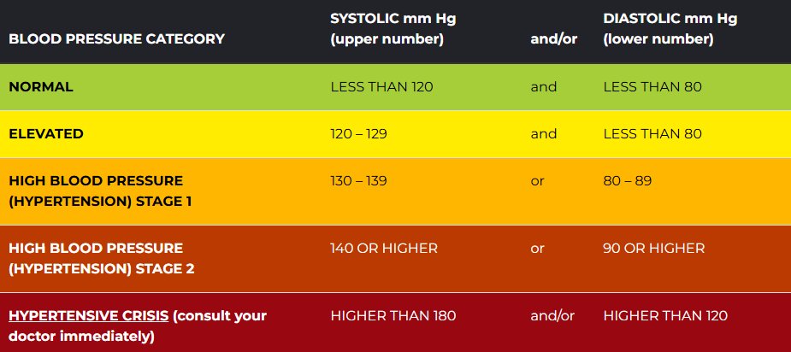
Accountant | Business & Finance | Adult BP Category
Doctor | Healthcare
Engineer | Engineering
Lawyer | Law
Manager | Business & Finance
Nurse | Healthcare
Sales Representative | Business & Finance
Salesperson | Business & Finance
Scientist | Science
Software Engineer | IT
Teacher | Education

