1. Title Page
Deep Dive & Analysis

Project Name:
Date: 1/12/2024
Analyst Name: Samantha Guerrier

Contents:
Population Flow
Consistency checks
Wrangling steps
Column derivations
Visualizations
Recommendations

2. Population Flow
 |  |  |  | Title page

Population flow

Orders_products_combined
Orders_products_merged
Orders_products_all

Total:
Total:
Total:
 |  |  | *due to memory errors, merge was done on a small sample size of orders_product_merged and customers as approved by tutor
32,434,489 | 32,404,859 | 6,757,155

3. Consistency checks
 |  |  |  | Title page
Consistency checks

Dataset | Missing values | Missing values treatment | Duplicates
orders | last_order (missing 206,209 value) | new dataframe made to remove Missing values | 0 duplicates
products | product_name (missing 16 val) | new dataframe made to remove Missing values | 5 duplicates found, so final "clean" dataframe made that had missing and duplicate values removed
orders_products_prior | 0 |  | 0 duplicates
customers | 0 |  | 0 duplicates

4. Wrangling steps
 |  |  | Title page
Wrangling steps

Columns dropped | Alteration done | Comment/Reason
eval_set | dropped | not needed
order id | type changed | unique
user id | type changed | unique
order number | type changed | unique
days since prior order | renamed | changed to "last order" more straight forward
n_dependent | renamed | changed to children, to be straight-forward
surnam | renamed | changed to Last Name to match first name
First Name | type changed | data type changed from mixed to string
First Name | dropped | privacy issues
Last Name | dropped | privacy issues

5. Column derivations
 |  |  |  |  | Title page

Column derivations and aggregations

Dataset | New column | Column/s it was derived from | Conditions | Context (if applicable)
ord_prods_combo | price range | prices | sort item by low range, mid range, high range depending on price | low range ( <= $5) mid-range ( <= $15) high-range ( > $15)
ord_prods_combo | popularity days | order day of week/order dow | sort days by slowest, regular, busiest depending on day of week | busiest day (Saturday) regular days (Su,M,Tu,Th,F) least busy (W)
ord_prods_combo | popularity_hour | order hour of day | sort hours by least orders, average orders, most orders depending on hour time | least orders ( 10 pm to 5 am) average orders ( 6 to 9 am / 4 to 7 p ) most orders ( 10 am to 3 pm)
ord_prods_combo | max_order | user id, order number | determine how many orders a user has made based on user id | N/A
ord_prods_combo | loyalty_flag | max_order | sort users as new, regular, loyal depending on amount of orders made | New( <= 10 orders ) Regular ( <= 40 orders) Loyal (> 40 orders )
ord_prods | spender_type | user id, prices | sort users as low or, high spender based on average price of item purchases | Low spender ( <$10 per item), High spender ( >=$10 per item)
ord_prods | ordering_frequency | user id, days since prior order | sort users as non-frequent, regular, frequent based on days since last order | Non frequent ( > 20 days) Regular ( >10 days and <=20 days) Frequent ( <= 10 days)
ord_prod_all | region | state, mapped to region dict | label state as preset region in new column | determining region using (include link)
ord_prod_all | max_childen | Children | count highest number of children per user | N/A
ord_prod_all | essentials | reordered | sort users buying essential items vs nonessential items (tried vs buy regularly) | (essential >1 reorders) (non-essentials < = 1 reorder)
ord_prod_all | department_name | department id, mapped to department dict | label departments as predefined department in new column | departments defined & indexed in Achievement 4

6. Visualizations
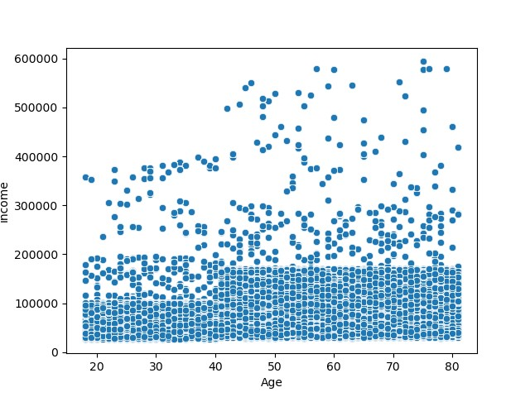
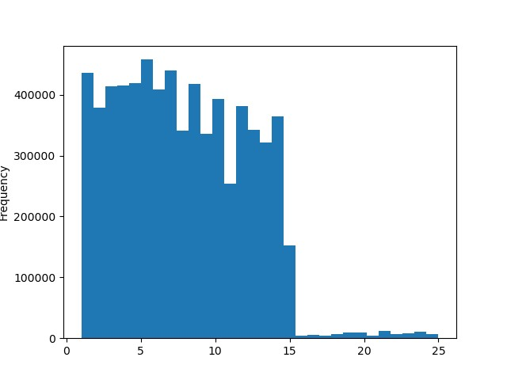
 |  |  |  | Title page

Visualisations

Visualization(s) for Question 1: |  |  | * Y axis represents order frequency
*Days 0 through 6 represent Saturday through Friday

 | 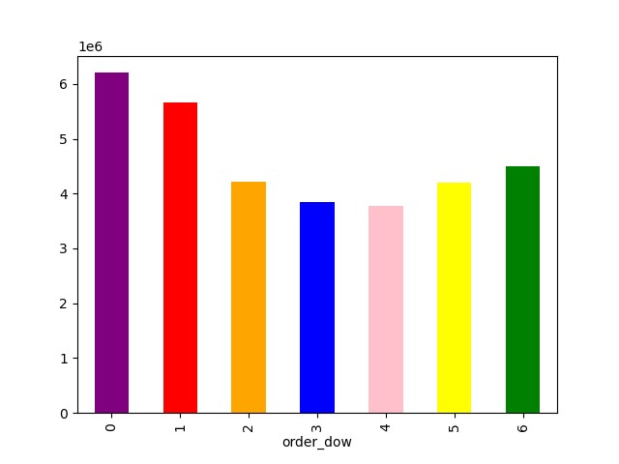 | 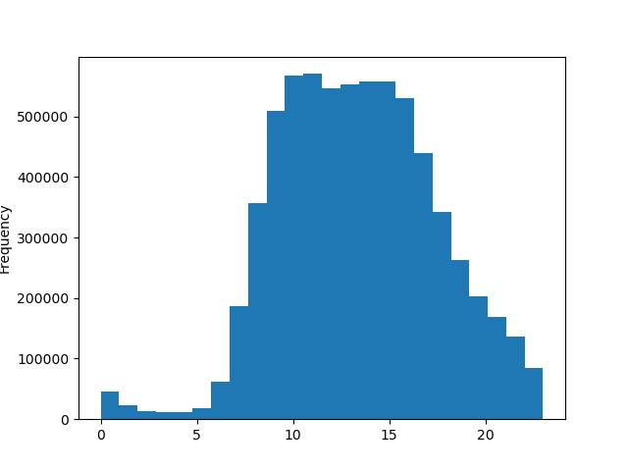
Visualization for Question 2:
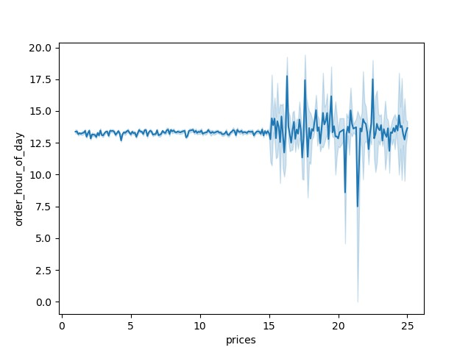

Visualization for Question 4:

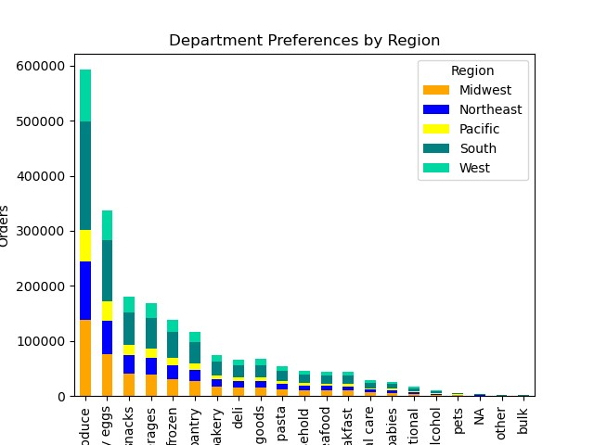

Visualization for Questions 5:

* y axis represents recorded orders per customer type
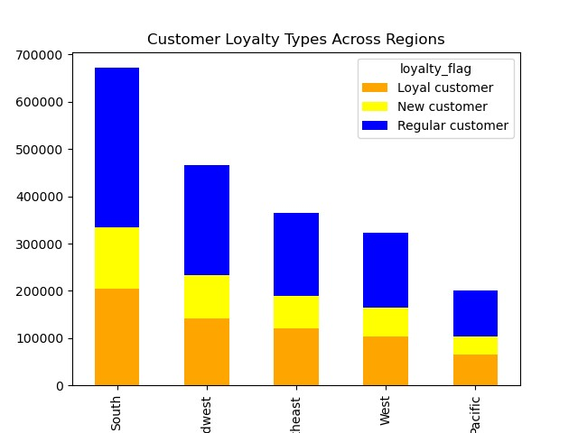

Visualizaton for Question 6:
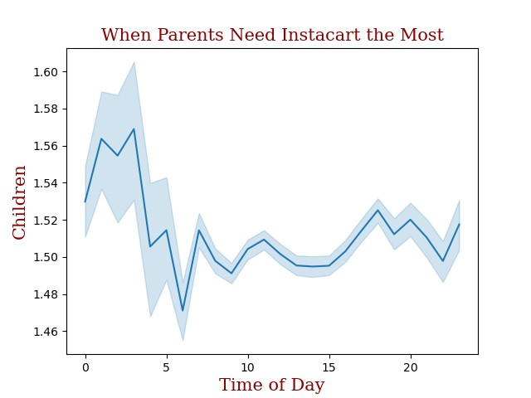

Visualization for Question 7:

*y axis represent order fequency during time of day

8. Recommendations
 |  |  |  |  | Title page

Recommendations

Team | Question | Answer | Recommendations | Supporting Visualization from Slide 6
Sales | 1) What is the busiest days of the week and hours of the day? | The busiest days of the week is Saturday and Sunday, while the busiest hours of the day is from 10 AM to 3 PM | By pushing marketing promotions on the least busiest days Tuesday and Wednesday, for example on Tuesdays, 20$ if user orders taco related products, can improve customer use | 1)
Sales | 2)Are there times of day where people spend the most money? | Users tend to spend more money from 1 PM to 5:30 PM | Marketing can promote discounts or BOGOs during this time of day to encourage users to spend more than they already are.
Marketing & Sales | 3) Can you create a simpler price range group to help direct our efforts? | By using the prices column from our products database, analyst were able to sort product items from "low-range" "mid-range" and "high-range" products based on the price of an item | As most customers seem to purchase low to mid range products, within the app there can be a filter or category to promote products that fall under these price ranges
Marketing & Sales | 4) Which departments have the highest frequency of product orders? | Across all regions and customer types, produce is the most popular department | In order to improve purchases in other departments, marketing can create a promotion where users receive a discount if ordering produce paired with an item from a department with less sales. i.e "Mimosa Sundays", 20% off alcohol when paired with oranges | 2)
Marketing & Sales | 5)What's the difference between users loyalty to our brand? | By using the information provided by how many orders a user made, we have categorized New Customers as making equal or less than 10 orders, Regular customers have made equal or less than 40 orders, and Loyal customers have made 40 or more orders. We have found that across all regions, roughly 60% of customers are categorized as regular customers | Users can be encouraged to place more orders by creating customer tiers within the app that have rewards based on how many orders a customer has place within a 6 month quarter. i.e Customer receives loyal status and becomes eligible for reduced /no delivery fee for the remainder of the quarter
Marketing & Sales | 6) Is there a connection between family/children status and ordering habits? | Yes, by aggregating data and comparing those with Children and those without Children, as well as when they place orders, we have found that families with Children are more likely to place orders from midnight to 4 AM. | The team can target families by providing rewards or discounts when making orders during non-peak hours, which is when families with children are likely to order. | 4)
Marketing & Sales | 7)Are there differences in ordering habits based on customer's income? | No, we have found that across users no matter their income level users are more likely to buy items that cost $1-15 than items that are priced as high-range, on average users will pay 5$ for an item | Due to there being no difference in ordering habits across income levels, the team can focus on creating unique promotions & discounts for various high-range products to create incentive for customers. i.e "Spend $50 on technology to receive a 5$ gift card" | 5)

 |  |  |  | 6)

 |  |  |  | 7)

