Homepage
Homepage
/ | https://www.whatisinyouroil.com/ | 2026-05-26 13:25 | 15 sections
Open live page

Section preview | Section | Current copy | Suggested edit | Edit type | Proposed by | Approval | Approved by | Notes
 | SEO - Title & meta | [Page <title>] NCOMA — National Cooking Oil Management Association [Meta description] The first industry-built certification for cooking oil management in American commercial kitchens. Know your oil. |  |  |  | Awaiting review
 | Navigation | [Link/CTA] NCOMA [Link/CTA] The Seal [Link/CTA] For Operators [Link/CTA] For Consumers [Link/CTA] Oil Atlas [Link/CTA] Field Notes [Link/CTA] Reports [Link/CTA] About [Link/CTA] Get Certified |  |  |  | Awaiting review
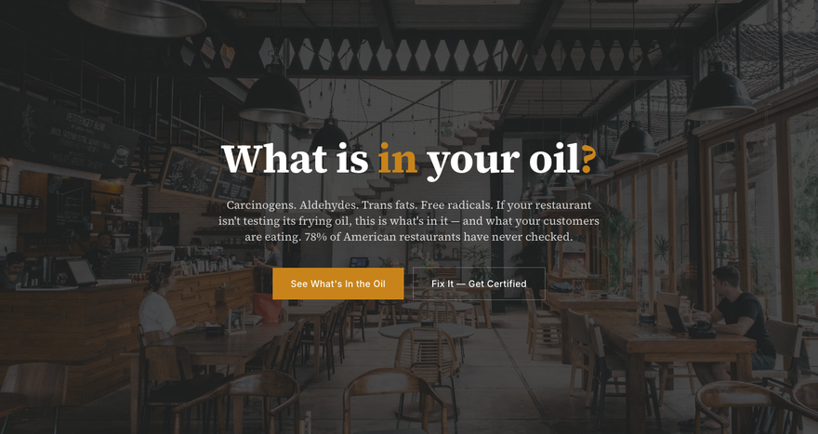 | What is in your oil? | [H1] What is in your oil ? [Paragraph] Carcinogens. Aldehydes. Trans fats. Free radicals. If your restaurant isn't testing its frying oil, this is what's in it — and what your customers are eating. 78% of American restaurants have never checked. [Link/CTA] See What's In the Oil [Link/CTA] Fix It — Get Certified |  |  |  | Awaiting review
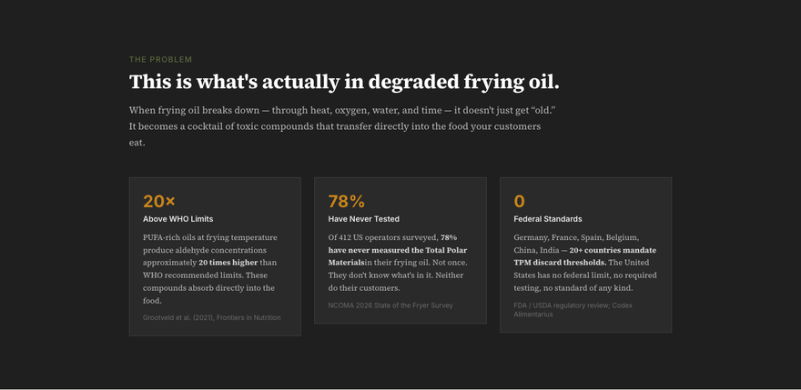 | This is what's actually in degraded frying oil. | [Paragraph] The Problem [H2] This is what's actually in degraded frying oil. [Paragraph] When frying oil breaks down — through heat, oxygen, water, and time — it doesn't just get “old.” It becomes a cocktail of toxic compounds that transfer directly into the food your customers eat. [Paragraph] 20× [Paragraph] Above WHO Limits [Paragraph] PUFA-rich oils at frying temperature produce aldehyde concentrations approximately 20 times higher than WHO recommended limits. These compounds absorb directly into the food. [Paragraph] Grootveld et al. (2021), Frontiers in Nutrition [Paragraph] 78% [Paragraph] Have Never Tested [Paragraph] Of 412 US operators surveyed, 78% have never measured the Total Polar Materials in their frying oil. Not once. They don't know what's in it. Neither do their customers. [Paragraph] NCOMA 2026 State of the Fryer Survey [Paragraph] Federal Standards [Paragraph] Germany, France, Spain, Belgium, China, India — 20+ countries mandate TPM discard thresholds. The United States has no federal limit, no required testing, no standard of any kind. [Paragraph] FDA / USDA regulatory review; Codex Alimentarius |  |  |  | Awaiting review
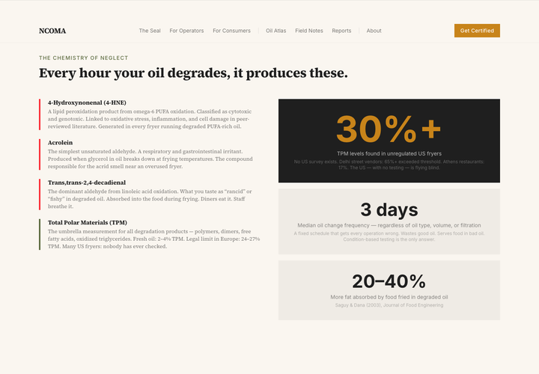 | Every hour your oil degrades, it produces these. | [Paragraph] The Chemistry of Neglect [H2] Every hour your oil degrades, it produces these. [H3] 4-Hydroxynonenal (4-HNE) [Paragraph] A lipid peroxidation product from omega-6 PUFA oxidation. Classified as cytotoxic and genotoxic. Linked to oxidative stress, inflammation, and cell damage in peer-reviewed literature. Generated in every fryer running degraded PUFA-rich oil. [H3] Acrolein [Paragraph] The simplest unsaturated aldehyde. A respiratory and gastrointestinal irritant. Produced when glycerol in oil breaks down at frying temperatures. The compound responsible for the acrid smell near an overused fryer. [H3] Trans,trans-2,4-decadienal [Paragraph] The dominant aldehyde from linoleic acid oxidation. What you taste as “rancid” or “fishy” in degraded oil. Absorbed into the food during frying. Diners eat it. Staff breathe it. [H3] Total Polar Materials (TPM) [Paragraph] The umbrella measurement for all degradation products — polymers, dimers, free fatty acids, oxidized triglycerides. Fresh oil: 2–4% TPM. Legal limit in Europe: 24–27% TPM. Many US fryers: nobody has ever checked. [Paragraph] 30%+ [Paragraph] TPM levels found in unregulated US fryers [Paragraph] No US survey exists. Delhi street vendors: 65%+ exceeded threshold. Athens restaurants: 17%. The US — with no testing — is flying blind. [Paragraph] 3 days [Paragraph] Median oil change frequency — regardless of oil type, volume, or filtration [Paragraph] A fixed schedule that gets every operation wrong. Wastes good oil. Serves food in bad oil. Condition-based testing is the only answer. [Paragraph] 20–40% [Paragraph] More fat absorbed by food fried in degraded oil [Paragraph] Saguy & Dana (2003), Journal of Food Engineering |  |  |  | Awaiting review
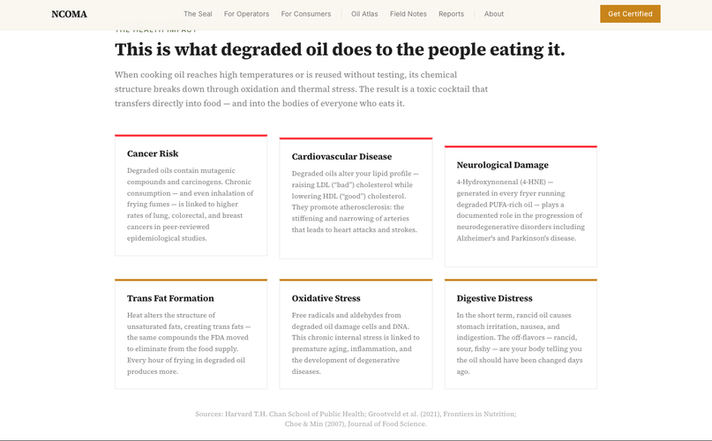 | This is what degraded oil does to the people eating it. | [Paragraph] The Health Impact [H2] This is what degraded oil does to the people eating it. [Paragraph] When cooking oil reaches high temperatures or is reused without testing, its chemical structure breaks down through oxidation and thermal stress. The result is a toxic cocktail that transfers directly into food — and into the bodies of everyone who eats it. [H3] Cancer Risk [Paragraph] Degraded oils contain mutagenic compounds and carcinogens. Chronic consumption — and even inhalation of frying fumes — is linked to higher rates of lung, colorectal, and breast cancers in peer-reviewed epidemiological studies. [H3] Cardiovascular Disease [Paragraph] Degraded oils alter your lipid profile — raising LDL (“bad”) cholesterol while lowering HDL (“good”) cholesterol. They promote atherosclerosis: the stiffening and narrowing of arteries that leads to heart attacks and strokes. [H3] Neurological Damage [Paragraph] 4-Hydroxynonenal (4-HNE) — generated in every fryer running degraded PUFA-rich oil — plays a documented role in the progression of neurodegenerative disorders including Alzheimer's and Parkinson's disease. [H3] Trans Fat Formation [Paragraph] Heat alters the structure of unsaturated fats, creating trans fats — the same compounds the FDA moved to eliminate from the food supply. Every hour of frying in degraded oil produces more. [H3] Oxidative Stress [Paragraph] Free radicals and aldehydes from degraded oil damage cells and DNA. This chronic internal stress is linked to premature aging, inflammation, and the development of degenerative diseases. [H3] Digestive Distress [Paragraph] In the short term, rancid oil causes stomach irritation, nausea, and indigestion. The off-flavors — rancid, sour, fishy — are your body telling you the oil should have been changed days ago. [Paragraph] Sources: Harvard T.H. Chan School of Public Health; Grootveld et al. (2021), Frontiers in Nutrition; Choe & Min (2007), Journal of Food Science. |  |  |  | Awaiting review
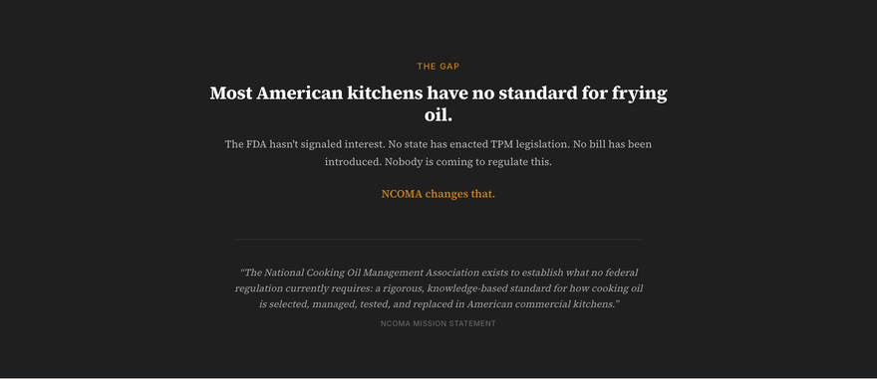 | Most American kitchens have no standard for frying oil. | [Paragraph] The Gap [H2] Most American kitchens have no standard for frying oil. [Paragraph] The FDA hasn't signaled interest. No state has enacted TPM legislation. No bill has been introduced. Nobody is coming to regulate this. [Paragraph] NCOMA changes that. [Pull quote] “The National Cooking Oil Management Association exists to establish what no federal regulation currently requires: a rigorous, knowledge-based standard for how cooking oil is selected, managed, tested, and replaced in American commercial kitchens.” [Paragraph] NCOMA Mission Statement |  |  |  | Awaiting review
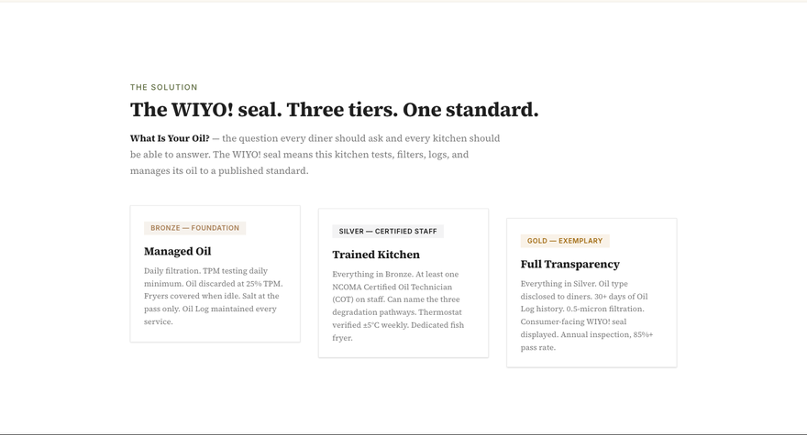 | The WIYO! seal. Three tiers. One standard. | [Paragraph] The Solution [H2] The WIYO! seal. Three tiers. One standard. [Paragraph] What Is Your Oil? — the question every diner should ask and every kitchen should be able to answer. The WIYO! seal means this kitchen tests, filters, logs, and manages its oil to a published standard. [H3] Managed Oil [Paragraph] Daily filtration. TPM testing daily minimum. Oil discarded at 25% TPM. Fryers covered when idle. Salt at the pass only. Oil Log maintained every service. [H3] Trained Kitchen [Paragraph] Everything in Bronze. At least one NCOMA Certified Oil Technician (COT) on staff. Can name the three degradation pathways. Thermostat verified ±5°C weekly. Dedicated fish fryer. [H3] Full Transparency [Paragraph] Everything in Silver. Oil type disclosed to diners. 30+ days of Oil Log history. 0.5-micron filtration. Consumer-facing WIYO! seal displayed. Annual inspection, 85%+ pass rate. |  |  |  | Awaiting review
 | Section 7 | [Paragraph] 0 M+ [Paragraph] Foodservice outlets with no oil quality standard [Paragraph] National Restaurant Association, 2025 [Paragraph] 0 % [Paragraph] Of operators who have never tested TPM [Paragraph] NCOMA 2026 State of the Fryer [Paragraph] TPM — the NCOMA discard threshold [Paragraph] Aligned with Codex Alimentarius and EU law [Paragraph] 40–80% [Paragraph] Oil life extension from proper management [Paragraph] Moreira et al., Deep-Fat Frying |  |  |  | Awaiting review
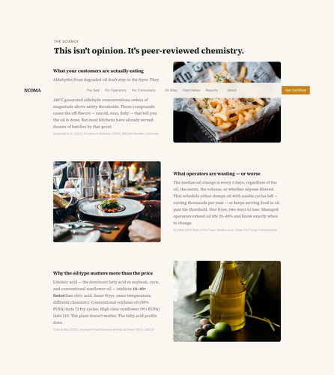 | This isn't opinion. It's peer-reviewed chemistry. | [Paragraph] The Science [H2] This isn't opinion. It's peer-reviewed chemistry. [H3] What your customers are actually eating [Paragraph] Aldehydes from degraded oil don't stay in the fryer. They absorb into the food during cooking. Grootveld's team used NMR spectroscopy to measure it: PUFA-rich oils at 180°C generated aldehyde concentrations orders of magnitude above safety thresholds. Those compounds cause the off-flavors — rancid, sour, fishy — that tell you the oil is done. But most kitchens have already served dozens of batches by that point. [Paragraph] Grootveld et al. (2021), Frontiers in Nutrition; (2015), BBC/De Montfort University [H3] What operators are wasting — or worse [Paragraph] The median oil change is every 3 days, regardless of the oil, the menu, the volume, or whether anyone filtered. That schedule either dumps oil with usable cycles left — costing thousands per year — or keeps serving food in oil past the threshold. One fryer, two ways to lose. Managed operators extend oil life 20–40% and know exactly when to change. [Paragraph] NCOMA 2026 State of the Fryer; Moreira et al., Deep-Fat Frying: Fundamentals [H3] Why the oil type matters more than the price [Paragraph] Linoleic acid — the dominant fatty acid in soybean, corn, and conventional sunflower oil — oxidizes 10–40× faster than oleic acid. Same fryer, same temperature, different chemistry. Conventional soybean oil (58% PUFA) lasts 72 fry cycles. High oleic sunflower (9% PUFA) lasts 210. The plant doesn't matter. The fatty acid profile does. [Paragraph] Choe & Min (2007), Journal of Food Science; Holman & Elmer (1947), JAOCS |  |  |  | Awaiting review
 | Section 9 | [Pull quote] The oil is an ingredient. Manage it like one. |  |  |  | Awaiting review
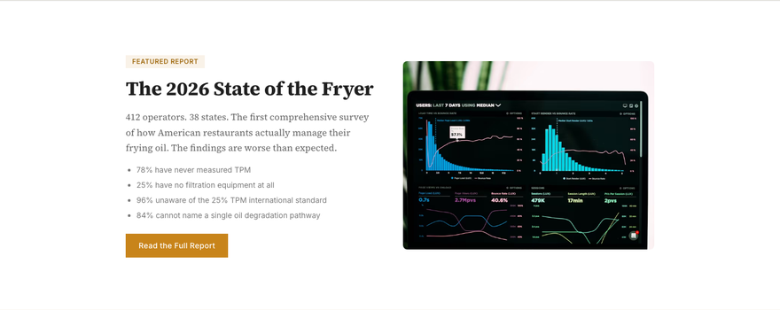 | The 2026 State of the Fryer | [H2] The 2026 State of the Fryer [Paragraph] 412 operators. 38 states. The first comprehensive survey of how American restaurants actually manage their frying oil. The findings are worse than expected. [List item] 78% have never measured TPM [List item] 25% have no filtration equipment at all [List item] 96% unaware of the 25% TPM international standard [List item] 84% cannot name a single oil degradation pathway [Link/CTA] Read the Full Report |  |  |  | Awaiting review
 | Built by the people who know the fryer | [Paragraph] Who We Are [H2] Built by the people who know the fryer [Paragraph] Not regulators. Not academics. Operators and engineers who spent decades inside America's commercial kitchens and decided the standard needed to exist. [Paragraph] Matt McMahon [Paragraph] President [Paragraph] 240+ restaurant openings. $72M in sales across Arizona & New Mexico. Developed Bulk Oil Management Solutions saving 100,000+ lbs of waste. [Paragraph] Conrad Canter [Paragraph] Technical Director [Paragraph] Inventor of the Zeco Filtration Machine — patented 0.5-micron closed-loop system serving hundreds of restaurants across the Southwest. [Paragraph] Pablo Herrera [Paragraph] Founder, The Oil Insurgency [Paragraph] Built the Oil Atlas, designed the certification framework, and launched The Oil Insurgency — forcing transparency into every commercial fryer in America. [Link/CTA] About NCOMA |  |  |  | Awaiting review
 | Section 12 | [H2] Your customers can't see what's in the fryer. The WIYO! seal can. [Paragraph] Certification gives your kitchen a standard, your staff a credential, and your guests the one thing they've never had: proof. [Link/CTA] Get Certified [Link/CTA] Read the Science |  |  |  | Awaiting review
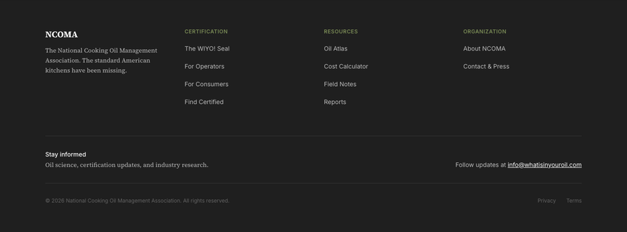 | Footer | [Paragraph] NCOMA [Paragraph] The National Cooking Oil Management Association. The standard American kitchens have been missing. [Paragraph] Certification [List item] The WIYO! Seal [List item] For Operators [List item] For Consumers [List item] Find Certified [Paragraph] Resources [List item] Oil Atlas [List item] Cost Calculator [List item] Field Notes [List item] Reports [Paragraph] Organization [List item] About NCOMA [List item] Contact & Press [Paragraph] Stay informed [Paragraph] Oil science, certification updates, and industry research. [Paragraph] Follow updates at info@whatisinyouroil.com [Paragraph] © 2026 National Cooking Oil Management Association. All rights reserved. |  |  |  | Awaiting review

The WIYO! Seal
The WIYO! Seal
/seal | https://www.whatisinyouroil.com/seal | 2026-05-26 13:25 | 11 sections
Open live page

Section preview | Section | Current copy | Suggested edit | Edit type | Proposed by | Approval | Approved by | Notes
 | SEO - Title & meta | [Page <title>] The WIYO! Seal | NCOMA [Meta description] The first industry-built certification for cooking oil management in American commercial kitchens. Know your oil. |  |  |  | Awaiting review
 | Navigation | [Link/CTA] NCOMA [Link/CTA] The Seal [Link/CTA] For Operators [Link/CTA] For Consumers [Link/CTA] Oil Atlas [Link/CTA] Field Notes [Link/CTA] Reports [Link/CTA] About [Link/CTA] Get Certified |  |  |  | Awaiting review
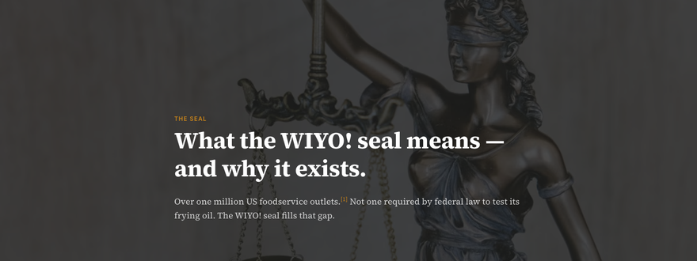 | What the WIYO! seal means — and why it exists. | [Paragraph] The Seal [H1] What the WIYO! seal means — and why it exists. [Paragraph] Over one million US foodservice outlets. [ 1 ] Not one required by federal law to test its frying oil. The WIYO! seal fills that gap. |  |  |  | Awaiting review
 | Certified Oil Manager | [Paragraph] Certified Oil Manager [Paragraph] This designation certifies mastery of the science, management, and testing practices that define professional cooking oil stewardship. |  |  |  | Awaiting review
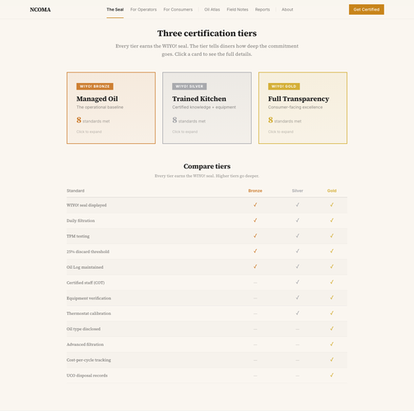 | Three certification tiers | [H2] Three certification tiers [Paragraph] Every tier earns the WIYO! seal. The tier tells diners how deep the commitment goes. Click a card to see the full details. [H3] Managed Oil [Paragraph] The operational baseline [Paragraph] Click to expand [H3] Trained Kitchen [Paragraph] Certified knowledge + equipment [H3] Full Transparency [Paragraph] Consumer-facing excellence [H3] Compare tiers [Paragraph] Every tier earns the WIYO! seal. Higher tiers go deeper. |  |  |  | Awaiting review
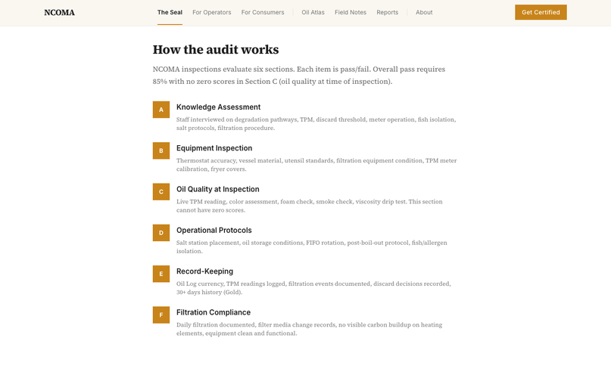 | How the audit works | [H2] How the audit works [Paragraph] NCOMA inspections evaluate six sections. Each item is pass/fail. Overall pass requires 85% with no zero scores in Section C (oil quality at time of inspection). [Paragraph] Knowledge Assessment [Paragraph] Staff interviewed on degradation pathways, TPM, discard threshold, meter operation, fish isolation, salt protocols, filtration procedure. [Paragraph] Equipment Inspection [Paragraph] Thermostat accuracy, vessel material, utensil standards, filtration equipment condition, TPM meter calibration, fryer covers. [Paragraph] Oil Quality at Inspection [Paragraph] Live TPM reading, color assessment, foam check, smoke check, viscosity drip test. This section cannot have zero scores. [Paragraph] Operational Protocols [Paragraph] Salt station placement, oil storage conditions, FIFO rotation, post-boil-out protocol, fish/allergen isolation. [Paragraph] Record-Keeping [Paragraph] Oil Log currency, TPM readings logged, filtration events documented, discard decisions recorded, 30+ days history (Gold). [Paragraph] Filtration Compliance [Paragraph] Daily filtration documented, filter media change records, no visible carbon buildup on heating elements, equipment clean and functional. |  |  |  | Awaiting review
 | Pricing | [H2] Pricing [Paragraph] Certification pricing varies by operation size, number of fryers, and tier level. Individual COT exams, single-kitchen COMK inspections, and multi-unit COMP programs are each priced separately. [Link/CTA] Request a Quote |  |  |  | Awaiting review
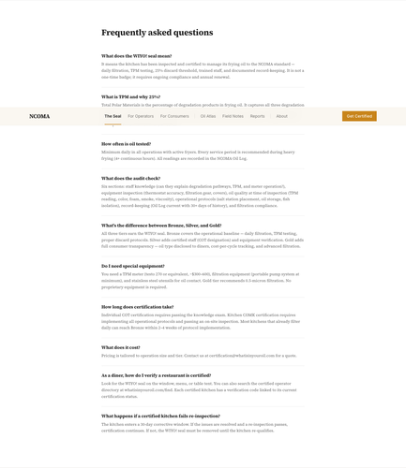 | Frequently asked questions | [H2] Frequently asked questions [H3] What does the WIYO! seal mean? [Paragraph] It means the kitchen has been inspected and certified to manage its frying oil to the NCOMA standard — daily filtration, TPM testing, 25% discard threshold, trained staff, and documented record-keeping. It is not a one-time badge; it requires ongoing compliance and annual renewal. [H3] What is TPM and why 25%? [Paragraph] Total Polar Materials is the percentage of degradation products in frying oil. It captures all three degradation pathways — hydrolysis, oxidation, and polymerization — in a single number. Germany mandates discard at 27%, Belgium/Spain/France at 25%. The US has no federal threshold. NCOMA adopts 25%, aligned with the more protective international standards. [H3] How often is oil tested? [Paragraph] Minimum daily in all operations with active fryers. Every service period is recommended during heavy frying (4+ continuous hours). All readings are recorded in the NCOMA Oil Log. [H3] What does the audit check? [Paragraph] Six sections: staff knowledge (can they explain degradation pathways, TPM, and meter operation?), equipment inspection (thermostat accuracy, filtration gear, covers), oil quality at time of inspection (TPM reading, color, foam, smoke, viscosity), operational protocols (salt station placement, oil storage, fish isolation), record-keeping (Oil Log current with 30+ days of history), and filtration compliance. [H3] What's the difference between Bronze, Silver, and Gold? [Paragraph] All three tiers earn the WIYO! seal. Bronze covers the operational baseline — daily filtration, TPM testing, proper discard protocols. Silver adds certified staff (COT designation) and equipment verification. Gold adds full consumer transparency — oil type disclosed to diners, cost-per-cycle tracking, and advanced filtration. [H3] Do I need special equipment? [Paragraph] You need a TPM meter (testo 270 or equivalent, ~$300–600), filtration equipment (portable pump system at minimum), |  |  |  | Awaiting review
 | Verify a certification | [H2] Verify a certification [Paragraph] Enter a restaurant's WIYO! verification code to check current status. [Button] Verify [Paragraph] Verification database launching with certified operators. |  |  |  | Awaiting review
 | References | [H3] References [List item] National Restaurant Association, 2025 Industry Statistics. The US restaurant industry comprises more than 1 million restaurant and foodservice outlets. |  |  |  | Awaiting review
 | Footer | [Paragraph] NCOMA [Paragraph] The National Cooking Oil Management Association. The standard American kitchens have been missing. [Paragraph] Certification [List item] The WIYO! Seal [List item] For Operators [List item] For Consumers [List item] Find Certified [Paragraph] Resources [List item] Oil Atlas [List item] Cost Calculator [List item] Field Notes [List item] Reports [Paragraph] Organization [List item] About NCOMA [List item] Contact & Press [Paragraph] Stay informed [Paragraph] Oil science, certification updates, and industry research. [Paragraph] Follow updates at info@whatisinyouroil.com [Paragraph] © 2026 National Cooking Oil Management Association. All rights reserved. |  |  |  | Awaiting review

For Operators
For Operators
/operators | https://www.whatisinyouroil.com/operators | 2026-05-26 13:25 | 10 sections
Open live page

Section preview | Section | Current copy | Suggested edit | Edit type | Proposed by | Approval | Approved by | Notes
 | SEO - Title & meta | [Page <title>] For Operators | NCOMA [Meta description] The first industry-built certification for cooking oil management in American commercial kitchens. Know your oil. |  |  |  | Awaiting review
 | Navigation | [Link/CTA] NCOMA [Link/CTA] The Seal [Link/CTA] For Operators [Link/CTA] For Consumers [Link/CTA] Oil Atlas [Link/CTA] Field Notes [Link/CTA] Reports [Link/CTA] About [Link/CTA] Get Certified |  |  |  | Awaiting review
 | Stop guessing. Start managing. | [Paragraph] For Operators [H1] Stop guessing. Start managing. [Paragraph] Most restaurants change oil on a fixed schedule — wasting oil with cycles left, or serving food in oil past the threshold. NCOMA-certified operators know the difference. |  |  |  | Awaiting review
 | Section 2 | [Paragraph] Great frying starts before the food hits the oil. |  |  |  | Awaiting review
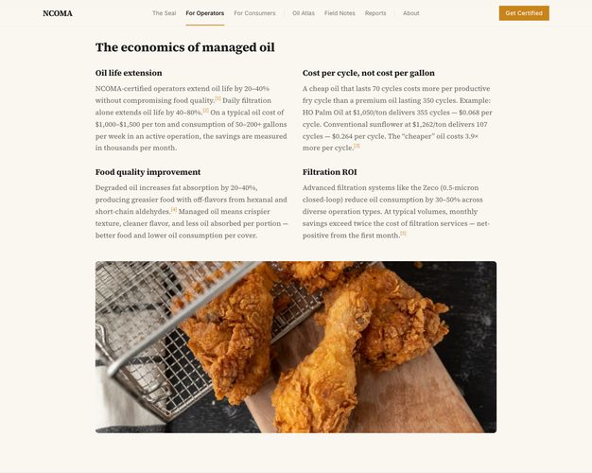 | The economics of managed oil | [H2] The economics of managed oil [H3] Oil life extension [Paragraph] NCOMA-certified operators extend oil life by 20–40% without compromising food quality. [ 1 ] Daily filtration alone extends oil life by 40–80%. [ 2 ] On a typical oil cost of $1,000–$1,500 per ton and consumption of 50–200+ gallons per week in an active operation, the savings are measured in thousands per month. [H3] Cost per cycle, not cost per gallon [Paragraph] A cheap oil that lasts 70 cycles costs more per productive fry cycle than a premium oil lasting 350 cycles. Example: HO Palm Oil at $1,050/ton delivers 355 cycles — $0.068 per cycle. Conventional sunflower at $1,262/ton delivers 107 cycles — $0.264 per cycle. The “cheaper” oil costs 3.9× more per cycle. [ 3 ] [H3] Food quality improvement [Paragraph] Degraded oil increases fat absorption by 20–40%, producing greasier food with off-flavors from hexanal and short-chain aldehydes. [ 4 ] Managed oil means crispier texture, cleaner flavor, and less oil absorbed per portion — better food and lower oil consumption per cover. [H3] Filtration ROI [Paragraph] Advanced filtration systems like the Zeco (0.5-micron closed-loop) reduce oil consumption by 30–50% across diverse operation types. At typical volumes, monthly savings exceed twice the cost of filtration services — net-positive from the first month. [ 5 ] |  |  |  | Awaiting review
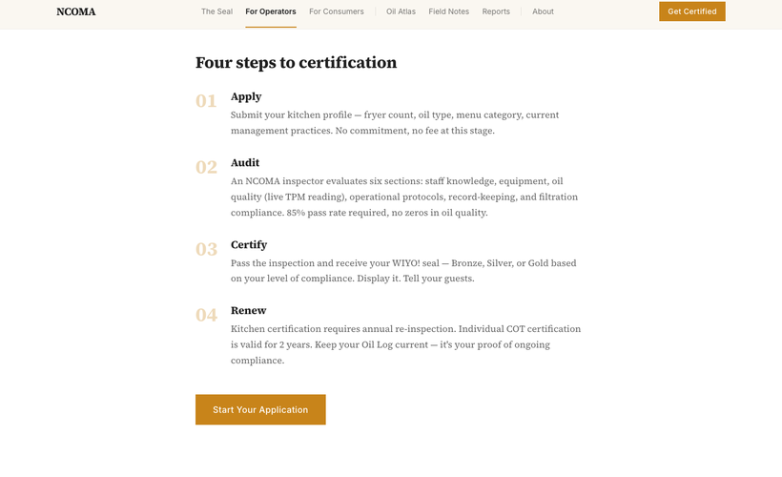 | Four steps to certification | [H2] Four steps to certification [H3] Apply [Paragraph] Submit your kitchen profile — fryer count, oil type, menu category, current management practices. No commitment, no fee at this stage. [H3] Audit [Paragraph] An NCOMA inspector evaluates six sections: staff knowledge, equipment, oil quality (live TPM reading), operational protocols, record-keeping, and filtration compliance. 85% pass rate required, no zeros in oil quality. [H3] Certify [Paragraph] Pass the inspection and receive your WIYO! seal — Bronze, Silver, or Gold based on your level of compliance. Display it. Tell your guests. [H3] Renew [Paragraph] Kitchen certification requires annual re-inspection. Individual COT certification is valid for 2 years. Keep your Oil Log current — it's your proof of ongoing compliance. [Link/CTA] Start Your Application |  |  |  | Awaiting review
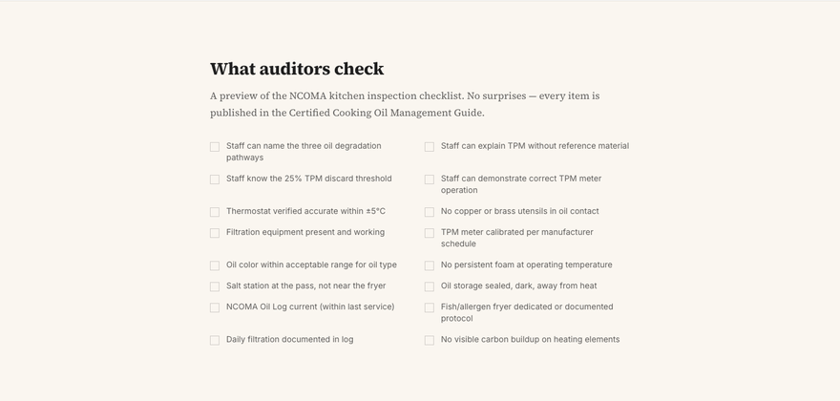 | What auditors check | [H2] What auditors check [Paragraph] A preview of the NCOMA kitchen inspection checklist. No surprises — every item is published in the Certified Cooking Oil Management Guide. [Paragraph] Staff can name the three oil degradation pathways [Paragraph] Staff can explain TPM without reference material [Paragraph] Staff know the 25% TPM discard threshold [Paragraph] Staff can demonstrate correct TPM meter operation [Paragraph] Thermostat verified accurate within ±5°C [Paragraph] No copper or brass utensils in oil contact [Paragraph] Filtration equipment present and working [Paragraph] TPM meter calibrated per manufacturer schedule [Paragraph] Oil color within acceptable range for oil type [Paragraph] No persistent foam at operating temperature [Paragraph] Salt station at the pass, not near the fryer [Paragraph] Oil storage sealed, dark, away from heat [Paragraph] NCOMA Oil Log current (within last service) [Paragraph] Fish/allergen fryer dedicated or documented protocol [Paragraph] Daily filtration documented in log [Paragraph] No visible carbon buildup on heating elements |  |  |  | Awaiting review
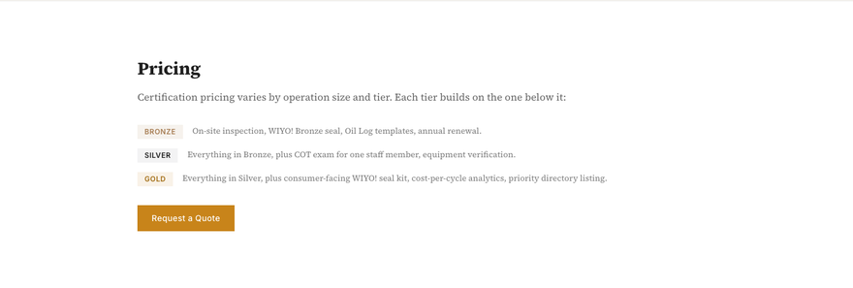 | Pricing | [H2] Pricing [Paragraph] Certification pricing varies by operation size and tier. Each tier builds on the one below it: [Paragraph] On-site inspection, WIYO! Bronze seal, Oil Log templates, annual renewal. [Paragraph] Everything in Bronze, plus COT exam for one staff member, equipment verification. [Paragraph] Everything in Silver, plus consumer-facing WIYO! seal kit, cost-per-cycle analytics, priority directory listing. [Link/CTA] Request a Quote |  |  |  | Awaiting review
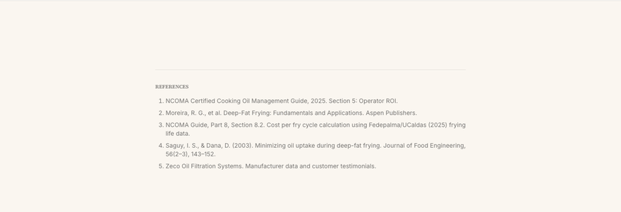 | References | [H3] References [List item] NCOMA Certified Cooking Oil Management Guide, 2025. Section 5: Operator ROI. [List item] Moreira, R. G., et al. Deep-Fat Frying: Fundamentals and Applications. Aspen Publishers. [List item] NCOMA Guide, Part 8, Section 8.2. Cost per fry cycle calculation using Fedepalma/UCaldas (2025) frying life data. [List item] Saguy, I. S., & Dana, D. (2003). Minimizing oil uptake during deep-fat frying. Journal of Food Engineering, 56(2–3), 143–152. [List item] Zeco Oil Filtration Systems. Manufacturer data and customer testimonials. |  |  |  | Awaiting review
 | Footer | [Paragraph] NCOMA [Paragraph] The National Cooking Oil Management Association. The standard American kitchens have been missing. [Paragraph] Certification [List item] The WIYO! Seal [List item] For Operators [List item] For Consumers [List item] Find Certified [Paragraph] Resources [List item] Oil Atlas [List item] Cost Calculator [List item] Field Notes [List item] Reports [Paragraph] Organization [List item] About NCOMA [List item] Contact & Press [Paragraph] Stay informed [Paragraph] Oil science, certification updates, and industry research. [Paragraph] Follow updates at info@whatisinyouroil.com [Paragraph] © 2026 National Cooking Oil Management Association. All rights reserved. |  |  |  | Awaiting review

For Consumers
For Consumers
/consumers | https://www.whatisinyouroil.com/consumers | 2026-05-26 13:25 | 10 sections
Open live page

Section preview | Section | Current copy | Suggested edit | Edit type | Proposed by | Approval | Approved by | Notes
 | SEO - Title & meta | [Page <title>] For Consumers | NCOMA [Meta description] The first industry-built certification for cooking oil management in American commercial kitchens. Know your oil. |  |  |  | Awaiting review
 | Navigation | [Link/CTA] NCOMA [Link/CTA] The Seal [Link/CTA] For Operators [Link/CTA] For Consumers [Link/CTA] Oil Atlas [Link/CTA] Field Notes [Link/CTA] Reports [Link/CTA] About [Link/CTA] Get Certified |  |  |  | Awaiting review
 | What you fry in is what you serve. | [Paragraph] For Consumers [H1] What you fry in is what you serve. [Paragraph] You check sourcing. You read labels. You ask if the chicken is antibiotic-free. But nobody asks about the oil it's fried in — and right now, there's no way to know if it was tested today or last tested never. |  |  |  | Awaiting review
 | Section 2 | [Paragraph] Your food is only as good as the oil it's cooked in. |  |  |  | Awaiting review
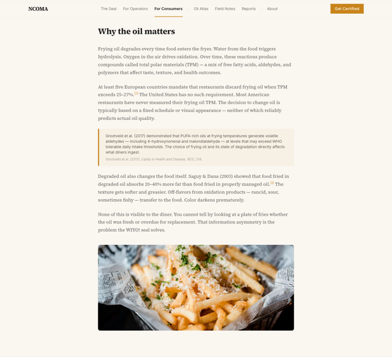 | Why the oil matters | [H2] Why the oil matters [Paragraph] Frying oil degrades every time food enters the fryer. Water from the food triggers hydrolysis. Oxygen in the air drives oxidation. Over time, these reactions produce compounds called total polar materials (TPM) — a mix of free fatty acids, aldehydes, and polymers that affect taste, texture, and health outcomes. [Paragraph] At least five European countries mandate that restaurants discard frying oil when TPM exceeds 25–27%. [ 1 ] The United States has no such requirement. Most American restaurants have never measured their frying oil TPM. The decision to change oil is typically based on a fixed schedule or visual appearance — neither of which reliably predicts actual oil quality. [Paragraph] Grootveld et al. (2017) demonstrated that PUFA-rich oils at frying temperatures generate volatile aldehydes — including 4-hydroxynonenal and malondialdehyde — at levels that may exceed WHO tolerable daily intake thresholds. The choice of frying oil and its state of degradation directly affects what diners ingest. [Paragraph] Grootveld et al. (2017), Lipids in Health and Disease, 16(1), 214. [Paragraph] Degraded oil also changes the food itself. Saguy & Dana (2003) showed that food fried in degraded oil absorbs 20–40% more fat than food fried in properly managed oil. [ 2 ] The texture gets softer and greasier. Off-flavors from oxidation products — rancid, sour, sometimes fishy — transfer to the food. Color darkens prematurely. [Paragraph] None of this is visible to the diner. You cannot tell by looking at a plate of fries whether the oil was fresh or overdue for replacement. That information asymmetry is the problem the WIYO! seal solves. |  |  |  | Awaiting review
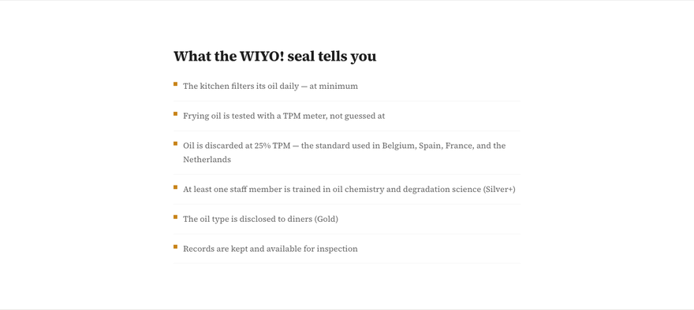 | What the WIYO! seal tells you | [H2] What the WIYO! seal tells you [Paragraph] The kitchen filters its oil daily — at minimum [Paragraph] Frying oil is tested with a TPM meter, not guessed at [Paragraph] Oil is discarded at 25% TPM — the standard used in Belgium, Spain, France, and the Netherlands [Paragraph] At least one staff member is trained in oil chemistry and degradation science (Silver+) [Paragraph] The oil type is disclosed to diners (Gold) [Paragraph] Records are kept and available for inspection |  |  |  | Awaiting review
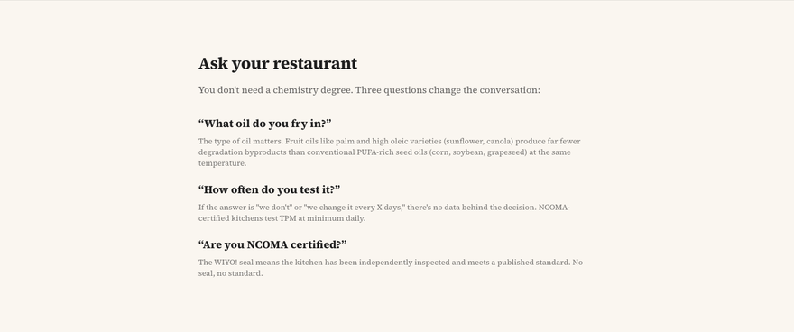 | Ask your restaurant | [H2] Ask your restaurant [Paragraph] You don't need a chemistry degree. Three questions change the conversation: [Paragraph] “ What oil do you fry in? ” [Paragraph] The type of oil matters. Fruit oils like palm and high oleic varieties (sunflower, canola) produce far fewer degradation byproducts than conventional PUFA-rich seed oils (corn, soybean, grapeseed) at the same temperature. [Paragraph] “ How often do you test it? ” [Paragraph] If the answer is "we don't" or "we change it every X days," there's no data behind the decision. NCOMA-certified kitchens test TPM at minimum daily. [Paragraph] “ Are you NCOMA certified? ” [Paragraph] The WIYO! seal means the kitchen has been independently inspected and meets a published standard. No seal, no standard. |  |  |  | Awaiting review
 | Find certified restaurants | [H2] Find certified restaurants [Paragraph] Search the NCOMA directory to find restaurants near you that manage their oil to a real standard. [Link/CTA] Search the Directory |  |  |  | Awaiting review
 | References | [H3] References [List item] Germany 27% TPM (mandatory), Belgium/Netherlands/Spain/France 25% TPM (mandatory). Source: NCOMA Certified Cooking Oil Management Guide, Table 7.1. [List item] Saguy, I. S., & Dana, D. (2003). Minimizing oil uptake during deep-fat frying. Journal of Food Engineering, 56(2–3), 143–152. |  |  |  | Awaiting review
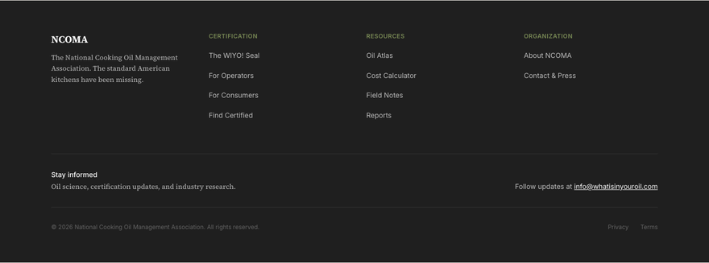 | Footer | [Paragraph] NCOMA [Paragraph] The National Cooking Oil Management Association. The standard American kitchens have been missing. [Paragraph] Certification [List item] The WIYO! Seal [List item] For Operators [List item] For Consumers [List item] Find Certified [Paragraph] Resources [List item] Oil Atlas [List item] Cost Calculator [List item] Field Notes [List item] Reports [Paragraph] Organization [List item] About NCOMA [List item] Contact & Press [Paragraph] Stay informed [Paragraph] Oil science, certification updates, and industry research. [Paragraph] Follow updates at info@whatisinyouroil.com [Paragraph] © 2026 National Cooking Oil Management Association. All rights reserved. |  |  |  | Awaiting review

About NCOMA
About NCOMA
/about | https://www.whatisinyouroil.com/about | 2026-05-26 13:25 | 8 sections
Open live page

Section preview | Section | Current copy | Suggested edit | Edit type | Proposed by | Approval | Approved by | Notes
 | SEO - Title & meta | [Page <title>] About NCOMA | NCOMA [Meta description] The first industry-built certification for cooking oil management in American commercial kitchens. Know your oil. |  |  |  | Awaiting review
 | Navigation | [Link/CTA] NCOMA [Link/CTA] The Seal [Link/CTA] For Operators [Link/CTA] For Consumers [Link/CTA] Oil Atlas [Link/CTA] Field Notes [Link/CTA] Reports [Link/CTA] About [Link/CTA] Get Certified |  |  |  | Awaiting review
 | We built the standard the industry never had. | [Paragraph] About [H1] We built the standard the industry never had. |  |  |  | Awaiting review
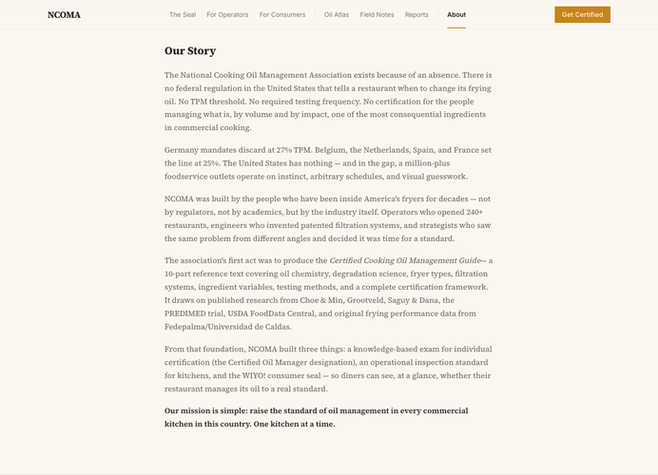 | Our Story | [H2] Our Story [Paragraph] The National Cooking Oil Management Association exists because of an absence. There is no federal regulation in the United States that tells a restaurant when to change its frying oil. No TPM threshold. No required testing frequency. No certification for the people managing what is, by volume and by impact, one of the most consequential ingredients in commercial cooking. [Paragraph] Germany mandates discard at 27% TPM. Belgium, the Netherlands, Spain, and France set the line at 25%. The United States has nothing — and in the gap, a million-plus foodservice outlets operate on instinct, arbitrary schedules, and visual guesswork. [Paragraph] NCOMA was built by the people who have been inside America's fryers for decades — not by regulators, not by academics, but by the industry itself. Operators who opened 240+ restaurants, engineers who invented patented filtration systems, and strategists who saw the same problem from different angles and decided it was time for a standard. [Paragraph] The association's first act was to produce the Certified Cooking Oil Management Guide — a 10-part reference text covering oil chemistry, degradation science, fryer types, filtration systems, ingredient variables, testing methods, and a complete certification framework. It draws on published research from Choe & Min, Grootveld, Saguy & Dana, the PREDIMED trial, USDA FoodData Central, and original frying performance data from Fedepalma/Universidad de Caldas. [Paragraph] From that foundation, NCOMA built three things: a knowledge-based exam for individual certification (the Certified Oil Manager designation), an operational inspection standard for kitchens, and the WIYO! consumer seal — so diners can see, at a glance, whether their restaurant manages its oil to a real standard. [Paragraph] Our mission is simple: raise the standard of oil management in every commercial kitchen in this country. One kitchen at a time. |  |  |  | Awaiting review
 | Mission | [H2] Mission [Pull quote] The National Cooking Oil Management Association exists to establish what no federal regulation currently requires: a rigorous, knowledge-based standard for how cooking oil is selected, managed, tested, and replaced in American commercial kitchens. [Paragraph] We believe that better-managed oil means better food and safer kitchens. The NCOMA Certified Oil Manager designation is how we get there — one kitchen at a time. |  |  |  | Awaiting review
 | Leadership | [H2] Leadership [Paragraph] Matt McMahon [Paragraph] President & Co-Founder [Paragraph] NCOMA [Paragraph] Former President of McMahon Restaurant Group, where he opened 24 Outback Steakhouses across Arizona and New Mexico, reaching $72M+ in annual sales. Supervised 94 restaurants in 16 states and opened over 240 locations in 8 years. Developed Bulk Oil Management Solutions that saved over 100,000 lbs of oil waste. Now leads NCOMA's mission to bring science-based oil management to every commercial kitchen in America. [Link/CTA] LinkedIn → [Paragraph] Conrad Canter [Paragraph] Co-Founder & Technical Director [Paragraph] SK Oil Sales / Zeco [Paragraph] Inventor of the Zeco Oil Filtration Machine — a patented closed-loop system that microfilters cooking oil down to 0.5 microns, removing 99% of free radicals and contaminants. Over 50 years of business experience spanning commercial printing, filtration engineering, and foodservice. As Managing Partner of SK Oil Sales, delivers filtration and bulk oil systems to hundreds of restaurants and casinos across Arizona, California, Nevada, and New Mexico. [Paragraph] Pablo Herrera [Paragraph] Founder, The Oil Insurgency [Paragraph] Built the Oil Atlas, designed the certification framework, and launched The Oil Insurgency — the campaign to force transparency into every commercial fryer in America. Previously del Llano Farms. Won't stop asking the questions the oil industry would rather you didn't. |  |  |  | Awaiting review
 | Contact | [H2] Contact [Paragraph] General inquiries: info@whatisinyouroil.com [Paragraph] Certification: certification@whatisinyouroil.com [Paragraph] Media & press: press@whatisinyouroil.com |  |  |  | Awaiting review
 | Footer | [Paragraph] NCOMA [Paragraph] The National Cooking Oil Management Association. The standard American kitchens have been missing. [Paragraph] Certification [List item] The WIYO! Seal [List item] For Operators [List item] For Consumers [List item] Find Certified [Paragraph] Resources [List item] Oil Atlas [List item] Cost Calculator [List item] Field Notes [List item] Reports [Paragraph] Organization [List item] About NCOMA [List item] Contact & Press [Paragraph] Stay informed [Paragraph] Oil science, certification updates, and industry research. [Paragraph] Follow updates at info@whatisinyouroil.com [Paragraph] © 2026 National Cooking Oil Management Association. All rights reserved. |  |  |  | Awaiting review

Contact
Contact
/contact | https://www.whatisinyouroil.com/contact | 2026-05-26 13:25 | 6 sections
Open live page

Section preview | Section | Current copy | Suggested edit | Edit type | Proposed by | Approval | Approved by | Notes
 | SEO - Title & meta | [Page <title>] NCOMA — National Cooking Oil Management Association [Meta description] The first industry-built certification for cooking oil management in American commercial kitchens. Know your oil. |  |  |  | Awaiting review
 | Navigation | [Link/CTA] NCOMA [Link/CTA] The Seal [Link/CTA] For Operators [Link/CTA] For Consumers [Link/CTA] Oil Atlas [Link/CTA] Field Notes [Link/CTA] Reports [Link/CTA] About [Link/CTA] Get Certified |  |  |  | Awaiting review
 | Get in touch | [Paragraph] Contact & Press [H1] Get in touch |  |  |  | Awaiting review
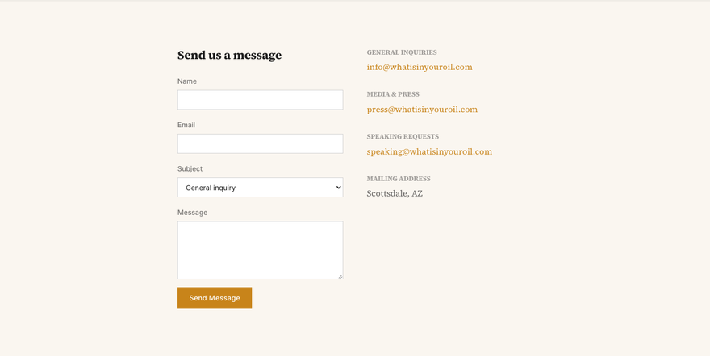 | Send us a message | [H2] Send us a message [Label] Name [Label] Email [Label] Subject [Label] Message [Button] Send Message [H3] General Inquiries [Paragraph] info@whatisinyouroil.com [H3] Media & Press [Paragraph] press@whatisinyouroil.com [H3] Speaking Requests [Paragraph] speaking@whatisinyouroil.com [H3] Mailing Address [Paragraph] Scottsdale, AZ |  |  |  | Awaiting review
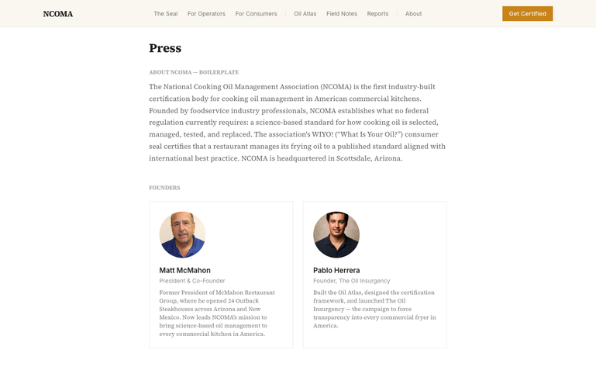 | Press | [H2] Press [H3] About NCOMA — Boilerplate [Paragraph] The National Cooking Oil Management Association (NCOMA) is the first industry-built certification body for cooking oil management in American commercial kitchens. Founded by foodservice industry professionals, NCOMA establishes what no federal regulation currently requires: a science-based standard for how cooking oil is selected, managed, tested, and replaced. The association's WIYO! (“What Is Your Oil?”) consumer seal certifies that a restaurant manages its frying oil to a published standard aligned with international best practice. NCOMA is headquartered in Scottsdale, Arizona. [H3] Founders [Paragraph] Matt McMahon [Paragraph] President & Co-Founder [Paragraph] Former President of McMahon Restaurant Group, where he opened 24 Outback Steakhouses across Arizona and New Mexico. Now leads NCOMA’s mission to bring science-based oil management to every commercial kitchen in America. [Paragraph] Pablo Herrera [Paragraph] Founder, The Oil Insurgency [Paragraph] Built the Oil Atlas, designed the certification framework, and launched The Oil Insurgency — the campaign to force transparency into every commercial fryer in America. |  |  |  | Awaiting review
 | Footer | [Paragraph] NCOMA [Paragraph] The National Cooking Oil Management Association. The standard American kitchens have been missing. [Paragraph] Certification [List item] The WIYO! Seal [List item] For Operators [List item] For Consumers [List item] Find Certified [Paragraph] Resources [List item] Oil Atlas [List item] Cost Calculator [List item] Field Notes [List item] Reports [Paragraph] Organization [List item] About NCOMA [List item] Contact & Press [Paragraph] Stay informed [Paragraph] Oil science, certification updates, and industry research. [Paragraph] Follow updates at info@whatisinyouroil.com [Paragraph] © 2026 National Cooking Oil Management Association. All rights reserved. |  |  |  | Awaiting review

Find Certified
Find Certified
/find | https://www.whatisinyouroil.com/find | 2026-05-26 13:26 | 5 sections
Open live page

Section preview | Section | Current copy | Suggested edit | Edit type | Proposed by | Approval | Approved by | Notes
 | SEO - Title & meta | [Page <title>] NCOMA — National Cooking Oil Management Association [Meta description] The first industry-built certification for cooking oil management in American commercial kitchens. Know your oil. |  |  |  | Awaiting review
 | Navigation | [Link/CTA] NCOMA [Link/CTA] The Seal [Link/CTA] For Operators [Link/CTA] For Consumers [Link/CTA] Oil Atlas [Link/CTA] Field Notes [Link/CTA] Reports [Link/CTA] About [Link/CTA] Get Certified |  |  |  | Awaiting review
 | Certified restaurant directory | [Paragraph] Find Certified [H1] Certified restaurant directory [Paragraph] Every restaurant listed here has been inspected by NCOMA and meets the published standard for cooking oil management. Search by name, location, or oil type. |  |  |  | Awaiting review
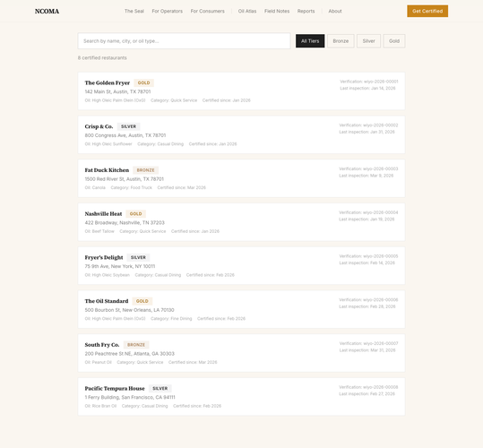 | Search results | [Button] All Tiers [Button] Bronze [Button] Silver [Button] Gold [H2] Search results [H3] The Golden Fryer [Paragraph] 142 Main St, Austin, TX 78701 [Paragraph] Verification: wiyo-2026-00001 [Paragraph] Last inspection: Jan 14, 2026 [H3] Crisp & Co. [Paragraph] 800 Congress Ave, Austin, TX 78701 [Paragraph] Verification: wiyo-2026-00002 [Paragraph] Last inspection: Jan 31, 2026 [H3] Fat Duck Kitchen [Paragraph] 1500 Red River St, Austin, TX 78701 [Paragraph] Verification: wiyo-2026-00003 [Paragraph] Last inspection: Mar 9, 2026 [H3] Nashville Heat [Paragraph] 422 Broadway, Nashville, TN 37203 [Paragraph] Verification: wiyo-2026-00004 [Paragraph] Last inspection: Jan 19, 2026 [H3] Fryer's Delight [Paragraph] 75 9th Ave, New York, NY 10011 [Paragraph] Verification: wiyo-2026-00005 [Paragraph] Last inspection: Feb 14, 2026 [H3] The Oil Standard [Paragraph] 500 Bourbon St, New Orleans, LA 70130 [Paragraph] Verification: wiyo-2026-00006 [Paragraph] Last inspection: Feb 28, 2026 [H3] South Fry Co. [Paragraph] 200 Peachtree St NE, Atlanta, GA 30303 [Paragraph] Verification: wiyo-2026-00007 [Paragraph] Last inspection: Mar 31, 2026 [H3] Pacific Tempura House [Paragraph] 1 Ferry Building, San Francisco, CA 94111 [Paragraph] Verification: wiyo-2026-00008 [Paragraph] Last inspection: Feb 27, 2026 |  |  |  | Awaiting review
 | Footer | [Paragraph] NCOMA [Paragraph] The National Cooking Oil Management Association. The standard American kitchens have been missing. [Paragraph] Certification [List item] The WIYO! Seal [List item] For Operators [List item] For Consumers [List item] Find Certified [Paragraph] Resources [List item] Oil Atlas [List item] Cost Calculator [List item] Field Notes [List item] Reports [Paragraph] Organization [List item] About NCOMA [List item] Contact & Press [Paragraph] Stay informed [Paragraph] Oil science, certification updates, and industry research. [Paragraph] Follow updates at info@whatisinyouroil.com [Paragraph] © 2026 National Cooking Oil Management Association. All rights reserved. |  |  |  | Awaiting review

Field Notes Index
Field Notes Index
/field-notes | https://www.whatisinyouroil.com/field-notes | 2026-05-26 13:26 | 5 sections
Open live page

Section preview | Section | Current copy | Suggested edit | Edit type | Proposed by | Approval | Approved by | Notes
 | SEO - Title & meta | [Page <title>] Field Notes | NCOMA [Meta description] The first industry-built certification for cooking oil management in American commercial kitchens. Know your oil. |  |  |  | Awaiting review
 | Navigation | [Link/CTA] NCOMA [Link/CTA] The Seal [Link/CTA] For Operators [Link/CTA] For Consumers [Link/CTA] Oil Atlas [Link/CTA] Field Notes [Link/CTA] Reports [Link/CTA] About [Link/CTA] Get Certified |  |  |  | Awaiting review
 | Science for the kitchen. | [Paragraph] Field Notes [H1] Science for the kitchen. [Paragraph] Oil chemistry, degradation science, filtration, and best practices — written for operators, not academics. |  |  |  | Awaiting review
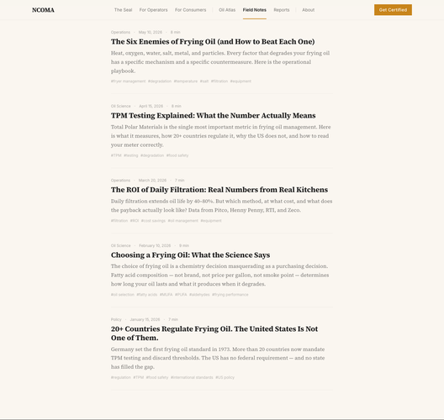 | The Six Enemies of Frying Oil (and How to Beat Each One) | [H2] The Six Enemies of Frying Oil (and How to Beat Each One) [Paragraph] Heat, oxygen, water, salt, metal, and particles. Every factor that degrades your frying oil has a specific mechanism and a specific countermeasure. Here is the operational playbook. [Link/CTA] Operations · May 10, 2026 · 8 min The Six Enemies of Frying Oil (and How to Beat Each One) Heat, oxygen, water, salt, metal, and particles. Every factor that degrades your frying oil has a specific mechanism and a specific countermeasure. Here is the operational playbook. # fryer management # degradation # temperature # salt # filtration # equipment [H2] TPM Testing Explained: What the Number Actually Means [Paragraph] Total Polar Materials is the single most important metric in frying oil management. Here is what it measures, how 20+ countries regulate it, why the US does not, and how to read your meter correctly. [Link/CTA] Oil Science · April 15, 2026 · 8 min TPM Testing Explained: What the Number Actually Means Total Polar Materials is the single most important metric in frying oil management. Here is what it measures, how 20+ countries regulate it, why the US does not, and how to read your meter correctly. # TPM # testing # degradation # food safety [H2] The ROI of Daily Filtration: Real Numbers from Real Kitchens [Paragraph] Daily filtration extends oil life by 40–80%. But which method, at what cost, and what does the payback actually look like? Data from Pitco, Henny Penny, RTI, and Zeco. [Link/CTA] Operations · March 20, 2026 · 7 min The ROI of Daily Filtration: Real Numbers from Real Kitchens Daily filtration extends oil life by 40–80%. But which method, at what cost, and what does the payback actually look like? Data from Pitco, Henny Penny, RTI, and Zeco. # filtration # ROI # cost savings # oil management # equipment [H2] Choosing a Frying Oil: What the Science Says [Paragraph] The choice of frying oil is a chemistry decision masquerading as a purchasing decision. Fatty acid composition — not |  |  |  | Awaiting review
 | Footer | [Paragraph] NCOMA [Paragraph] The National Cooking Oil Management Association. The standard American kitchens have been missing. [Paragraph] Certification [List item] The WIYO! Seal [List item] For Operators [List item] For Consumers [List item] Find Certified [Paragraph] Resources [List item] Oil Atlas [List item] Cost Calculator [List item] Field Notes [List item] Reports [Paragraph] Organization [List item] About NCOMA [List item] Contact & Press [Paragraph] Stay informed [Paragraph] Oil science, certification updates, and industry research. [Paragraph] Follow updates at info@whatisinyouroil.com [Paragraph] © 2026 National Cooking Oil Management Association. All rights reserved. |  |  |  | Awaiting review

Reports Index
Reports Index
/reports | https://www.whatisinyouroil.com/reports | 2026-05-26 13:26 | 5 sections
Open live page

Section preview | Section | Current copy | Suggested edit | Edit type | Proposed by | Approval | Approved by | Notes
 | SEO - Title & meta | [Page <title>] Reports | NCOMA [Meta description] The first industry-built certification for cooking oil management in American commercial kitchens. Know your oil. |  |  |  | Awaiting review
 | Navigation | [Link/CTA] NCOMA [Link/CTA] The Seal [Link/CTA] For Operators [Link/CTA] For Consumers [Link/CTA] Oil Atlas [Link/CTA] Field Notes [Link/CTA] Reports [Link/CTA] About [Link/CTA] Get Certified |  |  |  | Awaiting review
 | Research and industry data. | [Paragraph] Reports [H1] Research and industry data. [Paragraph] Original research on oil management, cost economics, and frying science. Data that makes the case for managed oil. |  |  |  | Awaiting review
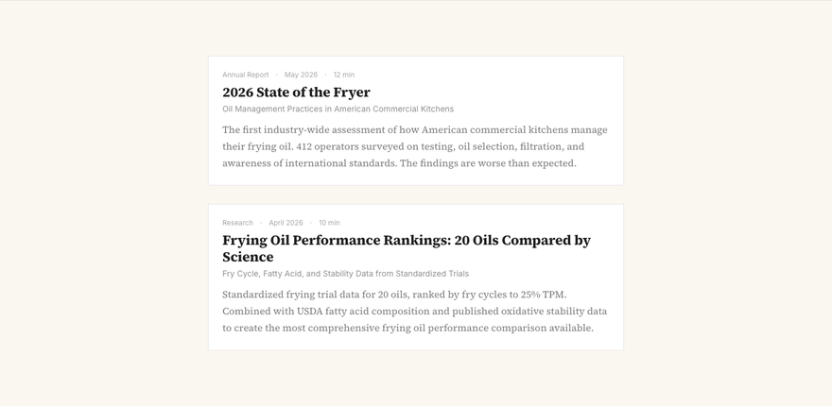 | 2026 State of the Fryer | [H2] 2026 State of the Fryer [Paragraph] Oil Management Practices in American Commercial Kitchens [Paragraph] The first industry-wide assessment of how American commercial kitchens manage their frying oil. 412 operators surveyed on testing, oil selection, filtration, and awareness of international standards. The findings are worse than expected. [Link/CTA] Annual Report · May 2026 · 12 min 2026 State of the Fryer Oil Management Practices in American Commercial Kitchens The first industry-wide assessment of how American commercial kitchens manage their frying oil. 412 operators surveyed on testing, oil selection, filtration, and awareness of international standards. The findings are worse than expected. [H2] Frying Oil Performance Rankings: 20 Oils Compared by Science [Paragraph] Fry Cycle, Fatty Acid, and Stability Data from Standardized Trials [Paragraph] Standardized frying trial data for 20 oils, ranked by fry cycles to 25% TPM. Combined with USDA fatty acid composition and published oxidative stability data to create the most comprehensive frying oil performance comparison available. [Link/CTA] Research · April 2026 · 10 min Frying Oil Performance Rankings: 20 Oils Compared by Science Fry Cycle, Fatty Acid, and Stability Data from Standardized Trials Standardized frying trial data for 20 oils, ranked by fry cycles to 25% TPM. Combined with USDA fatty acid composition and published oxidative stability data to create the most comprehensive frying oil performance comparison available. |  |  |  | Awaiting review
 | Footer | [Paragraph] NCOMA [Paragraph] The National Cooking Oil Management Association. The standard American kitchens have been missing. [Paragraph] Certification [List item] The WIYO! Seal [List item] For Operators [List item] For Consumers [List item] Find Certified [Paragraph] Resources [List item] Oil Atlas [List item] Cost Calculator [List item] Field Notes [List item] Reports [Paragraph] Organization [List item] About NCOMA [List item] Contact & Press [Paragraph] Stay informed [Paragraph] Oil science, certification updates, and industry research. [Paragraph] Follow updates at info@whatisinyouroil.com [Paragraph] © 2026 National Cooking Oil Management Association. All rights reserved. |  |  |  | Awaiting review

Cost Calculator
Cost Calculator
/tools/cost-calculator | https://www.whatisinyouroil.com/tools/cost-calculator | 2026-05-26 13:26 | 5 sections
Open live page

Section preview | Section | Current copy | Suggested edit | Edit type | Proposed by | Approval | Approved by | Notes
 | SEO - Title & meta | [Page <title>] NCOMA — National Cooking Oil Management Association [Meta description] The first industry-built certification for cooking oil management in American commercial kitchens. Know your oil. |  |  |  | Awaiting review
 | Navigation | [Link/CTA] NCOMA [Link/CTA] The Seal [Link/CTA] For Operators [Link/CTA] For Consumers [Link/CTA] Oil Atlas [Link/CTA] Field Notes [Link/CTA] Reports [Link/CTA] About [Link/CTA] Get Certified |  |  |  | Awaiting review
 | Oil cost calculator | [Paragraph] Tools [H1] Oil cost calculator [Paragraph] Enter your actual numbers — what you pay, how much you use, how often you change. See what NCOMA-standard oil management (daily filtration + TPM testing + condition-based discard) saves you. |  |  |  | Awaiting review
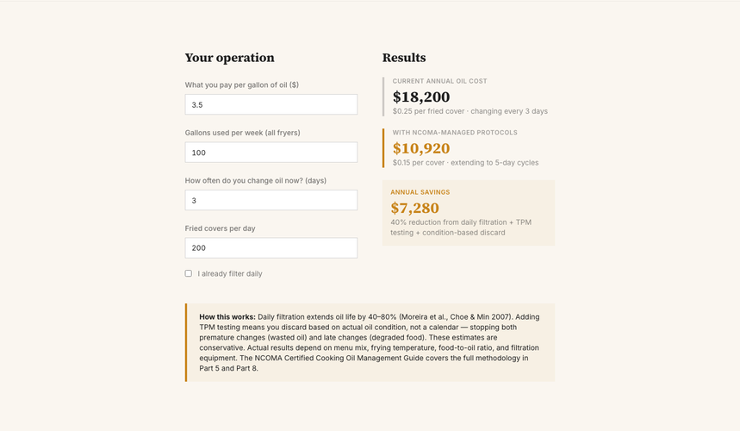 | Your operation | [H2] Your operation [Label] What you pay per gallon of oil ($) [Label] Gallons used per week (all fryers) [Label] How often do you change oil now? (days) [Label] Fried covers per day [Label] I already filter daily [H2] Results [Paragraph] Current annual oil cost [Paragraph] $ 18,200 [Paragraph] $ 0.25 per fried cover · changing every 3 days [Paragraph] With NCOMA-managed protocols [Paragraph] $ 10,920 [Paragraph] $ 0.15 per cover · extending to 5 -day cycles [Paragraph] Annual savings [Paragraph] $ 7,280 [Paragraph] 40 % reduction from daily filtration + TPM testing + condition-based discard [Paragraph] How this works: Daily filtration extends oil life by 40–80% (Moreira et al., Choe & Min 2007). Adding TPM testing means you discard based on actual oil condition, not a calendar — stopping both premature changes (wasted oil) and late changes (degraded food). These estimates are conservative. Actual results depend on menu mix, frying temperature, food-to-oil ratio, and filtration equipment. The NCOMA Certified Cooking Oil Management Guide covers the full methodology in Part 5 and Part 8. |  |  |  | Awaiting review
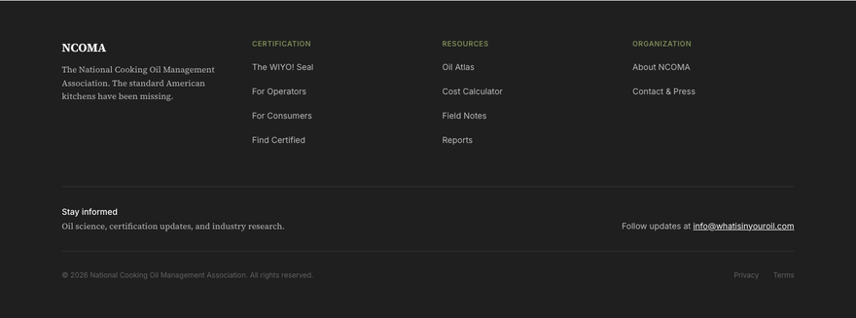 | Footer | [Paragraph] NCOMA [Paragraph] The National Cooking Oil Management Association. The standard American kitchens have been missing. [Paragraph] Certification [List item] The WIYO! Seal [List item] For Operators [List item] For Consumers [List item] Find Certified [Paragraph] Resources [List item] Oil Atlas [List item] Cost Calculator [List item] Field Notes [List item] Reports [Paragraph] Organization [List item] About NCOMA [List item] Contact & Press [Paragraph] Stay informed [Paragraph] Oil science, certification updates, and industry research. [Paragraph] Follow updates at info@whatisinyouroil.com [Paragraph] © 2026 National Cooking Oil Management Association. All rights reserved. |  |  |  | Awaiting review

