Little Math
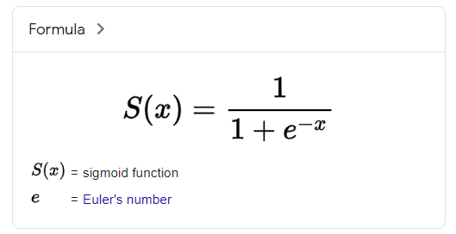
X | Y
-10
-9
-8
-7
-6
-5
-4
-3
-2
-1
0
1
2
3
4
5
6
7
8
9
10

Model Training
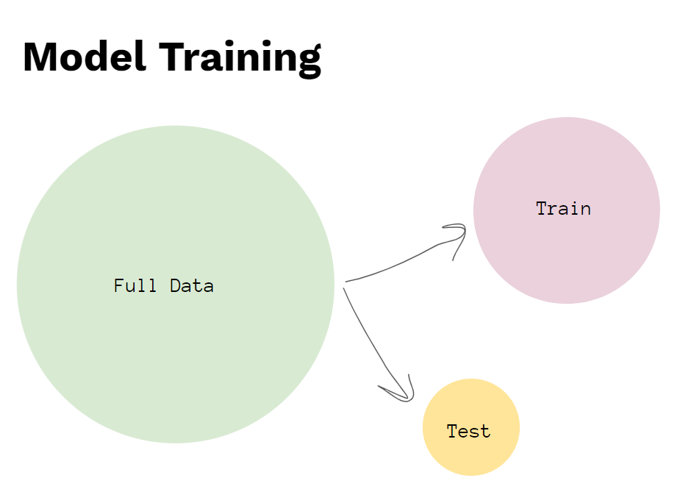

happiness | divorce
10 | 0
8 | 0
9 | 0
7 | 0
8 | 0
5 | 0
9 | 0
6 | 0
8 | 0
7 | 0
1 | 1
1 | 1
3 | 1
1 | 1
4 | 1
5 | 1
6 | 1
3 | 1
2 | 1
0 | 1

