Coherant_sampling
Coherancy sampling calculator Note: This assumes N is to the power of 2. Results correlate with those from: https://www.maximintegrated.com/en/design/tools/calculators/general-engineering/coherent-sampling.cfm Note: The rounding algorithm for "M_round" always rounds up. This is purely to correlate with maxim which seems to round up also. It could just as accurately be rounded down.

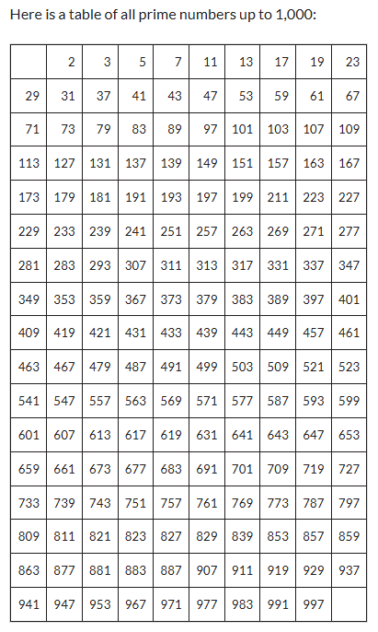

 |  |  |  |  |  |  |  |  | 1.0000 |  |  |  |  |  |  |  | Sampling window (us)
fs (Hz) | Ts (s) | fc (Hz) | Tc (s) | b (bits) | fft_res = fmin (Hz) | fmax (Hz) | N (#) | M (#) | M_round | M_new | fc (MHz) | sig_dig | fc_sig_dig (MHz) | %error | fs (MHz) | fs (Hz) | N*Ts | M_new*(1/fc_sig_dig)
4.000E+07 | 2.500E-08 | 1.000E+06 | 1.000E-06 | 10 | 39063 | 20000000 | 1024 | 25.600 | 26 | 27 | 1.0546875000 | 14 | 1.05468750000000 | 0.000E+00 | 40.0000000000 | 4.000E+07 | 25.600 | 25.6000000000
 |  |  |  |  |  |  |  |  |  | Harmonics (MHz) |  |  | 1054.6875
 |  |  |  |  |  |  |  |  |  | HD2 | 2.10937500
 |  |  |  |  |  |  |  |  |  | HD3 | 3.16406250
 |  |  |  |  |  |  |  |  |  | HD4 | 4.21875000
 |  |  |  |  |  |  |  |  |  | HD5 | 5.27343750
 |  |  |  |  |  |  |  |  |  | HD6 | 6.32812500
 |  |  |  |  |  |  |  |  |  | HD7 | 7.38281250
 |  |  |  |  |  |  |  |  |  | HD8 | 8.43750000
 |  |  |  |  |  |  |  |  |  | HD9 | 9.49218750
 |  |  |  |  |  |  |  |  |  | HD10 | 10.54687500
 |  |  |  |  |  |  |  |  |  | HD11 | 11.60156250
 |  |  |  |  |  |  |  |  | 1.0000
fs (Hz) | Ts (s) | fc (Hz) | Tc (s) | b (bits) | fft_res = fmin (Hz) | fmax (Hz) | N (#) | M (#) | M_round | M_new | fc (MHz) | sig_dig | fc_sig_dig (MHz) | %error | fs (MHz) | fs (Hz) | N*Ts | M_new*(1/fc_sig_dig)
1.000E+08 | 1.000E-08 | 7.000E+05 | 1.429E-06 | 10 | 97656 | 50000000 | 1024 | 7.168 | 8 | 9 | 0.8789062500 | 8 | 0.8789062500 | 0.000E+00 | 100.0000000000 | 1.000E+08 | 10.240 | 10.2400000000
 |  |  |  |  |  |  |  |  |  | Harmonics (MHz)
 |  |  |  |  |  |  |  |  |  | HD2 | 1.75781250
 |  |  |  |  |  |  |  |  |  | HD3 | 2.63671875
 |  |  |  |  |  |  |  |  |  | HD4 | 3.51562500
 |  |  |  |  |  |  |  |  |  | HD5 | 4.39453125
 |  |  |  |  |  |  |  |  |  | HD6 | 5.27343750
 |  |  |  |  |  |  |  |  |  | HD7 | 6.15234375
 |  |  |  |  |  |  |  |  |  | HD8 | 7.03125000
 |  |  |  |  |  |  |  |  |  | HD9 | 7.91015625
 |  |  |  |  |  |  |  |  |  | HD10 | 8.78906250 |  |  | 0.000000025
 |  |  |  |  |  |  |  |  |  | HD11 | 9.66796875 |  |  | 0.025 | 0.0001024
 |  |  |  |  |  |  |  |  |  | IM products
 |  |  |  |  |  |  |  |  |  | IM2_1 | -0.1757812500
 |  |  |  |  |  |  |  |  |  | IM2_2 | 1.9335937500
 |  |  |  |  |  |  |  |  |  | IM3_1 | 1.23046875
 |  |  |  |  |  |  |  |  |  | IM3_2 | 0.703125
 |  |  |  |  |  |  |  |  |  | IM3_3 | 2.98828125
 |  |  |  |  |  |  |  |  |  | IM3_4 | 2.8125
 |  |  |  |  |  |  |  |  |  | IM4_1 | 2.28515625
 |  |  |  |  |  |  |  |  |  | IM4_2 | 1.58203125
 |  |  |  |  |  |  |  |  |  | IM4_3 | 4.04296875
 |  |  |  |  |  |  |  |  |  | IM4_4 | 3.69140625
 |  |  |  |  |  |  |  |  |  | IM5_1 | 1.40625
 |  |  |  |  |  |  |  |  |  | IM5_2 | 0.52734375
 |  |  |  |  |  |  |  |  |  | IM5_3 | 4.921875
 |  |  |  |  |  |  |  |  |  | IM5_4 | 4.74609375
 |  |  |  |  |  |  |  |  |  | Beat freq | -0.1757812500
 |  |  |  |  |  |  |  |  |  | Sum freq | 0.966796875

