Transition_Name_Annot
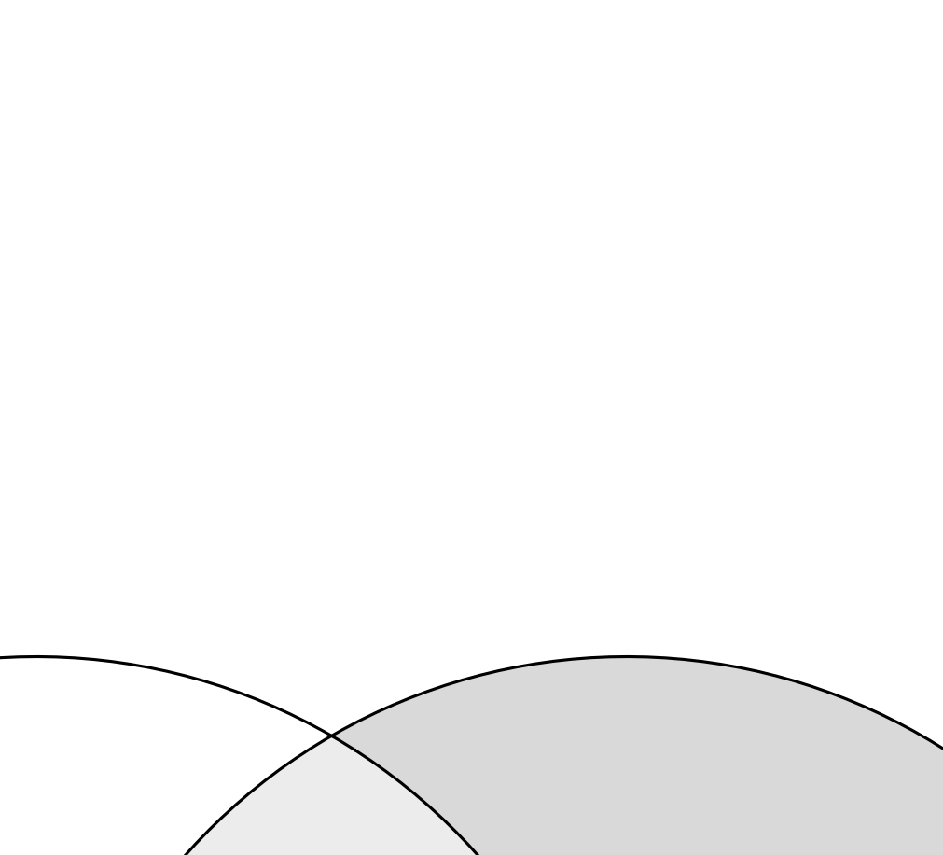
SOURCE_FEATURE_NAME | Transition_Name | Transition_Name_ISTD | QUANTIFIER | VALID_INTEGRATION | RESPONSE_FACTOR | INTERFERING_FEATURE | INTERFERANCE_PROPORTION | REMARKS
Hex2Cer d34:1 d3 (ISTD [M>M-HexAll] | Hex2Cer 34:1 d3 (IS) [M>M-HexAll] | Hex2Cer 34:1 d3 (IS) [M>M-HexAll] | FALSE | TRUE | 1
Hex2Cer d18:1/16:0 d3 (ISTD) [M>SphB] | Hex2Cer 18:1;O2/16:0 d3 (IS) [M>SphB] | Hex2Cer 18:1;O2/16:0 d3 (IS) [M>SphB] | TRUE | TRUE | 1
Hex3Cer d16:1/16:0 [M>SphB] | Hex3Cer 16:1;O2/16:0 [M>SphB] | Hex3Cer 18:1;O2/18:0 d3 (IS) [M>SphB] | TRUE | TRUE | 1
Hex3Cer d16:1/16:0 [M>SphB+H2O] | Hex3Cer 16:1;O2/16:0 [M>SphB+H2O] | Hex3Cer 18:1;O2/18:0 d3 (IS) [M>SphB+H2O] | FALSE | FALSE | 1 |  |  | ND
Hex3Cer d16:1/22:0 [M>SphB] | Hex3Cer 16:1;O2/22:0 [M>SphB] | Hex2Cer 18:1;O2/16:0 d3 (IS) [M>SphB] | TRUE | TRUE | 1
Hex3Cer d16:1/22:0 [M>SphB+H2O] | Hex3Cer 16:1;O2/22:0 [M>SphB+H2O] | Hex3Cer 18:1;O2/18:0 d3 (IS) [M>SphB+H2O] | FALSE | FALSE | 1 |  |  | ND
Hex3Cer d18:1/12:0 [M>SphB] | Hex3Cer 18:1;O2/12:0 [M>SphB] | Hex2Cer 18:1;O2/16:0 d3 (IS) [M>SphB] | TRUE | FALSE | 1 |  |  | ND
Hex3Cer d18:1/12:0 [M>SphB+H2O] | Hex3Cer 18:1;O2/12:0 [M>SphB+H2O] | Hex3Cer 18:1;O2/18:0 d3 (IS) [M>SphB+H2O] | FALSE | FALSE | 1 |  |  | ND
Hex3Cer d18:1/14:0 [M>SphB] | Hex3Cer 18:1;O2/14:0 [M>SphB] | Hex2Cer 18:1;O2/16:0 d3 (IS) [M>SphB] | TRUE | TRUE | 1
Hex3Cer d18:1/14:0 [M>SphB+H2O] | Hex3Cer 18:1;O2/14:0 [M>SphB+H2O] | Hex3Cer 18:1;O2/18:0 d3 (IS) [M>SphB+H2O] | FALSE | FALSE | 1 |  |  | ND
Hex3Cer d18:1/16:0 [M>SphB] | Hex3Cer 18:1;O2/16:0 [M>SphB] | Hex2Cer 18:1;O2/16:0 d3 (IS) [M>SphB] | TRUE | TRUE | 1
Hex3Cer d18:1/16:0 [M>SphB+H2O] | Hex3Cer 18:1;O2/16:0 [M>SphB+H2O] | Hex3Cer 18:1;O2/18:0 d3 (IS) [M>SphB+H2O] | FALSE | TRUE | 1
Hex3Cer d18:1/16:1 [M>SphB] | Hex3Cer 18:1;O2/16:1 [M>SphB] | Hex2Cer 18:1;O2/16:0 d3 (IS) [M>SphB] | TRUE | FALSE | 1 |  |  | ND
Hex3Cer d18:1/16:1 [M>SphB+H2O] | Hex3Cer 18:1;O2/16:1 [M>SphB+H2O] | Hex3Cer 18:1;O2/18:0 d3 (IS) [M>SphB+H2O] | FALSE | FALSE | 1 |  |  | ND
Hex3Cer d18:1/17:0 [M>SphB] | Hex3Cer 18:1;O2/17:0 [M>SphB] | Hex2Cer 18:1;O2/16:0 d3 (IS) [M>SphB] | TRUE | TRUE | 1
Hex3Cer d18:1/17:0 [M>SphB+2HO] | Hex3Cer 18:1;O2/17:0 [M>SphB+2HO] | Hex3Cer 18:1;O2/18:0 d3 (IS) [M>SphB+H2O] | FALSE | TRUE | 1
Hex3Cer d18:1/18:0 [M>SphB] | Hex3Cer 18:1;O2/18:0 [M>SphB] | Hex2Cer 18:1;O2/16:0 d3 (IS) [M>SphB] | TRUE | TRUE | 1
Hex3Cer d18:1/18:0 [M>SphB+H2O] | Hex3Cer 18:1;O2/18:0 [M>SphB+H2O] | Hex3Cer 18:1;O2/18:0 d3 (IS) [M>SphB+H2O] | FALSE | TRUE | 1
Hex3Cer d18:1/18:0 d3 (IS) [M>SphB] | Hex3Cer 18:1;O2/18:0 d3 (IS) [M>SphB] | Hex3Cer 18:1;O2/18:0 d3 (IS) [M>SphB] | TRUE | TRUE | 1
Hex3Cer d18:1/18:0 d3 (IS) [M>SphB+H2O] | Hex3Cer 18:1;O2/18:0 d3 (IS) [M>SphB+H2O] | Hex3Cer 18:1;O2/18:0 d3 (IS) [M>SphB+H2O] | FALSE | TRUE | 1
Hex3Cer d18:1/18:1 [M>SphB] | Hex3Cer 18:1;O2/18:1 [M>SphB] | Hex2Cer 18:1;O2/16:0 d3 (IS) [M>SphB] | TRUE | FALSE | 1 |  |  | ND
Hex3Cer d18:1/18:1 [M>SphB+H2O] | Hex3Cer 18:1;O2/18:1 [M>SphB+H2O] | Hex3Cer 18:1;O2/18:0 d3 (IS) [M>SphB+H2O] | FALSE | FALSE | 1 |  |  | ND
Hex3Cer d18:1/19:0 [M>SphB] | Hex3Cer 18:1;O2/19:0 [M>SphB] | Hex2Cer 18:1;O2/16:0 d3 (IS) [M>SphB] | TRUE | FALSE | 1 |  |  | ND
Hex3Cer d18:1/19:0 [M>SphB+H2O] | Hex3Cer 18:1;O2/19:0 [M>SphB+H2O] | Hex3Cer 18:1;O2/18:0 d3 (IS) [M>SphB+H2O] | FALSE | FALSE | 1 |  |  | ND
Hex3Cer d18:1/20:0 [M>SphB] | Hex3Cer 18:1;O2/20:0 [M>SphB] | Hex2Cer 18:1;O2/16:0 d3 (IS) [M>SphB] | TRUE | TRUE | 1
Hex3Cer d18:1/20:0 [M>SphB+H2O] | Hex3Cer 18:1;O2/20:0 [M>SphB+H2O] | Hex3Cer 18:1;O2/18:0 d3 (IS) [M>SphB+H2O] | FALSE | TRUE | 1
Hex3Cer d18:1/21:0 [M>SphB] | Hex3Cer 18:1;O2/21:0 [M>SphB] | Hex2Cer 18:1;O2/16:0 d3 (IS) [M>SphB] | TRUE | FALSE | 1 |  |  | ND
Hex3Cer d18:1/21:0 [M>SphB+H2O] | Hex3Cer 18:1;O2/21:0 [M>SphB+H2O] | Hex3Cer 18:1;O2/18:0 d3 (IS) [M>SphB+H2O] | FALSE | FALSE | 1 |  |  | ND
Hex3Cer d18:1/22:0 [M>SphB] | Hex3Cer 18:1;O2/22:0 [M>SphB] | Hex2Cer 18:1;O2/16:0 d3 (IS) [M>SphB] | TRUE | TRUE | 1
Hex3Cer d18:1/22:0 [M>SphB+H2O] | Hex3Cer 18:1;O2/22:0 [M>SphB+H2O] | Hex3Cer 18:1;O2/18:0 d3 (IS) [M>SphB+H2O] | FALSE | TRUE | 1
Hex3Cer d18:1/22:1 [M>SphB] | Hex3Cer 18:1;O2/22:1 [M>SphB] | Hex2Cer 18:1;O2/16:0 d3 (IS) [M>SphB] | TRUE | TRUE | 1
Hex3Cer d18:1/22:1 [M>SphB+H2O] | Hex3Cer 18:1;O2/22:1 [M>SphB+H2O] | Hex3Cer 18:1;O2/18:0 d3 (IS) [M>SphB+H2O] | FALSE | FALSE | 1 |  |  | ND
Hex3Cer d18:1/23:0 [M>SphB] | Hex3Cer 18:1;O2/23:0 [M>SphB] | Hex2Cer 18:1;O2/16:0 d3 (IS) [M>SphB] | TRUE | TRUE | 1
Hex3Cer d18:1/23:0 [M>SphB+H2O] | Hex3Cer 18:1;O2/23:0 [M>SphB+H2O] | Hex3Cer 18:1;O2/18:0 d3 (IS) [M>SphB+H2O] | FALSE | TRUE | 1
Hex3Cer d18:1/23:1 [M>SphB] | Hex3Cer 18:1;O2/23:1 [M>SphB] | Hex2Cer 18:1;O2/16:0 d3 (IS) [M>SphB] | TRUE | FALSE | 1 |  |  | ND
Hex3Cer d18:1/23:1 [M>SphB+H2O] | Hex3Cer 18:1;O2/23:1 [M>SphB+H2O] | Hex3Cer 18:1;O2/18:0 d3 (IS) [M>SphB+H2O] | FALSE | FALSE | 1 |  |  | ND
Hex3Cer d18:1/24:0 [M>SphB] | Hex3Cer 18:1;O2/24:0 [M>SphB] | Hex2Cer 18:1;O2/16:0 d3 (IS) [M>SphB] | TRUE | TRUE | 1
Hex3Cer d18:1/24:0 [M>SphB+H2O] | Hex3Cer 18:1;O2/24:0 [M>SphB+H2O] | Hex3Cer 18:1;O2/18:0 d3 (IS) [M>SphB+H2O] | FALSE | TRUE | 1
Hex3Cer d18:1/24:1 [M>SphB] | Hex3Cer 18:1;O2/24:1 [M>SphB] | Hex2Cer 18:1;O2/16:0 d3 (IS) [M>SphB] | TRUE | TRUE | 1
Hex3Cer d18:1/24:1 [M>SphB+H2O] | Hex3Cer 18:1;O2/24:1 [M>SphB+H2O] | Hex3Cer 18:1;O2/18:0 d3 (IS) [M>SphB+H2O] | FALSE | TRUE | 1
Hex3Cer d18:1/24:2 [M>SphB] | Hex3Cer 18:1;O2/24:2 [M>SphB] | Hex2Cer 18:1;O2/16:0 d3 (IS) [M>SphB] | TRUE | TRUE | 1
Hex3Cer d18:1/24:2 [M>SphB+H2O] | Hex3Cer 18:1;O2/24:2 [M>SphB+H2O] | Hex3Cer 18:1;O2/18:0 d3 (IS) [M>SphB+H2O] | FALSE | FALSE | 1 |  |  | ND
Hex3Cer d18:1/25:0 [M>SphB] | Hex3Cer 18:1;O2/25:0 [M>SphB] | Hex2Cer 18:1;O2/16:0 d3 (IS) [M>SphB] | TRUE | FALSE | 1 |  |  | ND
Hex3Cer d18:1/25:0 [M>SphB+H2O] | Hex3Cer 18:1;O2/25:0 [M>SphB+H2O] | Hex3Cer 18:1;O2/18:0 d3 (IS) [M>SphB+H2O] | FALSE | FALSE | 1 |  |  | ND
Hex3Cer d18:1/25:1 [M>SphB] | Hex3Cer 18:1;O2/25:1 [M>SphB] | Hex2Cer 18:1;O2/16:0 d3 (IS) [M>SphB] | TRUE | FALSE | 1 |  |  | ND
Hex3Cer d18:1/25:1 [M>SphB+H2O] | Hex3Cer 18:1;O2/25:1 [M>SphB+H2O] | Hex3Cer 18:1;O2/18:0 d3 (IS) [M>SphB+H2O] | FALSE | FALSE | 1 |  |  | ND
Hex3Cer d18:1/26:0 [M>SphB] | Hex3Cer 18:1;O2/26:0 [M>SphB] | Hex2Cer 18:1;O2/16:0 d3 (IS) [M>SphB] | TRUE | FALSE | 1 |  |  | ND
Hex3Cer d18:1/26:0 [M>SphB+H2O] | Hex3Cer 18:1;O2/26:0 [M>SphB+H2O] | Hex3Cer 18:1;O2/18:0 d3 (IS) [M>SphB+H2O] | FALSE | FALSE | 1 |  |  | ND
Hex3Cer d18:2/16:0 [M>SphB] | Hex3Cer 18:2;O2/16:0 [M>SphB] | Hex2Cer 18:1;O2/16:0 d3 (IS) [M>SphB] | TRUE | TRUE | 1
Hex3Cer d18:2/16:0 [M>SphB+H2O] | Hex3Cer 18:2;O2/16:0 [M>SphB+H2O] | Hex3Cer 18:1;O2/18:0 d3 (IS) [M>SphB+H2O] | FALSE | FALSE | 1 |  |  | ND
Hex3Cer d18:2/18:0 [M>SphB] | Hex3Cer 18:2;O2/18:0 [M>SphB] | Hex2Cer 18:1;O2/16:0 d3 (IS) [M>SphB] | TRUE | FALSE | 1 |  |  | ND
Hex3Cer d18:2/18:0 [M>SphB+H2O] | Hex3Cer 18:2;O2/18:0 [M>SphB+H2O] | Hex3Cer 18:1;O2/18:0 d3 (IS) [M>SphB+H2O] | FALSE | FALSE | 1 |  |  | ND
Hex3Cer d18:2/22:0 [M>SphB] | Hex3Cer 18:2;O2/22:0 [M>SphB] | Hex2Cer 18:1;O2/16:0 d3 (IS) [M>SphB] | TRUE | TRUE | 1
Hex3Cer d18:2/22:0 [M>SphB+H2O] | Hex3Cer 18:2;O2/22:0 [M>SphB+H2O] | Hex3Cer 18:1;O2/18:0 d3 (IS) [M>SphB+H2O] | FALSE | FALSE | 1 |  |  | ND
Hex3Cer d18:2/24:0 [M>SphB] | Hex3Cer 18:2;O2/24:0 [M>SphB] | Hex2Cer 18:1;O2/16:0 d3 (IS) [M>SphB] | TRUE | TRUE | 1
Hex3Cer d18:2/24:0 [M>SphB+H2O] | Hex3Cer 18:2;O2/24:0 [M>SphB+H2O] | Hex3Cer 18:1;O2/18:0 d3 (IS) [M>SphB+H2O] | FALSE | FALSE | 1 |  |  | ND
Hex3Cer d18:2/24:1 [M>SphB] | Hex3Cer 18:2;O2/24:1 [M>SphB] | Hex2Cer 18:1;O2/16:0 d3 (IS) [M>SphB] | TRUE | TRUE | 1
Hex3Cer d18:2/24:1 [M>SphB+H2O] | Hex3Cer 18:2;O2/24:1 [M>SphB+H2O] | Hex3Cer 18:1;O2/18:0 d3 (IS) [M>SphB+H2O] | FALSE | FALSE | 1 |  |  | ND
Hex3Cer d30:1 [M>M-HexAll] | Hex3Cer 30:1;O2 [M>M-HexAll] | Hex3Cer 36:1;O2 d3 (IS) [M>M-HexAll] | FALSE | TRUE | 1
Hex3Cer d32:1 [M>M-HexAll] | Hex3Cer 32:1;O2 [M>M-HexAll] | Hex3Cer 36:1;O2 d3 (IS) [M>M-HexAll] | FALSE | TRUE | 1
Hex3Cer d34:1 [M>M-HexAll] | Hex3Cer 34:1;O2 [M>M-HexAll] | Hex3Cer 36:1;O2 d3 (IS) [M>M-HexAll] | FALSE | TRUE | 1
Hex3Cer d34:2 [M>M-HexAll] | Hex3Cer 34:2;O2 [M>M-HexAll] | Hex3Cer 36:1;O2 d3 (IS) [M>M-HexAll] | FALSE | FALSE | 1 |  |  | ND
Hex3Cer d35:1 [M>M-HexAll] | Hex3Cer 35:1;O2 [M>M-HexAll] | Hex3Cer 36:1;O2 d3 (IS) [M>M-HexAll] | FALSE | TRUE | 1
Hex3Cer d36:1 [M>M-HexAll] | Hex3Cer 36:1;O2 [M>M-HexAll] | Hex3Cer 36:1;O2 d3 (IS) [M>M-HexAll] | FALSE | TRUE | 1
Hex3Cer d36:1 d3 (IS) [M>M-HexAll] | Hex3Cer 36:1;O2 d3 (IS) [M>M-HexAll] | Hex3Cer 36:1;O2 d3 (IS) [M>M-HexAll] | FALSE | TRUE | 1
Hex3Cer d36:2 [M>M-HexAll] | Hex3Cer 36:2;O2 [M>M-HexAll] | Hex3Cer 36:1;O2 d3 (IS) [M>M-HexAll] | FALSE | FALSE | 1 |  |  | ND
Hex3Cer d37:1 [M>M-HexAll] | Hex3Cer 37:1;O2 [M>M-HexAll] | Hex3Cer 36:1;O2 d3 (IS) [M>M-HexAll] | FALSE | TRUE | 1
Hex3Cer d38:1 [M>M-HexAll] | Hex3Cer 38:1;O2 [M>M-HexAll] | Hex3Cer 36:1;O2 d3 (IS) [M>M-HexAll] | FALSE | TRUE | 1
Hex3Cer d39:1 [M>M-HexAll] | Hex3Cer 39:1;O2 [M>M-HexAll] | Hex3Cer 36:1;O2 d3 (IS) [M>M-HexAll] | FALSE | FALSE | 1 |  |  | ND
...

Sample_Annot
...
Assuming the analyte and the selected ISTD have identical response factors, the concentration of an analyte in the sample can be calculated as:
$c_{Analyte}=\frac{{Area}_{Analyte}}{{Area}_{ISTD}}× \frac{V_{ISTD mix}}{Sample Amount } ×c_{ISTD}$
where:
c_{Analyte}: Molar [M or µmol/µL] concentration of the analyte in the sample
Area_{Analyte}: Peak area of Analyte,
Area_{ISTD}: Peak area of ISTD,
V_{ISTD mix}: Extraction solvent volume (ISTD mixture)
Sample_Amount: Quantity of the sample (e.g. µL or mg)
c_{ISTD}: Concentration of the ISTD in the extraction solvent (ISTD mixture)
...

Dilution_Annot
Data_File_Name | Sample_Name | Dilution_Batch_Name | Relative_Sample_Amount_[%] | Injection_Volume_[uL]

Relative Sample Amount in [%] is usually used in the x-axis of the RQC dilution curve.
Injection Volume in [uL] is the amount injected by the autosampler.

