Transition_Name_Annot
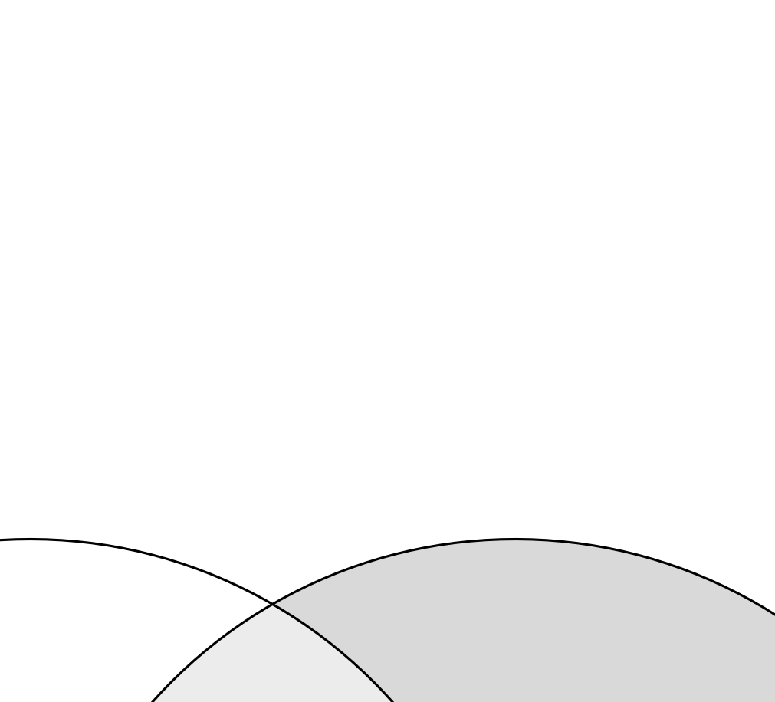
SOURCE_FEATURE_NAME | Transition_Name | Transition_Name_ISTD | QUANTIFIER | VALID_INTEGRATION | RESPONSE_FACTOR | INTERFERING_FEATURE | INTERFERANCE_PROPORTION | REMARKS
Hex2Cer d18:1/16:0 d3 (IS) [M>SphB] | Hex2Cer 18:1;O2/16:0 d3 (IS) [M>SphB] | Hex2Cer 18:1;O2/16:0 d3 (IS) [M>SphB] | TRUE | TRUE | 1
Hex2Cer d34:1 d3 (IS) [M>M-HexAll] | Hex2Cer 34:1;O2 d3 (IS) [M>M-HexAll] | Hex2Cer 34:1;O2 d3 (IS) [M>M-HexAll] | FALSE | TRUE | 1
Hex3Cer d18:1/18:0 d3 (IS) [M>SphB] | Hex3Cer 18:1;O2/18:0 d3 (IS) [M>SphB] | Hex3Cer 18:1;O2/18:0 d3 (IS) [M>SphB] | TRUE | TRUE | 1
Hex3Cer d36:1 d3 (IS) [M>M-HexAll] | Hex3Cer 34:1;O2 d3 (IS) [M>M-HexAll] | Hex3Cer 34:1;O2 d3 (IS) [M>M-HexAll] | FALSE | TRUE | 1
Hex4Cer d18:1/14:0 [M>SphB] | Gb4 18:1;O2/14:0 [M>SphB] | Hex3Cer 18:1;O2/18:0 d3 (IS) [M>SphB] | TRUE | TRUE | 1
Hex4Cer d18:1/16:0 [M>SphB] | Gb4 18:1;O2/16:0 [M>SphB] | Hex3Cer 18:1;O2/18:0 d3 (IS) [M>SphB] | TRUE | TRUE | 1
Hex4Cer d18:1/16:1 [M>SphB] | Gb4 18:1;O2/16:1 [M>SphB] | Hex3Cer 18:1;O2/18:0 d3 (IS) [M>SphB] | TRUE | TRUE | 1
Hex4Cer d18:1/17:0 [M>SphB] | Gb4 18:1;O2/17:0 [M>SphB] | Hex3Cer 18:1;O2/18:0 d3 (IS) [M>SphB] | TRUE | TRUE | 1
Hex4Cer d18:1/18:0 [M>SphB] | Gb4 18:1;O2/18:0 [M>SphB] | Hex3Cer 18:1;O2/18:0 d3 (IS) [M>SphB] | TRUE | FALSE | 1
Hex4Cer d18:1/18:1 [M>SphB] | Gb4 18:1;O2/18:1 [M>SphB] | Hex3Cer 18:1;O2/18:0 d3 (IS) [M>SphB] | TRUE | TRUE | 1
Hex4Cer d18:1/19:0 [M>SphB] | Gb4 18:1;O2/19:0 [M>SphB] | Hex3Cer 18:1;O2/18:0 d3 (IS) [M>SphB] | TRUE | TRUE | 1
Hex4Cer d18:1/20:0 [M>SphB] | Gb4 18:1;O2/20:0 [M>SphB] | Hex3Cer 18:1;O2/18:0 d3 (IS) [M>SphB] | TRUE | TRUE | 1
Hex4Cer d18:1/20:1 [M>SphB] | Gb4 18:1;O2/20:1 [M>SphB] | Hex3Cer 18:1;O2/18:0 d3 (IS) [M>SphB] | TRUE | TRUE | 1
Hex4Cer d18:1/22:0 [M>SphB] | Gb4 18:1;O2/22:0 [M>SphB] | Hex3Cer 18:1;O2/18:0 d3 (IS) [M>SphB] | TRUE | TRUE | 1
Hex4Cer d18:1/22:1 [M>SphB] | Gb4 18:1;O2/22:1 [M>SphB] | Hex3Cer 18:1;O2/18:0 d3 (IS) [M>SphB] | TRUE | TRUE | 1
Hex4Cer d18:1/23:0 [M>SphB] | Gb4 18:1;O2/23:0 [M>SphB] | Hex3Cer 18:1;O2/18:0 d3 (IS) [M>SphB] | TRUE | TRUE | 1
Hex4Cer d18:1/24:0 [M>SphB] | Gb4 18:1;O2/24:0 [M>SphB] | Hex3Cer 18:1;O2/18:0 d3 (IS) [M>SphB] | TRUE | TRUE | 1
Hex4Cer d18:1/24:1 [M>SphB] | Gb4 18:1;O2/24:1 [M>SphB] | Hex3Cer 18:1;O2/18:0 d3 (IS) [M>SphB] | TRUE | TRUE | 1
Hex4Cer d18:1/25:0 [M>SphB] | Gb4 18:1;O2/25:0 [M>SphB] | Hex3Cer 18:1;O2/18:0 d3 (IS) [M>SphB] | TRUE | TRUE | 1
Hex4Cer d18:1/25:1 [M>SphB] | Gb4 18:1;O2/25:1 [M>SphB] | Hex3Cer 18:1;O2/18:0 d3 (IS) [M>SphB] | TRUE | TRUE | 1
Hex4Cer d18:1/26:0 [M>SphB] | Gb4 18:1;O2/26:0 [M>SphB] | Hex3Cer 18:1;O2/18:0 d3 (IS) [M>SphB] | TRUE | TRUE | 1
Hex4Cer d18:2/16:0 [M>SphB] | Gb4 18:2;O2/16:0 [M>SphB] | Hex3Cer 18:1;O2/18:0 d3 (IS) [M>SphB] | TRUE | TRUE | 1
Hex4Cer d18:2/18:0 [M>SphB] | Gb4 18:2;O2/18:0 [M>SphB] | Hex3Cer 18:1;O2/18:0 d3 (IS) [M>SphB] | TRUE | TRUE | 1
Hex4Cer d18:2/22:0 [M>SphB] | Gb4 18:2;O2/22:0 [M>SphB] | Hex3Cer 18:1;O2/18:0 d3 (IS) [M>SphB] | TRUE | TRUE | 1
Hex4Cer d18:2/24:0 [M>SphB] | Gb4 18:2;O2/24:0 [M>SphB] | Hex3Cer 18:1;O2/18:0 d3 (IS) [M>SphB] | TRUE | TRUE | 1
Hex4Cer d18:2/24:1 [M>SphB] | Gb4 18:2;O2/24:1 [M>SphB] | Hex3Cer 18:1;O2/18:0 d3 (IS) [M>SphB] | TRUE | TRUE | 1
Hex4Cer d32:1 [M>M-HexAll] | Gb4 32:1;O2 [M>M-HexAll] | Hex3Cer 34:1;O2 d3 (IS) [M>M-HexAll] | FALSE | TRUE | 1
Hex4Cer d34:1 [M>M-HexAll] | Gb4 34:1;O2 [M>M-HexAll] | Hex3Cer 34:1;O2 d3 (IS) [M>M-HexAll] | FALSE | TRUE | 1
Hex4Cer d34:2 [M>M-HexAll] | Gb4 34:2;O2 [M>M-HexAll] | Hex3Cer 34:1;O2 d3 (IS) [M>M-HexAll] | FALSE | TRUE | 1
Hex4Cer d35:1 [M>M-HexAll] | Gb4 35:1;O2 [M>M-HexAll] | Hex3Cer 34:1;O2 d3 (IS) [M>M-HexAll] | FALSE | TRUE | 1
Hex4Cer d36:1 [M>M-HexAll] | Gb4 36:1;O2 [M>M-HexAll] | Hex3Cer 34:1;O2 d3 (IS) [M>M-HexAll] | FALSE | TRUE | 1
Hex4Cer d36:2 [M>M-HexAll] | Gb4 36:2;O2 [M>M-HexAll] | Hex3Cer 34:1;O2 d3 (IS) [M>M-HexAll] | FALSE | TRUE | 1
Hex4Cer d37:1 [M>M-HexAll] | Gb4 37:1;O2 [M>M-HexAll] | Hex3Cer 34:1;O2 d3 (IS) [M>M-HexAll] | FALSE | TRUE | 1
Hex4Cer d38:1 [M>M-HexAll] | Gb4 38:1;O2 [M>M-HexAll] | Hex3Cer 34:1;O2 d3 (IS) [M>M-HexAll] | FALSE | TRUE | 1
Hex4Cer d38:2 [M>M-HexAll] | Gb4 38:2;O2 [M>M-HexAll] | Hex3Cer 34:1;O2 d3 (IS) [M>M-HexAll] | FALSE | TRUE | 1
Hex4Cer d40:1 [M>M-HexAll] | Gb4 40:1;O2 [M>M-HexAll] | Hex3Cer 34:1;O2 d3 (IS) [M>M-HexAll] | FALSE | TRUE | 1
Hex4Cer d40:2 [M>M-HexAll] | Gb4 40:2;O2 [M>M-HexAll] | Hex3Cer 34:1;O2 d3 (IS) [M>M-HexAll] | FALSE | TRUE | 1
Hex4Cer d41:1 [M>M-HexAll] | Gb4 41:1;O2 [M>M-HexAll] | Hex3Cer 34:1;O2 d3 (IS) [M>M-HexAll] | FALSE | TRUE | 1
Hex4Cer d42:1 [M>M-HexAll] | Gb4 42:1;O2 [M>M-HexAll] | Hex3Cer 34:1;O2 d3 (IS) [M>M-HexAll] | FALSE | TRUE | 1
Hex4Cer d42:2 [M>M-HexAll] | Gb4 42:2;O2 [M>M-HexAll] | Hex3Cer 34:1;O2 d3 (IS) [M>M-HexAll] | FALSE | TRUE | 1
Hex4Cer d42:3 [M>M-HexAll] | Gb4 42:3;O2 [M>M-HexAll] | Hex3Cer 34:1;O2 d3 (IS) [M>M-HexAll] | FALSE | TRUE | 1
Hex4Cer d43:1 [M>M-HexAll] | Gb4 43:1;O2 [M>M-HexAll] | Hex3Cer 34:1;O2 d3 (IS) [M>M-HexAll] | FALSE | TRUE | 1
Hex4Cer d43:2 [M>M-HexAll] | Gb4 43:2;O2 [M>M-HexAll] | Hex3Cer 34:1;O2 d3 (IS) [M>M-HexAll] | FALSE | TRUE | 1
Hex4Cer d44:1 [M>M-HexAll] | Gb4 44:1;O2 [M>M-HexAll] | Hex3Cer 34:1;O2 d3 (IS) [M>M-HexAll] | FALSE | TRUE | 1

Sample_Annot
Data_File_Name | Merge_Status | ANALYSIS_ID | Sample_Name | Sample_Type | Sample_Amount | Sample_Amount_Unit | ISTD_Mixture_Volume_[uL] | REPLICATE | BATCH_ID | SPECIMEN | VALID_ANALYSIS | PANEL_ID | SAMPLE_ID | REMARKS
 |  | 035_FabryP1_QC_E1-4_Gb4 | 035_FabryP1_QC_E1-4_Gb4 | TQC | 1.50E+08 | PLT | 300 | 1 | 1 | PLT |  | Gb4 | TQC1
 |  | 036_FabryP1_QC_E1-4_Gb4 | 036_FabryP1_QC_E1-4_Gb4 | TQC | 1.50E+08 | PLT | 300 | 1 | 1 | PLT |  | Gb4 | TQC2
 |  | 037_FabryP1_S01_F14N_E1-4_Gb4 | 037_FabryP1_S01_F14N_E1-4_Gb4 | SPL | 1.50E+08 | PLT | 300 | 1 | 1 | PLT |  | Gb4 | F14N
 |  | 038_FabryP1_S02_F19S_E1-4_Gb4 | 038_FabryP1_S02_F19S_E1-4_Gb4 | SPL | 1.50E+08 | PLT | 300 | 1 | 1 | PLT |  | Gb4 | F19S
 |  | 039_FabryP1_S03_F25Y_E1-4_Gb4 | 039_FabryP1_S03_F25Y_E1-4_Gb4 | SPL | 1.50E+08 | PLT | 300 | 1 | 1 | PLT |  | Gb4 | F25Y
 |  | 040_FabryP1_S04_F01A_E1-4_Gb4 | 040_FabryP1_S04_F01A_E1-4_Gb4 | SPL | 1.50E+08 | PLT | 300 | 1 | 1 | PLT |  | Gb4 | F01A
 |  | 041_FabryP1_S05_F03C_E1-4_Gb4 | 041_FabryP1_S05_F03C_E1-4_Gb4 | SPL | 1.50E+08 | PLT | 300 | 1 | 1 | PLT |  | Gb4 | F03C
 |  | 042_FabryP1_S06_F07G_E1-4_Gb4 | 042_FabryP1_S06_F07G_E1-4_Gb4 | SPL | 1.50E+08 | PLT | 300 | 1 | 1 | PLT |  | Gb4 | F07G
 |  | 043_FabryP1_QC_E1-4_Gb4 | 043_FabryP1_QC_E1-4_Gb4 | TQC | 1.50E+08 | PLT | 300 | 1 | 1 | PLT |  | Gb4 | TQC3
 |  | 044_FabryP1_S07_F20T_E1-4_Gb4 | 044_FabryP1_S07_F20T_E1-4_Gb4 | SPL | 1.50E+08 | PLT | 300 | 1 | 1 | PLT |  | Gb4 | F20T
 |  | 045_FabryP1_S08_F27A_E1-4_Gb4 | 045_FabryP1_S08_F27A_E1-4_Gb4 | SPL | 1.50E+08 | PLT | 300 | 1 | 1 | PLT |  | Gb4 | F27A
 |  | 046_FabryP1_S09_F29C_E1-4_Gb4 | 046_FabryP1_S09_F29C_E1-4_Gb4 | SPL | 1.50E+08 | PLT | 300 | 1 | 1 | PLT |  | Gb4 | F29C
 |  | 047_FabryP1_S10_F26Z_E1-4_Gb4 | 047_FabryP1_S10_F26Z_E1-4_Gb4 | SPL | 1.50E+08 | PLT | 300 | 1 | 1 | PLT |  | Gb4 | F26Z
 |  | 048_FabryP1_S11_F22V_E1-4_Gb4 | 048_FabryP1_S11_F22V_E1-4_Gb4 | SPL | 1.50E+08 | PLT | 300 | 1 | 1 | PLT |  | Gb4 | F22V
 |  | 049_FabryP1_S12_F13M_E1-4_Gb4 | 049_FabryP1_S12_F13M_E1-4_Gb4 | SPL | 1.50E+08 | PLT | 300 | 1 | 1 | PLT |  | Gb4 | F13M
 |  | 050_FabryP1_QC_E1-4_Gb4 | 050_FabryP1_QC_E1-4_Gb4 | TQC | 1.50E+08 | PLT | 300 | 1 | 1 | PLT |  | Gb4 | TQC4
 |  | 051_FabryP1_S13_F08H_E1-4_Gb4 | 051_FabryP1_S13_F08H_E1-4_Gb4 | SPL | 1.50E+08 | PLT | 300 | 1 | 1 | PLT |  | Gb4 | F08H
 |  | 052_FabryP1_S14_F15O_E1-4_Gb4 | 052_FabryP1_S14_F15O_E1-4_Gb4 | SPL | 1.50E+08 | PLT | 300 | 1 | 1 | PLT |  | Gb4 | F15O
 |  | 053_FabryP1_S15_F23W_E1-4_Gb4 | 053_FabryP1_S15_F23W_E1-4_Gb4 | SPL | 1.50E+08 | PLT | 300 | 1 | 1 | PLT |  | Gb4 | F23W
 |  | 054_FabryP1_S16_F02B_E1-4_Gb4 | 054_FabryP1_S16_F02B_E1-4_Gb4 | SPL | 1.50E+08 | PLT | 300 | 1 | 1 | PLT |  | Gb4 | F02B
 |  | 055_FabryP1_S17_F06F_E1-4_Gb4 | 055_FabryP1_S17_F06F_E1-4_Gb4 | SPL | 1.50E+08 | PLT | 300 | 1 | 1 | PLT |  | Gb4 | F06F
 |  | 056_FabryP1_S18_F04D_E1-4_Gb4 | 056_FabryP1_S18_F04D_E1-4_Gb4 | SPL | 1.50E+08 | PLT | 300 | 1 | 1 | PLT |  | Gb4 | F04D
 |  | 057_FabryP1_QC_E1-4_Gb4 | 057_FabryP1_QC_E1-4_Gb4 | TQC | 1.50E+08 | PLT | 300 | 1 | 1 | PLT |  | Gb4 | TQC5
 |  | 058_FabryP1_S19_F11K_E1-4_Gb4 | 058_FabryP1_S19_F11K_E1-4_Gb4 | SPL | 1.50E+08 | PLT | 300 | 1 | 1 | PLT |  | Gb4 | F11K
 |  | 059_FabryP1_S20_F10J_E1-4_Gb4 | 059_FabryP1_S20_F10J_E1-4_Gb4 | SPL | 1.50E+08 | PLT | 300 | 1 | 1 | PLT |  | Gb4 | F10J
 |  | 060_FabryP1_S21_F18R_E1-4_Gb4 | 060_FabryP1_S21_F18R_E1-4_Gb4 | SPL | 1.50E+08 | PLT | 300 | 1 | 1 | PLT |  | Gb4 | F18R
 |  | 061_FabryP1_S22_F16P_E1-4_Gb4 | 061_FabryP1_S22_F16P_E1-4_Gb4 | SPL | 1.50E+08 | PLT | 300 | 1 | 1 | PLT |  | Gb4 | F16P
Assuming the analyte and the selected ISTD have identical response factors, the concentration of an analyte in the sample can be calculated as:
$c_{Analyte}=\frac{{Area}_{Analyte}}{{Area}_{ISTD}}× \frac{V_{ISTD mix}}{Sample Amount } ×c_{ISTD}$
where:
c_{Analyte}: Molar [M or µmol/µL] concentration of the analyte in the sample
Area_{Analyte}: Peak area of Analyte,
Area_{ISTD}: Peak area of ISTD,
V_{ISTD mix}: Extraction solvent volume (ISTD mixture)
Sample_Amount: Quantity of the sample (e.g. µL or mg)
c_{ISTD}: Concentration of the ISTD in the extraction solvent (ISTD mixture)
 |  | 062_FabryP1_S23_F28B_E1-4_Gb4 | 062_FabryP1_S23_F28B_E1-4_Gb4 | SPL | 1.50E+08 | PLT | 300 | 1 | 1 | PLT |  | Gb4 | F28B
 |  | 063_FabryP1_S24_F17Q_E1-4_Gb4 | 063_FabryP1_S24_F17Q_E1-4_Gb4 | SPL | 1.50E+08 | PLT | 300 | 1 | 1 | PLT |  | Gb4 | F17Q
 |  | 064_FabryP1_QC_E1-4_Gb4 | 064_FabryP1_QC_E1-4_Gb4 | TQC | 1.50E+08 | PLT | 300 | 1 | 1 | PLT |  | Gb4 | TQC6
 |  | 065_FabryP1_S25_F09I_E1-4_Gb4 | 065_FabryP1_S25_F09I_E1-4_Gb4 | SPL | 1.50E+08 | PLT | 300 | 1 | 1 | PLT |  | Gb4 | F09I
 |  | 066_FabryP1_S26_F12L_E1-4_Gb4 | 066_FabryP1_S26_F12L_E1-4_Gb4 | SPL | 1.50E+08 | PLT | 300 | 1 | 1 | PLT |  | Gb4 | F12L
 |  | 067_FabryP1_S27_F05E_E1-4_Gb4 | 067_FabryP1_S27_F05E_E1-4_Gb4 | SPL | 1.50E+08 | PLT | 300 | 1 | 1 | PLT |  | Gb4 | F05E
 |  | 068_FabryP1_S28_F21U_E1-4_Gb4 | 068_FabryP1_S28_F21U_E1-4_Gb4 | SPL | 1.50E+08 | PLT | 300 | 1 | 1 | PLT |  | Gb4 | F21U
 |  | 069_FabryP1_QC_E1-4_Gb4 | 069_FabryP1_QC_E1-4_Gb4 | TQC | 1.50E+08 | PLT | 300 | 1 | 1 | PLT |  | Gb4 | TQC7

Dilution_Annot
Data_File_Name | Sample_Name | Dilution_Batch_Name | Relative_Sample_Amount_[%] | Injection_Volume_[uL]

Relative Sample Amount in [%] is usually used in the x-axis of the RQC dilution curve.
Injection Volume in [uL] is the amount injected by the autosampler.

