Transition_Name_Annot
SOURCE_FEATURE_NAME | Transition_Name | Transition_Name_ISTD | QUANTIFIER | VALID_INTEGRATION | RESPONSE_FACTOR | INTERFERING_FEATURE | INTERFERANCE_PROPORTION | REMARKS
Hex3Cer d16:1/16:0 [M>SphB] | Hex3Cer 16:1;O2/16:0 [M>SphB] | Hex3Cer 18:1;O2/18:0 d3 (IS) [M>SphB] | TRUE | TRUE | 1
Hex3Cer d16:1/16:0 [M>SphB+H2O] | Hex3Cer 16:1;O2/16:0 [M>SphB+H2O] | Hex3Cer 18:1;O2/18:0 d3 (IS) [M>SphB+H2O] | FALSE | TRUE | 1
Hex3Cer d16:1/22:0 [M>SphB] | Hex3Cer 16:1;O2/22:0 [M>SphB] | Hex3Cer 18:1;O2/18:0 d3 (IS) [M>SphB] | TRUE | TRUE | 1
Hex3Cer d16:1/22:0 [M>SphB+H2O] | Hex3Cer 16:1;O2/22:0 [M>SphB+H2O] | Hex3Cer 18:1;O2/18:0 d3 (IS) [M>SphB+H2O] | FALSE | TRUE | 1
Hex3Cer d18:1/12:0 [M>SphB] | Hex3Cer 18:1;O2/12:0 [M>SphB] | Hex3Cer 18:1;O2/18:0 d3 (IS) [M>SphB] | TRUE | TRUE | 1
Hex3Cer d18:1/12:0 [M>SphB+H2O] | Hex3Cer 18:1;O2/12:0 [M>SphB+H2O] | Hex3Cer 18:1;O2/18:0 d3 (IS) [M>SphB+H2O] | FALSE | TRUE | 1
Hex3Cer d18:1/14:0 [M>SphB] | Hex3Cer 18:1;O2/14:0 [M>SphB] | Hex3Cer 18:1;O2/18:0 d3 (IS) [M>SphB] | TRUE | TRUE | 1
Hex3Cer d18:1/14:0 [M>SphB+H2O] | Hex3Cer 18:1;O2/14:0 [M>SphB+H2O] | Hex3Cer 18:1;O2/18:0 d3 (IS) [M>SphB+H2O] | FALSE | TRUE | 1
Hex3Cer d18:1/16:0 [M>SphB] | Hex3Cer 18:1;O2/16:0 [M>SphB] | Hex3Cer 18:1;O2/18:0 d3 (IS) [M>SphB] | TRUE | TRUE | 1
Hex3Cer d18:1/16:0 [M>SphB+H2O] | Hex3Cer 18:1;O2/16:0 [M>SphB+H2O] | Hex3Cer 18:1;O2/18:0 d3 (IS) [M>SphB+H2O] | FALSE | TRUE | 1
Hex3Cer d18:1/16:1 [M>SphB] | Hex3Cer 18:1;O2/16:1 [M>SphB] | Hex3Cer 18:1;O2/18:0 d3 (IS) [M>SphB] | TRUE | TRUE | 1
Hex3Cer d18:1/16:1 [M>SphB+H2O] | Hex3Cer 18:1;O2/16:1 [M>SphB+H2O] | Hex3Cer 18:1;O2/18:0 d3 (IS) [M>SphB+H2O] | FALSE | TRUE | 1
Hex3Cer d18:1/17:0 [M>SphB] | Hex3Cer 18:1;O2/17:0 [M>SphB] | Hex3Cer 18:1;O2/18:0 d3 (IS) [M>SphB] | TRUE | TRUE | 1
Hex3Cer d18:1/17:0 [M>SphB+H2O] | Hex3Cer 18:1;O2/17:0 [M>SphB+H2O] | Hex3Cer 18:1;O2/18:0 d3 (IS) [M>SphB+H2O] | FALSE | TRUE | 1
Hex3Cer d18:1/17:0 iso2 [M>SphB] | Hex3Cer 18:1;O2/17:0 iso2 [M>SphB] | Hex3Cer 18:1;O2/18:0 d3 (IS) [M>SphB] | TRUE | TRUE | 1
Hex3Cer d18:1/18:0 [M>SphB] | Hex3Cer 18:1;O2/18:0 [M>SphB] | Hex3Cer 18:1;O2/18:0 d3 (IS) [M>SphB] | TRUE | TRUE | 1
Hex3Cer d18:1/18:0 [M>SphB+H2O] | Hex3Cer 18:1;O2/18:0 [M>SphB+H2O] | Hex3Cer 18:1;O2/18:0 d3 (IS) [M>SphB+H2O] | FALSE | TRUE | 1
Hex3Cer d18:1/18:0) d3 (IS) [M>SphB] | Hex3Cer 18:1;O2/18:0 d3 (IS) [M>SphB] | Hex3Cer 18:1;O2/18:0 d3 (IS) [M>SphB] | TRUE | TRUE | 1
Hex3Cer d18:1/18:0) d3 (IS) [M>SphB+H2O] | Hex3Cer 18:1;O2/18:0 d3 (IS) [M>SphB+H2O] | Hex3Cer 18:1;O2/18:0 d3 (IS) [M>SphB+H2O] | FALSE | TRUE | 1
Hex3Cer d18:1/18:1 [M>SphB] | Hex3Cer 18:1;O2/18:1 [M>SphB] | Hex3Cer 18:1;O2/18:0 d3 (IS) [M>SphB] | TRUE | TRUE | 1
Hex3Cer d18:1/18:1 [M>SphB+H2O] | Hex3Cer 18:1;O2/18:1 [M>SphB+H2O] | Hex3Cer 18:1;O2/18:0 d3 (IS) [M>SphB+H2O] | FALSE | TRUE | 1
Hex3Cer d18:1/20:0 [M>SphB] | Hex3Cer 18:1;O2/20:0 [M>SphB] | Hex3Cer 18:1;O2/18:0 d3 (IS) [M>SphB] | TRUE | TRUE | 1
Hex3Cer d18:1/20:0 [M>SphB+H2O] | Hex3Cer 18:1;O2/20:0 [M>SphB+H2O] | Hex3Cer 18:1;O2/18:0 d3 (IS) [M>SphB+H2O] | FALSE | TRUE | 1
...
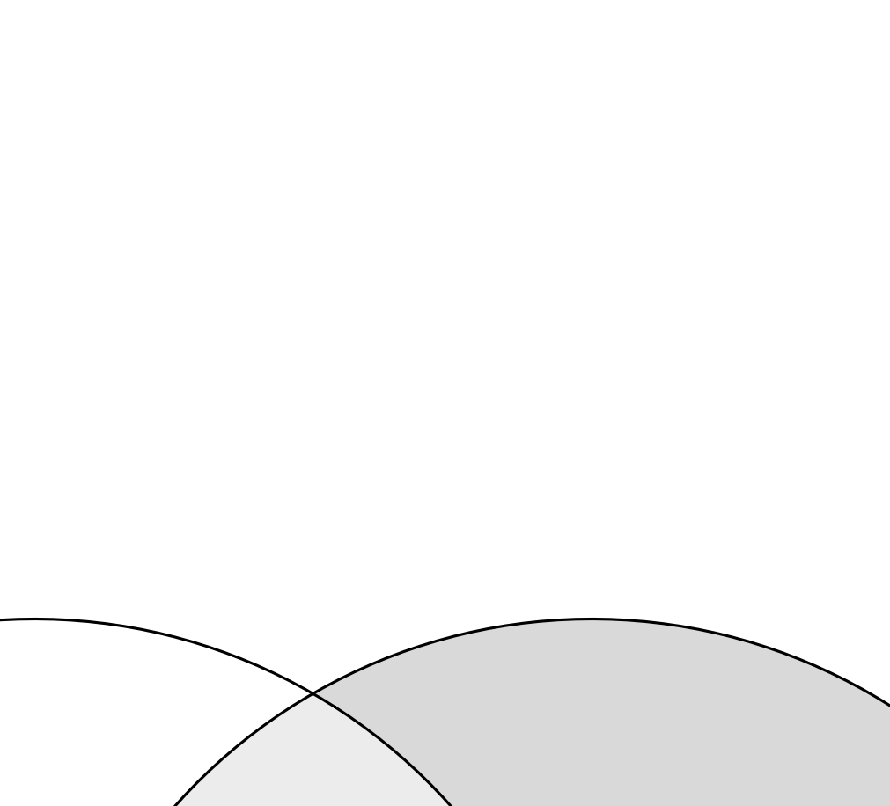
...

Sample_Annot
...
Assuming the analyte and the selected ISTD have identical response factors, the concentration of an analyte in the sample can be calculated as:
$c_{Analyte}=\frac{{Area}_{Analyte}}{{Area}_{ISTD}}× \frac{V_{ISTD mix}}{Sample Amount } ×c_{ISTD}$
where:
c_{Analyte}: Molar [M or µmol/µL] concentration of the analyte in the sample
Area_{Analyte}: Peak area of Analyte,
Area_{ISTD}: Peak area of ISTD,
V_{ISTD mix}: Extraction solvent volume (ISTD mixture)
Sample_Amount: Quantity of the sample (e.g. µL or mg)
c_{ISTD}: Concentration of the ISTD in the extraction solvent (ISTD mixture)
...

Dilution_Annot
Data_File_Name | Sample_Name | Dilution_Batch_Name | Relative_Sample_Amount_[%] | Injection_Volume_[uL]
 | 051_Plasma_TQC1to8_1 | 1 | 12.5
 | 052_Plasma_TQC1to4_1 | 1 | 25
 | 053_Plasma_TQC1to2_1 | 1 | 50
Relative Sample Amount in [%] is usually used in the x-axis of the RQC dilution curve.
Injection Volume in [uL] is the amount injected by the autosampler.
 | 054_Plasma_TQC1to1_1 | 1 | 100
 | 054_Plasma_TQC2to1_1-1uL | 1 | 200
 | 054_Plasma_TQC4to1_1-2uL | 1 | 400
 | 054_Plasma_TQC4to1_1-4uL | 1 | 800

