Figure - Tech Utilization
Figure

Estimate of the Number of University Technologies Transferred to the Private Sector

Year | Disclosures | Worldwide Patent Applications | U.S. Provisional Patent Applications | U.S. Utility Patent Applications | Exclusive Licenses | Options | Non-Exclusive License | Estimated Number of Technologies Licensed Non-Exclusively a | Estimated Number of Technologies Transferred b | Estimated Pct of Technologies Transferred
2013 | 24,048 | 14,987 | 11,626 | 1,531 | 1,764 | 1,356 | 3,410 | 1,137 | 4,257 | 17.70%
2014 | 24,117 | 13,907 | 10,715 | 1,504 | 2,029 | 1,461 | 3,398 | 1,133 | 4,623 | 19.17%
2015 | 25,313 | 15,953 | 11,516 | 1,672 | 2,107 | 1,547 | 4,115 | 1,372 | 5,026 | 19.85%
2016 | 25,825 | 16,487 | 12,114 | 1,391 | 2,063 | 1,438 | 4,201 | 1,400 | 4,901 | 18.98%
2017 | 24,998 | 15,335 | 11,418 | 1,381 | 2,037 | 1,566 | 4,195 | 1,398 | 5,001 | 20.01%
Total | 124,301 | 76,669 | 57,389 | 7,479 | 10,000 | 7,368 | 19,319 | 6,440 | 23,808 | 19.15%

a Assumes one unique technology per three non-exclusive license
b The sum of exclusive licenses, options, and the estimated number of unique technologies licensed non-exclusively.

Year | Estimated Number of Disclosures | Est. No. of Inventions Optioned, Licensed Exclusively, and Licensed Non-exclusively
2013 | 24,048 | 4,257
2014 | 24,117 | 4,623
2015 | 25,313 | 5,026
2016 | 25,825 | 4,901
2017 | 24,998 | 5,001
Total | 124,301 | 23,808

Data source:
Hockstad, D., Mahurin, R., Miner, J., Porter, K. W., Robertson, R., & Savatski, L. (2017). AUTM 2017 licensing activity survey. Oakbrook Terrace, IL: Association of University Technology Managers. Available from http://www.autm.net

Figure - Defining Technology
Figure

The Narrowing Definition of Technology

Knowledge about the natural sciences and useful arts
Distinction between science, technology, and engineering
Instrumental devices that apply scientific knowledge
Patentable inventions and trade secrets
Lay notion of technology
Academic and occupational conceptualizaitons of technology
Ancient cognates of technology
Concepualization of technology in U.S. public policy
Mistranslations, political ambitions, social status concerns, and professional objectives
Limited scientific literacy and historical awareness of the public
Measurement limitations and political expediency

Figure - Conception of Techn
Figure

The Narrowing Conception of Technology

Ancient Greek concept of techne

Modern English concept of technology
Manuscript submissions to scientific journals

Published scientific journal articles
Patentable subject matter

Patent applications

Allowed patents

What civilization considers to be technology has narrowed considerably over time.

Figure - R&D Funding 1967-2019
Fiscal year | Universities and colleges | Table 116. Federal obligations for research and development, by performer: FYs 1967–2019 | Figure
1967 | $1,454 | (Dollars in millions)
1968 | $1,487 |  | Federal Obligations to Universities for Research and Development, 2000-2019
1969 | $1,529 | * indicates preliminary calculation
1970 | $1,476
1971 | $1,645
1972 | $1,904
1973 | $1,917
1974 | $2,214
1975 | $2,411
1976 | $2,552
1977 | $2,906
1978 | $3,375
1979 | $3,889
1980 | $4,263
1981 | $4,466
1982 | $4,606
1983 | $4,966
1984 | $5,547
1985 | $6,340
1986 | $6,559
1987 | $7,337
1988 | $7,828
1989 | $8,672
1990 | $9,138
1991 | $10,169
1992 | $10,271
1993 | $11,208
1994 | $11,797 |  | * indicates preliminary calculation
1995 | $11,928
1996 | $11,978 |  | Figure created by author.
1997 | $12,559
1998 | $13,381 |  | Data source:
1999 | $14,959 |  | National Science Foundation, National Center for Science and Engineering Statistics [NCSES]. (2020). Survey of Federal Funds for Research and Development, Fiscal Years 2018-19. Retrieved May 7, 2020 from http://www.nsf.gov/statistics/fedfunds/
2000 | $16,891
2001 | $20,065
2002 | $21,620
2003 | $23,006
2004 | $24,947
2005 | $25,688
2006 | $24,670
2007 | $25,548
2008 | $26,027
2009 | $31,558
2010 | $31,192
2011 | $27,680
2012 | $27,510
2013 | $25,772
2014 | $27,429
2015 | $27,415
2016 | $28,199
2017 | $28,963
2018 | $31,534
2019* | $33,359

Figure - R&D Funding 1990-2015
Year | Total | Federal Support for University R&D by Agency
1990 | $15,479 | (obligations in billions of constant FY 2017 dollars)
1991 | $16,750
1992 | $17,698 | Includes R&D plant. FY 2009 includes Recovery Act obligations.
1993 | $17,450 | SOURCE: National Science Foundation, Federal Science and Engineering Support to Universities, Colleges, and Nonprofit Institutions survey data series, available at http://www.nsf.gov/statistics/fedsupport/.
1994 | $18,441 | Constant dollar conversions based on OMB's GDP deflators from the FY 2018 budget.
1995 | $18,476
Federal Obligations for University Research and Development
1996 | $18,380
1997 | $19,065
1998 | $20,073
1999 | $22,102
2000 | $24,070
2001 | $26,352
2002 | $28,355
2003 | $29,911
2004 | $30,386
2005 | $30,523
2006 | $29,928
2007 | $29,287
2008 | $29,255
2009 | $36,183
2010 | $34,557
2011 | $30,822
2012 | $29,685
2013 | $27,717
2014 | $28,768
2015 | $27,866

Figure - R&D Funding 1951-2019
Total Federal Obligations for Research and Development
Fiscal year | Total | Table 1. Federal obligations for research and development, by type of R&D, and for R&D plant: FYs 1951–2019
1951 | $1,851,571 | (Dollars in thousands)
1952 | $2,216,848
1953 | $2,167,456
1954 | $1,918,046
1955 | $2,251,894
1956 | $3,266,903
1957 | $4,389,237
1958 | $4,906,015
1959 | $7,122,610
1960 | $8,080,015
1961 | $9,607,023
1962 | $11,069,059
1963 | $13,662,879
1964 | $15,323,870
1965 | $15,745,852
1966 | $16,178,640
1967 | $17,149,186
1968 | $16,525,038
1969 | $16,309,900
1970 | $15,863,385
1971 | $16,153,756
1972 | $17,097,951
1973 | $17,574,486
1974 | $18,176,457
1975 | $19,859,548
1976 | $21,616,382
1977 | $24,817,577
1978 | $27,140,849
1979 | $29,620,597
1980 | $31,386,095
1981 | $34,589,634
1982 | $37,822,363
1983 | $40,009,032
1984 | $44,012,149
1985 | $50,180,369
1986 | $52,951,181
1987 | $57,099,656
1988 | $58,826,512
1989 | $63,571,605
1990 | $65,831,189
1991 | $64,147,951
1992 | $68,577,184
1993 | $70,414,697
1994 | $69,450,776
1995 | $70,442,935
1996 | $69,399,164
1997 | $71,753,430
1998 | $73,913,988
1999 | $77,386,368
2000 | $80,403,169
2001 | $88,562,350
2002 | $98,013,347
2003 | $107,794,188
2004 | $116,068,604
2005 | $122,619,584
2006 | $123,854,731
2007 | $129,431,246
2008 | $129,049,945
2009 | $144,758,103
2010 | $146,967,800
2011 | $139,703,256
2012 | $140,670,243
2013 | $127,625,544
2014 | $132,778,962
2015 | $131,578,341
2016 | $118,273,784
2017 | $121,626,565
2018 | $133,277,540
2019* | $146,076,730

Figure - Stokes Model
Figure

Four-Quandrant Model of Scientific Research

Consideration of Use
Desire for Fundamental Understanding
No Consideration
Use-Driven
Low
High
Pure Basic Research
Use-Inspired
Basic Research
Descriptive Research
Applied Research

Figure - Research Cycle
Figure

Research Cycle

What are the gaps in society's fundamental understanding of the natural and social world?
How can society apply current knowledge about the natural and social world to achieve specific ends?

Curiosity-inspried basic research

Use-inspried basic research
Applied research

What limitations prevent society from successfully applying current knowledge about the natural and social world to achieve specific ends?

Figure - Research Model
Figure

The Relationship Between Research and Societal Benefits

Development
Applied Research
Basic Research
Production and Operations

 | a) Linear model of technological advancement

Culture

Curiosity-driven Basic Research

Fundamental Knowledge
Technology
Production and Operations
Societal Benefits

Use-inspired
Basic Research

Applied Research
Development

 | b) Modified model of technological advancement

Figure - Valley of Death
Figure

The Valley of Death
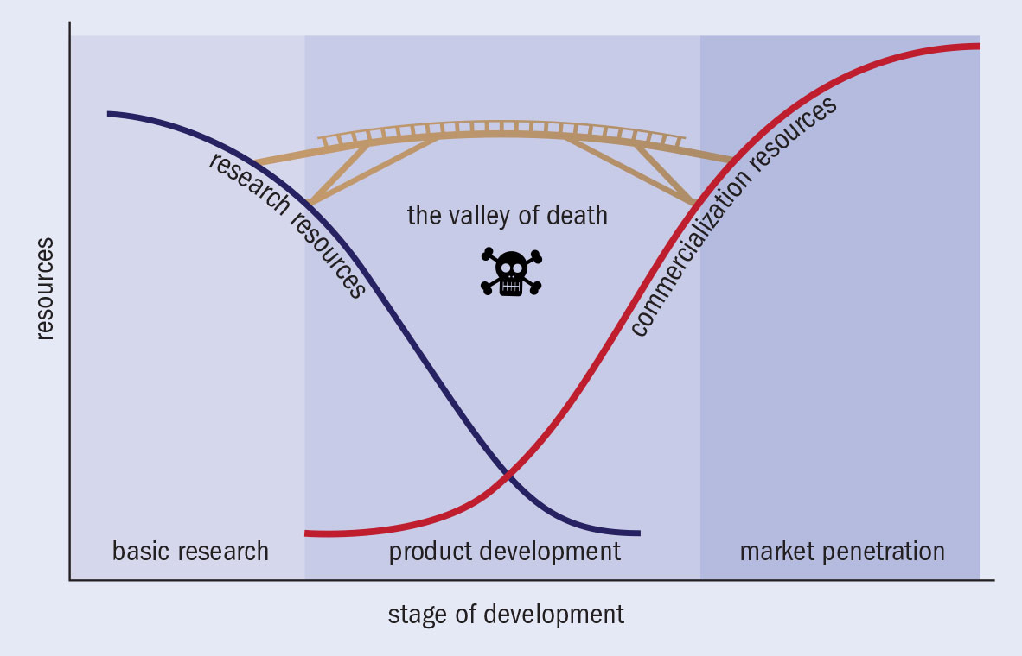

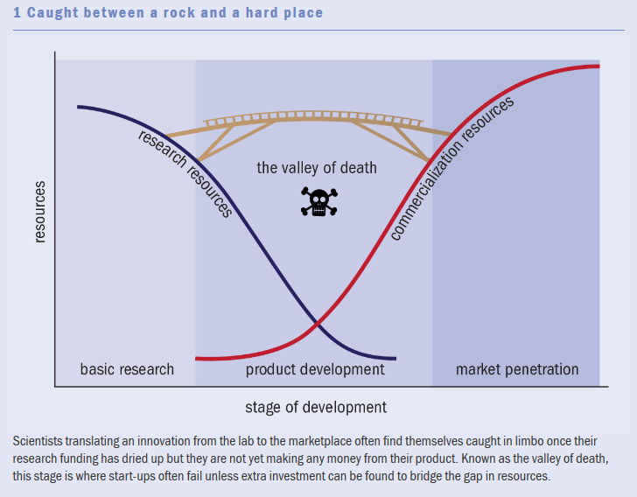

Dacey, J. (2014). Navigating the valley of death. Physics World, 27(11), 29.

Figure - Theory the Org
Figure

Theory of Human Behavior in Organizational Contexts
Environmental Factors
Organizational Factors
Individual Factors

Motivation
Goal Decisions
Options for Action
Action Decisions
Actions
Consequences
Assessment

Decision Premises
Decision Premises
Decision Premises

Communication
Communication
Communication

Figure - Conceptual Framework
Figure

Conceptual Framework
Decision Premise (DP₁):
Technology maturity level must be at least L.
DP₂
DP_{n}
. . .
Uncertainty avoidance
Absorptive capacity
Option for Action: Assimilate a given available technology
Decision of whether to assimilate the technology
Communication
Action necessitated by decision

Figure - Literature Landscape
Figure

Landscape of the Technology Transfer Literature

Study Perspective
Theorectical Framework

Organization Theory

Economic Theory

Supply-Side
Demand-Side

