check
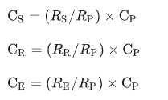
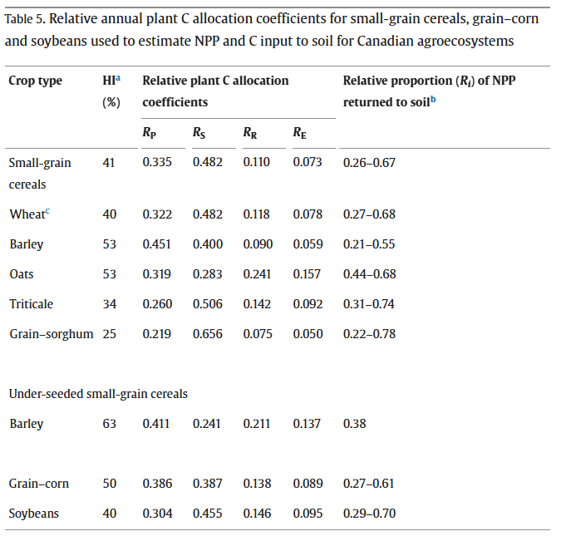
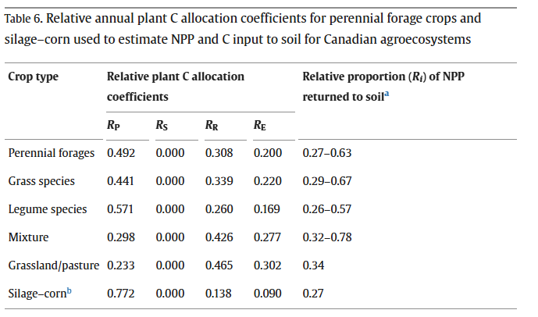
 |  | NIR-factors + rhizodeposition |  |  |  |  |  |  |  |  |  |  | Bolinder et al. (2007)
Source: | CIBUSmod nat. avg. | NIR | NIR | CIBUSmod calc. | NIR |  | Menichetti et al. (2024) |  |  |  |  |  | R_P | R_S | R_R | R_E | S_P | S_S | S_R | S_E | C_P | C_S | C_R | C_E | Ci_P | Ci_S | Ci_R | Ci_E | Ci
 | Hervest | ag_resid | bg_resid | frac_removed | frac_renew | C_frac | rhizodep | ag_C | bg_C | rhizodep_C | total_C
 | kg DM/ha |  |  |  |  |  | of bg biomass | kg C/ha | kg C/ha | kg C/ha | kg C/ha
Wheat, winter | 6,116 | 0.875 | 0.23 | 0.38 | 1.0 | 0.45 | 0.65 | 1,501 | 1,187 | 772 | 3,460 |  | 0.322 | 0.482 | 0.118 | 0.078 | 0 | 0.62 | 1 | 1 | 2,752 | 4,120 | 1,009 | 667 | 0 | 2,568 | 1,009 | 667 | 4,244
Barley, spring | 4,174 | 0.825 | 0.22 | 0.30 | 1.0 | 0.45 | 0.65 | 1,090 | 754 | 490 | 2,334 | 0.67 | 0.451 | 0.400 | 0.090 | 0.059 | 0 | 0.70 | 1 | 1 | 1,878 | 1,666 | 375 | 246 | 0 | 1,171 | 375 | 246 | 1,792 | 0.42
Ley for fodder | 5,379 | 0.25 | 0.54 | 0.00 | 0.2 | 0.45 | 0.65 | 121 | 327 | 1,062 | 1,510 | 0.44 | 0.298 | 0.000 | 0.426 | 0.277 | 0.25 | 0.20 | 0.20 | 1 | 3,026 | 0 | 4,325 | 2,812 | 756 | 0 | 865 | 2,812 | 4,434 | 1.04
Ley for grazing | 4,337 | 0.4 | 0.54 | 0.00 | 0.2 | 0.45 | 0.65 | 156 | 295 | 959 | 1,410 | 0.41 | 0.233 | 0.000 | 0.465 | 0.302 | 0.40 | 0.20 | 0.20 | 1 | 2,732 | 0 | 5,452 | 3,541 | 1,093 | 0 | 1,090 | 3,541 | 5,725 | 1.35
 | 4444.4444444 |  |  |  |  | 0.45 |  |  |  |  |  |  | 0.492 | 0 | 0.308 | 0.2 | 0.76 | 1 | 0.04 | 1 | 3,520 | 0 | 2,204 | 1,431 | 2,675 | 0 | 88 | 1,431 | 4,194

 |  |  |  |  |  |  |  |  |  |  |  |  |  |  |  |  |  |  |  |  |  |  |  |  |  |  |  |  | 0.661017
 |  |  |  |  |  |  |  |  |  |  |  |  |  |  |  |  |  |  |  |  |  |  |  |  |  |  |  |  | 0.39

literature data
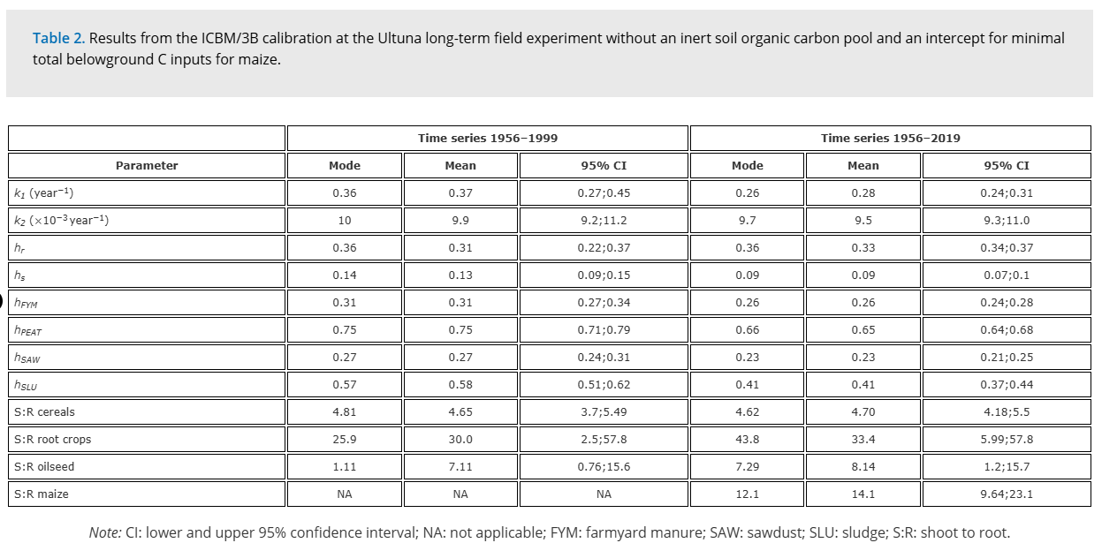
Andrén et al. (2004)

Andrén et al. (2008)
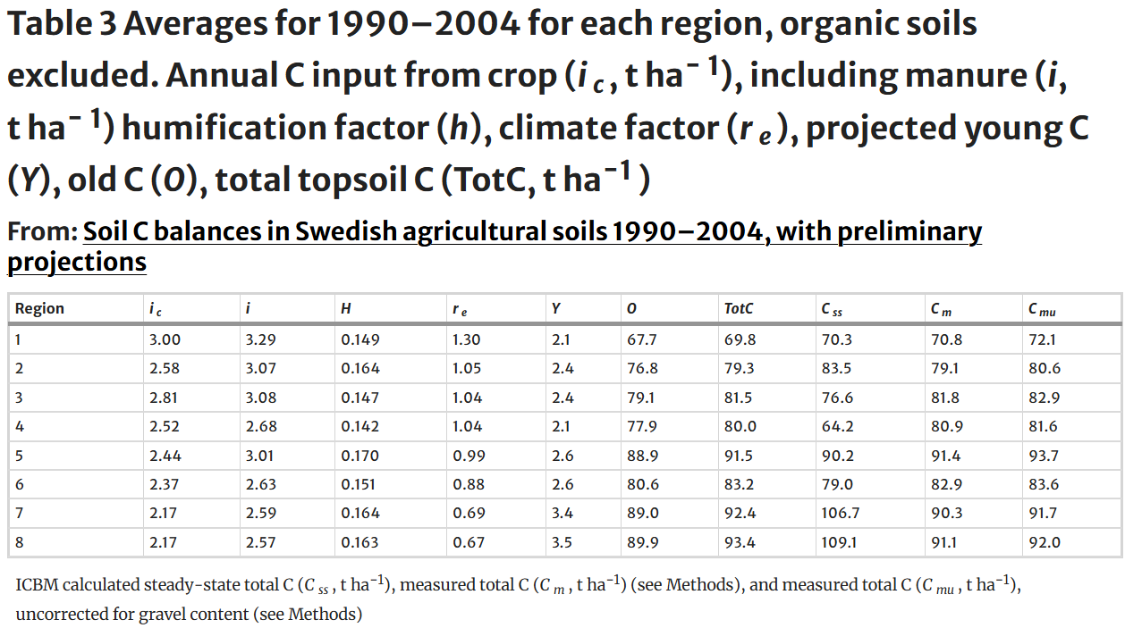

Kätterer et al. (2011)

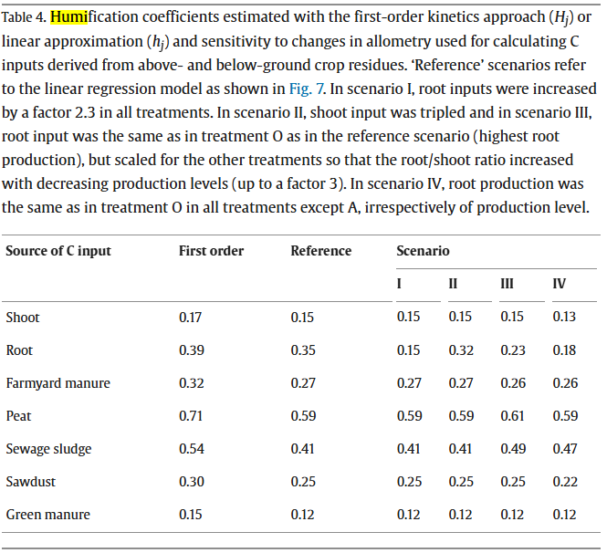

Andrén et al. 2008
Table 3 |  |  |  |  |  |  |  |  |  |  | All texture classes |  | High C soils excluded |  | Area |  | Jordbruksverket 2001
Region | ic | ic+im | h | re | Y | O | TotC | Css | Cm | Cmu | C conc | Bulk dens | C conc | Bulk dens | 1990 | High C | Total åkermark | Slåtter- och betesvall som utnyttjas
 | ton C/ha | ton C/ha | - | - | ton C/ha | ton C/ha | ton C/ha | ton C/ha | ton C/ha | ton C/ha | % | kg/dm3 | % | kg/dm3 | ha | % |  |  | re_reg
1 | 3.00 | 3.29 | 0.149 | 1.30 | 2.1 | 67.7 | 69.8 | 70.3 | 70.8 | 72.1 | 2.2 | 1.41 | 2.0 | 1.42 | 350,346 | 1.8 | 336,286 | 38,161 | 1.33
2 | 2.58 | 3.07 | 0.164 | 1.05 | 2.4 | 76.8 | 79.3 | 83.5 | 79.1 | 80.6 | 3.4 | 1.32 | 2.3 | 1.38 | 326,990 | 6.0 | 321,887 | 107,979 | 1.13
3 | 2.81 | 3.08 | 0.147 | 1.04 | 2.4 | 79.1 | 81.5 | 76.6 | 81.8 | 82.9 | 3.4 | 1.32 | 2.4 | 1.36 | 460,741 | 5.4 | 450,629 | 85,877 | 1.08
4 | 2.52 | 2.68 | 0.142 | 1.04 | 2.1 | 77.9 | 80 | 64.2 | 80.9 | 81.6 | 3.6 | 1.30 | 2.4 | 1.36 | 656,965 | 8.2 | 619,332 | 148,894 | 1.09
5 | 2.44 | 3.01 | 0.170 | 0.99 | 2.6 | 88.9 | 91.5 | 90.2 | 91.4 | 93.7 | 5.0 | 1.22 | 2.8 | 1.3 | 704,538 | 10.7 | 495,731 | 288,509 | 1.12
6 | 2.37 | 2.63 | 0.151 | 0.88 | 2.6 | 80.6 | 83.2 | 79.0 | 82.9 | 83.6 | 3.3 | 1.27 | 2.5 | 1.31 | 208,567 | 5.5 | 195,832 | 90,882 | 0.97
7 | 2.17 | 2.59 | 0.164 | 0.69 | 3.4 | 89 | 92.4 | 106.7 | 90.3 | 91.7 | 3.3 | 1.24 | 2.8 | 1.27 | 170,995 | 5.8 | 157,977 | 99,489 | 0.79
8 | 2.17 | 2.57 | 0.163 | 0.67 | 3.5 | 89.9 | 93.4 | 109.1 | 91.1 | 92 | 4.7 | 1.18 | 2.9 | 1.26 | 131,150 | 11.2 | 116,510 | 69,835 | 0.76

Riket (beräknat) | 2.56 | 2.92 | 0.16 | 1.01 | 2.47 | 80.69 | 83.17 | 80.39 | 83.24 | 84.58 | 3.72 | 1.29 | 2.49 | 1.34 | 3,010,292 | 7.18

 | ky | 0.8
 | ko | 0.006

Menichetti et al. (2024)

