Sheet1
 | SE-160A, Winter, 2017
 | MATLAB Project (#1): Analysis of an Isotropic Homogeneous Thin-Wall Cross-Section

 | Student Name: | Steven Landgraf
 | Student ID: | A10850070

 | Title: | words words words5

 | INPUT ECHO:

 | Skin Segment Definition (xi, yi) and (xj, yj) and thickness (t) - Maximum of 20 segments

 | 3 | Number of segments (20 maximum)

 | Xi (inch) | Yi (inch) | Xj (inch) | Yj (inch) | t (inch)
1 | -1.93 | 2.18 | 0 | 2.18 | 1
2 | 0 | 2.18 | 0 | -2.18 | 1
3 | 0 | -2.18 | 1.93 | -2.18 | 1
4 | 0 | 0 | 0 | 0 | 0
5 | 0 | 0 | 0 | 0 | 0
6 | 0 | 0 | 0 | 0 | 0
7 | 0 | 0 | 0 | 0 | 0
8 | 0 | 0 | 0 | 0 | 0
9 | 0 | 0 | 0 | 0 | 0
10 | 0 | 0 | 0 | 0 | 0
11 | 0 | 0 | 0 | 0 | 0
12 | 0 | 0 | 0 | 0 | 0
13 | 0 | 0 | 0 | 0 | 0
14 | 0 | 0 | 0 | 0 | 0
15 | 0 | 0 | 0 | 0 | 0
16 | 0 | 0 | 0 | 0 | 0
17 | 0 | 0 | 0 | 0 | 0
18 | 0 | 0 | 0 | 0 | 0
19 | 0 | 0 | 0 | 0 | 0
20 | 0 | 0 | 0 | 0 | 0

 | Internal Spar Segment Definition (xi, yi) and (xj, yj) and thickness (t) - Maximum of 5 segments

 | 0 | Number of Internal spar segments (5 maximum)

 | Xi (inch) | Yi (inch) | Xj (inch) | Yj (inch) | t (inch)
1
2
3
4
5

 | Stringer Definition - Centroid location (xi, yi) and section definition (A, Ixx, Iyy, Ixy) - Maximum of 10 stringers

 | 4 | Number of stringers (10 maximum)

 | Xi (inch) | Yi (inch) | A (in2) | Ixx (in4) | Iyy (in4) | Ixy (in4)
1 | -1.93 | 2.18 | 0.23 | 0.01 | 0.05 | 0
2 | 0 | 2.18 | 0.23 | 0.01 | 0.05 | 0
3 | 0 | -2.18 | 0.23 | 0.01 | 0.05 | 0
4 | 1.93 | -2.18 | 0.23 | 0.01 | 0.05 | 0
5 | 0 | 0 | 0 | 0 | 0 | 0
6 | 0 | 0 | 0 | 0 | 0 | 0
7 | 0 | 0 | 0 | 0 | 0 | 0
8 | 0 | 0 | 0 | 0 | 0 | 0
9 | 0 | 0 | 0 | 0 | 0 | 0
10 | 0 | 0 | 0 | 0 | 0 | 0

 | User-Defined New Origin Location (Xo, Yo)

 | Xo (inch) | Yo (inch)
 | 0 | 0

 | OUTPUT:

1.) | Section Properties about Original Axes

 | Variable | Description | Value | Units
 | A | Area | 9.14 | inch2
 | Xc | Centroid | 0 | inch
 | Yc | Centroid | 0 | inch
 | Ixx | Inertia about x | 29.663293333 | inch4
 | Iyy | Inertia about y | 6.7061586667 | inch4
 | Ixy | Product of Inertia | -10.055686 | inch4

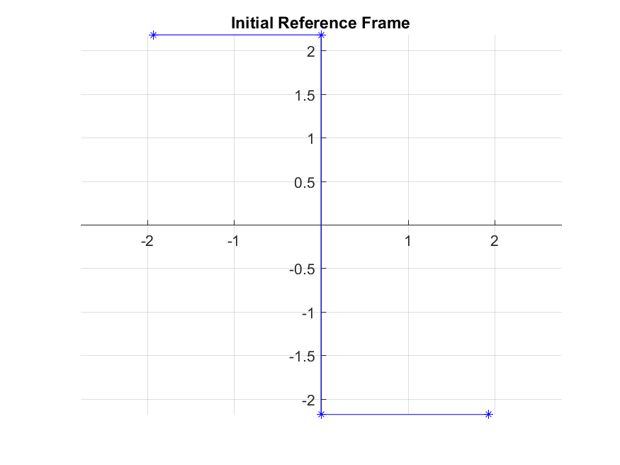
 | Plot of Cross-Section in Initial Coordinate System

2.) | Section Properties about Centroidal Axes

 | Variable | Description | Value | Units
 | Ixxc | Inertia about x | 29.663293333 | inch4
 | Iyyc | Inertia about y | 6.7061586667 | inch4
 | Ixyc | Product of Inertia | -10.055686 | inch4
 | Principal Axes (1-2)
 | a | Principal angle | 20.609830901 | degree | (+ CCW)
 | I11 | Inertia about 1 | 33.444946475 | inch4
 | I22 | Inertia about 2 | 2.9245055246 | inch4
 | I12 | Product of Inertia | -2.6645352591E-15 | inch4
 |  |  |  |  |  | red = principal axes
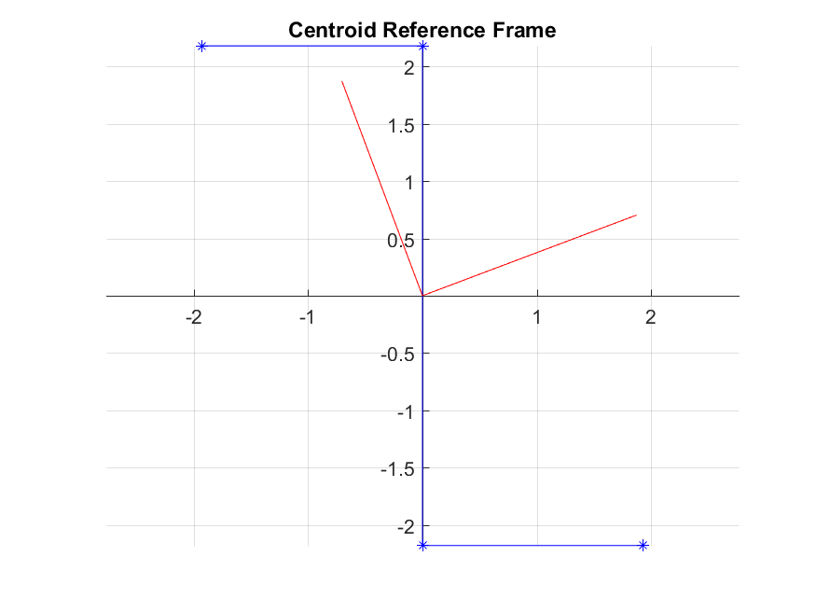
 | Plot of Cross-Section in Principal Coordinate System (1,2)

3.) | Section Properties about User-Defined Location (Xo, Yo)

 | Variable | Description | Value | Units
 | A | Area | 9.14 | inch2
 | Xco | Centroid | 0 | inch
 | Yco | Centroid | 0 | inch
 | Ixxo | Inertia about x | 29.663293333 | inch4
 | Iyyo | Inertia about y | 6.7061586667 | inch4
 | Ixyo | Product of Inertia | -10.055686 | inch4
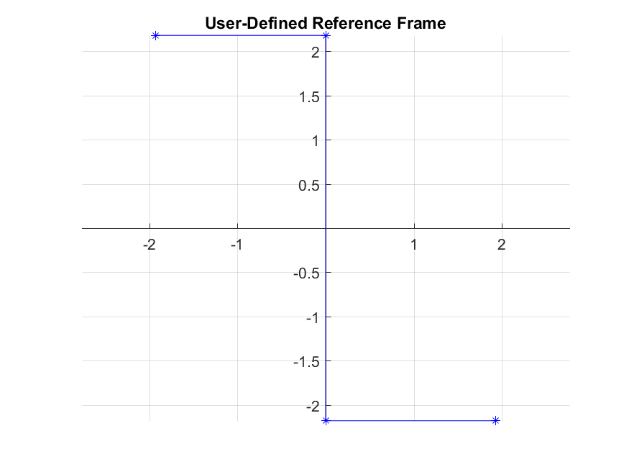

 | Plot of Cross-Section in User-Defined Coordinate System

 | End of Output

