sheet1
SE-160A, Winter 2017
MATLAB Project (#2): Loads - Calculation of Aircraft Weight and CG, V-n Diagram, Maneuvering Loads, and Distributed Loads

Student Name: | Steven Landgraf
Student ID: | A10850070

Title: | Cessna 172x Test Case

INPUT ECHO:

Aircraft Geometry Definition

Description | Wing | Units
Wing (c/4) station | 46 | inch
Wing Area (S) | 174 | ft2
Wing Span (b) | 36 | ft
Wing Chord Root (CR) | 4.83 | ft
Wing Chord Tip (CT) | 4.83 | ft

Horizontal Stabilzer (c/4) station | 214 | inch

Aircraft Aerodynamic Definition

Description | Value | Units
Lift Curve Slope (dCL/da) | 0.0836 | 1/degree
Zero Lift Angle (ao) | -3 | degree
CL-max (+) | 1.338 | 1
stall angle (astall) (+) | 13 | degree
CL-max (-) | -1.338 | 1
stall angle (astall) (-) | -19 | degree
Moment Coefficient (Cmo) | -0.045 | 1
Parasitic Drag - Fuselage (CDoA) | 0.024 | 1
Parasitic Drag - Wing (CDoW) | 0.008 | 1
Induced Drag Coefficient (CDiW) | 0.0358 | 1
Spanwise drag amplification (d0) | 1 | 1
Spanwise drag amplification (d10) | 0.2 | 1

Aircraft Performance (at Sea Level)

Flaps - Stowed
Description | Value | Units
Vs1 (Stall Speed) | 62 | mph
VNO (Max Structural Cruise Speed) | 150 | mph
VNE (Dive Speed - Never Exceed) | 210 | mph
np (Max Positive Load Factor) | 3.8 | 1
nn (Max Negative Load Factor) | -1.52 | 1
Gust Updraft (0 < V < VC) | 50 | ft/sec
Gust Updraft (VC < V < VD) | 25 | ft/sec
Gust Downdraft (0 < V < VC) | -50 | ft/sec
Gust Downdraft (VC < V < VD) | -25 | ft/sec
Kg Gust Alleviation Factor | 1 | 1

Flaps - Extended
Description | Value | Units
Vs0 (Stall Speed) | 56 | mph
VFE (Maximum Speed) | 100 | mph
npf (Load Factor) | 2 | 1
nnf (Load Factor) | -1.5 | 1

Aircraft Weight and Balance

 |  |  | Aircraft Configuration
Description | Weight (lb) | Station (inch) | 1 | 2 | 3 | 4 | 5 | 6 | 7 | 8
Aircraft (empty + oil, etc) | 1454 | 39.61 | X | X | X | X | X | X | X | X
Fuel (40 gallons max) | 240 | 48 |  |  |  |  | X | X | X | X
Pilot | 170 | 37 | X | X | X | X | X | X | X | X
Co-Pilot (front passenger) | 0 | 37 |  |  | X | X |  |  | X | X
Rear passenger | 0 | 73 |  |  |  | X |  |  |  | X
luggage (in cockpit) | 50 | 95 |  | X | X | X |  | X | X | X
luggage (in fuselage) | 0 | 123 |  |  | X | X |  |  | X | X

Aircraft Analysis Study

Description | Value | Units
Altimeter - Altitude (h) above SL | 0 | feet
Temperature (T) | 70 | oF
Propeller Efficiency (h) | 85 | %
Wing Areal Weight (W/S) | 1.724 | lb/ft2

OUTPUT:

PART 1: Aircraft Weight and Center of Gravity Distribution

 |  |  | Aircraft Configuration
Description | Weight (lb) | Station (inch) | 1 | 2 | 3 | 4 | 5 | 6 | 7 | 8
Aircraft (empty + oil, etc) | 1454 | 39.61 | X | X | X | X | X | X | X | X
Fuel (40 gallons max) | 240 | 48 |  |  |  |  | X | X | X | X
Pilot | 170 | 37 | X | X | X | X | X | X | X | X
Co-Pilot (front passenger) | 0 | 37 |  |  | X | X |  |  | X | X
Rear passenger | 0 | 73 |  |  |  | X |  |  |  | X
luggage (in cockpit) | 50 | 95 |  | X | X | X |  | X | X | X
luggage (in fuselage) | 0 | 123 |  |  | X | X |  |  | X | X

Aircraft Wieght (lb) |  |  | 1624 | 1674 | 1674 | 1674 | 1864 | 1914 | 1914 | 1914
Aircraft CG Location (inch) |  |  | 39.336785714 | 40.999366786 | 40.999366786 | 40.999366786 | 40.45222103 | 41.877189133 | 41.877189133 | 41.877189133

Plot of CG location (x-axis) versus aircraft weight (y-axis)
 | 1914
 | 41.877189133

PART 2: V-n Diagram and Gust Diamond at maximum weight

Description | Value | Units
Air Density (at altitude) | 0.0023275514211 | lb-sec2/ft4

 | at Sea Level |  | at Altitude
Description | V (mph) | n | V (mph) | n
Stall – flaps down (n=1) | 56 | 1 | 56.590659312 | 1
Stall – flaps up (n=1) | 62 | 1 | 62.653944238 | 1
Cruise (n = 1) | 150 | 1 | 151.58212316 | 1
Dive (n=1) | 210 | 1 | 212.21497242 | 1
Flutter (n=1) | 252 | 1 | 254.6579669 | 1
PHAA | 120.86024988 | 3.8 | 122.13502188 | 3.8
PLAA | 210 | 3.8 | 212.21497242 | 3.8
NHAA | 76.438733637 | -1.52 | 77.24497024 | -1.52
NLAA | 210 | -1.52 | 212.21497242 | -1.52
+ Gust (cruise) | 150 | 6.6926128916 | 151.58212316 | 6.6331968174
+ Gust (dive) | 210 | 4.9848290241 | 212.21497242 | 4.9432377722
- Gust (cruise) | 150 | -4.6926128916 | 151.58212316 | -4.6331968174
- Gust (dive) | 210 | -2.9848290241 | 212.21497242 | -2.9432377722

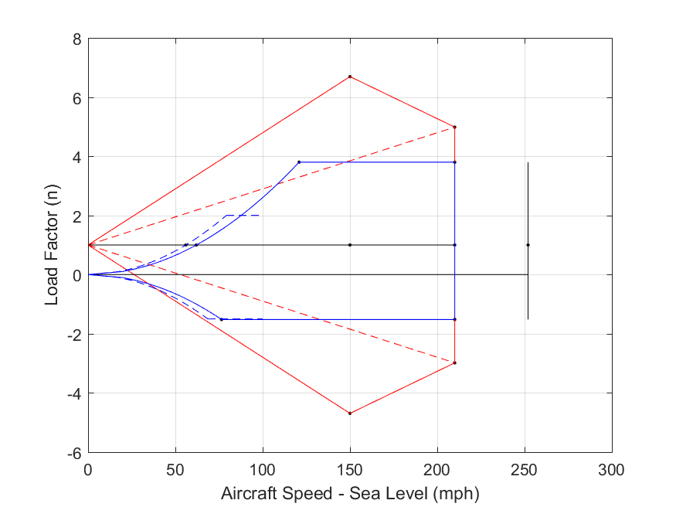
Plot of V-n Diagram and Gust Diamond at sea level

PART 3: Maneuvering Loads at Normal Flight (n = 1)

 | Stall, Flaps
 | Extended | Stowed | Cruise | Dive
Air Speed (at altitude) | 56.590659312 | 62.653944238 | 151.58212316 | 212.21497242 | mph
Dynamic Pressure (at altitude) | 8.0171800974 | 9.8271812164 | 57.521222 | 112.74159512 | lb/ft2
Load Factor (n) | 1 | 1 | 1 | 1 | 1
Wing Moment (MA) | -303.20093239 | -371.6531837 | -2175.3893427 | -4263.7631117 | lb-ft
Wing Lift (LW) | 1982.6278047 | 1987.5172512 | 2116.3555483 | 2265.5251032 | lb
Lift Coefficient (CL) | 1.4212494334 | 1.1623386897 | 0.21145174769 | 0.11548762637 | 1
Tail Lift (LT) | -68.627804694 | -73.517251217 | -202.35554829 | -351.52510322 | lb
Wing Drag (DW) | 1 | 2 | 3 | 4 | lb
Fuselage Drag (DF) | 33.479744087 | 41.03830876 | 240.20862307 | 470.80890122 | lb
Thrust (T) | 145.51720824 | 137.42176648 | 336.29891754 | 637.1119178 | lb
Required Horsepower (Hp) at altitude | 25.835026683 | 27.011813943 | 159.92754176 | 424.1715704 | hp
Required Horsepower (Hp) at SL | 26.457202306 | 27.662329708 | 163.77901902 | 434.38674123 | hp
Wing Angle of Attack (a) | 14.000591308 | 10.903572843 | -0.47067287452 | -1.6185690625 | degrees
Wing Load Resultant (normal) | 1659.7710914 | 1675.3075071 | 1815.5289086 | 1960.0675466 | lb
Wing Load Resultant (chordwise) | -298.37797089 | -224.56625344 | 111.00806346 | 221.75478193 | lb

PART 4: Maneuvering Loads at Critical V-n Diagram Corners and Gust Diamond Corners

 | V-n Corner Points |  |  |  | Gust Diamond
 | PHAA | PLAA | NHAA | NLAA | +gust (cruise) | +gust (dive) | -gust (cruise) | -gust (dive)
Air Speed (at sea level) | 120.86 | 210.00 | 76.44 | 210.00 | 150.00 | 210.00 | 150.00 | 210.00 | mph
Dynamic Pressure (at sea level) | 37.34 | 112.74 | 14.94 | 112.74 | 57.52 | 112.74 | 57.52 | 112.74 | lb/ft2
Load Factor (n) | 3.80 | 3.80 | -1.52 | -1.52 | 6.69 | 4.98 | -4.69 | -2.98 | 1
Wing Moment (MA) | -1412.28 | -4263.76 | -564.91 | -4263.76 | -2175.39 | -4263.76 | -2175.39 | -4263.76 | lb-ft
Wing Lift (LW) | 7552.57 | 7756.24 | -2940.32 | -2676.12 | 13279.40 | 10079.66 | -9046.69 | -5548.61 | lb
Lift Coefficient (CL) | 1.16 | 0.40 | -1.13 | -0.14 | 1.33 | 0.51 | -0.90 | -0.28
Tail Lift (LT) | -279.37 | -483.04 | 31.04 | -233.16 | -469.74 | -538.69 | 65.03 | -164.36 | lb
Wing Drag (DW) | 366.26 | 266.72 | 139.88 | 170.01 | 710.83 | 342.35 | 372.81 | 213.12 | lb
Fuselage Drag (DF) | 155.95 | 470.81 | 62.38 | 470.81 | 240.21 | 470.81 | 240.21 | 470.81 | lb
Thrust (T) | 522.20 | 737.53 | 202.25 | 640.81 | 951.04 | 813.16 | 613.02 | 683.93 | lb
Required Horsepower (Hp) at SL | 198.00 | 485.90 | 48.50 | 422.18 | 447.55 | 535.73 | 288.48 | 450.59 | hp
Wing Angle of Attack (a) | 10.90 | 1.73 | -16.53 | -4.63 | 12.87 | 3.15 | -13.81 | -6.38 | degrees
Wing Load Resultant (normal) | 6366.17 | 6621.37 | -2421.46 | -2226.64 | 11146.92 | 8590.18 | -7507.14 | -4648.08 | lb
Wing Load Resultant (chordwise) | -853.35 | 66.92 | -572.84 | -9.83 | -1817.83 | -129.31 | -1461.68 | -305.55 | lb

PART 5: Distributed Loads at PHAA

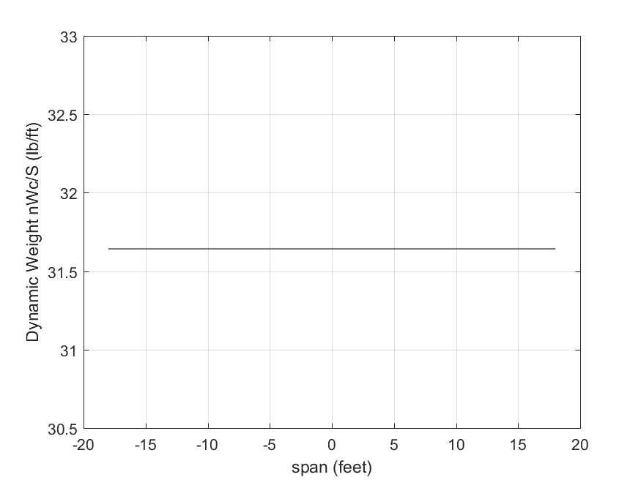
5.1) Plot of Distributed Wing Weight (n*(W/S)*C) versus Span Location (-b/2 < x < b/2)

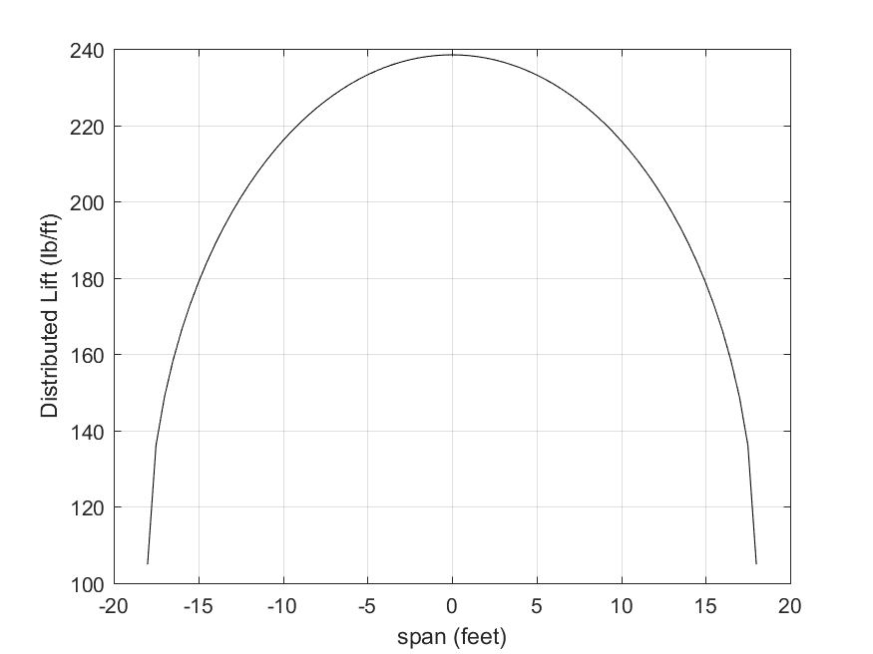

5.2) Plot of Distributed Wing Lift (Shrenk's Approximation) versus Span Location (-b/2 < x < b/2)

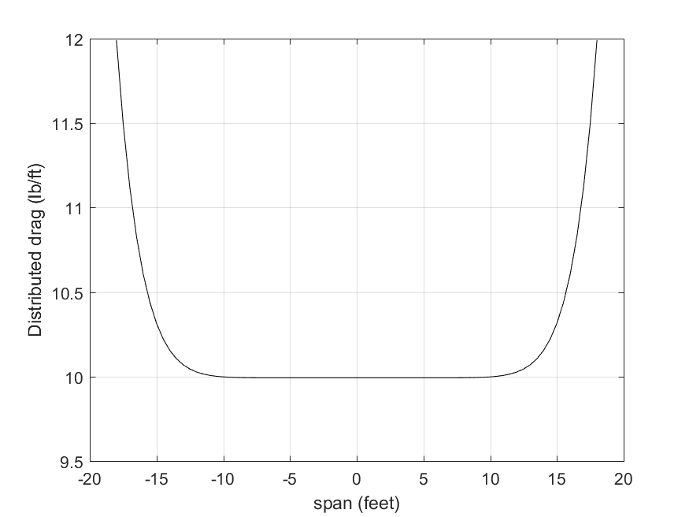
5.3) Plot of Distributed Wing Drag versus Span Location (-b/2 < x < b/2)

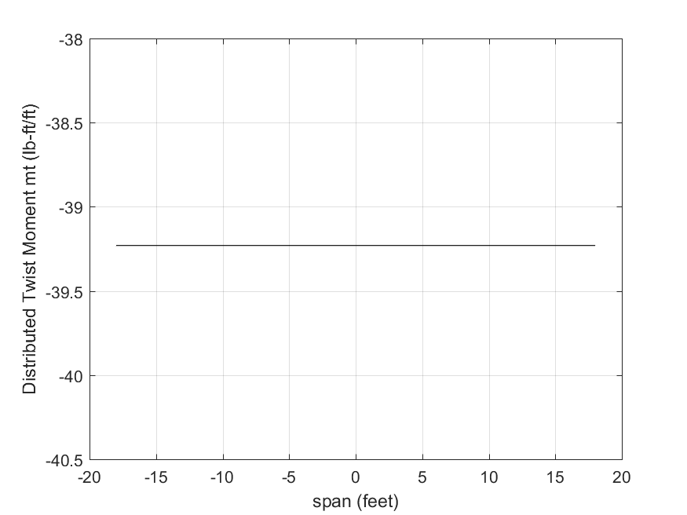
5.4) Plot of Distributed Wing Moment versus Span Location (-b/2 < x < b/2)

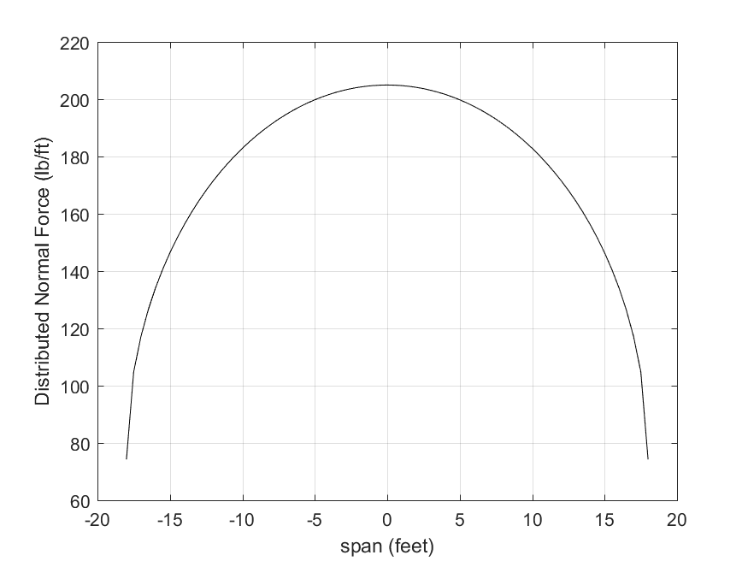

5.5) Plot of Normal Distributed Load versus Span Location (-b/2 < x < b/2)

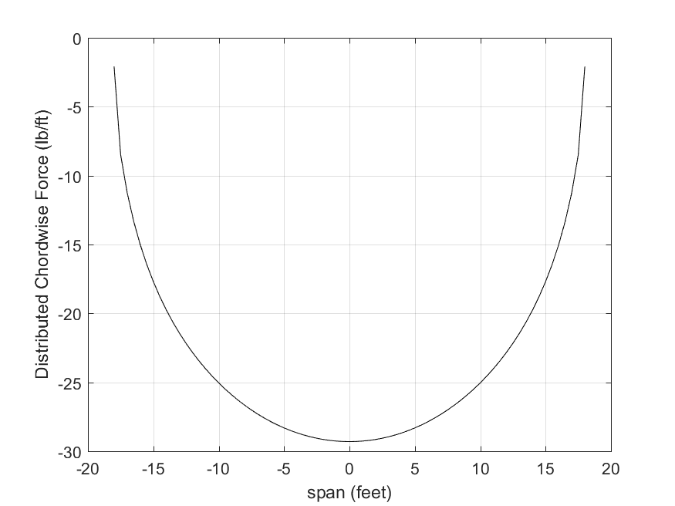

5.6) Plot of Chordwise Distributed Load versus Span Location (-b/2 < x < b/2)

END OF OUTPUT

