Figure 1
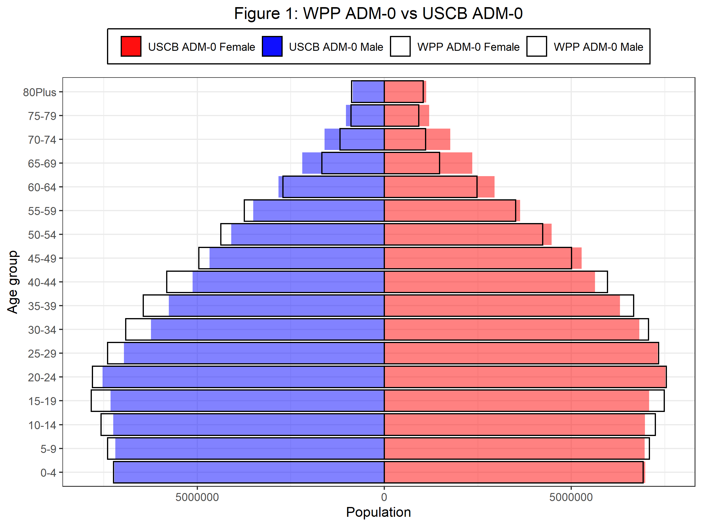
Age | F_USCB_minus_WPP_pct | M_USCB_minus_WPP_pct
0-4 | 0.74 | -0.29
5-9 | -1.86 | -2.79
10-14 | -3.81 | -4.35
15-19 | -5.38 | -6.59
20-24 | -0.29 | -3.46
25-29 | -0.40 | -5.91
30-34 | -3.47 | -9.69
35-39 | -5.49 | -10.57
40-44 | -5.59 | -11.91
45-49 | 5.28 | -5.75
50-54 | 5.61 | -6.41
55-59 | 3.40 | -6.53
60-64 | 18.97 | 4.57
65-69 | 59.13 | 31.42
70-74 | 59.36 | 35.01
75-79 | 30.69 | 15.58
80Plus | 7.92 | -4.14

Figure 2
