Open solver results
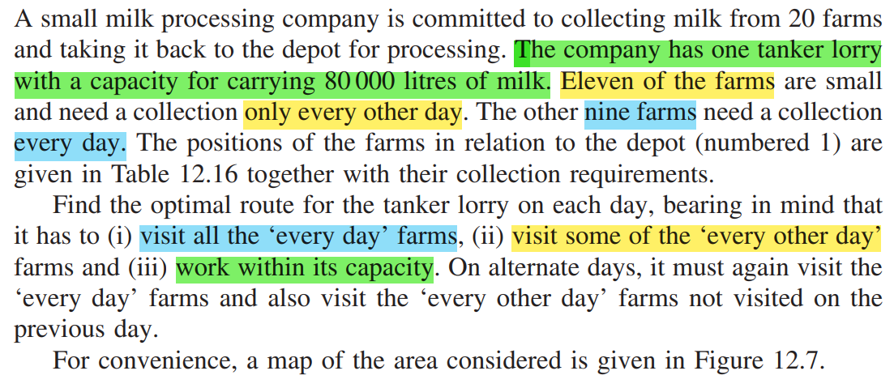
 | Given: |  |  |  | Requirements: |  |  |  |  |  |  |  |  |  |  |  |  |  | Steps:
1 | The company has one tanker lorry with a capacity for carrying 80000 L of milk. |  |  |  | Max capacity of lorry per day |  |  | 80
 | Collecting milk from 20 farms |  |  |  |  |  |  |  |  |  |  |  |  |  |  |  |  |  | 1. Create a distance matrix Dij of I rows and j columns with d_i_j as distance between farm I and farm j.
2 | Eleven of the farms are small and need a collection only every other day. |  |  |  | every other day |  |  | 11 |  |  |  |  |  |  |  |  |  |  | 2. Give a higher value to the upper triangular part i.e. to d_i_j where i<=j.
3 | The other nine farms need a collection every day. |  |  |  | every day |  |  | 9 |  |  |  |  |  |  |  |  |  |  | This is to restrain the solver to take any values in upper triangular decision variables.
 |  |  |  |  |  |  |  |  |  |  |  |  |  |  |  |  |  |  | 3. Consider binary decision variables x_i_j for connectivity in i and j for day1 and day 2path separately.
Milk Collection Problem
 |  |  |  |  |  |  |  |  |  |  |  |  |  |  |  |  |  |  | 4. Also consider decision variables for whether the farms 11 to 21 are visited or not on that day. (Total = 11+11 =22)
 |  |  |  |  |  |  |  |  |  |  |  |  |  |  |  |  |  |  | 5. Add constraints for:
 |  |  |  |  |  |  |  |  |  |  |  |  |  |  |  |  |  |  | a) | capacity limit of lorry per day.
 |  |  |  |  |  |  |  |  |  |  |  |  |  |  |  |  |  |  | b) | visiting some farms only every other day.
 |  |  |  |  |  |  |  |  |  |  |  |  |  |  |  |  |  |  | c) | need to visit the ‘every day’ farms on each tour.
Problem definition
 |  |  |  |  |  |  |  |  |  |  |  |  |  |  |  |  |  |  | d) | need to visit the ‘every other day’ farms on the chosen day.
 |  |  |  |  |  |  |  |  |  |  |  |  |  |  |  |  |  |  | 6. In order to prevent unnecessarily (and computationally more costly) symmetric alternative solutions (switching days of visiting farms), it is convenient to set y11,1 to 1, forcing farm 11 to be visited on the first day.

Model construction-> Solving -> Test and revision
For preventing unnecessary repitative comparison of routes- force farm 11 to be visited on first day-
To restraint the open solver to take the upper triangular values for decision variables, the distances here are given higher values. So that solver will not consider the longer path. This is to eliminate the extra subtour constriants of x_i_j + x_j_i =1 .
The distances are multiplied by 10 as in given table of position the data distances were in 10 miles.
Data and Information

D1
D2

 |  |  |  |  |  |  |  |  |  |  |  |  |  |  |  |  |  |  |  |  |  |  |  |  |  |  | Collection Requirement (1000 L) | 0 | 5 | 4 | 3 | 6 | 7 | 3 | 4 | 6 | 5 | 4 | 7 | 3 | 4 | 5 | 6 | 8 | 5 | 7 | 6 | 6
Day1
Farm | Position in miles |  | Collection Frequency | Collection requirement | Distance matrix- Calculated using Euclidean distance between the farm1(x1,y1) to farm2(x2,y2)=SQRT((y2-y1)^2+(x2-x1)^2) |  |  |  |  |  |  |  |  |  |  |  |  |  |  |  |  |  |  |  |  |  | Farm visited or not | 1 | 1 | 1 | 1 | 1 | 1 | 1 | 1 | 1 | 1 | 1 | 1 | 0 | 0 | 1 | 0 | 0 | 0 | 0 | 1 | 1 | y_11_1 = | 1 | Rounded off Distance matrix- Calculated using Euclidean distance between the farm1(x1,y1) to farm2(x2,y2)=SQRT((y2-y1)^2+(x2-x1)^2)
 | East | North |  | (1000 l) |  | 1 (Depot) | Farm 2 | Farm 3 | Farm 4 | Farm 5 | Farm 6 | Farm 7 | Farm 8 | Farm 9 | Farm 10 | Farm 11 | Farm 12 | Farm 13 | Farm 14 | Farm 15 | Farm 16 | Farm 17 | Farm 18 | Farm 19 | Farm 20 | Farm 21 |  | 1 (Depot) | 2 | 3 | 4 | 5 | 6 | 7 | 8 | 9 | 10 | 11 | 12 | 13 | 14 | 15 | 16 | 17 | 18 | 19 | 20 | 21 |  |  |  | 1 (Depot) | Farm 2 | Farm 3 | Farm 4 | Farm 5 | Farm 6 | Farm 7 | Farm 8 | Farm 9 | Farm 10 | Farm 11 | Farm 12 | Farm 13 | Farm 14 | Farm 15 | Farm 16 | Farm 17 | Farm 18 | Farm 19 | Farm 20 | Farm 21
1 (Depot) | 0 | 0 | 0 | 0 | 1 (Depot) | 999.00 | 999.00 | 999.00 | 999.00 | 999.00 | 999.00 | 999.00 | 999.00 | 999.00 | 999.00 | 999.00 | 999.00 | 999.00 | 999.00 | 999.00 | 999.00 | 999.00 | 999.00 | 999.00 | 999.00 | 999.00 | 1 (Depot) | 0 | 0 | 0 | 0 | 0 | 0 | 0 | 0 | 0 | 0 | 0 | 0 | 0 | 0 | 0 | 0 | 0 | 0 | 0 | 0 | 0 |  |  | 1 (Depot) | 999 | 999 | 999 | 999 | 999 | 999 | 999 | 999 | 999 | 999 | 999 | 999 | 999 | 999 | 999 | 999 | 999 | 999 | 999 | 999 | 999
2 | -30 | 30 | Every day | 5 | 2 | 42.43 | 999.00 | 999.00 | 999.00 | 999.00 | 999.00 | 999.00 | 999.00 | 999.00 | 999.00 | 999.00 | 999.00 | 999.00 | 999.00 | 999.00 | 999.00 | 999.00 | 999.00 | 999.00 | 999.00 | 999.00 | 2 | 1 | 0 | 0 | 0 | 0 | 0 | 0 | 0 | 0 | 0 | 0 | 0 | 0 | 0 | 0 | 0 | 0 | 0 | 0 | 0 | 0 |  |  | 2 | 42 | 999 | 999 | 999 | 999 | 999 | 999 | 999 | 999 | 999 | 999 | 999 | 999 | 999 | 999 | 999 | 999 | 999 | 999 | 999 | 999
3 | 10 | 110 | Every day | 4 | 3 | 110.45 | 89.44 | 999.00 | 999.00 | 999.00 | 999.00 | 999.00 | 999.00 | 999.00 | 999.00 | 999.00 | 999.00 | 999.00 | 999.00 | 999.00 | 999.00 | 999.00 | 999.00 | 999.00 | 999.00 | 999.00 | 3 | 0 | 0 | 0 | 0 | 0 | 0 | 0 | 0 | 0 | 0 | 0 | 0 | 0 | 0 | 0 | 0 | 0 | 0 | 0 | 0 | 0 |  |  | 3 | 110 | 89 | 999 | 999 | 999 | 999 | 999 | 999 | 999 | 999 | 999 | 999 | 999 | 999 | 999 | 999 | 999 | 999 | 999 | 999 | 999
4 | 40 | 70 | Every day | 3 | 4 | 80.62 | 80.62 | 50.00 | 999.00 | 999.00 | 999.00 | 999.00 | 999.00 | 999.00 | 999.00 | 999.00 | 999.00 | 999.00 | 999.00 | 999.00 | 999.00 | 999.00 | 999.00 | 999.00 | 999.00 | 999.00 | 4 | 0 | 0 | 0 | 0 | 0 | 0 | 0 | 0 | 0 | 0 | 0 | 0 | 0 | 0 | 0 | 0 | 0 | 0 | 0 | 0 | 0 |  |  | 4 | 81 | 81 | 50 | 999 | 999 | 999 | 999 | 999 | 999 | 999 | 999 | 999 | 999 | 999 | 999 | 999 | 999 | 999 | 999 | 999 | 999
5 | -50 | 90 | Every day | 6 | 5 | 102.96 | 63.25 | 63.25 | 92.20 | 999.00 | 999.00 | 999.00 | 999.00 | 999.00 | 999.00 | 999.00 | 999.00 | 999.00 | 999.00 | 999.00 | 999.00 | 999.00 | 999.00 | 999.00 | 999.00 | 999.00 | 5 | 0 | 1 | 1 | 0 | 0 | 0 | 0 | 0 | 0 | 0 | 0 | 0 | 0 | 0 | 0 | 0 | 0 | 0 | 0 | 0 | 0 |  |  | 5 | 103 | 63 | 63 | 92 | 999 | 999 | 999 | 999 | 999 | 999 | 999 | 999 | 999 | 999 | 999 | 999 | 999 | 999 | 999 | 999 | 999
6 | -50 | -20 | Every day | 7 | 6 | 53.85 | 53.85 | 143.18 | 127.28 | 110.00 | 999.00 | 999.00 | 999.00 | 999.00 | 999.00 | 999.00 | 999.00 | 999.00 | 999.00 | 999.00 | 999.00 | 999.00 | 999.00 | 999.00 | 999.00 | 999.00 | 6 | 0 | 0 | 0 | 0 | 0 | 0 | 0 | 0 | 0 | 0 | 0 | 0 | 0 | 0 | 0 | 0 | 0 | 0 | 0 | 0 | 0 |  |  | 6 | 54 | 54 | 143 | 127 | 110 | 999 | 999 | 999 | 999 | 999 | 999 | 999 | 999 | 999 | 999 | 999 | 999 | 999 | 999 | 999 | 999
7 | -40 | -70 | Every day | 3 | 7 | 80.62 | 100.50 | 186.82 | 161.25 | 160.31 | 50.99 | 999.00 | 999.00 | 999.00 | 999.00 | 999.00 | 999.00 | 999.00 | 999.00 | 999.00 | 999.00 | 999.00 | 999.00 | 999.00 | 999.00 | 999.00 | 7 | 0 | 0 | 0 | 0 | 0 | 0 | 0 | 0 | 0 | 0 | 0 | 0 | 0 | 0 | 0 | 0 | 0 | 0 | 0 | 0 | 0 |  |  | 7 | 81 | 100 | 187 | 161 | 160 | 51 | 999 | 999 | 999 | 999 | 999 | 999 | 999 | 999 | 999 | 999 | 999 | 999 | 999 | 999 | 999
8 | 60 | 0 | Every day | 4 | 8 | 60.00 | 94.87 | 120.83 | 72.80 | 142.13 | 111.80 | 122.07 | 999.00 | 999.00 | 999.00 | 999.00 | 999.00 | 999.00 | 999.00 | 999.00 | 999.00 | 999.00 | 999.00 | 999.00 | 999.00 | 999.00 | 8 | 0 | 0 | 0 | 0 | 0 | 0 | 0 | 0 | 0 | 0 | 0 | 0 | 0 | 0 | 0 | 0 | 0 | 0 | 0 | 0 | 0 |  |  | 8 | 60 | 95 | 121 | 73 | 142 | 112 | 122 | 999 | 999 | 999 | 999 | 999 | 999 | 999 | 999 | 999 | 999 | 999 | 999 | 999 | 999
9 | 30 | -60 | Every day | 6 | 9 | 67.08 | 108.17 | 171.17 | 130.38 | 170.00 | 89.44 | 70.71 | 67.08 | 999.00 | 999.00 | 999.00 | 999.00 | 999.00 | 999.00 | 999.00 | 999.00 | 999.00 | 999.00 | 999.00 | 999.00 | 999.00 | 9 | 0 | 0 | 0 | 0 | 0 | 0 | 0 | 0 | 0 | 0 | 0 | 0 | 0 | 0 | 0 | 0 | 0 | 0 | 0 | 0 | 0 |  |  | 9 | 67 | 108 | 171 | 130 | 170 | 89 | 71 | 67 | 999 | 999 | 999 | 999 | 999 | 999 | 999 | 999 | 999 | 999 | 999 | 999 | 999
10 | -10 | -30 | Every day | 5 | 10 | 31.62 | 63.25 | 141.42 | 111.80 | 126.49 | 41.23 | 50.00 | 76.16 | 50.00 | 999.00 | 999.00 | 999.00 | 999.00 | 999.00 | 999.00 | 999.00 | 999.00 | 999.00 | 999.00 | 999.00 | 999.00 | 10 | 1 | 0 | 0 | 0 | 0 | 1 | 0 | 0 | 0 | 0 | 0 | 0 | 0 | 0 | 0 | 0 | 0 | 0 | 0 | 0 | 0 |  |  | 10 | 32 | 63 | 141 | 112 | 126 | 41 | 50 | 76 | 50 | 999 | 999 | 999 | 999 | 999 | 999 | 999 | 999 | 999 | 999 | 999 | 999
11 | 0 | -60 | Every other day | 4 | 11 | 60.00 | 94.87 | 170.29 | 136.01 | 158.11 | 64.03 | 41.23 | 84.85 | 30.00 | 31.62 | 999.00 | 999.00 | 999.00 | 999.00 | 999.00 | 999.00 | 999.00 | 999.00 | 999.00 | 999.00 | 999.00 | 11 | 0 | 0 | 0 | 0 | 0 | 0 | 1 | 0 | 1 | 0 | 0 | 0 | 0 | 0 | 0 | 0 | 0 | 0 | 0 | 0 | 0 |  |  | 11 | 60 | 95 | 170 | 136 | 158 | 64 | 41 | 85 | 30 | 32 | 999 | 999 | 999 | 999 | 999 | 999 | 999 | 999 | 999 | 999 | 999
12 | 60 | 40 | Every other day | 7 | 12 | 72.11 | 90.55 | 86.02 | 36.06 | 120.83 | 125.30 | 148.66 | 40.00 | 104.40 | 98.99 | 116.62 | 999.00 | 999.00 | 999.00 | 999.00 | 999.00 | 999.00 | 999.00 | 999.00 | 999.00 | 999.00 | 12 | 0 | 0 | 0 | 1 | 0 | 0 | 0 | 1 | 0 | 0 | 0 | 0 | 0 | 0 | 0 | 0 | 0 | 0 | 0 | 0 | 0 |  |  | 12 | 72 | 91 | 86 | 36 | 121 | 125 | 149 | 40 | 104 | 99 | 117 | 999 | 999 | 999 | 999 | 999 | 999 | 999 | 999 | 999 | 999
13 | 20 | 50 | Every other day | 3 | 13 | 53.85 | 53.85 | 60.83 | 28.28 | 80.62 | 98.99 | 134.16 | 64.03 | 110.45 | 85.44 | 111.80 | 41.23 | 999.00 | 999.00 | 999.00 | 999.00 | 999.00 | 999.00 | 999.00 | 999.00 | 999.00 | 13 | 0 | 0 | 0 | 0 | 0 | 0 | 0 | 0 | 0 | 0 | 0 | 0 | 0 | 0 | 0 | 0 | 0 | 0 | 0 | 0 | 0 |  |  | 13 | 54 | 54 | 61 | 28 | 81 | 99 | 134 | 64 | 110 | 85 | 112 | 41 | 999 | 999 | 999 | 999 | 999 | 999 | 999 | 999 | 999
14 | -20 | 80 | Every other day | 4 | 14 | 82.46 | 50.99 | 42.43 | 60.83 | 31.62 | 104.40 | 151.33 | 113.14 | 148.66 | 110.45 | 141.42 | 89.44 | 50.00 | 999.00 | 999.00 | 999.00 | 999.00 | 999.00 | 999.00 | 999.00 | 999.00 | 14 | 0 | 0 | 0 | 0 | 0 | 0 | 0 | 0 | 0 | 0 | 0 | 0 | 0 | 0 | 0 | 0 | 0 | 0 | 0 | 0 | 0 |  |  | 14 | 82 | 51 | 42 | 61 | 32 | 104 | 151 | 113 | 149 | 110 | 141 | 89 | 50 | 999 | 999 | 999 | 999 | 999 | 999 | 999 | 999
15 | 60 | 100 | Every other day | 5 | 15 | 116.62 | 114.02 | 50.99 | 36.06 | 110.45 | 162.79 | 197.23 | 100.00 | 162.79 | 147.65 | 170.88 | 60.00 | 64.03 | 82.46 | 999.00 | 999.00 | 999.00 | 999.00 | 999.00 | 999.00 | 999.00 | 15 | 0 | 0 | 1 | 1 | 0 | 0 | 0 | 0 | 0 | 0 | 0 | 0 | 0 | 0 | 0 | 0 | 0 | 0 | 0 | 0 | 0 |  |  | 15 | 117 | 114 | 51 | 36 | 110 | 163 | 197 | 100 | 163 | 148 | 171 | 60 | 64 | 82 | 999 | 999 | 999 | 999 | 999 | 999 | 999
16 | 10 | 80 | Every other day | 6 | 16 | 80.62 | 64.03 | 30.00 | 31.62 | 60.83 | 116.62 | 158.11 | 94.34 | 141.42 | 111.80 | 140.36 | 64.03 | 31.62 | 30.00 | 53.85 | 999.00 | 999.00 | 999.00 | 999.00 | 999.00 | 999.00 | 16 | 0 | 0 | 0 | 0 | 0 | 0 | 0 | 0 | 0 | 0 | 0 | 0 | 0 | 0 | 0 | 0 | 0 | 0 | 0 | 0 | 0 |  |  | 16 | 81 | 64 | 30 | 32 | 61 | 117 | 158 | 94 | 141 | 112 | 140 | 64 | 32 | 30 | 54 | 999 | 999 | 999 | 999 | 999 | 999
17 | -30 | 10 | Every other day | 8 | 17 | 31.62 | 20.00 | 107.70 | 92.20 | 82.46 | 36.06 | 80.62 | 90.55 | 92.20 | 44.72 | 76.16 | 94.87 | 64.03 | 70.71 | 127.28 | 80.62 | 999.00 | 999.00 | 999.00 | 999.00 | 999.00 | 17 | 0 | 0 | 0 | 0 | 0 | 0 | 0 | 0 | 0 | 0 | 0 | 0 | 0 | 0 | 0 | 0 | 0 | 0 | 0 | 0 | 0 |  |  | 17 | 32 | 20 | 108 | 92 | 82 | 36 | 81 | 91 | 92 | 45 | 76 | 95 | 64 | 71 | 127 | 81 | 999 | 999 | 999 | 999 | 999
18 | -60 | 50 | Every other day | 5 | 18 | 78.10 | 36.06 | 92.20 | 101.98 | 41.23 | 70.71 | 121.66 | 130.00 | 142.13 | 94.34 | 125.30 | 120.42 | 80.00 | 50.00 | 130.00 | 76.16 | 50.00 | 999.00 | 999.00 | 999.00 | 999.00 | 18 | 0 | 0 | 0 | 0 | 0 | 0 | 0 | 0 | 0 | 0 | 0 | 0 | 0 | 0 | 0 | 0 | 0 | 0 | 0 | 0 | 0 |  |  | 18 | 78 | 36 | 92 | 102 | 41 | 71 | 122 | 130 | 142 | 94 | 125 | 120 | 80 | 50 | 130 | 76 | 50 | 999 | 999 | 999 | 999
19 | 20 | 90 | Every other day | 7 | 19 | 92.20 | 78.10 | 22.36 | 28.28 | 70.00 | 130.38 | 170.88 | 98.49 | 150.33 | 123.69 | 151.33 | 64.03 | 40.00 | 41.23 | 41.23 | 14.14 | 94.34 | 89.44 | 999.00 | 999.00 | 999.00 | 19 | 0 | 0 | 0 | 0 | 0 | 0 | 0 | 0 | 0 | 0 | 0 | 0 | 0 | 0 | 0 | 0 | 0 | 0 | 0 | 0 | 0 |  |  | 19 | 92 | 78 | 22 | 28 | 70 | 130 | 171 | 98 | 150 | 124 | 151 | 64 | 40 | 41 | 41 | 14 | 94 | 89 | 999 | 999 | 999
20 | -60 | -50 | Every other day | 6 | 20 | 78.10 | 85.44 | 174.64 | 156.20 | 140.36 | 31.62 | 28.28 | 130.00 | 90.55 | 53.85 | 60.83 | 150.00 | 128.06 | 136.01 | 192.09 | 147.65 | 67.08 | 100.00 | 161.25 | 999.00 | 999.00 | 20 | 0 | 0 | 0 | 0 | 0 | 1 | 1 | 0 | 0 | 0 | 0 | 0 | 0 | 0 | 0 | 0 | 0 | 0 | 0 | 0 | 0 |  |  | 20 | 78 | 85 | 175 | 156 | 140 | 32 | 28 | 130 | 91 | 54 | 61 | 150 | 128 | 136 | 192 | 148 | 67 | 100 | 161 | 999 | 999
The decision variable values in the upper triangular part will be 0 as the distances taken are comparitively large.
21 | 50 | -40 | Every other day | 6 | 21 | 64.03 | 106.30 | 155.24 | 110.45 | 164.01 | 101.98 | 94.87 | 41.23 | 28.28 | 60.83 | 53.85 | 80.62 | 94.87 | 138.92 | 140.36 | 126.49 | 94.34 | 142.13 | 133.42 | 110.45 | 999.00 | 21 | 0 | 0 | 0 | 0 | 0 | 0 | 0 | 1 | 1 | 0 | 0 | 0 | 0 | 0 | 0 | 0 | 0 | 0 | 0 | 0 | 0 |  |  | 21 | 64 | 106 | 155 | 110 | 164 | 102 | 95 | 41 | 28 | 61 | 54 | 81 | 95 | 139 | 140 | 126 | 94 | 142 | 133 | 110 | 999
 |  |  |  |  |  |  |  |  |  |  |  |  |  |  |  |  |  |  |  |  |  |  |  |  |  |  | Total connected paths | 2 | 2 | 2 | 2 | 2 | 2 | 2 | 2 | 2 | 2 | 2 | 2 | 0 | 0 | 2 | 0 | 0 | 0 | 0 | 2 | 2
 |  |  |  |  |  |  |  |  |  |  |  |  |  |  |  |  |  |  |  |  |  |  |  |  |  |  | The connected paths should be | 2 | 2 | 2 | 2 | 2 | 2 | 2 | 2 | 2 | 2 | 2 | 2 | 0 | 0 | 2 | 0 | 0 | 0 | 0 | 2 | 2
Day2
 |  |  |  |  |  |  |  |  |  |  |  |  |  |  |  |  |  |  |  |  |  |  |  |  |  |  | Farm visited or not | 1 | 1 | 1 | 1 | 1 | 1 | 1 | 1 | 1 | 1 | 0 | 0 | 1 | 1 | 0 | 1 | 1 | 1 | 1 | 0 | 0
 |  |  |  |  |  |  |  |  |  |  |  |  |  |  |  |  |  |  |  |  |  |  |  |  |  |  |  | 1 (Depot) | 2 | 3 | 4 | 5 | 6 | 7 | 8 | 9 | 10 | 11 | 12 | 13 | 14 | 15 | 16 | 17 | 18 | 19 | 20 | 21
 |  |  |  |  |  |  |  |  |  |  |  |  |  |  |  |  |  |  |  |  |  |  |  |  |  |  | 1 (Depot) | 0 | 0 | 0 | 0 | 0 | 0 | 0 | 0 | 0 | 0 | 0 | 0 | 0 | 0 | 0 | 0 | 0 | 0 | 0 | 0 | 0
 |  |  |  |  |  |  |  |  |  |  |  |  |  |  |  |  |  |  |  |  |  |  |  |  |  |  | 2 | 0 | 0 | 0 | 0 | 0 | 0 | 0 | 0 | 0 | 0 | 0 | 0 | 0 | 0 | 0 | 0 | 0 | 0 | 0 | 0 | 0
 |  |  |  |  |  |  |  |  |  |  |  |  |  |  |  |  |  |  |  |  |  |  |  |  |  |  | 3 | 0 | 0 | 0 | 0 | 0 | 0 | 0 | 0 | 0 | 0 | 0 | 0 | 0 | 0 | 0 | 0 | 0 | 0 | 0 | 0 | 0 |  | Decision variables
Results and Analysis
 |  |  |  |  | Distance travelled |  |  |  |  |  |  | Milk collection |  |  |  |  |  |  |  |  | Sub tour Elimination |  |  |  |  |  | 4 | 0 | 0 | 0 | 0 | 0 | 0 | 0 | 0 | 0 | 0 | 0 | 0 | 0 | 0 | 0 | 0 | 0 | 0 | 0 | 0 | 0
 |  |  |  |  | On first day |  |  | 605.52599839 |  |  |  | On first day |  | 71 | <= | 80 |  |  |  |  | Sub tour | No. of edges |  | Max. edges | Day | Level of subtour elimination | 5 | 0 | 0 | 0 | 0 | 0 | 0 | 0 | 0 | 0 | 0 | 0 | 0 | 0 | 0 | 0 | 0 | 0 | 0 | 0 | 0 | 0 |  | Constraints
 |  |  |  |  | On second day |  |  | 625.03638015 |  |  |  | On second day |  | 76 | <= | 80 |  |  |  |  | 1,8,9,10,1 | 2 | <= | 3 | Day2 | 1 | 6 | 0 | 0 | 0 | 0 | 0 | 0 | 0 | 0 | 0 | 0 | 0 | 0 | 0 | 0 | 0 | 0 | 0 | 0 | 0 | 0 | 0 |  | Objective function
 |  |  |  |  | Total minimum optimum distance to travel |  |  |  |  |  |  |  |  |  |  |  |  |  |  |  | 2,5,18,2 | 2 | <= | 2 |  |  | 7 | 0 | 0 | 0 | 0 | 0 | 1 | 0 | 0 | 0 | 0 | 0 | 0 | 0 | 0 | 0 | 0 | 0 | 0 | 0 | 0 | 0
 |  |  |  |  | (without rounded off distance) D1 table |  |  | 1230.5623785 |  |  |  |  |  |  |  |  |  |  |  |  | 3,16,13,4,19,3 | 2 | <= | 4 |  |  | 8 | 0 | 0 | 0 | 0 | 0 | 0 | 0 | 0 | 0 | 0 | 0 | 0 | 0 | 0 | 0 | 0 | 0 | 0 | 0 | 0 | 0
SUM[i = 1 to 21] K_i * y_i_k <= C ; for k=1,2
SUM[i=1 to 10] x_i_j_k for every i:i>j
+ SUM[i=1 to 10]x_j_i_k for every i: j>i =2 ;
for every k=1,2 ,for every j=1 to 21
 |  |  |  |  | (with rounded off distance) D2 table |  |  | 1229 |  |  |  |  |  |  |  |  |  |  |  |  | 6,7,20,6 | 1 | <= | 2 |  |  | 9 | 0 | 0 | 0 | 0 | 0 | 0 | 1 | 1 | 0 | 0 | 0 | 0 | 0 | 0 | 0 | 0 | 0 | 0 | 0 | 0 | 0
Z = SUM[i= 1 to 21][j=1 to 21]C_i_j * x_i_j_k for k=1,2 and for every i>j
 |  |  |  |  |  |  |  |  |  |  |  |  |  |  |  |  |  |  |  |  | 1,2,17,6,7,10,1 | 3 | <= | 5 | Day2 | 2 | 10 | 1 | 0 | 0 | 0 | 0 | 1 | 0 | 0 | 0 | 0 | 0 | 0 | 0 | 0 | 0 | 0 | 0 | 0 | 0 | 0 | 0
 |  |  |  |  |  |  |  |  |  |  |  |  |  |  |  |  |  |  |  |  | 3,5,14,16,13,4,15,3 | 2 | <= | 6 |  |  | 11 | 0 | 0 | 0 | 0 | 0 | 0 | 0 | 0 | 0 | 0 | 0 | 0 | 0 | 0 | 0 | 0 | 0 | 0 | 0 | 0 | 0
 |  |  |  |  |  |  |  |  |  |  |  |  |  |  |  |  |  |  |  |  | 9,8,21,9 | 1 | <= | 2 |  |  | 12 | 0 | 0 | 0 | 0 | 0 | 0 | 0 | 0 | 0 | 0 | 0 | 0 | 0 | 0 | 0 | 0 | 0 | 0 | 0 | 0 | 0
 |  |  |  |  |  |  |  |  |  |  |  |  |  |  |  |  |  |  |  |  | 1,8,21,9,11,7,20,6,10,1 | 8 | <= | 8 | Day1 | 3 | 13 | 0 | 0 | 0 | 1 | 0 | 0 | 0 | 1 | 0 | 0 | 0 | 0 | 0 | 0 | 0 | 0 | 0 | 0 | 0 | 0 | 0
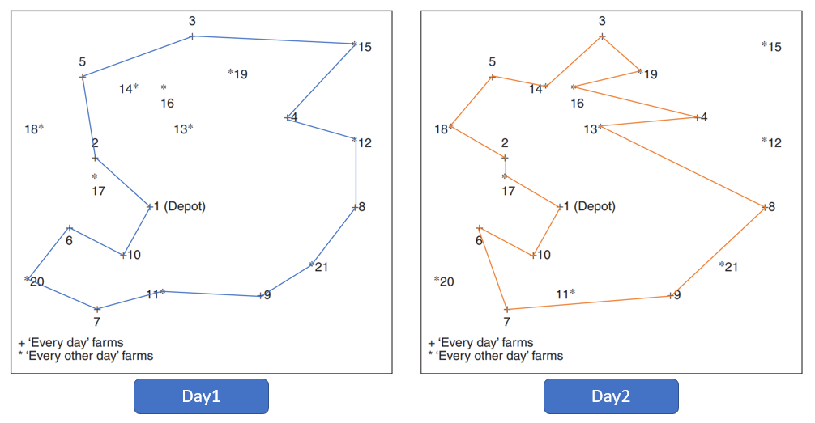
Analysis: |  |  |  |  |  |  |  |  |  |  |  |  |  |  |  |  |  |  |  |  | 2,5,18,2 | 1 | <= | 2 |  |  | 14 | 0 | 0 | 1 | 0 | 1 | 0 | 0 | 0 | 0 | 0 | 0 | 0 | 0 | 0 | 0 | 0 | 0 | 0 | 0 | 0 | 0
 |  |  |  |  |  |  |  |  |  |  |  |  |  |  |  |  |  |  |  |  | 3,16,13,4,19,3 | 0 | <= | 5 |  |  | 15 | 0 | 0 | 0 | 0 | 0 | 0 | 0 | 0 | 0 | 0 | 0 | 0 | 0 | 0 | 0 | 0 | 0 | 0 | 0 | 0 | 0
SUM[j=1 to 21] x_i_j_k for every j:i>j
+ SUM[j=1 to 21]x_j_i_k for every j:i<j - 2* y_i_k =0
for every k=1,2 for every i=11 to 21
This is an extended Travelling Salesman Problem with Binary decision variables. |  |  |  |  |  |  |  |  |  |  |  |  |  |  |  |  |  |  |  |  |  |  |  |  |  |  | 16 | 0 | 0 | 0 | 1 | 0 | 0 | 0 | 0 | 0 | 0 | 0 | 0 | 0 | 0 | 0 | 0 | 0 | 0 | 0 | 0 | 0
 |  |  |  |  |  |  |  |  |  |  |  |  |  |  |  |  |  |  |  |  |  |  |  |  |  |  | 17 | 1 | 1 | 0 | 0 | 0 | 0 | 0 | 0 | 0 | 0 | 0 | 0 | 0 | 0 | 0 | 0 | 0 | 0 | 0 | 0 | 0
1. The optimal route for the day1 is 1(Depot)-2-5-3-15-4-12-8-21-9-11--7-20-6-10-1(Depot) |  |  |  |  |  |  |  |  |  |  |  |  |  |  |  |  |  |  |  |  |  |  |  |  |  |  | 18 | 0 | 1 | 0 | 0 | 1 | 0 | 0 | 0 | 0 | 0 | 0 | 0 | 0 | 0 | 0 | 0 | 0 | 0 | 0 | 0 | 0
2. The optimal route for the day2 is 1(Depot)-10-6-7-9-8-13-4-16-19-3-14-5-18-2-17-1(Depot) |  |  |  |  |  |  |  |  |  |  |  |  |  |  |  |  |  |  |  |  |  |  |  |  |  |  | 19 | 0 | 0 | 1 | 0 | 0 | 0 | 0 | 0 | 0 | 0 | 0 | 0 | 0 | 0 | 0 | 1 | 0 | 0 | 0 | 0 | 0
3. With these optimal routes for day1 and day2, the lorry has to travel around 605.526 miles on day1 and 625.0364 for day2. |  |  |  |  |  |  |  |  |  |  |  |  |  |  |  |  |  |  |  |  |  |  |  |  |  |  | 20 | 0 | 0 | 0 | 0 | 0 | 0 | 0 | 0 | 0 | 0 | 0 | 0 | 0 | 0 | 0 | 0 | 0 | 0 | 0 | 0 | 0
4. The total optimum distance traveled by lorry will be around 1230.56 miles. |  |  |  |  |  |  |  |  |  |  |  |  |  |  |  |  |  |  |  |  |  |  |  |  |  |  | 21 | 0 | 0 | 0 | 0 | 0 | 0 | 0 | 0 | 0 | 0 | 0 | 0 | 0 | 0 | 0 | 0 | 0 | 0 | 0 | 0 | 0
5. The milk collection on the first day is 71000L and on the second day it is 76000L. |  |  |  |  |  |  |  |  |  |  |  |  |  |  |  |  |  |  |  |  | Final Tours |  |  |  |  |  | Total connected paths | 2 | 2 | 2 | 2 | 2 | 2 | 2 | 2 | 2 | 2 | 0 | 0 | 2 | 2 | 0 | 2 | 2 | 2 | 2 | 0 | 0
 |  |  |  |  |  |  |  |  |  |  |  |  |  |  |  |  |  |  |  |  | Day1 | 1-2-5-3-15-4-12-8-21-9-11--7-20-6-10-1 |  |  |  |  | The connected paths should be | 2 | 2 | 2 | 2 | 2 | 2 | 2 | 2 | 2 | 2 | 0 | 0 | 2 | 2 | 0 | 2 | 2 | 2 | 2 | 0 | 0

y_i_1 +y_i_2 =1; for i=11 to 21
 |  |  |  |  |  |  |  |  |  |  |  |  |  |  |  |  |  |  |  |  | Day2 | 1-10-6-7-9-8-13-4-16-19-3-14-5-18-2-17-1 |  |  |  |  | Farms 11 to 21 visited or not and how many times (Sum of Yik)= |  |  |  |  |  |  |  |  |  |  | 1 | 1 | 1 | 1 | 1 | 1 | 1 | 1 | 1 | 1 | 1
 |  |  |  |  |  |  |  |  |  |  |  |  |  |  |  |  |  |  |  |  |  |  |  |  |  |  | Farms 11 to 21 should be visited every other day |  |  |  |  |  |  |  |  |  |  | 1 | 1 | 1 | 1 | 1 | 1 | 1 | 1 | 1 | 1 | 1

SUM[i = 1 to 21] K_i * y_i_k <= C ; for k=1,2
Comparison between all the solutions is on next sheet
 |  |  |  |  |  |  |  |  |  |  |  |  |  |  |  |  |  |  |  |  | Linking Constraints :

Result comparison
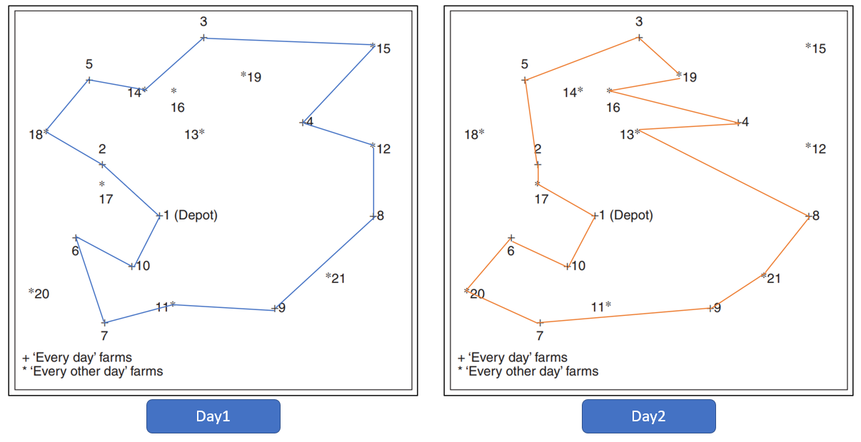
 |  | LP Solve Results
 |  |  |  |  |  | Book Results
Final Tours |  |  |  | Distance covered | Milk collection |  | farms | Collection req.
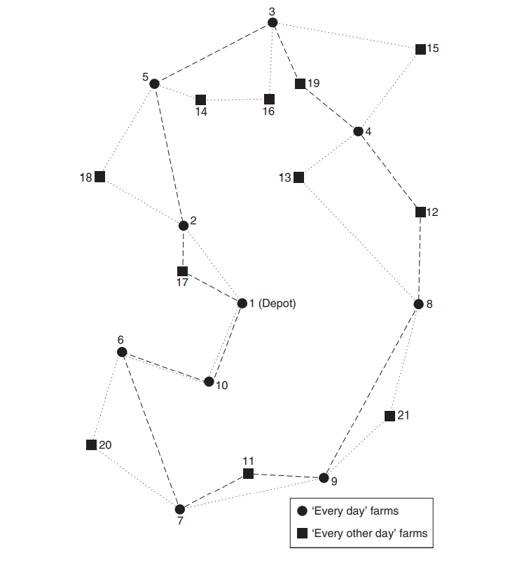
Day1 | 1-2-18-5-14-3-15-4-12-8-9-11-7-6-10-1 |  |  | 1230.56 miles | 68 |  | 11 | 4
 |  |  |  |  |  |  | 12 | 7
Day2 | 1-17-2-5-3-19-16-4-13-8-21-9-7-20-6-10-1 |  |  |  | 79 |  | 13 | 3
 |  |  |  |  |  |  | 14 | 4
 |  |  |  |  |  |  | 15 | 5
 |  |  |  |  |  |  | 16 | 6
 |  |  |  |  |  |  | 17 | 8
 |  |  |  |  |  |  | 18 | 5
 |  | Book Result |  |  |  |  | 19 | 7
 |  |  |  |  |  |  | 20 | 6
Final Tours |  |  |  | Distance covered | Milk collection |  | 21 | 6
Day1 | 1-2-18-5-14-3-15-4-12-8-9-11-7-6-10-1 |  |  | 1229 miles | 68

Day2 | 1-17-2-5-3-19-16-4-13-8-21-9-7-20-6-10-1 |  |  |  | 79

 |  | Open solver Results

 |  | For 1230.56 miles
Final Tours |  |  |  | Distance covered | Milk collection
Day1 | 1-2-5-3-15-4-12-8-21-9-11--7-20-6-10-1 |  |  | 1230.56 miles | 71

Day2 | 1-10-6-7-9-8-13-4-16-19-3-14-5-18-2-17-1 |  |  |  | 76

1230.56

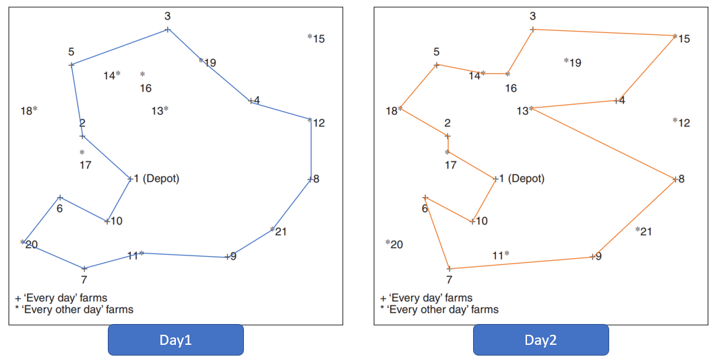

 | Using Rounded off distance matrix
 |  | For 1229 miles
Final Tours |  |  |  | Distance covered | Milk collection
Day1 | 1-2-5-3-19-4-12-8-21-9-11-7-20-6-10-1 |  |  | 1229 miles | 67

Day2 | 1-10-6-7-9-8-13-4-15-3-16-14-5-18-2-17-1 |  |  |  | 80

1229

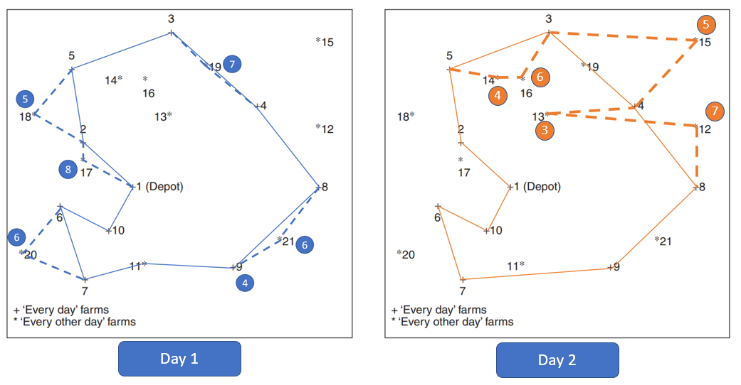

1245
 |  | Greedy Algorithm
 |  | Heuristic approach
Final Tours |  |  |  | Distance covered | Milk collection
Day1 | 1-17-2-18-5-3-19-4-8-21-9-11-7-20-6-10-1 |  |  | 588 | 79

Day2 | 1-2-5-14-16-3-15-4-13-12-8-21-9-7-6-10-1 |  |  | 657 | 68

 |  |  | Total | 1245

Steps:
1) Connect all the 1 to 10 farms and then add the nearby farms taking capacity constraints into consideration.
2) Connect the remaining farms with 1 to 10 for second day.

