Sheet1
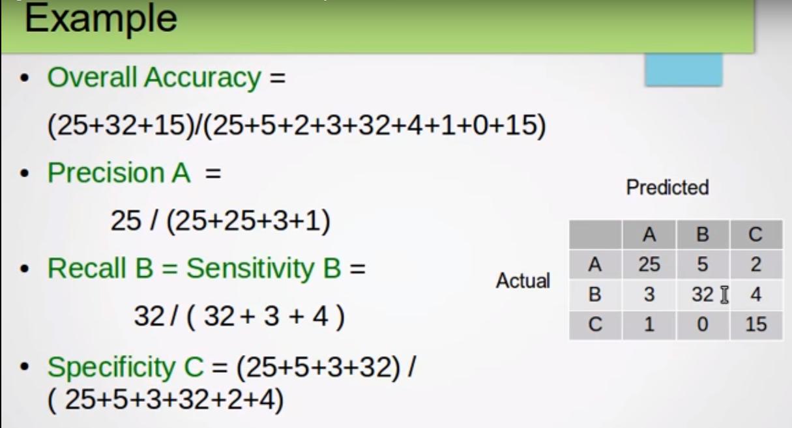
 | Days | 0 | 1 |  |  | Days | 0 | 1
 | 0 | 226 | 65 |  |  | 0 | TP | FP
 | 1 | 47 | 212 |  |  | 1 | TN | TN

 |  | Predicted |  |  |  |  | Predicted
 | Days | 0 | 1 | 2 |  | Days | 0 | 1 | 2
Actual | 0 | 226 | 65 | 20 | Actual | 0 | TP-day0 | Error-Day_0_1 | Error-Day_0_2
 | 1 | 47 | 212 | 36 |  | 1 | Error-Day_1_0 | TP-day1 | Error-Day_1_1
 | 2 | 28 | 80 | 144 |  | 2 | Error-Day_2_0 | Error-Day_1_1 | TP-day2

