BugReport
ID | Summary | Description | Steps to reproduce | Reproducibility | Severity | Priority | Symptom | Workaround | Comments | Attachments
1 | Upon opening the IDEA portal link via browser an anonymous user is directed to 'Home page' | Opening the IDEA portal link via browser redirect any user to 'Home page' Actual result: Opening the IDEA portal link via browser redirect any user to 'Home page' Expected result: Opening the IDEA portal link via browser redirect any user to 'Log in' window Req. 2 | 1) Open the IDEA portal link via browser 2) See the 'Home page' | Always | Critical | ASAP | unexpected behavior | No
2 | Back' and 'Add' buttons are disabled in 'Add Idea' window when idea is added at the first time | When new user signs up and adding idea at the first time, buttons on the bottom of 'Add Idea' window are disabled Actual result: buttons 'Back' and 'Add' are disabled Expected result: buttons 'Back' and 'Add' are enabled | Preparations: sign up a new user 1) Click 'I Have Idea!' 2) See the buttons on the bottom of the window | Always | Critical | ASAP | unexpected behavior | No | Any navigation (profile or home) after clicking 'I Have Idea' makes buttons 'Back' and 'Add' enable | 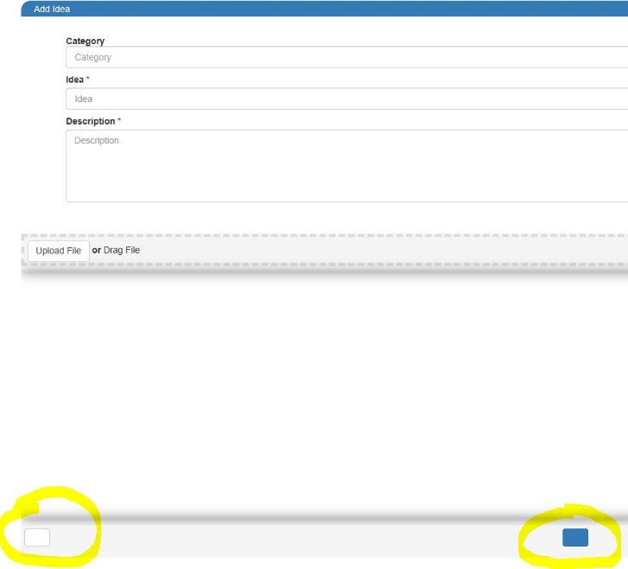
3 | Password length in 'Password' field on 'Registration' window is limited | Length of password in 'Password' field on 'Registration' window is limited by 20 symbols Actual result: password max length is 20 symbols Expected result: max length of password is unlimited | 1) Navigate to 'Registration' window 2) Click on 'Password' field 3) Input 21 or more symbols 4) See the error hint | Always | Major | High | missing feature | No |  | 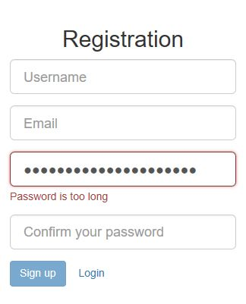
4 | Numbers in the beginning of email in 'Email' field on 'Registration' window are not allowed | If email in 'Email' field on 'Registration' window starts with numbers error hint is appears Actual result: Error hint is displayed when email starts with numbers Expected result: Email address can contain numbers in the beginning | Preparations: Create email address which name starts with numbers (for example 1esqdqd@mail.ru) 1) Navigate to 'Registration' window 2) Click on 'Email' field 3) Input 1esqdqd@mail.ru 4)See the error hint | Always | Critical | ASAP | missing feature | No |  | 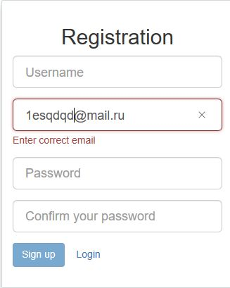
5 | Email length in 'Email' field on 'Registration' window is limited | Length of Email in 'Email' field on 'Registration' window is limited by 30 symbols Actual result: Email max length is 30 symbols Expected result: max length of Email is unlimited Req. 2.1.2 | 1) Navigate to 'Registration' window 2) Click on 'Email' field 3) Input 31 or more symbols 4) See the error hint | Always | Critical | ASAP | missing feature | No |  | 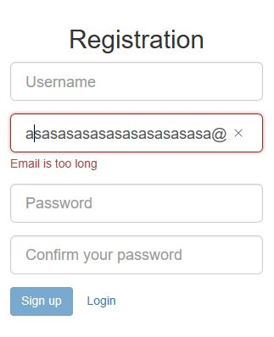
6 | Impossible to sigh up via third-party accounts | Clicking 'Sign in with Facebook', 'Sign In with Google' and 'Sign in with VK' result in redirecting to error page Actual result: Clicking 'Sign in with Facebook', 'Sign In with Google' and 'Sign in with VK' result in redirecting to error page Expected result: Clicking 'Sign in with Facebook', 'Sign In with Google' and 'Sign in with VK' result in user sign up via third-party accounts | 1) Click 'Sign in with Facebook' button 2) See error message 3) Navigate back to 'Sign Up' window 4) Click 'Sign In with Google' button 5) See error message 6) Navigate back to 'Sign Up' window 7) Click 'Sign in with VK' button 8)See error message | Always | Critical | ASAP | missing feature | No |  | 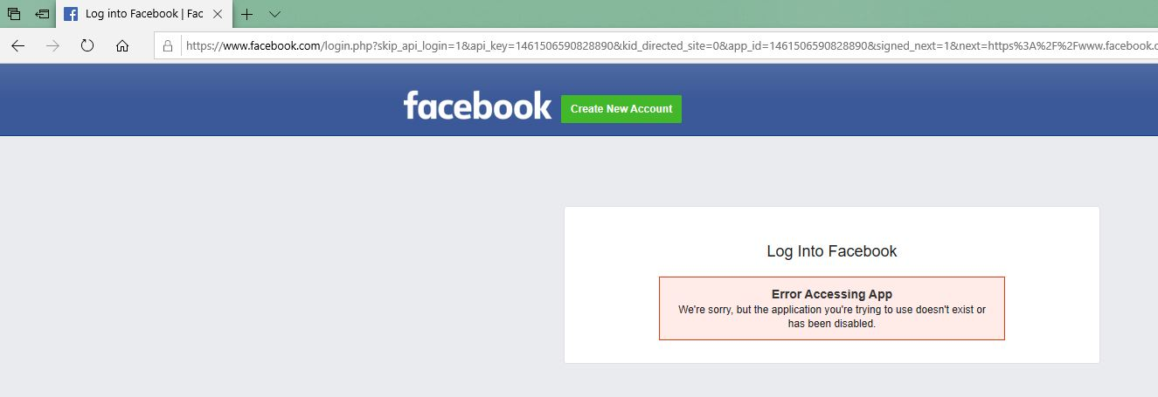 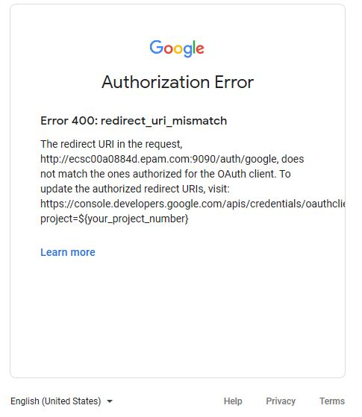
7 | Allowed username length is less then required in 'Registration' window | Max length in 'Username' field is 20 symbols instead of 25 Actual result: validation fails if 21 or more valid symbols are inputted Expected result: validation is successful if 21-25 symbols are inputted | Preparations: navigate to 'Registration' window 1)Input 21-25 valid symbols in 'Username' field | Always | Major | High | missing feature | No | Error message is incorrect | 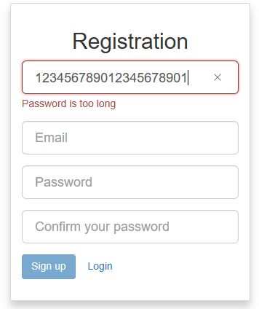
8 | Confirm Password' field in 'Sign Up' window is enabled by default | When new user signs up, 'Confirm Password' field is enabled defaults Actual result: 'Confirm Password' field is enabled defaults Expected result: 'Confirm Password' field is disabled defaults Req. 2.1 | 1. Click 'Register' link 2. Click on 'Confirm Password' field 3. Input any symbol | Always | Minor | Normal | missing feature | No |  | 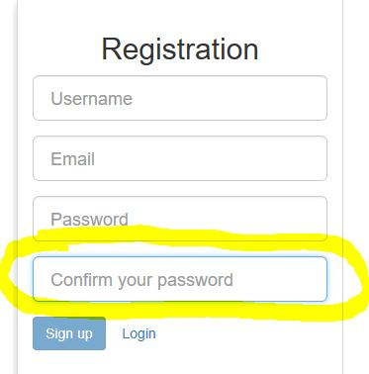
9 | Validation of empty fields is not performed | Clicking off mandatory text fields with no input provided doesn't result in red frame Actual result: Clicking off mandatory text fields with no input provided result in nothing Expected result: Clicking off mandatory text fields with no input provided result in text field red framed | Preparations: Navigate to 'Registration' window 1. Click on text fields ('Username', 'Email', 'Password') 2. Click off text fields (leave it empty) 3. See clicked off fields | Always | Medium | Normal | missing feature | No | Such a behavior is for all text fields in portal
10 | Forgot your password?' link is absent in 'Log In' window | It is impossible to update password on 'Log In' window Actual result: There is no 'Forgot your password?' link in 'Log In' window Expected result: 'Forgot your password?' link in 'Log In' window allows to update password | Preparations: navigate to 'Log In' widow 1) See 'Forgot your password?' link | Always | Major | High | missing feature | No |  | 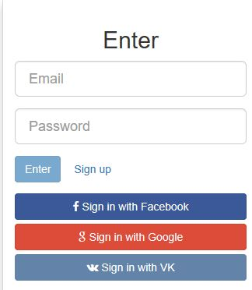
11 | Password visibility toggle disappears after clicking off 'Password' fields | Password visibility toggle is absent in password fields by default. After input starts visibility toggle appears and complete disappears after clicking off password field Actual result: password visibility toggle is absent by defaults, appears after any data inputted, and disappears after clicking-off password field Expected result: password visibility toggle is available by defaults and remains in password field after clicking off | 1) Navigate to 'Log In' window 2) See visibility toggle in 'Password' field 3) Click on 'Password' field 4)Type any data (numbers for example) 5) See visibility toggle in 'Password' field 6) Click-off 'Password' field 7) visibility toggle in 'Password' field | Always | Medium | High | missing feature | No | Such a behavior is for all password fields in portal (for 'Sign Up' window) | 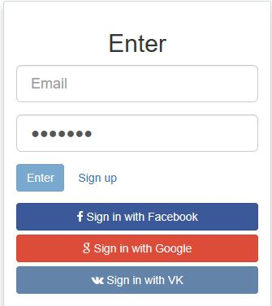 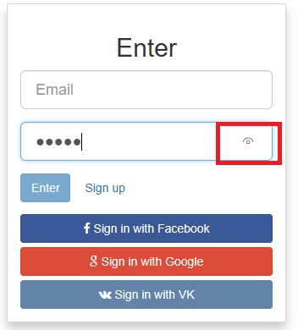
12 | New idea is displayed twice | Created ideas are displayed twice in nearby fields Actual result: every idea is displayed twice Expected result: every idea is displayed once | Preparations: log in in system, create new idea with valid data 1) Click on username link at home page 2) Click 'My Ideas' on drop list 3) See created idea | Always | Major | High | unfriendly behavior | No
13 | User can change status of his own idea | After creation a new idea, user can change its status by himself after choosing created idea and clicking 'Change' button Actual result: User can change status of his idea Expected result: Status of idea is not editable Req. 5.1 | Preparations: log in in system, create new idea with valid data 1) Click on username link at home page 2) Click 'My Ideas' on drop list 3) Click on created idea 4) Click 'Change' button 5) Click on 'State' drop list 6) Choose any status ('New' for example) 7) Click 'Update' button 8) See created idea with new status on home page | Always | Critical | ASAP | missing feature | No |  | 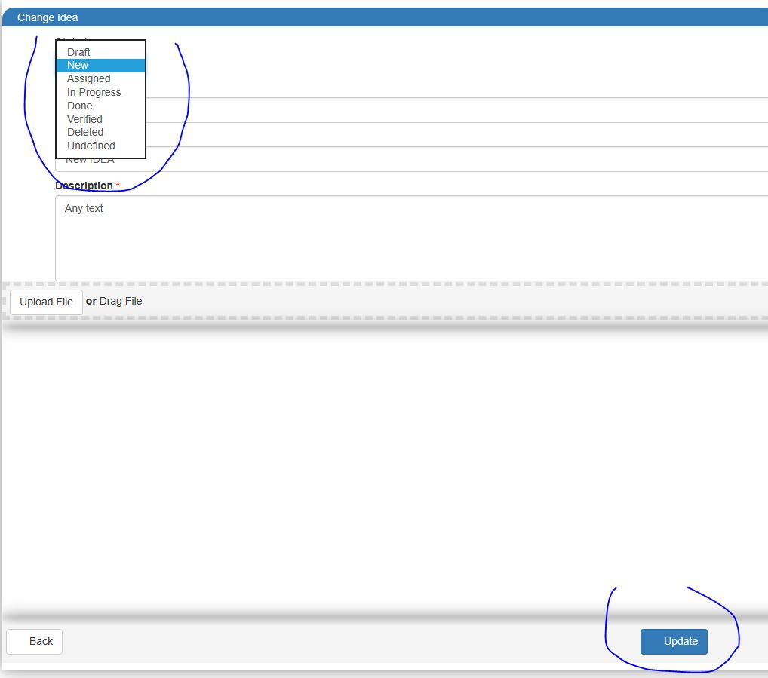
14 | Impossible to delete created idea in 'My ideas' menu | After creation a new idea it is impossible to delete it Actual result: user can't delete his ideas Expected result: user can delete his own ideas | Preparations: log in in system and create any idea 1) Click on username 2) Choose 'My ideas' in drop list 3) Click on created idea 4) Click 'Delete' button 5)See pop-up window with Russian text message 6) Click 'Ok' button 7)Click on username 8) Choose 'My ideas' in drop list 9) See deleted idea | Always | Medium | Normal | missing feature | No |  | 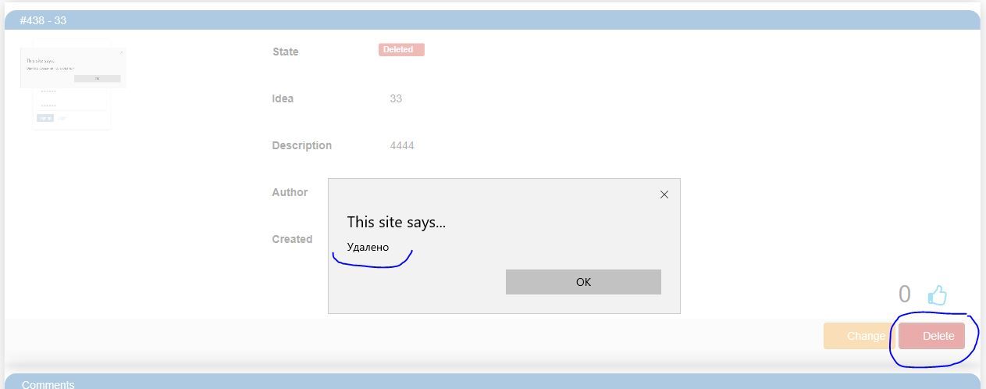 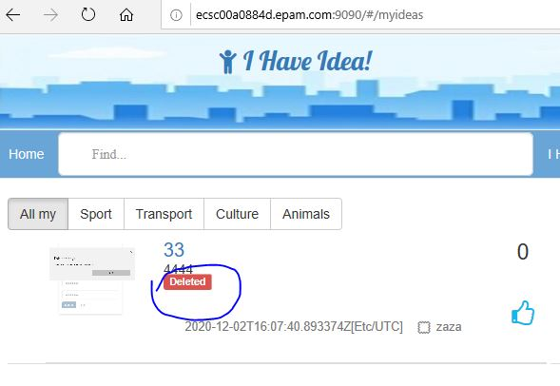
15 | Search by text idea cards in the content area are not sorted descending by popularity | Idea cards searched by text are not sorted descending by popularity Actual result: Idea cards searched by text are not sorted descending by popularity Expected result: Idea cards searched by text are sorted descending by popularity | 1) Click on 'Search' field 2) Type 'f' symbol 3) see search result | Always | Medium | Normal | missing feature | No |  | 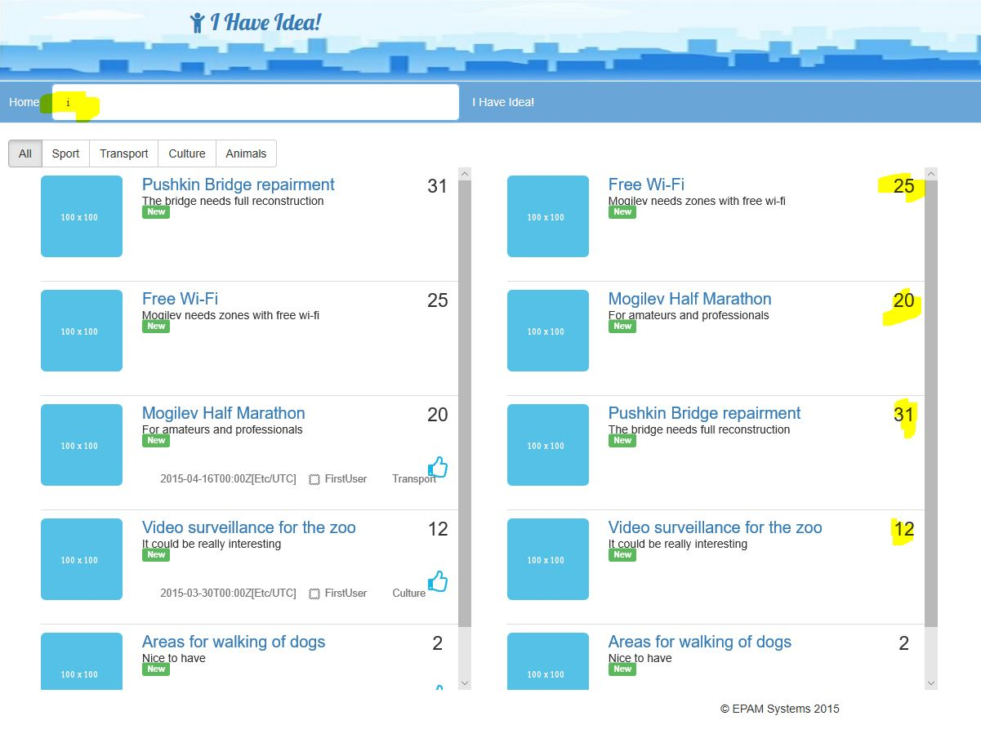
16 | Category' field at 'Add Idea' window is not mandatory | When user add a new idea, 'Category' field is not mandatory, and have not pre-configured list Actual result: it is impossible to choose any category from pre-configured list and possible leave 'Category' field empty when add idea Expected result: 'Category' field is mandatory and have pre-configured list to choose category | Preparations: log in in system 1)Click 'I have idea' button 2) Click on 'Category' field 3) See pre-configured list 4)Fill in 'Idea' and 'Description' fields with any data 5) Click 'Add' button 6) Navigate to 'My Ideas' | Always | Major | High | missing feature | No |  | 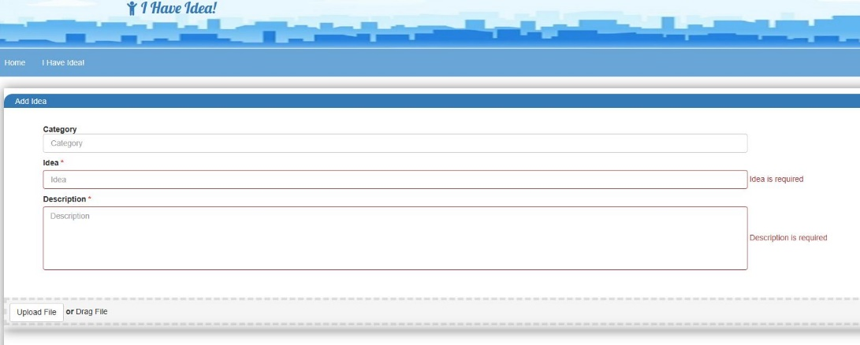
17 | Description' field length is limited up to 298 symbols | Idea description field input is limited by 298 symbols instead of 4000 symbols Actual result: max length of 'Description' field is 298 symbols Expected result: max length of 'Description' field is 4000 symbols | 1) Log in in system 2) Click 'I have idea' button 3) Click on 'Description' field 4) Input more than 298 symbols 5) Click 'Add' button 6) See error message | Always | Major | High | missing feature | No | incorrect error message - see screenshot | 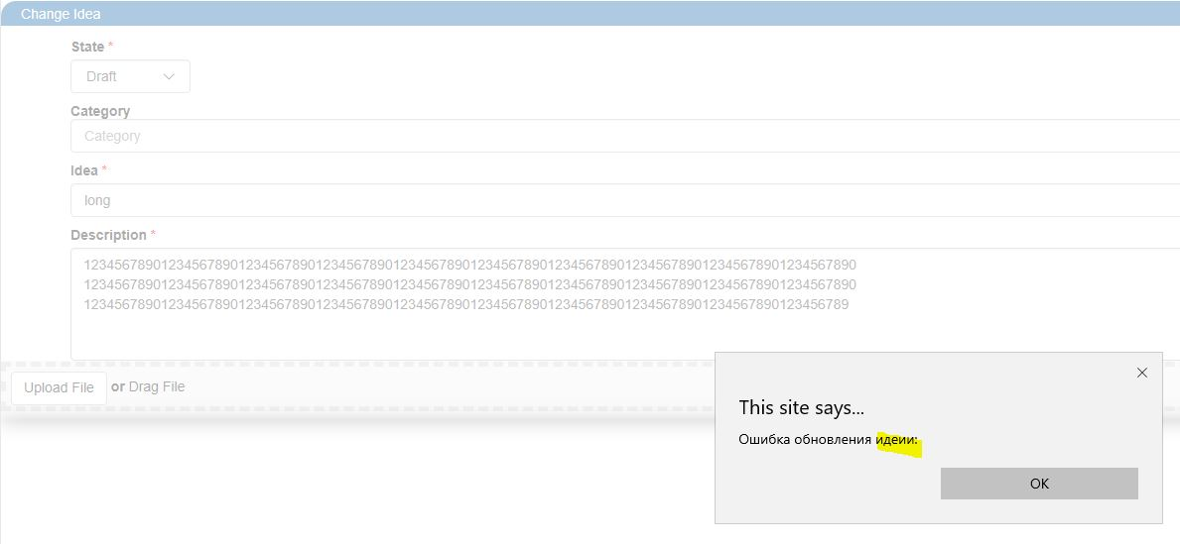
18 | Uploading invalid image in 'Add idea' window without error feedback messages during validation | When upload invalid (size or file type) image in 'Add idea' window image is not uploads and no error feedback messages appears Actual result: Uploading invalid image without error feedback message Expected result: Uploading invalid image results in error feedback message (in dependence of file size or file type) | 1) Log in in system 2) Click 'I have idea' button 3) Click on 'Upload file' 4) Choose invalid image file (for example image size large than 1000x1000 px OR .mp3 file type) | Always | Medium | Normal | missing feature | No
19 | Button to submit changing password in user account without a label | Button that submit changing password without any label Actual result: Button that submit changing password without any label Expected result: Button that submit changing password with label (for example 'Submit') | Preparations: log in in system 1) Click on username link at home page 2) Click 'Profile' 3) See 'Submit' button | Always | Medium | Normal | unfriendly behavior | No |  | 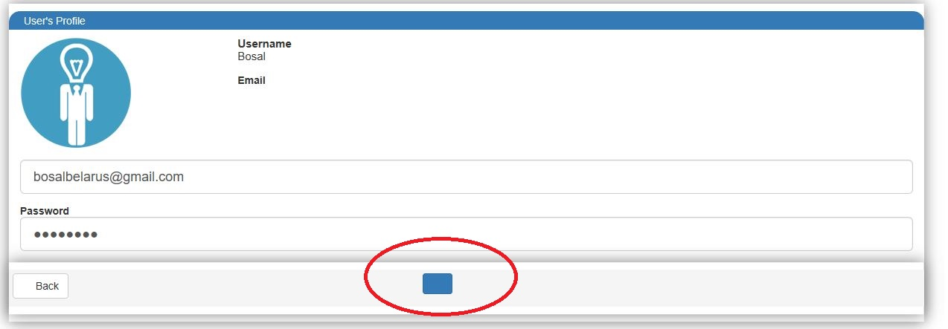
20 | Username' and 'Language' menus are not fixed on its places on the right corner | Username' and 'Language' menus are moved down when window is scrolled Actual result: 'Username' and 'Language' menus are moveable Expected result: 'Username' and 'Language' menus are fixed | 1) Minimize window size to scroll bars appears 2) Scroll down the window 3) See 'Username' and 'Language' menus moving | Always | Minor | Low | cosmetic flaw | No
21 | After user log in system he get to 'Registration' window | When user navigate to 'Log In' window from 'Registration' window after he log in system he get to 'Registration' window again Actual result: user get to 'Registration' window after he log in system Expected result: after successful log in system user entry into the system Req. 2.2 | 1) Go to 'Registration' window 2) Click 'Log in' link 3) Log in with valid data 4) See 'Registration' window | Always | Minor | Low | unfriendly behavior | no |  | 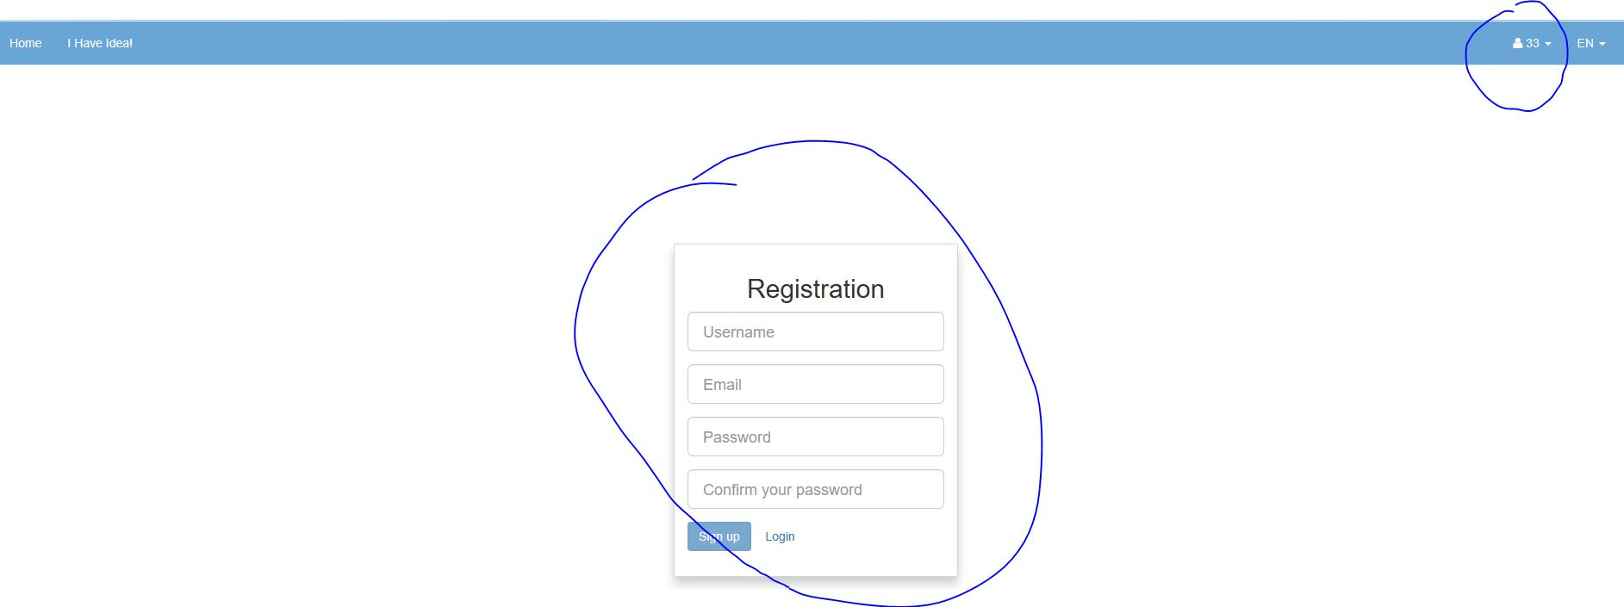
22 | Hovering the cursor over the idea's name on home page removing information from idea card preview | When any user try to cursor hover over idea's name, time of idea creation disappears Actual result: Information about time of idea creation disappears Expected result: hovering cursor over the idea's name do not make information disappear | 1) Go to home page 2) Hover cursor over the idea title 3) See idea's time creation | Always | Minor | Normal | unexpected behavior | no
23 | Clicking logo in the header results in creating a new idea instead of reload homepage | Logo in the header acts as 'Create new idea' if user authorized or redirect to 'Log In' window if user not authorized Actual result: Logo in the header acts as 'Create new idea' if user authorized or redirect to 'Log In' window if user not authorized Expected result: Clicking logo in the header reloads homepage Req. 3.6 | 1) Go to home page 2) Click logo in the header | Always | Major | High | unexpected behavior | no

