Sheet1
6
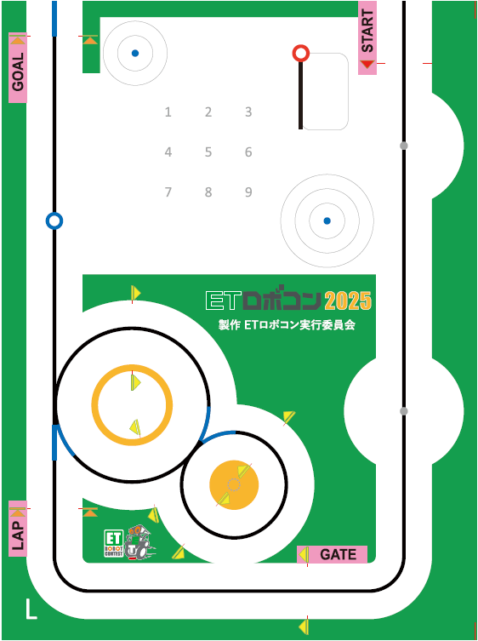

1
5

4
2

3

