Table 2
2013 Internet Crime Report Executive Summary Now in its 14th year of operation, the Internet Crime Complaint Center (IC3) has firmly established its role as a valuable resource for both victims of Internet crime and law enforcement agencies investigating and prosecuting these crimes. For the victims, the IC3 provides a convenient and easy-to-use reporting mechanism that alerts authorities to suspected criminal violations. For law enforcement agencies, the IC3 serves as a conduit to receive Internet-related complaints, to conduct research related to them and to develop analytical reports for state, local, federal, tribal or international law enforcement and regulatory agencies. These agencies then develop investigations based on the forwarded information as appropriate. In 2013, the IC3 received 262,813 consumer complaints with an adjusted dollar loss of $781,841,6111, which is a 48.8 percent increase in reported losses since 2012 ($581,441,110). The IC3 continues its efforts to inform the general public about online scams by publishing public service announcements and providing tips for Internet consumers.
The IC3’s success attracts international interest. Canada, the United Kingdom and Germany use the IC3 as a model for similar cybercrime centers. In furtherance of its continuing support of foreign law enforcement, the IC3 prepared dozens of country-specific statistical reports and disseminated hundreds of complaint referrals to FBI legal attaché offices throughout the world. In 2014, the IC3 continues to pursue its mission to serve both the online public and law enforcement and regulatory agencies throughout the entire global community.

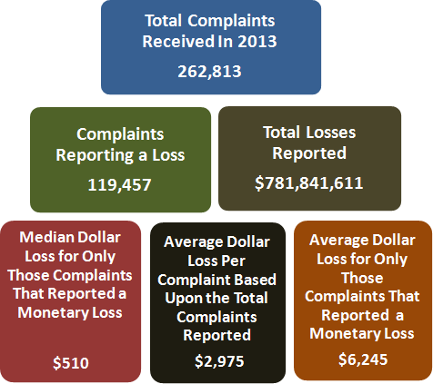
 | year | count
 | 2000 | 16,838
 | 2001 | 50,412
 | 2002 | 75,064
 | 2003 | 124,449
 | 2004 | 207,492
 | 2005 | 231,493
 | 2006 | 207,492
 | 2007 | 206,884
 | 2008 | 275,284
 | 2009 | 336,655
 | 2010 | 303,809
 | 2011 | 314,246
 | 2012 | 289,874
 | 2013 | 262,813

