hot topics
Successes Prosecutions Real Estate/Rental Fraud: FBI San Diego The IC3 provided multiple complaints with a monetary loss of $232,258.58 to FBI San Diego in March 2015. The complaints reported that Geoffrey Paul Moncrief was using properties listed on various vacation home rental websites to defraud victims of money, on an average of $8,000 per person. Subsequent investigation showed that Moncrief took full payment from multiple parties without delivering the real estate. Moncrief was ultimately charged in San Diego Superior Court with 28 Counts of violating California Penal Code section 487(a), Grand Theft. Moncrief entered a guilty plea to 26 counts of and was sentenced in San Diego Superior Court to 365 days corrective custody, three years of formal probation, and restitution in the amount of $232,258.58. Wire Fraud: FBI San Diego In February 2010, the IC3 provided multiple complaints to FBI San Diego reporting a monetary loss of $279,277. Complainants reported Christopher John Cozzie was selling pirated copies of infra-red imaging systems used in breast exams. Cozzie marketed these infra-red systems to include hardware, software, and training at a cost of approximately $35,000 per system but he either never delivered, or only partially delivered, on the orders.
Cozzie was indicted on ten counts of Wire Fraud, 18 U.S.C. 1343. He entered a guilty plea to one count of wire fraud and was sentenced to six months corrective custody, three years supervised release, and restitution in the amount of $279,277.
Operation Wellspring (OWS) Initiative OWS builds the cyber investigative capability and capacity of the state and local law enforcement community. Through close collaboration with local field offices, IC3 helps state and local law enforcement partners identify and respond to malicious cyber activity.
Key Components • Serves as a national platform • Trains state and local law enforcement to receive, develop, and refer officers on cyber crime investigations. Internet-facilitated fraud • Addresses Internet-facilitated criminal cases complaints. not meeting most federal investigative • Coordinates with FBI Cyber thresholds by utilizing Cyber Task Force and Criminal components. (CTF) state and local officers.
CTFs The OWS Initiative was launched in August 2013 with the Salt Lake City CTF, in partnership with the Utah Department of Public Safety. OWS has expanded to 11 field offices: Albany, Buffalo, Kansas City, Knoxville, Las Vegas, New York City, New Orleans, Oklahoma City, Phoenix, Salt Lake City, and San Diego. | 
Total OWS Opened Investigations The IC3 receives, on average, 800 complaints per day, and OWS offers CTFs a consistent resource to identify Internet fraud subjects and victims located throughout the world. Thirty-seven investigations were opened in 2016. Accomplishments included arrests, disruptions, and convictions. Financial restitutions were made and criminals were sentenced. | 
Victim Complaints The IC3 provided 174 referrals to 11 CTFs based on 2,719 complaints. The total victim loss associated with these complaints was approximately $14.4 million. | 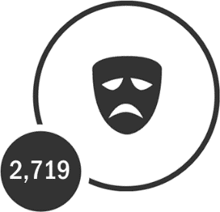
Hot Topics for 2016 Business Email Compromise (BEC) Business Email Compromise (BEC) is defined as a sophisticated scam targeting businesses working with foreign suppliers and/or businesses who regularly perform wire transfer payments. The Email Account Compromise (EAC) component of BEC targets individuals who perform wire transfer payments. The techniques used in both the BEC and EAC scams have become increasingly similar, prompting the IC3 to begin tracking these scams as a single crime type in 2017. The scam is carried out when a subject compromises legitimate business email accounts through social engineering or computer intrusion techniques to conduct unauthorized transfers of funds.
Most victims report using wire transfers as a common method of transferring funds for business purposes; however, some victims report using checks as a common method of payment; The fraudsters will use the method most commonly associated with their victim’s normal business practices.
Fraudulent transfers have gone through accounts in many countries, with a large majority traveling through Asia. The scam began to evolve in 2013 when victims indicated the email accounts of Chief Executive Officers or Chief Financial Officers of targeted businesses were hacked or spoofed, and wire payments were requested to be sent to fraudulent locations. BEC/EAC continued to evolve, and in 2014 victim businesses reported having personal emails compromised and multiple fraudulent requests for payment sent to vendors identified from their contact list. In 2015, victims reported being contacted by subjects posing as lawyers or law firms instructing them to make secret or time sensitive wire transfers. BECs may not always be associated with a request for transfer of funds. In 2016, the scam evolved to include the compromise of legitimate business email accounts and requests for Personally Identifiable Information (PII) or Wage and Tax Statement (W-2) forms for employees.
The BEC/EAC scam is linked to other forms of fraud, including but not limited to: romance, lottery, employment, and rental scams. The victims of these scams are usually U.S. based and may be recruited to illegally transfer money on behalf of others. In 2016, the IC3 received 12,005 BEC/EAC complaints with losses of over $360 million.
Ransomware Ransomware is a form of malware targeting both human and technical weaknesses in an effort to deny the availability of critical data and/or systems. Ransomware is frequently delivered through various vectors, including phishing and Remote Desktop Protocol (RDP). RDP allows computers to connect to each other across a network. In one scenario, spear phishing emails are sent to end users resulting in the rapid encryption of sensitive files on a corporate network. When the victim organization determines they are no longer able to access their data, the cyber actor demands the payment of a ransom, typically in virtual currency such as Bitcoin. The actor will purportedly provide an avenue to the victim to regain access to their data. Recent iterations target specific organizations and their employees, making awareness and training a critical preventative measure. In 2016, the IC3 received 2,673 complaints identified as ransomware with losses of over $2.4 million.
See footnote for accessibility description of image.5
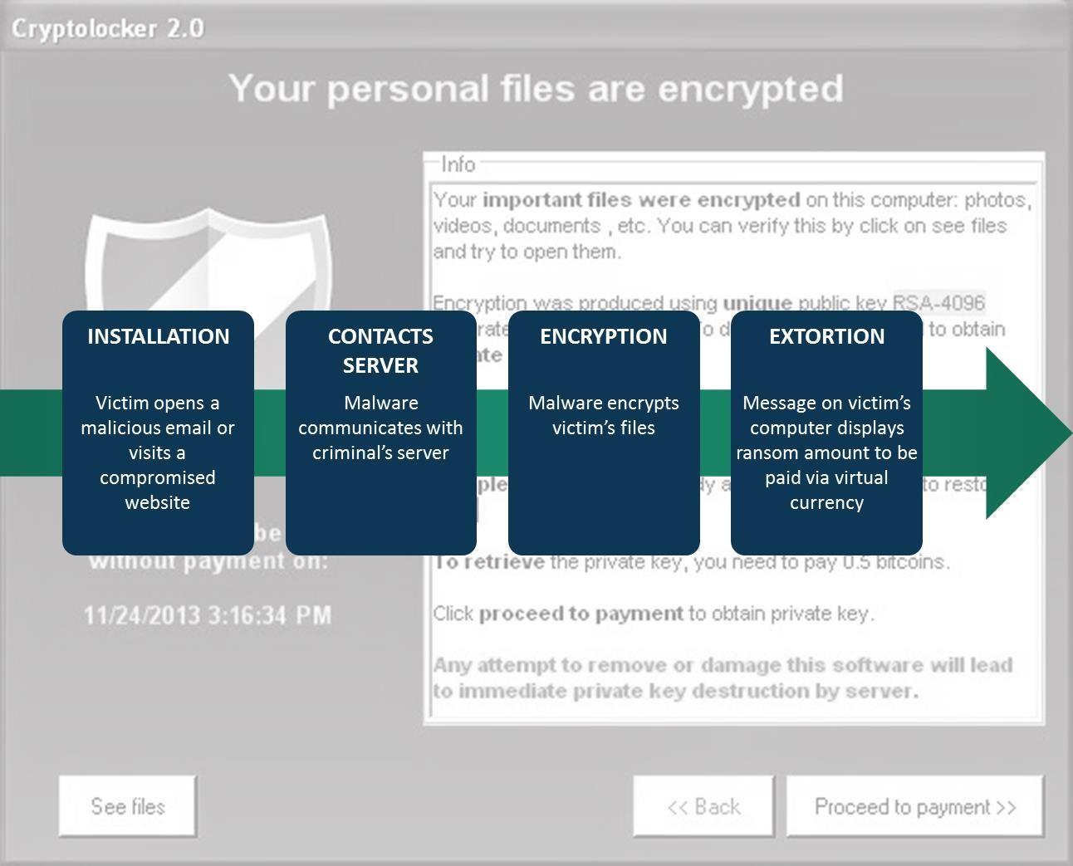
5 Image depicts typical ransomware process: Step One – Installation: victim opens a malicious email or visits a compromised website. Step Two – Contacts Server: malware communicates with criminal’s server; Step Three – Encryption: malware encrypts victim’s files; Step Four – Extortion: Message on victim’s computer displays ransom amount, to be paid via virtual currency.

Tech Support Fraud Tech support fraud occurs when the subject claims to be associated with a computer software or security company, or even a cable or Internet company, offering technical support to the victim. Phony tech support companies utilize several different methods to contact or lure their victims. This list is not all inclusive, as the subjects are always varying their schemes.
1. Cold call 2. Pop-up or locked screen 3. Search Engine Optimization: The subject pays to have their company websites appear in the top of search results when a victim searches for technical support. 4. URL Hijacking / Typosquatting: The subject relies on mistakes made by the victim when entering a URL, which either causes an “error” or redirects to the subject’s website.
Once the phony tech support company or representative makes verbal contact with the victim, the subject tries to convince the victim to provide remote access to their device. Once the subject has control, additional criminal activity occurs. For example: • The subject takes control of the victim’s device and/or bank account, and will not release control until the victim pays a ransom. • The subject accesses computer files containing financial accounts, passwords, or personal data (health records, social security numbers, etc.). • The subject intentionally installs viruses on the device. • The subject threatens to destroy the victim’s computer or continues to call in a harassing manner.
A variation of the fraud, where the subject contacts the victim offering a refund for tech support services previously rendered, has increased. The victim is convinced to allow the subject access to their device and to log onto their online bank account to process the refund. The subject then has control of the victim’s device and bank account; With this access, the subject claims to have “mistakenly” refunded too much money to the victim’s accounts, and requests the victim wire the difference back to the subject company. In reality, the subject transferred funds among the victim’s own accounts (checking, savings, retirement, etc.) to make it appear as though funds were deposited. The victim wires money to the subject, thereby suffering a loss, and does not find out until later the “overpayment” was simply a shift of funds between the victim’s own accounts; The refund and wiring process can occur multiple times, thereby exacerbating the losses.
The IC3 has received thousands of tech support related fraud complaints. Victims have lost millions of dollars to the perpetrators. In 2016, the IC3 received 10,850 tech support fraud complaints with losses in excess of $7.8 million. While the majority of tech support fraud
victims are from the U.S., the fraud was reported by victims in 78 different countries. The fraud affects victims of all ages; however, older victims are often the most vulnerable.
Extortion Extortion is defined as an incident when a cyber criminal demands something of value from a victim by threatening physical or financial harm or the release of sensitive data. Extortion is often used in various schemes reported to the IC3, including Denial of Service attacks, hitman schemes6, sextortion7, Government impersonation schemes, loan schemes8, and high-profile data breaches9. Another tactic exploited in extortion schemes is the use of virtual currency as a payment mechanism. Virtual currency provides the cyber criminal an additional layer of anonymity when perpetrating these schemes. The IC3 continues to receive complaints regarding various extortion techniques. In 2016, the IC3 received 17,146 extortion-related complaints with adjusted losses of over $15 million.

age and stats
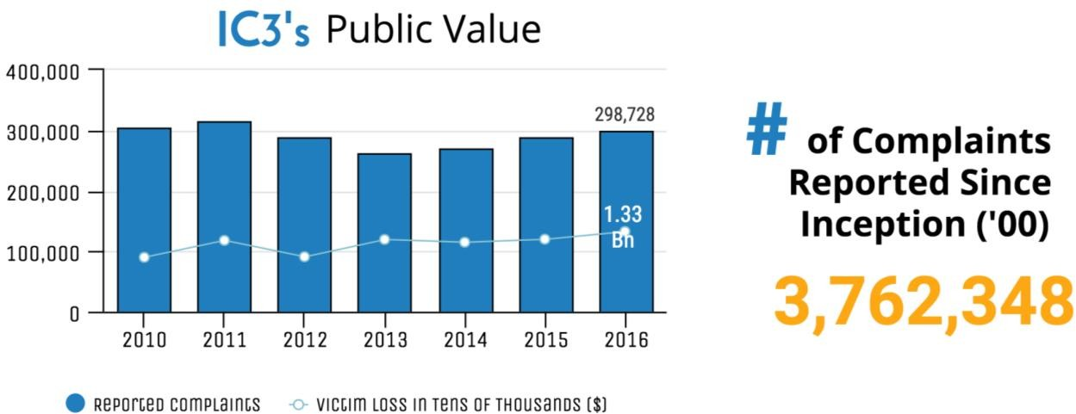
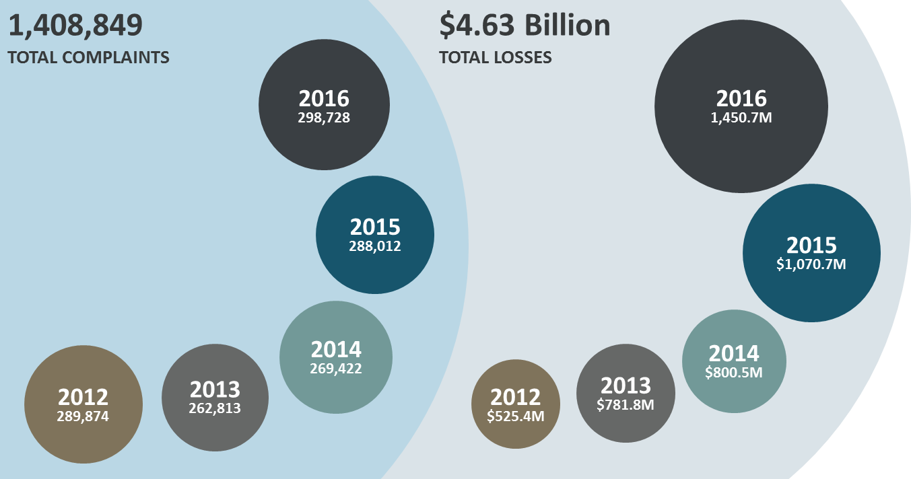
 |  |  | Approximately 280,000 Average Complaints Received Each Year
Age Range | Total Count | Total Loss | Victim Losses in 2016 1.33 Billion
Under 20 | 10,004 | $6,698,742 | Over 800 Average Complaints Received Per Day
20 - 29 | 46,266 | $68,015,095
30 - 39 | 54,670 | $190,095,752
40 - 49 | 51,394 | $224,322,960
50 - 59 | 49,208 | $298,145,628
Over 60 | 55,043 | $339,474,918

