Sheet1
 | Linux booting sequence

1. These are milestones for Linux booting sequence
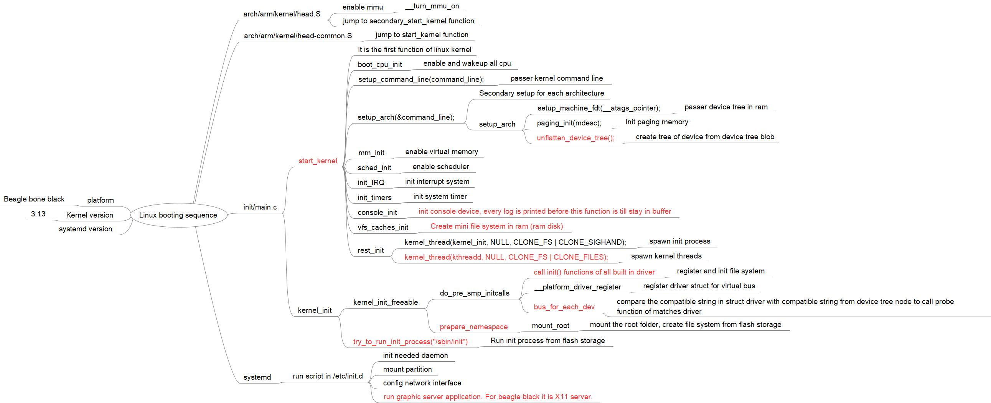
power on
jump to boot rom
boot rom run to uboot
uboot load kernel image + dtb to ram
uboot run start_kernel function
start_kernel init cpu, memory, init multi thread
kernel call init functions of all built-in driver
kernel call init VFS
kernel call INIT process
Init process init some daemon process
Init process init graphic server
Init process run login script

2. How to reduce booting time
 | 2.1 remove unneeded feature in u-boot
 | Make uboot with "menuconfig" target, remove unnedded feature in uboot. For example: commandline, ethernet, file system,…
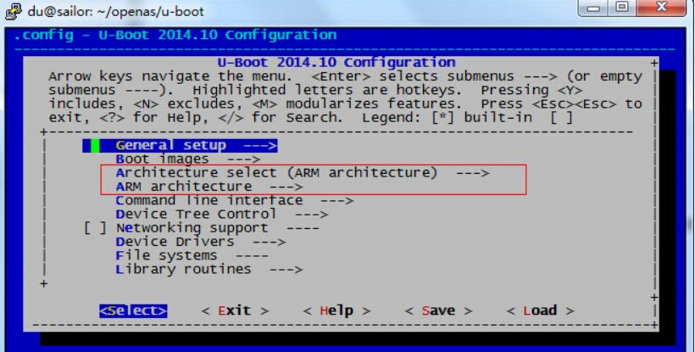

 | 2.2. remove unneeded feature in kernel
 | Make kernel with "menuconfig" target, remove unnedded feature in uboot. For example: commandline, ethernet, unnedded file system, debugging, footprint,….
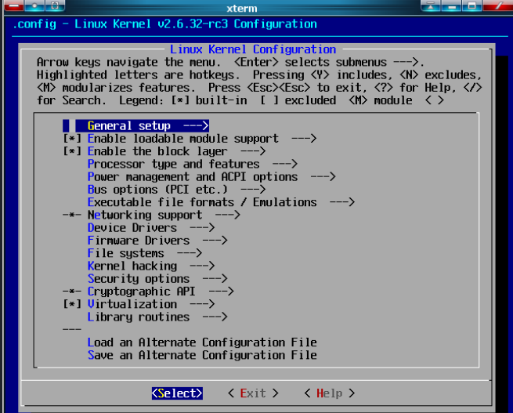

 | 2.3 change sequence of init script
 | modify script in /etc/init.d to run graphic first

 | => many people can reduce booting time from 10s to 3 - 4s without modify Linux kernel source code. They just follow these above steps.

3. How to reduce booting time from 10s to less than 1s.
Can Linux boot up with less than 1s?

Linux can not boot with less than 1s, but we can init graphic with only 0.5 - 1s from power on. So users may think booting time of our system is 0.5 - 1s
To do this, we have to use a trick. It is Graphic Fast Boot.
 | 3.1 The key point of Graphic Fast Boot
 |  | When system shutdown, we save screen picture in to flash. Then, when system start again, we call graphic driver to init graphic in kernel and write sreen picture to graphic buffer.
 |  | Run some critical application in kernel. For example: camera,… These application runs in kernel space and uses kernel threads to run.
 |  | It make screen can start after 0.5 to 1s after power on.
 | 3.2 Steps to implement Graphic Fast Boot

power on
jump to boot rom
boot rom run to uboot
uboot load kernel image + dtb to ram
uboot run start_kernel function
start_kernel init cup, memory, init multi thread
kernel call init functions of all built-in driver
kernel call init VFS
kernel call INIT process
Init process init some daemon process
Init process init graphic server
Init process run login script
old flow
User things system booting success in here
new flow

0s
power on
jump to boot rom

boot rom run to uboot

uboot load kernel image + dtb to ram

uboot run start_kernel function

start_kernel init cpu, memory, init multi thread

kernel call init functions of all built-in driver

kernel call init VFS

1s
Write screen picture to graphic buffer

Run some critical application
User things system booting success in here

kernel call INIT process

Init process init some daemon process

Init process init graphic server

Init process run login script
10s

