Sheet1
Description | Unit | Value of station 1
Name of the unit |  | Maizeret
water volume in the upper reservoir | m³ | 294000
water volume in the lower reservoir | m³ | 294000
target volume at the end of the day(up) | m³ | 138180
Operational costs | Euros/MWh | 3.8
nominal power | MW | 10
upward ramping ability | MW/min | 1
downward ramping ability | MW/min | 0.5
mean efficiency of turbine mode | [0, 1] | 0.937
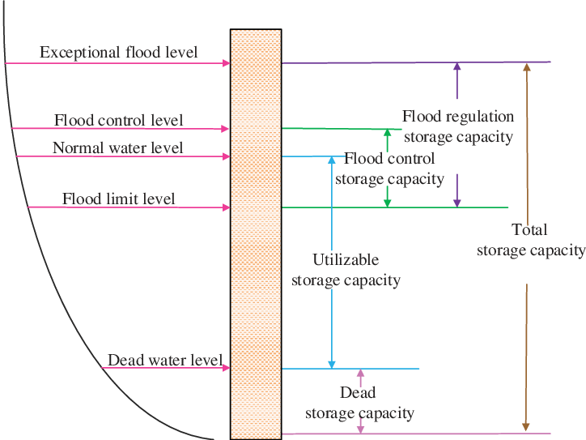
mean efficiency of pump mode | [0, 1] | 0.9375
vertical drop | m | 80.794
minimum head value | m | 50
maximum head value | m | 99
minimum water capacity of upper reservoir | m³ | 0 | 单变量求解
maximum water capacity of upper reservoir | m³ | 588000 | 365906.69856
minimum water capacity of lower reservoir | m³ | 0
maximum water capacity of lower reservoir | m³ | 588000 | r_up
maximum water flows in turbine mode | m³/sec | 12 | 58.779987116
maximum water flows in pump mode | m³/sec | 12
Geometry of upper resevoir | shape | concrete-faced rockfill dam
Surface of the upper reservoir bed | m² | 10854.476
slope coefficient m | dv:dh=1:m | 1.8
Dead water level of upper resevoir | m | 72.394
Normal water level of upper resevoir | m | 99
half-full level of upper resevoir | m | 91.991
Geometry of lower resevoir | shape | connected spherical mine pits
number of sperical mines | Dmnl | 100
radius of sperical mines | m | 11.197
Dead water level of lower resevoir | m | 0.000
Normal water level of lower resevoir | m | 22.394
half-full level of lower resevoir | m | 11.197

Assumptions: 1. Both upper and lower reservoir could operate in any elevation/volume that satisfies its geometry limit. 2. Set the elevation at the bottom of the lower reservoir as the Normalnull. 3. Head value is set in the range from 50m to 99m. 4. The underground spherical mine pits are identical and aligned horizontally. 5. The shape of the upper reservoir is simplied to a truncated cone.

