Cors
Nushagak

 |  |  |  |  | -0.16374376598 | -0.16664268231 | -0.13875896408 | -0.24426511157 | -0.25380293855 | -0.057823478107 | -0.170988974 | -0.23725642334 | -0.20614995507 | -0.18489202075 | -0.18157716574 | -0.24229869226 | -0.28276010867 | -0.16591568608 | -0.123331626 | -0.15759508072 | -0.44666766668 | -0.33340991013 | -0.28178170943 | -0.27820719772 | -0.31762126902 | -0.24907599249 | -0.28596166679 | -0.097954395451 | -0.012784446209 | 0.053746767864 | 0.2059040822 | 0.18553087171 | 0.19705536564 | 0.065224186447 | 0.094125337664 | 0.12912935629 | 0.19175235828 | 0.1724565327 | 0.20796006828 | 0.4857808268 | 0.66632630543 | 0.5507625569 | 0.54999200708 | 0.64940220689 | 0.60925530391
 |  |  |  | CORR-> | 0.21483579661 | 0.29619357674 | 0.22009157401 | 0.26911626011 | 0.19560749227 | 0.41227172981 | 0.31039811974 | 0.16603185691 | 0.32461625878 | 0.15014301653 | 0.22654820655 | 0.21588429617 | 0.15564408842 | 0.13457339874 | 0.17047684362 | 0.25863595859 | 0.42111834125 | 0.27251791529 | -0.12048191734 | 0.047255415019 | 0.078275451606 | -0.21586940015 | -0.1234998243 | -0.41209720944 | -0.23268259569 | -0.25213637041 | -0.28675436048 | -0.14650680422 | -0.0081507760391 | -0.1345141067 | -0.29445065663 | 0.0059892288853 | -0.01421954292 | -0.057030018141 | -0.12812979502 | -0.15135670064 | 0.14776501471 | 0.050247635914 | 0.0089901575767 | -0.20815917526 | -0.20762354106
 |  |  |  | MONTH | 5 | 4 | 3 | 2 | 1 | 12 | 11 | 10 | 9 | 8 | 7 | 6 | 5 | 4 | 3 | 2 | 1 | 12 | 11 | 10 | 9 | 8 | 7 | 6 | 5 | 4 | 3 | 2 | 1 | 12 | 11 | 10 | 9 | 8 | 7 | 6 | 5 | 4 | 3 | 2 | 1
 |  |  | INSERT | TIME | 0 | -1 | -2 | -3 | -4 | -5 | -6 | -7 | -8 | -9 | -10 | -11 | -12 | -13 | -14 | -15 | -16 | -17 | -18 | -19 | -20 | -21 | -22 | -23 | -24 | -25 | -26 | -27 | -28 | -29 | -30 | -31 | -32 | -33 | -34 | -35 | -36 | -37 | -38 | -39 | -40
 |  |  | TIME SERIES
DATE | MONTH | PRCOMP1 | DATA |  | PRC1 for MONTHS PREVIOUS
1982.375 | 5 | 1.683 | 11.890291529 |  | 1.683 | 2.247 | 1.538 | 0.950 | 0.168 | -0.328 | 0.103 | 1.161 | 1.025 | 1.607 | 2.395 | 1.009 | 0.703 | 0.712 | -1.276 | -1.184 | -2.973 | -0.826 | -0.824 | -0.217 | 1.200 | 1.742 | 1.185 | 1.872 | 0.193 | -0.416 | -0.792 | -3.112 | -1.754 | -0.678 | -0.132 | -1.219 | -0.240 | 0.414 | 1.426 | 2.088 | 0.230 | 0.871 | -0.184 | 1.399 | -1.121
1983.375 | 5 | -1.537 | 13.35528475 |  | -1.537 | -1.604 | -4.419 | -5.755 | -4.283 | -3.319 | -2.287 | -1.114 | -0.858 | 0.198 | 0.091 | 0.280 | 1.683 | 2.247 | 1.538 | 0.950 | 0.168 | -0.328 | 0.103 | 1.161 | 1.025 | 1.607 | 2.395 | 1.009 | 0.703 | 0.712 | -1.276 | -1.184 | -2.973 | -0.826 | -0.824 | -0.217 | 1.200 | 1.742 | 1.185 | 1.872 | 0.193 | -0.416 | -0.792 | -3.112 | -1.754
0 | 0.23250220768
-1 | 0.19418495738
-2 | 0.24480962492
-3 | 0.17223421523
-4 | 0.11419906819
-5 | 0.25790267531
-6 | 0.2605693364
-7 | 0.24317859815
-8 | 0.23271882223
-9 | 0.17939586978
-10 | 0.27123117036
-11 | 0.34690472261
-12 | 0.4518206863
-13 | 0.3543722913
-14 | 0.31166290285
-15 | 0.33848075226
-16 | 0.24207065961
-17 | 0.31421534897
-18 | 0.30173361634
-19 | 0.34342066893
-20 | 0.42605006226
-21 | 0.39924915485
-22 | 0.43677137513
-23 | 0.4903756416
-24 | 0.50357718221
-25 | 0.43642354299
-26 | 0.39491334064
-27 | 0.2916850362
-28 | 0.18503545015
-29 | 0.18322866013
-30 | 0.25986778197
-31 | 0.25351675175
-32 | 0.26279699202
-33 | 0.17064659272
-34 | 0.20698505504
-35 | 0.24515131019
-36 | 0.29944273232
-37 | 0.3327529777
-38 | 0.34778786658
-39 | 0.40682254126
-40 | 0.27106768349
ln 2.2s
1984.375 | 5 | 1.881 | 13.542624336 |  | 1.881 | 1.417 | -1.459 | -0.252 | -0.362 | -0.474 | -0.520 | 1.705 | 1.999 | 1.719 | 0.121 | -1.405 | -1.537 | -1.604 | -4.419 | -5.755 | -4.283 | -3.319 | -2.287 | -1.114 | -0.858 | 0.198 | 0.091 | 0.280 | 1.683 | 2.247 | 1.538 | 0.950 | 0.168 | -0.328 | 0.103 | 1.161 | 1.025 | 1.607 | 2.395 | 1.009 | 0.703 | 0.712 | -1.276 | -1.184 | -2.973
1985.375 | 5 | 3.019 | 14.111898181 |  | 3.019 | 3.204 | 2.850 | 1.549 | -1.921 | 1.132 | 0.481 | 1.063 | 0.965 | 1.838 | 2.732 | 2.173 | 1.881 | 1.417 | -1.459 | -0.252 | -0.362 | -0.474 | -0.520 | 1.705 | 1.999 | 1.719 | 0.121 | -1.405 | -1.537 | -1.604 | -4.419 | -5.755 | -4.283 | -3.319 | -2.287 | -1.114 | -0.858 | 0.198 | 0.091 | 0.280 | 1.683 | 2.247 | 1.538 | 0.950 | 0.168
1986.375 | 5 | 1.179 | 13.292632934 |  | 1.179 | 1.711 | -0.435 | -2.742 | -1.827 | -1.873 | 0.736 | 1.566 | 1.852 | 2.442 | 1.954 | 2.140 | 3.019 | 3.204 | 2.850 | 1.549 | -1.921 | 1.132 | 0.481 | 1.063 | 0.965 | 1.838 | 2.732 | 2.173 | 1.881 | 1.417 | -1.459 | -0.252 | -0.362 | -0.474 | -0.520 | 1.705 | 1.999 | 1.719 | 0.121 | -1.405 | -1.537 | -1.604 | -4.419 | -5.755 | -4.283
1987.375 | 5 | -0.335 | 12.327723259 |  | -0.335 | -1.311 | -2.479 | -2.840 | -3.250 | -3.923 | -1.116 | -0.735 | 0.021 | 0.347 | 0.912 | 0.757 | 1.179 | 1.711 | -0.435 | -2.742 | -1.827 | -1.873 | 0.736 | 1.566 | 1.852 | 2.442 | 1.954 | 2.140 | 3.019 | 3.204 | 2.850 | 1.549 | -1.921 | 1.132 | 0.481 | 1.063 | 0.965 | 1.838 | 2.732 | 2.173 | 1.881 | 1.417 | -1.459 | -0.252 | -0.362
1988.375 | 5 | 1.815 | 12.768653357 |  | 1.815 | 1.300 | 0.421 | -1.738 | -1.444 | -1.336 | -1.462 | -1.068 | -0.844 | -0.984 | -1.063 | -0.858 | -0.335 | -1.311 | -2.479 | -2.840 | -3.250 | -3.923 | -1.116 | -0.735 | 0.021 | 0.347 | 0.912 | 0.757 | 1.179 | 1.711 | -0.435 | -2.742 | -1.827 | -1.873 | 0.736 | 1.566 | 1.852 | 2.442 | 1.954 | 2.140 | 3.019 | 3.204 | 2.850 | 1.549 | -1.921
1989.375 | 5 | 3.101 | 14.270301334 |  | 3.101 | 2.941 | 3.339 | 4.078 | 3.589 | 2.319 | 2.520 | 2.851 | 4.211 | 3.913 | 4.124 | 2.838 | 1.815 | 1.300 | 0.421 | -1.738 | -1.444 | -1.336 | -1.462 | -1.068 | -0.844 | -0.984 | -1.063 | -0.858 | -0.335 | -1.311 | -2.479 | -2.840 | -3.250 | -3.923 | -1.116 | -0.735 | 0.021 | 0.347 | 0.912 | 0.757 | 1.179 | 1.711 | -0.435 | -2.742 | -1.827
1990.375 | 5 | 1.239 | 14.293453441 |  | 1.239 | 1.619 | 0.873 | 2.493 | -0.061 | -0.803 | 1.723 | 2.123 | 1.935 | 2.497 | 3.129 | 2.579 | 3.101 | 2.941 | 3.339 | 4.078 | 3.589 | 2.319 | 2.520 | 2.851 | 4.211 | 3.913 | 4.124 | 2.838 | 1.815 | 1.300 | 0.421 | -1.738 | -1.444 | -1.336 | -1.462 | -1.068 | -0.844 | -0.984 | -1.063 | -0.858 | -0.335 | -1.311 | -2.479 | -2.840 | -3.250
1991.375 | 5 | 1.559 | 14.013840401 |  | 1.559 | 1.632 | 1.296 | -1.234 | 0.163 | 1.104 | 2.718 | 1.655 | 0.740 | 1.239 | 1.532 | 1.447 | 1.239 | 1.619 | 0.873 | 2.493 | -0.061 | -0.803 | 1.723 | 2.123 | 1.935 | 2.497 | 3.129 | 2.579 | 3.101 | 2.941 | 3.339 | 4.078 | 3.589 | 2.319 | 2.520 | 2.851 | 4.211 | 3.913 | 4.124 | 2.838 | 1.815 | 1.300 | 0.421 | -1.738 | -1.444
1992.375 | 5 | -0.841 | 13.332396513 |  | -0.841 | -1.426 | -1.642 | -2.303 | -4.035 | -1.579 | -1.682 | -0.453 | -0.439 | 0.996 | 1.320 | 1.591 | 1.559 | 1.632 | 1.296 | -1.234 | 0.163 | 1.104 | 2.718 | 1.655 | 0.740 | 1.239 | 1.532 | 1.447 | 1.239 | 1.619 | 0.873 | 2.493 | -0.061 | -0.803 | 1.723 | 2.123 | 1.935 | 2.497 | 3.129 | 2.579 | 3.101 | 2.941 | 3.339 | 4.078 | 3.589
1993.375 | 5 | -1.750 | 13.567148463 |  | -1.750 | -1.465 | -1.400 | -2.543 | -0.067 | 0.256 | -0.763 | -0.477 | 0.672 | 0.911 | 0.300 | -1.121 | -0.841 | -1.426 | -1.642 | -2.303 | -4.035 | -1.579 | -1.682 | -0.453 | -0.439 | 0.996 | 1.320 | 1.591 | 1.559 | 1.632 | 1.296 | -1.234 | 0.163 | 1.104 | 2.718 | 1.655 | 0.740 | 1.239 | 1.532 | 1.447 | 1.239 | 1.619 | 0.873 | 2.493 | -0.061
1994.375 | 5 | 0.481 | 14.156770269 |  | 0.481 | 0.437 | 0.558 | -0.267 | -0.968 | -1.384 | -0.343 | -1.004 | 0.033 | -0.239 | -0.058 | -1.244 | -1.750 | -1.465 | -1.400 | -2.543 | -0.067 | 0.256 | -0.763 | -0.477 | 0.672 | 0.911 | 0.300 | -1.121 | -0.841 | -1.426 | -1.642 | -2.303 | -4.035 | -1.579 | -1.682 | -0.453 | -0.439 | 0.996 | 1.320 | 1.591 | 1.559 | 1.632 | 1.296 | -1.234 | 0.163
1995.375 | 5 | 0.077 | 14.24148488 |  | 0.077 | 0.110 | -0.318 | -1.370 | -2.241 | -1.006 | 1.306 | -0.229 | 0.550 | 1.463 | 1.313 | 1.417 | 0.481 | 0.437 | 0.558 | -0.267 | -0.968 | -1.384 | -0.343 | -1.004 | 0.033 | -0.239 | -0.058 | -1.244 | -1.750 | -1.465 | -1.400 | -2.543 | -0.067 | 0.256 | -0.763 | -0.477 | 0.672 | 0.911 | 0.300 | -1.121 | -0.841 | -1.426 | -1.642 | -2.303 | -4.035
1996.375 | 5 | 0.935 | 11.843783192 |  | 0.935 | -0.097 | 0.344 | 0.052 | 0.129 | -1.377 | 1.517 | 1.489 | 0.489 | 2.474 | 1.249 | 0.554 | 0.077 | 0.110 | -0.318 | -1.370 | -2.241 | -1.006 | 1.306 | -0.229 | 0.550 | 1.463 | 1.313 | 1.417 | 0.481 | 0.437 | 0.558 | -0.267 | -0.968 | -1.384 | -0.343 | -1.004 | 0.033 | -0.239 | -0.058 | -1.244 | -1.750 | -1.465 | -1.400 | -2.543 | -0.067
1997.375 | 5 | -1.021 | 12.551309388 |  | -1.021 | -0.097 | 1.418 | -0.486 | -1.433 | 0.253 | 0.819 | 1.267 | 1.252 | 2.740 | 2.349 | 1.766 | 0.935 | -0.097 | 0.344 | 0.052 | 0.129 | -1.377 | 1.517 | 1.489 | 0.489 | 2.474 | 1.249 | 0.554 | 0.077 | 0.110 | -0.318 | -1.370 | -2.241 | -1.006 | 1.306 | -0.229 | 0.550 | 1.463 | 1.313 | 1.417 | 0.481 | 0.437 | 0.558 | -0.267 | -0.968
1998.375 | 5 | 0.365 | 12.973024372 |  | 0.365 | -0.675 | -2.787 | -4.793 | -5.101 | -3.151 | -3.140 | -2.630 | -2.644 | -2.064 | -1.617 | -2.261 | -1.021 | -0.097 | 1.418 | -0.486 | -1.433 | 0.253 | 0.819 | 1.267 | 1.252 | 2.740 | 2.349 | 1.766 | 0.935 | -0.097 | 0.344 | 0.052 | 0.129 | -1.377 | 1.517 | 1.489 | 0.489 | 2.474 | 1.249 | 0.554 | 0.077 | 0.110 | -0.318 | -1.370 | -2.241
1999.375 | 5 | 4.290 | 13.501784039 |  | 4.290 | 4.275 | 2.721 | 2.051 | 2.036 | 3.054 | 2.044 | 3.713 | 3.436 | 4.429 | 3.889 | 2.040 | 0.365 | -0.675 | -2.787 | -4.793 | -5.101 | -3.151 | -3.140 | -2.630 | -2.644 | -2.064 | -1.617 | -2.261 | -1.021 | -0.097 | 1.418 | -0.486 | -1.433 | 0.253 | 0.819 | 1.267 | 1.252 | 2.740 | 2.349 | 1.766 | 0.935 | -0.097 | 0.344 | 0.052 | 0.129
2000.375 | 5 | 3.537 | 11.676352977 |  | 3.537 | 3.090 | 1.460 | 0.979 | 4.182 | 3.394 | 3.509 | 4.137 | 3.833 | 3.488 | 4.705 | 4.028 | 4.290 | 4.275 | 2.721 | 2.051 | 2.036 | 3.054 | 2.044 | 3.713 | 3.436 | 4.429 | 3.889 | 2.040 | 0.365 | -0.675 | -2.787 | -4.793 | -5.101 | -3.151 | -3.140 | -2.630 | -2.644 | -2.064 | -1.617 | -2.261 | -1.021 | -0.097 | 1.418 | -0.486 | -1.433
ln 2.2 vs PC1(T-36)
2001.375 | 5 | 2.875 | 10.812838087 |  | 2.875 | 3.209 | 1.747 | 1.462 | -0.388 | -0.227 | 1.660 | 2.664 | 2.512 | 3.410 | 3.472 | 3.296 | 3.537 | 3.090 | 1.460 | 0.979 | 4.182 | 3.394 | 3.509 | 4.137 | 3.833 | 3.488 | 4.705 | 4.028 | 4.290 | 4.275 | 2.721 | 2.051 | 2.036 | 3.054 | 2.044 | 3.713 | 3.436 | 4.429 | 3.889 | 2.040 | 0.365 | -0.675 | -2.787 | -4.793 | -5.101
2002.375 | 5 | 1.908 | 13.623744392 |  | 1.908 | 3.038 | 2.384 | 1.729 | 0.576 | 0.410 | 0.955 | 2.606 | 2.393 | 2.725 | 3.198 | 3.208 | 2.875 | 3.209 | 1.747 | 1.462 | -0.388 | -0.227 | 1.660 | 2.664 | 2.512 | 3.410 | 3.472 | 3.296 | 3.537 | 3.090 | 1.460 | 0.979 | 4.182 | 3.394 | 3.509 | 4.137 | 3.833 | 3.488 | 4.705 | 4.028 | 4.290 | 4.275 | 2.721 | 2.051 | 2.036
2003.375 | 5 | 2.288 | 13.224567666 |  | 2.288 | 1.348 | -0.215 | -1.380 | -3.372 | -2.822 | -2.551 | -0.852 | 0.393 | 0.591 | 1.683 | 1.421 | 1.908 | 3.038 | 2.384 | 1.729 | 0.576 | 0.410 | 0.955 | 2.606 | 2.393 | 2.725 | 3.198 | 3.208 | 2.875 | 3.209 | 1.747 | 1.462 | -0.388 | -0.227 | 1.660 | 2.664 | 2.512 | 3.410 | 3.472 | 3.296 | 3.537 | 3.090 | 1.460 | 0.979 | 4.182
2004.375 | 5 | 1.305 | 13.470152933 |  | 1.305 | 0.591 | 1.441 | -1.673 | -1.096 | -1.050 | 1.808 | 0.059 | 1.020 | 1.333 | 2.076 | 1.538 | 2.288 | 1.348 | -0.215 | -1.380 | -3.372 | -2.822 | -2.551 | -0.852 | 0.393 | 0.591 | 1.683 | 1.421 | 1.908 | 3.038 | 2.384 | 1.729 | 0.576 | 0.410 | 0.955 | 2.606 | 2.393 | 2.725 | 3.198 | 3.208 | 2.875 | 3.209 | 1.747 | 1.462 | -0.388
2005.375 | 5 | -0.508 | 13.025625362 |  | -0.508 | 0.298 | -1.676 | -1.383 | -1.775 | -0.345 | 0.328 | 0.442 | 0.979 | 0.197 | 0.827 | 1.919 | 1.305 | 0.591 | 1.441 | -1.673 | -1.096 | -1.050 | 1.808 | 0.059 | 1.020 | 1.333 | 2.076 | 1.538 | 2.288 | 1.348 | -0.215 | -1.380 | -3.372 | -2.822 | -2.551 | -0.852 | 0.393 | 0.591 | 1.683 | 1.421 | 1.908 | 3.038 | 2.384 | 1.729 | 0.576
2006.375 | 5 | 2.163 | 12.889773823 |  | 2.163 | 2.293 | 1.942 | 1.533 | 0.246 | -1.706 | 2.366 | 2.149 | 1.831 | 1.350 | 1.434 | 0.339 | -0.508 | 0.298 | -1.676 | -1.383 | -1.775 | -0.345 | 0.328 | 0.442 | 0.979 | 0.197 | 0.827 | 1.919 | 1.305 | 0.591 | 1.441 | -1.673 | -1.096 | -1.050 | 1.808 | 0.059 | 1.020 | 1.333 | 2.076 | 1.538 | 2.288 | 1.348 | -0.215 | -1.380 | -3.372
2007.375 | 5 | 2.274 | 12.431966172 |  | 2.274 | 0.916 | 1.558 | -0.384 | -0.298 | -1.319 | 0.349 | 0.133 | 1.271 | 1.790 | 1.228 | 1.817 | 2.163 | 2.293 | 1.942 | 1.533 | 0.246 | -1.706 | 2.366 | 2.149 | 1.831 | 1.350 | 1.434 | 0.339 | -0.508 | 0.298 | -1.676 | -1.383 | -1.775 | -0.345 | 0.328 | 0.442 | 0.979 | 0.197 | 0.827 | 1.919 | 1.305 | 0.591 | 1.441 | -1.673 | -1.096
2008.375 | 5 | 3.145 | 12.41788499 |  | 3.145 | 4.304 | 3.514 | 2.017 | 2.625 | 2.605 | 1.978 | 3.812 | 2.958 | 2.782 | 2.057 | 2.592 | 2.274 | 0.916 | 1.558 | -0.384 | -0.298 | -1.319 | 0.349 | 0.133 | 1.271 | 1.790 | 1.228 | 1.817 | 2.163 | 2.293 | 1.942 | 1.533 | 0.246 | -1.706 | 2.366 | 2.149 | 1.831 | 1.350 | 1.434 | 0.339 | -0.508 | 0.298 | -1.676 | -1.383 | -1.775
2009.375 | 5 | 2.856 | 13.794351467 |  | 2.856 | 3.398 | 3.744 | 3.140 | 2.326 | 3.073 | 2.420 | 3.730 | 3.118 | 3.303 | 3.515 | 3.740 | 3.145 | 4.304 | 3.514 | 2.017 | 2.625 | 2.605 | 1.978 | 3.812 | 2.958 | 2.782 | 2.057 | 2.592 | 2.274 | 0.916 | 1.558 | -0.384 | -0.298 | -1.319 | 0.349 | 0.133 | 1.271 | 1.790 | 1.228 | 1.817 | 2.163 | 2.293 | 1.942 | 1.533 | 0.246
2010.375 | 5 | 2.137 | 13.594149402 |  | 2.137 | 1.105 | -0.488 | -2.648 | -3.321 | -2.465 | 0.011 | -0.441 | 0.559 | 1.231 | 1.117 | 1.033 | 2.856 | 3.398 | 3.744 | 3.140 | 2.326 | 3.073 | 2.420 | 3.730 | 3.118 | 3.303 | 3.515 | 3.740 | 3.145 | 4.304 | 3.514 | 2.017 | 2.625 | 2.605 | 1.978 | 3.812 | 2.958 | 2.782 | 2.057 | 2.592 | 2.274 | 0.916 | 1.558 | -0.384 | -0.298
2011.375 | 5 | 2.995 | 13.483766618 |  | 2.995 | 3.717 | 2.692 | 4.085 | 1.240 | 3.731 | 4.031 | 3.767 | 4.284 | 5.369 | 5.363 | 3.329 | 2.137 | 1.105 | -0.488 | -2.648 | -3.321 | -2.465 | 0.011 | -0.441 | 0.559 | 1.231 | 1.117 | 1.033 | 2.856 | 3.398 | 3.744 | 3.140 | 2.326 | 3.073 | 2.420 | 3.730 | 3.118 | 3.303 | 3.515 | 3.740 | 3.145 | 4.304 | 3.514 | 2.017 | 2.625
2012.375 | 5 | 3.315 | 13.377585581 |  | 3.315 | 2.732 | 2.984 | 0.955 | 1.770 | 2.883 | 4.048 | 3.378 | 3.505 | 3.304 | 3.656 | 2.754 | 2.995 | 3.717 | 2.692 | 4.085 | 1.240 | 3.731 | 4.031 | 3.767 | 4.284 | 5.369 | 5.363 | 3.329 | 2.137 | 1.105 | -0.488 | -2.648 | -3.321 | -2.465 | 0.011 | -0.441 | 0.559 | 1.231 | 1.117 | 1.033 | 2.856 | 3.398 | 3.744 | 3.140 | 2.326
2013.375 | 5 | 2.610 | 12.795943604 |  | 2.610 | 2.441 | 1.731 | 1.203 | 0.369 | 0.810 | 1.280 | 1.505 | 3.136 | 3.116 | 3.192 | 2.471 | 3.315 | 2.732 | 2.984 | 0.955 | 1.770 | 2.883 | 4.048 | 3.378 | 3.505 | 3.304 | 3.656 | 2.754 | 2.995 | 3.717 | 2.692 | 4.085 | 1.240 | 3.731 | 4.031 | 3.767 | 4.284 | 5.369 | 5.363 | 3.329 | 2.137 | 1.105 | -0.488 | -2.648 | -3.321
2014.375 | 5 | 1.403 | 12.890521507 |  | 1.403 | 0.412 | 0.287 | 1.088 | -0.779 | 1.061 | 2.248 | 1.714 | 1.744 | 2.441 | 3.429 | 3.177 | 2.610 | 2.441 | 1.731 | 1.203 | 0.369 | 0.810 | 1.280 | 1.505 | 3.136 | 3.116 | 3.192 | 2.471 | 3.315 | 2.732 | 2.984 | 0.955 | 1.770 | 2.883 | 4.048 | 3.378 | 3.505 | 3.304 | 3.656 | 2.754 | 2.995 | 3.717 | 2.692 | 4.085 | 1.240
2015.375 | 5 | -0.031 | 14.131595402 |  | -0.031 | 0.455 | 0.036 | -1.406 | -2.120 | -2.253 | -1.262 | -0.570 | 0.102 | 0.712 | 1.230 | 1.521 | 1.403 | 0.412 | 0.287 | 1.088 | -0.779 | 1.061 | 2.248 | 1.714 | 1.744 | 2.441 | 3.429 | 3.177 | 2.610 | 2.441 | 1.731 | 1.203 | 0.369 | 0.810 | 1.280 | 1.505 | 3.136 | 3.116 | 3.192 | 2.471 | 3.315 | 2.732 | 2.984 | 0.955 | 1.770
2016.375 | 5 | -0.036 | 13.669410954 |  | -0.036 | -1.973 | -2.313 | -4.080 | -5.076 | -3.421 | -1.331 | -3.153 | -1.995 | -1.525 | -1.615 | -0.924 | -0.031 | 0.455 | 0.036 | -1.406 | -2.120 | -2.253 | -1.262 | -0.570 | 0.102 | 0.712 | 1.230 | 1.521 | 1.403 | 0.412 | 0.287 | 1.088 | -0.779 | 1.061 | 2.248 | 1.714 | 1.744 | 2.441 | 3.429 | 3.177 | 2.610 | 2.441 | 1.731 | 1.203 | 0.369
2017.375 | 5 | 0.636 | 13.331861792 |  | 0.636 | 0.226 | 0.753 | 0.106 | 0.538 | 1.314 | 0.488 | 0.918 | 2.321 | 2.820 | 2.634 | 1.167 | -0.036 | -1.973 | -2.313 | -4.080 | -5.076 | -3.421 | -1.331 | -3.153 | -1.995 | -1.525 | -1.615 | -0.924 | -0.031 | 0.455 | 0.036 | -1.406 | -2.120 | -2.253 | -1.262 | -0.570 | 0.102 | 0.712 | 1.230 | 1.521 | 1.403 | 0.412 | 0.287 | 1.088 | -0.779
2018.375 | 5 | 2.057 | 12.338730353 |  | 2.057 | 2.058 | 2.487 | 1.714 | 0.095 | 0.602 | 2.301 | 2.258 | 1.696 | 2.075 | 2.477 | 0.861 | 0.636 | 0.226 | 0.753 | 0.106 | 0.538 | 1.314 | 0.488 | 0.918 | 2.321 | 2.820 | 2.634 | 1.167 | -0.036 | -1.973 | -2.313 | -4.080 | -5.076 | -3.421 | -1.331 | -3.153 | -1.995 | -1.525 | -1.615 | -0.924 | -0.031 | 0.455 | 0.036 | -1.406 | -2.120
2019.375 | 5 | 0.168 | 12.390620985 |  | 0.168 | -0.476 | -0.535 | 0.496 | -1.731 | -0.966 | -0.493 | -0.575 | 0.803 | 1.130 | 2.225 | 1.489 | 2.057 | 2.058 | 2.487 | 1.714 | 0.095 | 0.602 | 2.301 | 2.258 | 1.696 | 2.075 | 2.477 | 0.861 | 0.636 | 0.226 | 0.753 | 0.106 | 0.538 | 1.314 | 0.488 | 0.918 | 2.321 | 2.820 | 2.634 | 1.167 | -0.036 | -1.973 | -2.313 | -4.080 | -5.076
2020.375 | 5 | 0.942 | 12.549971172 |  | 0.942 | 1.418 | 2.890 | 0.722 | 0.501 | -1.257 | -1.037 | 0.701 | 0.378 | 0.596 | 0.414 | 0.737 | 0.168 | -0.476 | -0.535 | 0.496 | -1.731 | -0.966 | -0.493 | -0.575 | 0.803 | 1.130 | 2.225 | 1.489 | 2.057 | 2.058 | 2.487 | 1.714 | 0.095 | 0.602 | 2.301 | 2.258 | 1.696 | 2.075 | 2.477 | 0.861 | 0.636 | 0.226 | 0.753 | 0.106 | 0.538
2021.375 | 5 | 3.013 | 12.955293566 |  | 3.013 | 3.436 | 4.142 | 1.663 | 0.570 | 0.074 | 2.739 | 2.653 | 2.745 | 2.428 | 2.457 | 1.958 | 0.942 | 1.418 | 2.890 | 0.722 | 0.501 | -1.257 | -1.037 | 0.701 | 0.378 | 0.596 | 0.414 | 0.737 | 0.168 | -0.476 | -0.535 | 0.496 | -1.731 | -0.966 | -0.493 | -0.575 | 0.803 | 1.130 | 2.225 | 1.489 | 2.057 | 2.058 | 2.487 | 1.714 | 0.095
2022.375 | 5 | 4.384 | 13.571533002 |  | 4.384 | 3.739 | 2.539 | 1.524 | 1.117 | 3.745 | 3.303 | 3.738 | 3.213 | 2.844 | 4.163 | 2.836 | 3.013 | 3.436 | 4.142 | 1.663 | 0.570 | 0.074 | 2.739 | 2.653 | 2.745 | 2.428 | 2.457 | 1.958 | 0.942 | 1.418 | 2.890 | 0.722 | 0.501 | -1.257 | -1.037 | 0.701 | 0.378 | 0.596 | 0.414 | 0.737 | 0.168 | -0.476 | -0.535 | 0.496 | -1.731
2023.375 | 5 | 2.532 | 12.400117794 |  | 2.532 | 2.424 | 3.020 | 2.516 | 0.218 | 1.071 | 3.548 | 3.547 | 3.562 | 4.116 | 4.716 | 3.419 | 4.384 | 3.739 | 2.539 | 1.524 | 1.117 | 3.745 | 3.303 | 3.738 | 3.213 | 2.844 | 4.163 | 2.836 | 3.013 | 3.436 | 4.142 | 1.663 | 0.570 | 0.074 | 2.739 | 2.653 | 2.745 | 2.428 | 2.457 | 1.958 | 0.942 | 1.418 | 2.890 | 0.722 | 0.501
2024 |  |  | 12.957841534 |  |  |  |  |  |  |  |  |  |  |  |  |  | 2.532 | 2.424 | 3.020 | 2.516 | 0.218 | 1.071 | 3.548 | 3.547 | 3.562 | 4.116 | 4.716 | 3.419 | 4.384 | 3.739 | 2.539 | 1.524 | 1.117 | 3.745 | 3.303 | 3.738 | 3.213 | 2.844 | 4.163 | 2.836 | 3.013 | 3.436 | 4.142 | 1.663 | 0.570
 |  |  |  |  |  |  |  |  |  |  |  |  |  |  |  |  |  |  |  |  |  |  |  |  |  |  |  |  | 2.532 | 2.424 |  |  |  |  | 3.548 |  |  |  |  |  | 4.384

ENVIRO
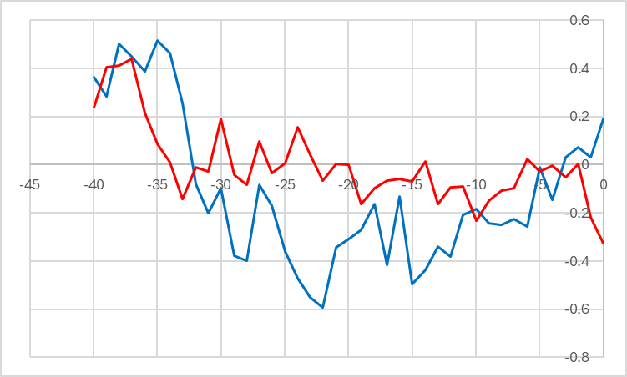
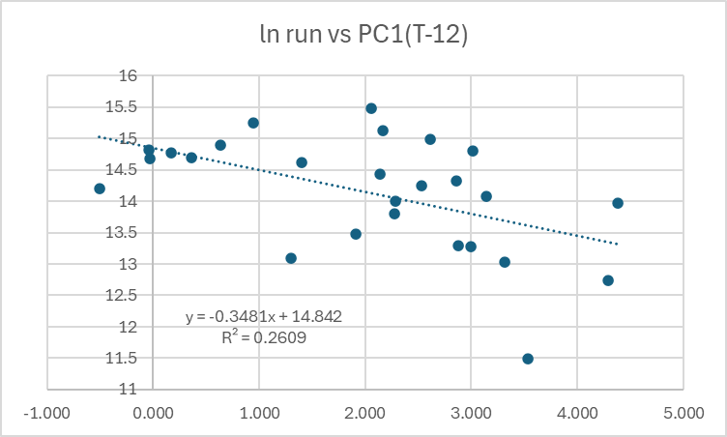
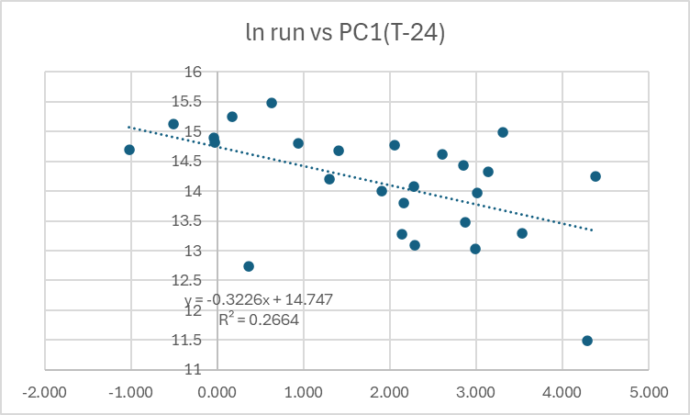
Naknek
 | ln 1.1s |  |  |  |  |  |  |  |  |  |  |  |  |  |  |  |  |  |  |  |  |  | ln 1.1s | ln 1.2s | LN 1.3S | LN RATIO FROM 1.2S |  | LN 2.2
 |  |  |  |  |  |  |  |  |  |  |  |  |  |  |  |  |  |  |  |  |  | ReturnYear
 |  |  |  |  |  |  |  |  |  |  |  |  |  |  |  |  |  |  |  |  |  | 1963 | #NUM! | 13.095419728 | 11.851787895 |  |  | 13.299719098
 |  |  |  |  |  |  |  |  |  |  |  |  |  |  |  |  |  |  |  |  |  | 1964 | #NUM! | 13.88575787 | 12.349796139 | -0.74562358866 |  | 13.184924726
 |  |  |  |  |  |  |  |  |  |  |  |  |  |  |  |  |  |  |  |  |  | 1965 | 5.1341389564 | 11.627824815 | 12.564604843 | -1.3211530273 |  | 13.216496035
 |  |  |  |  |  |  |  |  |  |  |  |  |  |  |  |  |  |  |  |  |  | 1966 | #NUM! | 11.778787292 | 13.786891937 | 2.159067122 |  | 12.709442422
 |  |  |  |  |  |  |  |  |  |  |  |  |  |  |  |  |  |  |  |  |  | 1967 | 6.6103621218 | 11.863186396 | 12.476636959 | 0.69784966695 |  | 12.889442932
 |  |  |  |  |  |  |  |  |  |  |  |  |  |  |  |  |  |  |  |  |  | 1968 | 9.4632124437 | 12.744117873 | 12.93889063 | 1.0757042345 |  | 13.460220127
 |  |  |  |  |  |  |  |  |  |  |  |  |  |  |  |  |  |  |  |  |  | 1969 | 9.5008452238 | 13.360485961 | 12.453612439 | -0.2905054343 |  | 14.05888034
 |  |  |  |  |  |  |  |  |  |  |  |  |  |  |  |  |  |  |  |  |  | 1970 | #NUM! | 13.730489253 | 13.305259884 | -0.055226077396 |  | 13.658312359
 |  |  |  |  |  |  |  |  |  |  |  |  |  |  |  |  |  |  |  |  |  | 1971 | 8.1843944195 | 12.772690837 | 14.760610103 | 1.03012085 |  | 12.25304091
 |  |  |  |  |  |  |  |  |  |  |  |  |  |  |  |  |  |  |  |  |  | 1972 | -15.309891325 | 11.747288808 | 13.166871673 | 0.39418083531 |  | 12.708934689
 |  |  |  |  |  |  |  |  |  |  |  |  |  |  |  |  |  |  |  |  |  | 1973 | 6.3926535545 | 10.733974523 | 12.220255826 | 0.47296701817 |  | 11.385222274
 |  |  |  |  |  |  |  |  |  |  |  |  |  |  |  |  |  |  |  |  |  | 1974 | 5.4157657322 | 11.992774255 | 12.389032707 | 1.6550581843 |  | 13.637604054
 |  |  |  |  |  |  |  |  |  |  |  |  |  |  |  |  |  |  |  |  |  | 1975 | 7.9853729235 | 12.764784634 | 12.547446053 | 0.55467179755 |  | 14.253718934
 |  |  |  |  |  |  |  |  |  |  |  |  |  |  |  |  |  |  |  |  |  | 1976 | #NUM! | 12.341276471 | 13.35456678 | 0.58978214582 |  | 14.390515609
 | ln 1.1s have no useful correlations. -36 is too early |  |  | The value needed to predict 2025 is not available from PACEA |  |  |  |  |  |  |  | thePC1 prediction would have been even lower for 2024! |  |  |  |  |  |  |  |  |  | 1977 | 7.3418733601 | 13.321673138 | 12.891963554 | 0.55068708263 |  | 12.792789893
 |  |  |  | cann't make use of this |  |  |  |  |  |  |  | The 2025 value of PC1(T-24) is |  |  | 2.532 | in middle of cloud |  |  |  |  |  | 1978 | 6.9362928805 | 12.444690149 | 13.481169086 | 0.15949594802 |  | 13.24402998
 |  |  |  |  |  |  |  |  |  |  |  | which gives |  | -0.3226 | 14.747 | 13.9301768 | 1121499.0659 | predicted run for 2025 |  |  |  | 1979 | 8.3611124435 | 13.031780227 | 12.882480994 | 0.43779084504 |  | 13.914224054
 |  |  |  |  |  |  |  |  |  |  |  |  |  |  |  |  |  | lower than official 3.66m |  |  | 15.112973705 | 1980 | 8.3958897735 | 13.828913119 | 14.304180944 | 1.2724007172 |  | 14.246922882
 | ln 1.2s |  |  |  |  |  |  |  |  |  |  |  |  |  |  |  |  |  |  |  |  | 1981 | 5.9739483555 | 13.578256908 | 15.310955477 | 1.4820423577 |  | 14.48342268
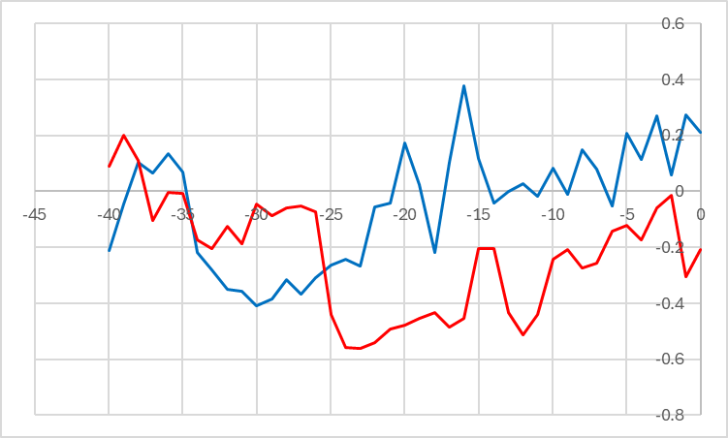
 |  |  |  |  |  |  |  |  |  |  |  |  |  |  |  |  |  |  |  |  |  | 1982 | 9.0995247118 | 13.102514923 | 14.714422171 | 1.136165263 |  | 11.890291529
 |  |  |  |  |  |  |  |  |  |  |  |  | multiple regression for 1.2s |  |  |  |  |  |  |  |  | 1983 | 6.688250126 | 14.144295245 | 13.76379852 | 0.66128359696 |  | 13.35528475
 |  |  |  |  |  |  |  |  |  |  |  |  | delete years with zero 1.1s |  |  |  |  |  |  |  |  | 1984 | 8.5005218111 | 13.873621706 | 14.095362301 | -0.048932943499 |  | 13.542624336
 |  |  |  |  |  |  |  |  |  |  |  | year | ln 1.2 | ln prev1.1 | PC1-24 | pred |  |  |  |  |  | 1985 | 8.5380413631 | 13.557436448 | 14.306239333 | 0.43261762725 |  | 14.111898181
 |  |  |  |  |  |  |  |  |  |  |  | 1999 | 14.701447437 | 9.072023314 | -1.0207669604 | 14.700099271 |  |  |  |  |  | 1986 | -19.982267935 | 12.006893819 | 14.674439679 | 1.1170032311 |  | 13.292632934
 |  |  |  |  |  |  |  |  |  |  |  | 2000 | 12.738565528 | 7.2342801345 | 0.36530161783 | 13.96456473 |  |  |  |  |  | 1987 | 5.5156799854 | 12.09813101 | 13.755064963 | 1.7481711438 |  | 12.327723259
 |  |  |  |  |  |  |  |  |  |  |  | 2002 | 13.297395599 | 6.9704183391 | 3.5373226748 | 13.320286854 |  |  |  |  |  | 1988 | 7.6544393048 | 13.149465383 | 13.228544971 | 1.1304139609 |  | 12.768653357
 |  |  |  |  |  |  |  |  |  |  |  | 2004 | 14.003672414 | 7.9949005581 | 1.9076068418 | 13.885605626 |  |  |  |  |  | 1989 | 8.9556996481 | 13.627718999 | 13.626549769 | 0.47708438597 |  | 14.270301334
 |  |  |  |  |  |  |  |  |  |  |  | 2006 | 14.201524747 | 10.790739264 | 1.3046613784 | 14.731785879 |  |  |  |  |  | 1990 | -19.183411367 | 14.435540566 | 15.001658929 | 1.3739399297 |  | 14.293453441
 |  |  |  |  |  |  |  |  |  |  |  | 2007 | 15.121688948 | 9.098521144 | -0.50792465173 | 14.614163357 |  |  |  |  |  | 1991 |  | 12.820150255 | 15.7152689 | 1.2797283344 |  | 14.013840401
 |  |  |  |  |  |  |  |  |  |  |  | 2009 | 14.080122119 | 10.509767359 | 2.2741382219 | 14.482070118 |  |  |  |  |  | 1992 | 7.0832054652 | 12.779134662 | 14.034579966 | 1.2144297109 |  | 13.332396513
 |  |  |  |  |  |  |  |  |  |  |  | 2010 | 14.320663087 | 10.828573414 | 3.1445083441 | 14.408402231 |  |  |  |  |  | 1993 | -19.093753625 | 12.796384618 | 13.929638263 | 1.1505036014 |  | 13.567148463
 |  |  |  |  |  |  |  |  |  |  |  | 2011 | 14.437105215 | 9.7722705796 | 2.8559780763 | 14.182257062 |  |  |  |  |  | 1994 | 9.3445919033 | 13.399581236 | 13.616311318 | 0.81992670004 |  | 14.156770269
 |  |  |  |  |  |  |  |  |  |  |  | 2012 | 13.271247653 | 10.047020431 | 2.1367981934 | 14.384982281 |  |  |  |  |  | 1995 |  | 13.020342533 | 13.722409519 | 0.32282828361 |  | 14.24148488
 |  |  |  |  |  |  |  |  |  |  |  | 2013 | 13.033493366 | 8.5969181989 | 2.9947330512 | 13.847314037 |  |  |  |  |  | 1996 | 4.8077761443 | 11.975040719 | 15.077832175 | 2.0574896421 |  | 11.843783192
 | blue is before 1999, red is after 1999--major change in pattern |  |  | extreme upper right point was 2024! But 1.2s pooped out, so extra 1.1s helped a lot |  |  |  |  |  |  |  | 2014 | 14.985166666 | 11.489825917 | 3.3148665313 | 14.551830229 |  |  |  |  |  | 1997 | 8.5071273095 | 12.771900428 | 13.530290816 | 1.5552500975 |  | 12.551309388
 |  | Correlations at -12 and -24 (broad) for post-1999 |  | PC1(-24) for 2024 is |  | 2.532 | fairly ordinary |  |  |  |  | 2015 | 14.611096177 | 11.319716519 | 2.6100064924 | 14.634703718 |  |  |  |  |  | 1998 | 9.072023314 | 13.131384222 | 13.930567934 | 1.1586675057 |  | 12.973024372
 |  |  |  | pred for 2025 is |  | 14.747 | -0.3226 | 13.9301768 | 1121499 | predicted 1.2s for 2025 |  | 2016 | 14.687446687 | 9.3711137081 | 1.4034630549 | 14.339695704 |  |  |  |  |  | 1999 | 7.2342801345 | 14.701447437 | 13.53862592 | 0.40724169757 |  | 13.501784039
 |  |  |  |  |  |  |  |  |  | official is 0.78 , a bit lower |  | 2017 | 14.824232933 | 11.024663965 | -0.030684870941 | 15.035391539 |  |  |  |  |  | 2000 |  | 12.738565528 | 14.956781658 | 0.2553342207 |  | 11.676352977
 |  |  |  |  |  |  |  |  |  |  | 13.567049199 | 2018 | 14.899055907 | 10.398917077 | -0.036238594621 | 14.871461802 |  |  |  |  |  | 2001 | 6.9704183391 | 11.48731528 | 15.536696324 | 2.7981307963 |  | 10.812838087
 |  |  |  |  |  |  |  |  |  |  |  | 2019 | 15.475960232 | 10.563647678 | 0.63553088276 | 14.793166131 |  |  |  |  |  | 2002 |  | 13.297395599 | 13.709745005 | 2.2224297248 |  | 13.623744392
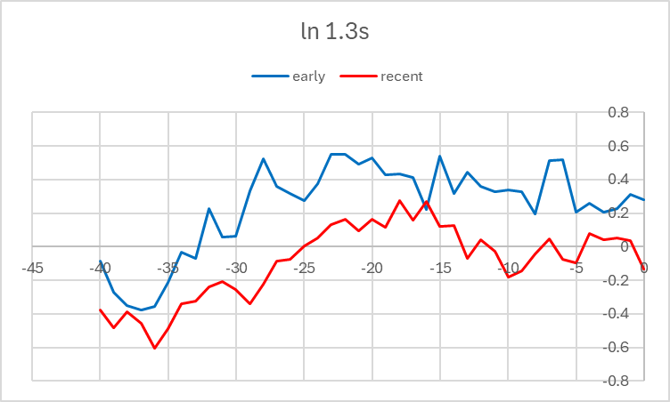
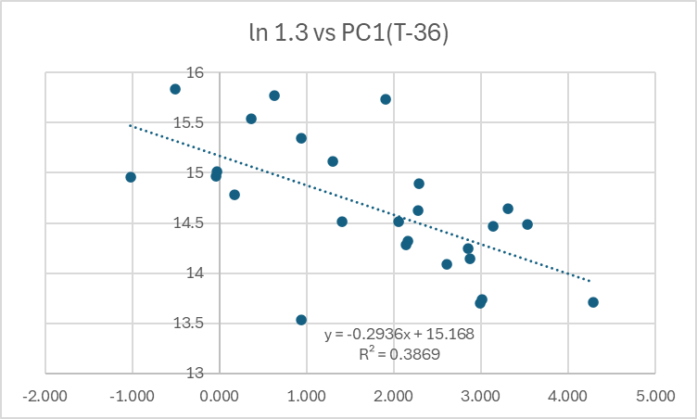
 |  |  |  |  |  |  |  |  |  |  |  | 2020 | 14.768983385 | 7.0941323828 | 2.0574152524 | 13.621035485 |  |  |  |  |  | 2003 | 7.9949005581 | 13.47732069 | 14.487001715 | 1.1896061159 |  | 13.224567666
 |  |  |  |  |  |  |  |  |  |  |  | 2021 | 15.247286675 | 10.953254595 | 0.16846339817 | 14.980486224 |  |  |  |  |  | 2004 |  | 14.003672414 | 14.143798117 | 0.66647742666 |  | 13.470152933
 |  |  |  |  |  |  |  |  |  |  |  | 2022 | 14.808685507 | 10.22566309 | 0.94188844477 | 14.64857131 |  |  |  |  |  | 2005 | 10.790739264 | 13.090322209 | 15.736089533 | 1.7324171188 |  | 13.025625362
 |  |  |  |  |  |  |  |  |  |  |  | 2023 | 13.967601744 | 7.8375647732 | 3.0134706212 | 13.643766677 |  |  |  |  |  | 2006 | 9.098521144 | 14.201524747 | 14.889315437 | 1.7989932287 |  | 12.889773823
 |  |  |  |  |  |  |  |  |  |  |  | 2024 | 14.242419934 | 10.44716887 | 4.3843827267 | 14.083221695 |  |  |  |  |  | 2007 |  | 15.121688948 | 15.119421637 | 0.91789689037 |  | 12.431966172
 |  |  |  |  |  |  |  |  |  |  |  | 2025 |  | 6.4460285976 | 2.5315232331 | 13.364304467 | 636860 |  |  |  |  | 2008 | 10.509767359 | 13.802335483 | 15.837033217 | 0.71534426859 |  | 12.41788499
 |  |  |  |  |  |  |  |  |  |  |  |  |  |  |  |  |  |  |  |  |  | 2009 | 10.828573414 | 14.080122119 | 14.317601824 | 0.51526634005 |  | 13.794351467
 |  |  |  |  |  |  |  |  |  |  |  |  |  |  |  |  |  |  |  |  |  |  | 2010 | 9.7722705796 | 14.320663087 | 14.629012952 | 0.54889083286 |  | 13.594149402
 |  |  |  |  |  |  |  |  |  |  |  | SUMMARY OUTPUT |  |  |  |  |  |  |  |  |  |  | 2011 | 10.047020431 | 14.437105215 | 14.472122438 | 0.1514593513 |  | 13.483766618
 |  |  |  |  |  |  |  |  |  |  |  |  |  |  |  |  |  |  |  |  |  |  | 2012 | 8.5969181989 | 13.271247653 | 14.246984683 | -0.1901205315 |  | 13.377585581
 |  |  |  |  |  |  |  |  |  |  |  | Regression Statistics |  |  |  |  |  |  |  |  |  |  | 2013 | 11.489825917 | 13.033493366 | 14.282564277 | 1.0113166235 |  | 12.795943604
 |  |  |  |  |  |  |  |  |  |  |  | Multiple R | 0.64664208512 |  |  |  |  |  |  |  |  |  | 2014 | 11.319716519 | 14.985166666 | 13.698857365 | 0.66536399912 |  | 12.890521507
 |  |  |  |  |  |  |  |  |  |  |  | R Square | 0.41814598625 |  |  |  |  |  |  |  |  |  | 2015 | 9.3711137081 | 14.611096177 | 14.64465448 | -0.34051218543 |  | 14.131595402
 |  |  |  |  |  |  |  |  |  |  |  | Adjusted R Square | 0.35689819533 |  |  |  |  |  |  |  |  |  | 2016 | 11.024663965 | 14.687446687 | 14.086399489 | -0.52469668856 |  | 13.669410954
 |  |  |  |  |  |  |  |  |  |  |  | Standard Error | 0.58753982715 |  |  |  |  |  |  |  |  |  | 2017 | 10.398917077 | 14.824232933 | 14.515044321 | -0.17240236579 |  | 13.331861792
 | only large recent correlation is at T-36 |  | Looks like a usable prediction of 1.3s |  |  |  |  |  |  |  |  | Observations | 22 |  |  |  |  |  |  |  |  |  | 2018 | 10.563647678 | 14.899055907 | 15.014002792 | 0.18976985849 |  | 12.338730353
 |  |  | for 2025 PC1(T-36) is |  | 4.384 | at right side of cloud |  |  |  |  |  |  |  |  |  |  |  |  |  |  |  |  | 2019 | 7.0941323828 | 15.475960232 | 14.965883343 | 0.066827435719 |  | 12.390620985
 |  |  | -0.2936 | 15.168 | gives | 13.8808576 | 1067529.4377 | 1.3s |  |  |  | ANOVA |  |  |  |  |  |  |  |  |  |  | 2020 | 10.953254595 | 14.768983385 | 15.769332326 | 0.29337209366 |  | 12.549971172
 |  |  |  |  |  |  |  |  |  |  |  |  | df | SS | MS | F | Significance F |  |  |  |  |  | 2021 | 10.22566309 | 15.247286675 | 14.515985509 | -0.25299787543 |  | 12.955293566
 |  |  |  |  |  |  |  |  |  |  |  | Regression | 2 | 4.713484911 | 2.3567424555 | 6.827119476 | 0.0058308695842 |  |  |  |  |  | 2022 | 7.8375647732 | 14.808685507 | 14.78417726 | -0.46310941526 |  | 13.571533002
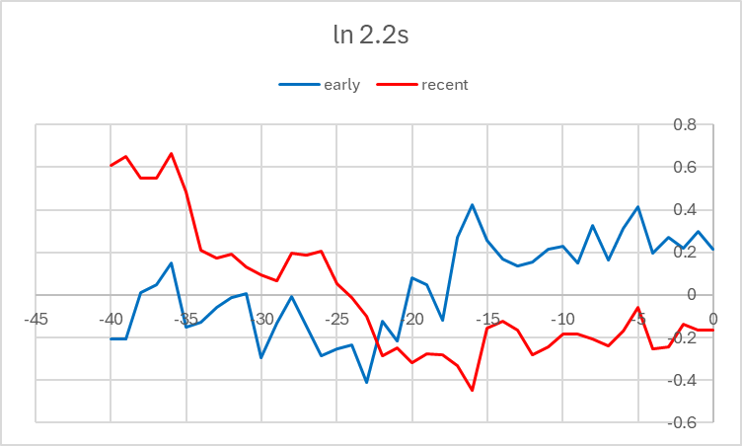
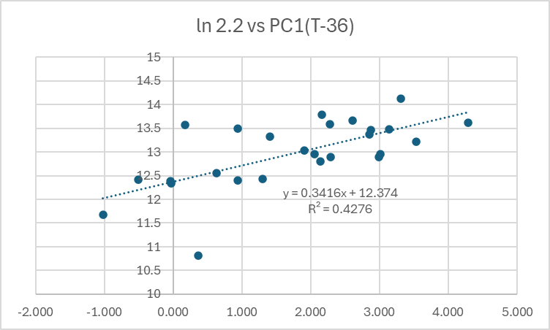
 |  |  |  |  |  |  |  |  |  |  |  | Residual | 19 | 6.5588579213 | 0.34520304849 |  |  |  |  |  |  |  | 2023 | 10.44716887 | 13.967601744 | 15.343883081 | 0.53519757436 |  | 12.400117794
 |  |  |  |  |  |  |  |  |  |  |  | Total | 21 | 11.272342832 |  |  |  |  |  |  |  |  | 2024 | 6.4460285976 | 14.242419934 | 13.739617604 | -0.22798414025 |  | 12.957841534

 |  |  |  |  |  |  |  |  |  |  |  |  | Coefficients | Standard Error | t Stat | P-value | Lower 95% | Upper 95% | Lower 95.0% | Upper 95.0%
 |  |  |  |  |  |  |  |  |  |  |  | Intercept | 12.123922135 | 0.8906635997 | 13.612234898 | 2.9971135048E-11 | 10.259741796 | 13.988102473 | 10.259741796 | 13.988102473
 |  |  |  |  |  |  |  |  |  |  |  | X Variable 1 | 0.26358261065 | 0.089603006753 | 2.941671493 | 0.0083742891447 | 0.076041362169 | 0.45112385913 | 0.076041362169 | 0.45112385913
 |  |  |  |  |  |  |  |  |  |  |  | X Variable 2 | -0.18118684738 | 0.086830985676 | -2.086661184 | 0.050632859878 | -0.36292618906 | 0.0005524943101 | -0.36292618906 | 0.0005524943101

 |  |  |  |  |  |  |  |  |  |  |  |  |  |  |  | both are significant
pred 1.2s from mult reg

 | correlation structure show major change with regime |  | this is a useful regression, but 2025 T-36 |  |  |  | 4.384 | is at right edge of cloud
 | only large recent correlation is at T-36 |  | 0.3416 | 12.374 | gives | 13.8715744 | 1057665.2051 | 2.2s

 |  |  |  |  |  |  |  |  |  |  |  | prediction is red dot--at edge of clound but a similar case happened in 2002
 |  |  |  |  |  |  |  |  |  |  |  |  | looks reasonable, even if imprecise

MAINPRED
Case: | Naknek
 |  | observations
 | Year | Xt | ln Rects | deltaLnR
 | 1963 | 1796531.0083 | 14.401368146
 | 1964 | 1943395.1764 | 14.479947092 | 0.078578946541
 | 1965 | 1222067.3644 | 14.016054544 | -0.46389254879
 | 1966 | 2884786.4944 | 14.87496145 | 0.85890690622
 | 1967 | 1555050.9138 | 14.257018845 | -0.61794260473
 | 1968 | 1822083.2543 | 14.41549105 | 0.1584722046
 | 1969 | 2641101.3202 | 14.786706555 | 0.37121550521
 | 1970 | 2689519.0939 | 14.80487296 | 0.018166405239
 | 1971 | 3658033.5733 | 15.112436286 | 0.30756332583
 | 1972 | 1468384.3369 | 14.199673264 | -0.91276302219
 | 1973 | 684258.61732 | 13.436091221 | -0.7635820431
 | 1974 | 1474643.477 | 14.203926808 | 0.76783558741
 | 1975 | 3211149.7631 | 14.982139613 | 0.77821280455
 | 1976 | 3200600.0848 | 14.978848877 | -0.0032907359162
 | 1977 | 2912820.4223 | 14.884632387 | -0.09421648966
 | 1978 | 2256809.7992 | 14.629462781 | -0.25516960628
 | 1979 | 2826605.6335 | 14.854587127 | 0.22512434619
 | 1980 | 5080050.2974 | 15.440831721 | 0.58624459363
 | 1981 | 8756831.2382 | 15.985344667 | 0.5445129461
 | 1982 | 4660805.787 | 15.354698907 | -0.63064575985
 | 1983 | 3308264.2483 | 15.011934214 | -0.34276469328
 | 1984 | 3876353.2649 | 15.170405389 | 0.15847117591
 | 1985 | 4237309.7451 | 15.259439132 | 0.089033742314
 | 1986 | 3991315.6487 | 15.199631471 | -0.059807660739
 | 1987 | 2319010.0768 | 14.656650962 | -0.54298050948
 | 1988 | 1962972.6339 | 14.489970532 | -0.16668042936
 | 1989 | 3669831.2958 | 15.115656251 | 0.62568571834
 | 1990 | 8300331.6002 | 15.931806024 | 0.81614977328
 | 1991 | 9754424.6321 | 16.093231548 | 0.16142552466
 | 1992 | 5222906.7848 | 15.46856466 | -0.62466688825
 | 1993 | 5577184.7625 | 15.534194684 | 0.065630023992
 | 1994 | 3700808.2412 | 15.124061797 | -0.41013288685
 | 1995 | 3440141.6439 | 15.051023204 | -0.073038593293
 | 1996 | 4662460.9267 | 15.355053963 | 0.30403075852
 | 1997 | 1910810.1957 | 14.463037896 | -0.89201606626
 | 1998 | 2365116.3178 | 14.676337762 | 0.21329986537
 | 1999 | 4701483.5909 | 15.363388675 | 0.68705091282
 | 2000 | 3967486.1082 | 15.19364323 | -0.16974544454
 | 2001 | 5991184.941 | 15.60579977 | 0.41215654044
 | 2002 | 2813597.6575 | 14.849974528 | -0.75582524283
 | 2003 | 4861853.1157 | 15.396930223 | 0.54695569515
 | 2004 | 4066709.7036 | 15.218344804 | -0.17858541888
 | 2005 | 8765371.0065 | 15.986319404 | 0.76797459978
 | 2006 | 5342241.0853 | 15.491155802 | -0.49516360183
 | 2007 | 8438491.6736 | 15.948314139 | 0.45715833716
 | 2008 | 9129940.8835 | 16.027069778 | 0.078755638633
 | 2009 | 4912919.8609 | 15.407378999 | -0.61969077819
 | 2010 | 5436897.9002 | 15.508719217 | 0.10134021786
 | 2011 | 5520113.2301 | 15.523908931 | 0.015189713501
 | 2012 | 3322918.2408 | 15.016353943 | -0.50755498773
 | 2013 | 3074881.622 | 14.938776962 | -0.077576981429
 | 2014 | 5323139.5861 | 15.487573835 | 0.54879687343
 | 2015 | 6090439.2315 | 15.62223076 | 0.13465692547
 | 2016 | 5037024.1275 | 15.432326015 | -0.18990474571
 | 2017 | 5975665.3717 | 15.603206009 | 0.1708799941
 | 2018 | 6926059.9819 | 15.750801664 | 0.14759565544
 | 2019 | 8824530.4355 | 15.993045951 | 0.24224428661
 | 2020 | 10102211.956 | 16.128264963 | 0.13521901247
 | 2021 | 7180305.8735 | 15.786852541 | -0.34141242251
 | 2022 | 6455406.8033 | 15.680428602 | -0.10642393918
 | 2023 | 6895356.031 | 15.746358704 | 0.065930102282
 | 2024 | 3160468.8105 | 14.966230932 | -0.78012777167

1963 | 1796531.0083 | 2024 | 3160468.8105
1964 | 1943395.1764
1965 | 1222067.3644
1966 | 2884786.4944
1967 | 1555050.9138
1968 | 1822083.2543
1969 | 2641101.3202
1970 | 2689519.0939
1971 | 3658033.5733
1972 | 1468384.3369
1973 | 684258.61732
1974 | 1474643.477
1975 | 3211149.7631
1976 | 3200600.0848
1977 | 2912820.4223
1978 | 2256809.7992
1979 | 2826605.6335
1980 | 5080050.2974
1981 | 8756831.2382
1982 | 4660805.787
1983 | 3308264.2483
1984 | 3876353.2649
1985 | 4237309.7451
1986 | 3991315.6487
1987 | 2319010.0768
1988 | 1962972.6339
1989 | 3669831.2958
1990 | 8300331.6002
1991 | 9754424.6321
1992 | 5222906.7848
1993 | 5577184.7625
1994 | 3700808.2412
1995 | 3440141.6439
1996 | 4662460.9267
1997 | 1910810.1957
1998 | 2365116.3178
1999 | 4701483.5909
2000 | 3967486.1082
2001 | 5991184.941
2002 | 2813597.6575
2003 | 4861853.1157
2004 | 4066709.7036
2005 | 8765371.0065
2006 | 5342241.0853
2007 | 8438491.6736
2008 | 9129940.8835
2009 | 4912919.8609
2010 | 5436897.9002
2011 | 5520113.2301
2012 | 3322918.2408
...
1963 | 1796531.0083
1964 | 1943395.1764
1965 | 1222067.3644
1966 | 2884786.4944
1967 | 1555050.9138
1968 | 1822083.2543
1969 | 2641101.3202
1970 | 2689519.0939
1971 | 3658033.5733
1972 | 1468384.3369
1973 | 684258.61732
1974 | 1474643.477
1975 | 3211149.7631
1976 | 3200600.0848
1977 | 2912820.4223
1978 | 2256809.7992
1979 | 2826605.6335
1980 | 5080050.2974
1981 | 8756831.2382
1982 | 4660805.787
1983 | 3308264.2483
1984 | 3876353.2649
1985 | 4237309.7451
1986 | 3991315.6487
1987 | 2319010.0768
1988 | 1962972.6339
1989 | 3669831.2958
1990 | 8300331.6002
1991 | 9754424.6321
1992 | 5222906.7848
1993 | 5577184.7625
1994 | 3700808.2412
1995 | 3440141.6439
1996 | 4662460.9267
1997 | 1910810.1957
1998 | 2365116.3178
1999 | 4701483.5909
2000 | 3967486.1082
2001 | 5991184.941
2002 | 2813597.6575
2003 | 4861853.1157
2004 | 4066709.7036
2005 | 8765371.0065
2006 | 5342241.0853
2007 | 8438491.6736
2008 | 9129940.8835
2009 | 4912919.8609
2010 | 5436897.9002
2011 | 5520113.2301
2012 | 3322918.2408
...
Naknek
1999 | 15.363388675 | 2024 | 14.966230932
2000 | 15.19364323
2001 | 15.60579977
2002 | 14.849974528
2003 | 15.396930223
2004 | 15.218344804
2005 | 15.986319404
2006 | 15.491155802
2007 | 15.948314139
2008 | 16.027069778
2009 | 15.407378999
2010 | 15.508719217
2011 | 15.523908931
2012 | 15.016353943
2013 | 14.938776962
2014 | 15.487573835
2015 | 15.62223076
2016 | 15.432326015
2017 | 15.603206009
2018 | 15.750801664
2019 | 15.993045951
2020 | 16.128264963
2021 | 15.786852541
2022 | 15.680428602
2023 | 15.746358704

 |  |  |  |  |  |  |  |  | Comments | 2015 and 2016 seems to show no special relationship, suggesting no substantial El Nino effect.
use data since 1999 |  |  |  |  |  |  |  |  |  | Trend since 2006 (linearized logs) gives 2024 value of |  |  |  |  | 15.8174 | which antilogs to |  | 7403030.4899 |  | actual came in at half that!
BEGIN WORK ON 2025 PREDICTION, INCLUDING BROOD TABLE |  |  |  |  |  |  |  |  |  |  |  |  |  |  |  |  | ln 1.1s | ln 1.2s | LN 1.3S | LN RATIO FROM 1.2S |  | LN 2.2
 | System | River | ReturnYear | Total_Returns | AC_1.1 | AC_1.2 | AC_1.3 | AC_1.4 | AC_2.1 | AC_2.2 | AC_2.3 | AC_2.4 | AC_3.1 | AC_3.2 | AC_3.3
249 | Bristol Bay | Naknek | 1963 | 1796531 | 0 | 486708 | 140335 | 452 | 7813 | 597028 | 563156 | 225 | 0 | 813 | 0 |  | #NUM! | 13.095419728 | 11.852 |  |  | 13.299719098
250 | Bristol Bay | Naknek | 1964 | 1943395 | 0 | 1072773 | 230913 | 98 | 4347 | 532280 | 101204 | 0 | 0 | 1666 | 0 |  | #NUM! | 13.88575787 | 12.350 | -0.746 |  | 13.184924726
251 | Bristol Bay | Naknek | 1965 | 1222067 | 170 | 112176 | 286245 | 0 | 4331 | 549353 | 266999 | 0 | 0 | 0 | 2793 |  | 5.1341 | 11.627824815 | 12.565 | -1.321 |  | 13.216496035
252 | Bristol Bay | Naknek | 1966 | 2884786 | 0 | 130455 | 971787 | 0 | 5809 | 330857 | 1443356 | 0 | 0 | 2522 | 0 |  | #NUM! | 11.778787292 | 13.787 | 2.159 |  | 12.709442422
253 | Bristol Bay | Naknek | 1967 | 1555051 | 743 | 141944 | 262141 | 7771 | 23215 | 396108 | 721523 | 1605 | 0 | 0 | 0 |  | 6.6104 | 11.863186396 | 12.477 | 0.698 |  | 12.889442932
254 | Bristol Bay | Naknek | 1968 | 1822083 | 12877 | 342531 | 416187 | 1575 | 34421 | 700970 | 303501 | 0 | 0 | 6576 | 3444 |  | 9.4632 | 12.744117873 | 12.939 | 1.076 |  | 13.460220127
255 | Bristol Bay | Naknek | 1969 | 2641101 | 13371 | 634432 | 256174 | 0 | 37064 | 1275540 | 418190 | 0 | 0 | 6330 | 0 |  | 9.5008 | 13.360485961 | 12.454 | -0.291 |  | 14.05888034
256 | Bristol Bay | Naknek | 1970 | 2689519 | 0 | 918493 | 600345 | 0 | 2025 | 854535 | 309692 | 0 | 0 | 4430 | 0 |  | #NUM! | 13.730489253 | 13.305 | -0.055 |  | 13.658312359
257 | Bristol Bay | Naknek | 1971 | 3658034 | 3585 | 352459 | 2573070 | 0 | 3787 | 209618 | 515515 | 0 | 0 | 0 | 0 |  | 8.1844 | 12.772690837 | 14.761 | 1.030 |  | 12.25304091
258 | Bristol Bay | Naknek | 1972 | 1468384 | 0 | 126410 | 522757 | 3000 | 0 | 330689 | 485528 | 0 | 0 | 0 | 0 |  | -15.3099 | 11.747288808 | 13.167 | 0.394 |  | 12.708934689
259 | Bristol Bay | Naknek | 1973 | 684259 | 597 | 45889 | 202857 | 0 | 4366 | 88011 | 342019 | 519 | 0 | 0 | 0 |  | 6.3927 | 10.733974523 | 12.220 | 0.473 |  | 11.385222274
260 | Bristol Bay | Naknek | 1974 | 1474643 | 225 | 161583 | 240153 | 257 | 17756 | 837021 | 216580 | 457 | 0 | 611 | 0 |  | 5.4158 | 11.992774255 | 12.389 | 1.655 |  | 13.637604054
261 | Bristol Bay | Naknek | 1975 | 3211150 | 2938 | 349684 | 281376 | 0 | 17309 | 1549928 | 1007865 | 0 | 0 | 2051 | 0 |  | 7.9854 | 12.764784634 | 12.547 | 0.555 |  | 14.253718934
262 | Bristol Bay | Naknek | 1976 | 3200600 | 0 | 228954 | 630688 | 0 | 35046 | 1777140 | 504895 | 0 | 0 | 17444 | 6434 |  | #NUM! | 12.341276471 | 13.355 | 0.590 |  | 14.390515609
263 | Bristol Bay | Naknek | 1977 | 2912820 | 1544 | 610280 | 397108 | 1478 | 255 | 359615 | 1537578 | 0 | 0 | 1979 | 1726 |  | 7.3419 | 13.321673138 | 12.892 | 0.551 |  | 12.792789893
264 | Bristol Bay | Naknek | 1978 | 2256810 | 1029 | 253899 | 715809 | 5084 | 1832 | 564689 | 676509 | 25170 | 0 | 3618 | 9172 |  | 6.9363 | 12.444690149 | 13.481 | 0.159 |  | 13.24402998
265 | Bristol Bay | Naknek | 1979 | 2826606 | 4277 | 456699 | 393360 | 0 | 11804 | 1103750 | 850378 | 2647 | 0 | 0 | 3690 |  | 8.3611 | 13.031780227 | 12.882 | 0.438 |  | 13.914224054
266 | Bristol Bay | Naknek | 1980 | 5080050 | 4429 | 1013493 | 1630147 | 0 | 4423 | 1539430 | 880690 | 0 | 0 | 7439 | 0 |  | 8.3959 | 13.828913119 | 14.304 | 1.272 |  | 14.246922882
267 | Bristol Bay | Naknek | 1981 | 8756831 | 393 | 788791 | 4461321 | 0 | 0 | 1950161 | 1547266 | 0 | 0 | 4586 | 0 |  | 5.9739 | 13.578256908 | 15.311 | 1.482 |  | 14.48342268
268 | Bristol Bay | Naknek | 1982 | 4660806 | 8951 | 490174 | 2456928 | 24292 | 9731 | 145844 | 1520144 | 4744 | 0 | 0 | 0 |  | 9.0995 | 13.102514923 | 14.714 | 1.136 |  | 11.890291529
269 | Bristol Bay | Naknek | 1983 | 3308264 | 803 | 1389279 | 949602 | 74909 | 5950 | 631141 | 242959 | 10680 | 0 | 0 | 2941 |  | 6.6883 | 14.144295245 | 13.764 | 0.661 |  | 13.35528475
270 | Bristol Bay | Naknek | 1984 | 3876353 | 4917 | 1059833 | 1322934 | 2206 | 17349 | 761179 | 704090 | 1394 | 0 | 958 | 1493 |  | 8.5005 | 13.873621706 | 14.095 | -0.049 |  | 13.542624336
271 | Bristol Bay | Naknek | 1985 | 4237310 | 5105 | 772538 | 1633506 | 5050 | 5873 | 1344991 | 464177 | 0 | 0 | 6070 | 0 |  | 8.5380 | 13.557436448 | 14.306 | 0.433 |  | 14.111898181
272 | Bristol Bay | Naknek | 1986 | 3991316 | 0 | 163881 | 2360631 | 11988 | 0 | 592812 | 860504 | 0 | 0 | 0 | 1499 |  | -19.9823 | 12.006893819 | 14.674 | 1.117 |  | 13.292632934
273 | Bristol Bay | Naknek | 1987 | 2319010 | 249 | 179536 | 941345 | 18751 | 7909 | 225872 | 943847 | 1502 | 0 | 0 | 0 |  | 5.5157 | 12.09813101 | 13.755 | 1.748 |  | 12.327723259
274 | Bristol Bay | Naknek | 1988 | 1962973 | 2110 | 513736 | 556012 | 27630 | 30951 | 351039 | 477076 | 4417 | 0 | 0 | 0 |  | 7.6544 | 13.149465383 | 13.229 | 1.130 |  | 12.768653357
275 | Bristol Bay | Naknek | 1989 | 3669831 | 7752 | 828787 | 827819 | 5897 | 31777 | 1575844 | 382133 | 7614 | 0 | 0 | 0 |  | 8.9557 | 13.627718999 | 13.627 | 0.477 |  | 14.270301334
276 | Bristol Bay | Naknek | 1990 | 8300332 | 0 | 1858984 | 3274445 | 12060 | 2489 | 1612753 | 1527672 | 0 | 0 | 0 | 0 |  | -19.1834 | 14.435540566 | 15.002 | 1.374 |  | 14.293453441
277 | Bristol Bay | Naknek | 1991 | 9754425 | 0 | 369590 | 6684279 | 54935 | 2472 | 1219365 | 1407689 | 1430 | 0 | 0 | 0 |  | #NUM! | 12.820150255 | 15.715 | 1.280 |  | 14.013840401
278 | Bristol Bay | Naknek | 1992 | 5222907 | 1192 | 354738 | 1244918 | 439131 | 31753 | 616859 | 2484591 | 37992 | 0 | 0 | 8662 |  | 7.0832 | 12.779134662 | 14.035 | 1.214 |  | 13.332396513
279 | Bristol Bay | Naknek | 1993 | 5577185 | 0 | 360910 | 1120895 | 119539 | 4536 | 780077 | 3148640 | 41845 | 0 | 0 | 0 |  | -19.0938 | 12.796384618 | 13.930 | 1.151 |  | 13.567148463
280 | Bristol Bay | Naknek | 1994 | 3700808 | 11437 | 659727 | 819387 | 18881 | 54894 | 1406719 | 716195 | 11304 | 0 | 0 | 0 |  | 9.3446 | 13.399581236 | 13.616 | 0.820 |  | 14.156770269
281 | Bristol Bay | Naknek | 1995 | 3440142 | 0 | 451505 | 911101 | 0 | 2603 | 1531081 | 537975 | 3330 | 0 | 2545 | 0 |  | #NUM! | 13.020342533 | 13.722 | 0.323 |  | 14.24148488
282 | Bristol Bay | Naknek | 1996 | 4662461 | 122 | 158743 | 3533616 | 5005 | 487 | 139216 | 819654 | 0 | 0 | 0 | 0 |  | 4.8078 | 11.975040719 | 15.078 | 2.057 |  | 11.843783192
283 | Bristol Bay | Naknek | 1997 | 1910810 | 4950 | 352181 | 751849 | 62714 | 14445 | 282465 | 424425 | 16164 | 1617 | 0 | 0 |  | 8.5071 | 12.771900428 | 13.530 | 1.555 |  | 12.551309388
284 | Bristol Bay | Naknek | 1998 | 2365116 | 8708 | 504531 | 1121938 | 11956 | 17069 | 430639 | 265278 | 1458 | 0 | 3539 | 0 |  | 9.0720 | 13.131384222 | 13.931 | 1.159 |  | 12.973024372
285 | Bristol Bay | Naknek | 1999 | 4701484 | 1386 | 2425255 | 758142 | 24034 | 502 | 730719 | 761445 | 0 | 0 | 0 | 0 |  | 7.2343 | 14.701447437 | 13.539 | 0.407 |  | 13.501784039
286 | Bristol Bay | Naknek | 2000 | 3967486 | 0 | 340635 | 3130745 | 1696 | 0 | 117754 | 376373 | 0 | 0 | 0 | 0 |  |  | 12.738565528 | 14.957 | 0.255 |  | 11.676352977
287 | Bristol Bay | Naknek | 2001 | 5991185 | 1065 | 97471 | 5591154 | 68798 | 6841 | 49654 | 172128 | 2743 | 0 | 0 | 0 |  | 6.9704 | 11.48731528 | 15.537 | 2.798 |  | 10.812838087
288 | Bristol Bay | Naknek | 2002 | 2813598 | 0 | 595642 | 899636 | 107359 | 1475 | 825500 | 379240 | 3335 | 0 | 898 | 257 |  |  | 13.297395599 | 13.710 | 2.222 |  | 13.623744392
289 | Bristol Bay | Naknek | 2003 | 4861853 | 2966 | 713060 | 1957154 | 15456 | 7566 | 553805 | 1604687 | 2676 | 0 | 4485 | 0 |  | 7.9949 | 13.47732069 | 14.487 | 1.190 |  | 13.224567666
290 | Bristol Bay | Naknek | 2004 | 4066710 | 0 | 1207029 | 1388588 | 17916 | 0 | 707967 | 742520 | 2229 | 0 | 0 | 0 |  |  | 14.003672414 | 14.144 | 0.666 |  | 13.470152933
291 | Bristol Bay | Naknek | 2005 | 8765371 | 48569 | 484233 | 6824909 | 14887 | 10588 | 453897 | 927939 | 0 | 0 | 0 | 0 |  | 10.7907 | 13.090322209 | 15.736 | 1.732 |  | 13.025625362
292 | Bristol Bay | Naknek | 2006 | 5342241 | 8942 | 1471106 | 2926493 | 79277 | 1829 | 396239 | 454432 | 1095 | 0 | 1732 | 1095 |  | 9.0985 | 14.201524747 | 14.889 | 1.799 |  | 12.889773823
293 | Bristol Bay | Naknek | 2007 | 8438492 | 0 | 3692037 | 3683676 | 50779 | 0 | 250688 | 761312 | 0 | 0 | 0 | 0 |  |  | 15.121688948 | 15.119 | 0.918 |  | 12.431966172
294 | Bristol Bay | Naknek | 2008 | 9129941 | 36672 | 986911 | 7549812 | 93384 | 3321 | 247183 | 209238 | 0 | 0 | 0 | 0 |  | 10.5098 | 13.802335483 | 15.837 | 0.715 |  | 12.41788499
295 | Bristol Bay | Naknek | 2009 | 4912920 | 50442 | 1302925 | 1652173 | 279026 | 10574 | 979063 | 615269 | 21792 | 0 | 1657 | 0 |  | 10.8286 | 14.080122119 | 14.318 | 0.515 |  | 13.794351467
296 | Bristol Bay | Naknek | 2010 | 5436898 | 17541 | 1657238 | 2255795 | 15655 | 18821 | 801427 | 665454 | 4967 | 0 | 0 | 0 |  | 9.7723 | 14.320663087 | 14.629 | 0.549 |  | 13.594149402
297 | Bristol Bay | Naknek | 2011 | 5520113 | 23087 | 1861895 | 1928248 | 24685 | 14339 | 717671 | 947785 | 1409 | 0 | 0 | 0 |  | 10.0470 | 14.437105215 | 14.472 | 0.151 |  | 13.483766618
298 | Bristol Bay | Naknek | 2012 | 3322918 | 5415 | 580269 | 1539525 | 33266 | 13080 | 645374 | 499064 | 4194 | 0 | 89 | 2553 |  | 8.5969 | 13.271247653 | 14.247 | -0.190 |  | 13.377585581
299 | Bristol Bay | Naknek | 2013 | 3074882 | 97717 | 457482 | 1595287 | 31152 | 5756 | 360751 | 524184 | 1305 | 0 | 0 | 79 |  | 11.4898 | 13.033493366 | 14.283 | 1.011 |  | 12.795943604
300 | Bristol Bay | Naknek | 2014 | 5323140 | 82431 | 3220885 | 889894 | 6352 | 37969 | 396536 | 688888 | 93 | 0 | 0 | 0 |  | 11.3197 | 14.985166666 | 13.699 | 0.665 |  | 12.890521507
301 | Bristol Bay | Naknek | 2015 | 6090439 | 11744 | 2215738 | 2291356 | 564 | 41339 | 1371747 | 157950 | 0 | 0 | 0 | 0 |  | 9.3711 | 14.611096177 | 14.645 | -0.341 |  | 14.131595402
302 | Bristol Bay | Naknek | 2016 | 5037024 | 61369 | 2391537 | 1311129 | 1563 | 5727 | 864072 | 399927 | 1701 | 0 | 0 | 0 |  | 11.0247 | 14.687446687 | 14.086 | -0.525 |  | 13.669410954
303 | Bristol Bay | Naknek | 2017 | 5975665 | 32824 | 2742095 | 2012814 | 75 | 0 | 616530 | 571249 | 0 | 0 | 13 | 65 |  | 10.3989 | 14.824232933 | 14.515 | -0.172 |  | 13.331861792
304 | Bristol Bay | Naknek | 2018 | 6926060 | 38702 | 2955138 | 3315115 | 14098 | 2346 | 228372 | 369748 | 1968 | 0 | 0 | 540 |  | 10.5636 | 14.899055907 | 15.014 | 0.190 |  | 12.338730353
305 | Bristol Bay | Naknek | 2019 | 8824530 | 1205 | 5261676 | 3159370 | 3882 | 1 | 240535 | 157853 | 0 | 0 | 0 | 7 |  | 7.0941 | 15.475960232 | 14.966 | 0.067 |  | 12.390620985
306 | Bristol Bay | Naknek | 2020 | 10102212 | 57140 | 2594705 | 7055601 | 0 | 0 | 282087 | 112679 | 0 | 0 | 0 | 0 |  | 10.9533 | 14.768983385 | 15.769 | 0.293 |  | 12.549971172
307 | Bristol Bay | Naknek | 2021 | 7180306 | 27603 | 4186128 | 2014709 | 67853 | 7240 | 423070 | 437105 | 16599 | 0 | 0 | 0 |  | 10.2257 | 15.247286675 | 14.516 | -0.253 |  | 12.955293566
308 | Bristol Bay | Naknek | 2022 | 6455407 | 2534 | 2699793 | 2634430 | 5293 | 4079 | 783505 | 325061 | 0 | 0 | 713 | 0 |  | 7.8376 | 14.808685507 | 14.784 | -0.463 |  | 13.571533002
309 | Bristol Bay | Naknek | 2023 | 6895356 | 34447 | 1164266 | 4610667 | 86803 | 1365 | 242830 | 754344 | 0 | 0 | 634 | 0 |  | 10.4472 | 13.967601744 | 15.344 | 0.535 |  | 12.400117794
310 | Bristol Bay | Naknek | 2024 | 3160469 | 630 | 1532514 | 926915 | 38057 | 0 | 424150 | 236367 | 1171 | 0 | 665 | 0 |  | 6.4460 | 14.242419934 | 13.740 | -0.228 |  | 12.957841534

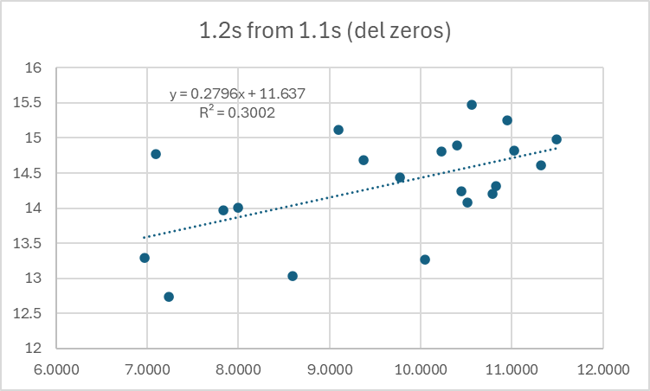
 |  | since 99 | avg | 5858335 | 24786 | 1878372 | 2842436 | 41612 | 7491 | 527351 | 532778 | 2588 | 0 | 419 | 177 |  | other | 77071
 |  |  | percent |  | 0.4% | 32.1% | 48.5% | 0.7% | 0.1% | 9.0% | 9.1% | 0.0% | 0.0% | 0.0% | 0.0%
 |  |  |  |  |  |  |  |  |  |  |  |  |  |  |  |  | official pred was |  | 5700000 | also much too high
 |  |  |  |  |  | mostly 1.2s and 1.3s |  |  |  | rare large 2.2s and 2.3s, but small contribution on average
 |  |  |  |  |  |  | 1.3s came in very weak, at about 1/3 of normal--previous year's 1.2s were also weak
 |  |  |  |  |  |  |  |  |  |  |  |  |  |  |  | ln1.2s forn ln 1.1s previous
pred 1.3s from 1.2s
504531 | 758142
2425255 | 3130745
340635 | 5591154
97471 | 899636
595642 | 1957154
713060 | 1388588
1207029 | 6824909
484233 | 2926493
1471106 | 3683676
3692037 | 7549812
986911 | 1652173
1302925 | 2255795
1657238 | 1928248
1861895 | 1539525
580269 | 1595287
457482 | 889894
3220885 | 2291356
2215738 | 1311129
2391537 | 2012814
2742095 | 3315115
2955138 | 3159370
5261676 | 7055601
2594705 | 2014709
4186128 | 2634430
2699793 | 4610667
1164266 | 926915
pred 2.3s from 2.2s
430639 | 761445
730719 | 376373
117754 | 172128
49654 | 379240
825500 | 1604687
553805 | 742520
707967 | 927939
453897 | 454432
396239 | 761312
250688 | 209238
247183 | 615269
979063 | 665454
801427 | 947785
717671 | 499064
645374 | 524184
360751 | 688888
396536 | 157950
1371747 | 399927
864072 | 571249
616530 | 369748
228372 | 157853
240535 | 112679
282087 | 437105
423070 | 325061
783505 | 754344
242830 | 236367
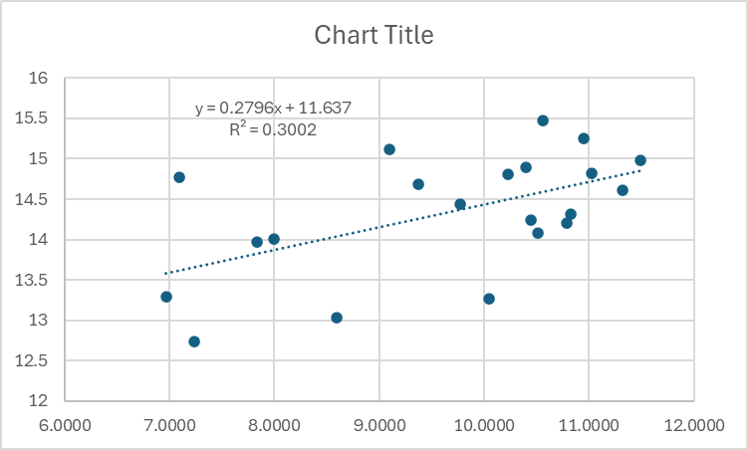

 |  | log-log relationship is poor, low r square, influenced by single outlier |  |  |  |  |  |  |  | we had | 424150 | 2.2s in 2024 |  |  |  | 1.2s are weakly predictable from 1.1s (log-log with zeros omitted)
 |  | 2024 was at the center bottom, surprising |  |  |  |  |  |  |  | would give | 1066.4 | 0.4647 | 439570 |  |  | we had | 630 | 6.4457198194 | 1.1s in 2024 (far left edge of cloud)
 |  |  |  |  |  |  |  |  |  |  |  |  |  |  |  | would give | 11.637 | 0.2796 | 13.439223262 | 686405 | 1.2s | compares with official 0.78m | 13.567049199
 |  |  |  |  |  |  |  |  |  |  |  |  |  |  |  | Multiple regression gives 636860 |  |  | best est

 |  |  |  |  |  |  |  |  |  |  |  |  |  |  |  |  | top left graphof total run shows
 |  | IF WE USE ENVIRONMENTAL EFFECT FROM PC1 |  |  |  |  |  |  | OFFICIAL PRED(m) |  |  |  |  |  |  |  | It looks like 3 out of 4 (or 4 out of 5) historical dips have at least double-low values
 |  | 1.2 | 636860 | from Mult reg (1.1s and PC1-24) |  |  |  |  | 0.78 |  |  |  |  |  |  |  | Use historical pattern to predict 2025 will be about the same as 24
 |  | 1.3 | 1067529.4377 | from PC1 |  |  |  |  | 0.31 |  | mine is much higher, but much lower thn average |  |  |  |  |  | predict | 3160469 | on the basis of pattern --similar to official pred of 3.66
 |  | 2.2 | 1057665 | from PC1 |  |  |  |  | 2.19 |  | mine is much smaller
 |  | 2.3 | 439570 | regression on 2.2s |  |  |  |  | 0.37
 |  | other | 77071 | avg
 |  | total | 3278696.1095 | 15.002956374 |  |  |  |  | 3.66 |  | SIMILAR TOTAL, DIFFERENT COMPS!
 |  |  | THIS IS CLOSE TO THE SAME AS THE HISTORICAL PATTERN OF DOUBLE-BOTTOMS WOULD GIVE
 |  |  |  | AND FAR BELOW THE TREND

