Sheet1
Case: | Raft

 |  | observations
 | Year | run | ln run
 | 1952 | 62653 | 11.045366844
 | 1953 | 37449 | 10.530735286
 | 1954 | 42435 | 10.655728772
 | 1955 | 40631 | 10.612286601
 | 1956 | 59176 | 10.988271333
 | 1957 | 35526 | 10.478020102
 | 1958 | 40810 | 10.616682428
 | 1959 | 63790 | 11.063351717
 | 1960 | 25425 | 10.143488221
 | 1961 | 28760 | 10.266740812
 | 1962 | 24602 | 10.110583019
 | 1963 | 21010 | 9.9527537938
 | 1964 | 17944 | 9.7950110762
 | 1965 | 24308 | 10.098560793
 | 1966 | 39740 | 10.590113516
 | 1967 | 12152 | 9.4052490443
 | 1968 | 41065 | 10.622911456
 | 1969 | 27547 | 10.223648916
 | 1970 | 22206 | 10.008117802
 | 1971 | 11060 | 9.3110902751
 | 1972 | 102664 | 11.539216799
 | 1973 | 15727 | 9.6631342595
 | 1974 | 12043 | 9.3962388573
 | 1975 | 10180 | 9.2281802901
 | 1976 | 59753 | 10.997974678
 | 1977 | 2583 | 7.8567067931
 | 1978 | 19271 | 9.8663566542
 | 1979 | 6164 | 8.7264811964
 | 1980 | 19616 | 9.8841008387
 | 1981 | 4312 | 8.3691571126
 | 1982 | 15077 | 9.6209256828
 | 1983 | 8925 | 9.0966116066
 | 1984 | 49712 | 10.814001632
 | 1985 | 11150 | 9.3191947769
 | 1986 | 3791 | 8.2403851155
 | 1987 | 4441 | 8.3986348553
 | 1988 | 35407 | 10.47466482
 | 1989 | 16868 | 9.7331736149
 | 1990 | 4606 | 8.4351150804
 | 1991 | 1510 | 7.3198649298
 | 1992 | 44211 | 10.696728906
 | 1993 | 15749 | 9.6645321502
 | 1994 | 5855 | 8.675051276
 | 1995 | 1848 | 7.5218592522
 | 1996 | 65906 | 11.095984763
 | 1997 | 24410 | 10.102748163
 | 1998 | 15571 | 9.6531654888
 | 1999 | 47468 | 10.767811079
 | 2000 | 93799 | 11.448909474
 | 2001 | 48675 | 10.79292083
 | 2002 | 30278 | 10.318176655
 | 2003 | 37804 | 10.540170196
 | 2004 | 142932 | 11.870124272
 | 2005 | 87357 | 11.37775845
 | 2006 | 37794 | 10.539905639
 | 2007 | 25240 | 10.136185317
 | 2008 | 47043 | 10.758817356
 | 2009 | 16990 | 9.7403802147
 | 2010 | 10805 | 9.2877642689
 | 2011 | 16224 | 9.6942469064
 | 2012 | 20383 | 9.9224564991
 | 2013 | 25854 | 10.160220607
 | 2014 | 54236 | 10.901100174
 | 2015 | 24500 | 10.106428397
 | 2016 | 22126 | 10.004508667
 | 2017 | 7295 | 8.894944461
 | 2018 | 13715 | 9.5262454034
 | 2019 | 1190 | 7.0817085861
 | 2020 | 6318 | 8.7511579814
 | 2021 | 5502 | 8.6128669415
 | 2022 | 7133 | 8.8724871823
 | 2023 | 12632 | 9.4439885559
 | 2024 | 13119 | 9.4818168401

1952 | 62653 | 2024 | 13119
1953 | 37449
1954 | 42435
1955 | 40631
1956 | 59176
1957 | 35526
1958 | 40810
1959 | 63790
1960 | 25425
1961 | 28760
1962 | 24602
1963 | 21010
1964 | 17944
1965 | 24308
1966 | 39740
1967 | 12152
1968 | 41065
1969 | 27547
1970 | 22206
1971 | 11060
1972 | 102664
1973 | 15727
1974 | 12043
1975 | 10180
1976 | 59753
1977 | 2583
1978 | 19271
1979 | 6164
1980 | 19616
1981 | 4312
1982 | 15077
1983 | 8925
1984 | 49712
1985 | 11150
1986 | 3791
1987 | 4441
1988 | 35407
1989 | 16868
1990 | 4606
1991 | 1510
1992 | 44211
1993 | 15749
1994 | 5855
1995 | 1848
1996 | 65906
1997 | 24410
1998 | 15571
1999 | 47468
2000 | 93799
2001 | 48675
...
1952 | 62653 | 2024 | 13119
1953 | 37449
1954 | 42435
1955 | 40631
1956 | 59176
1957 | 35526
1958 | 40810
1959 | 63790
1960 | 25425
1961 | 28760
1962 | 24602
1963 | 21010
1964 | 17944
1965 | 24308
1966 | 39740
1967 | 12152
1968 | 41065
1969 | 27547
1970 | 22206
1971 | 11060
1972 | 102664
1973 | 15727
1974 | 12043
1975 | 10180
1976 | 59753
1977 | 2583
1978 | 19271
1979 | 6164
1980 | 19616
1981 | 4312
1982 | 15077
1983 | 8925
1984 | 49712
1985 | 11150
1986 | 3791
1987 | 4441
1988 | 35407
1989 | 16868
1990 | 4606
1991 | 1510
1992 | 44211
1993 | 15749
1994 | 5855
1995 | 1848
1996 | 65906
1997 | 24410
1998 | 15571
1999 | 47468
2000 | 93799
2001 | 48675
...

Raft
2005 | 11.37775845 | 2024 | 9.4818168401
2006 | 10.539905639
2007 | 10.136185317
2008 | 10.758817356
2009 | 9.7403802147
2010 | 9.2877642689
2011 | 9.6942469064
2012 | 9.9224564991
2013 | 10.160220607
2014 | 10.901100174
2015 | 10.106428397
2016 | 10.004508667
2017 | 8.894944461
2018 | 9.5262454034
2019 | 7.0817085861
2020 | 8.7511579814
2021 | 8.6128669415
2022 | 8.8724871823
2023 | 9.4439885559
 |  |  |  |  |  |  |  |  |  | WHAT I DID FOR 2024
 |  |  |  |  |  |  |  |  |  | Comment on patterns: |  |  | Overall periodicity is about 5 years peak to peak, i.e., compare value with t-4
 |  |  |  |  |  |  |  |  |  | Clear cycling seems to have ended in early2000s
 |  |  |  |  |  |  |  |  |  | The El Nino of 2016 doesn't show much of any influence.
 |  |  |  |  |  |  |  |  |  |  | was a drop of 0.102 log units from 2015 which also had El Nino conditions

 |  |  |  |  |  |  |  |  |  | Assume a similar small decline rom 2023, so |  |  |  |  |  |  | predicted | actual 2024
 |  |  |  |  |  |  |  |  |  |  | 9.444 | -0.102 | gives | 9.342 | which antilogs to |  | 11407 | 13119 | 9.4818168401
 |  |  |  |  |  |  |  |  |  | behaved like no El Nino influence at all
 |  |  |  |  |  |  |  |  |  |  | The pattern was a good predictor.

Raft
2005 | 11.37775845
2006 | 10.539905639
2007 | 10.136185317
2008 | 10.758817356
2009 | 9.7403802147
2010 | 9.2877642689
2011 | 9.6942469064
2012 | 9.9224564991
2013 | 10.160220607
2014 | 10.901100174
2015 | 10.106428397
2016 | 10.004508667
2017 | 8.894944461
2018 | 9.5262454034
2019 | 7.0817085861
2020 | 8.7511579814
2021 | 8.6128669415
2022 | 8.8724871823
2023 | 9.4439885559
2024 | 9.4818168401
 |  |  |  |  |  |  |  |  |  | 2025 Prediction

 |  |  |  |  |  |  |  |  |  | 2017 saw a big decline from 2015-16 |  |  |  | delta was -1.11
 |  |  |  |  |  |  |  |  |  | a similar decline from 2024 would be |  |  |  | 9.48 | -1.11 | gives | 8.37 | 4316 | very near the trend line
 |  |  |  |  |  |  |  |  |  |  |  |  |  |  |  |  |  |  | would be second worst on record
 |  |  |  |  |  |  |  |  |  | but this delta would be well below the trend in delta log run size shown below.
 |  |  |  |  |  |  |  |  |  |  | The trend in delta log run size suggest a moderate increase in 2025
 |  |  |  |  |  |  |  |  |  |  |  |  |  | 9.48 | 0.147 | gives | 9.627 | 15169 |  | a little above 2023 and 2024

 |  |  |  |  |  |  |  |  |  | The trend in delta run size could easily be zero (approximately) if we start in 2010, i.e., the trend comes from a long tima ago now

 |  |  |  |  |  |  |  |  |  | The sequence from 2010 to 2016 averages |  |  |  |  | 10.011
 |  |  |  |  |  |  |  |  |  | The sequence from 2020 to 2024 averages |  |  |  |  | 9.032

 |  |  |  |  |  |  |  |  |  | Best guess (poor justification) is 2025 will look like the 5 year average |  |  |  |  |  |  | 9.032 | 8367 | or maybe | 2023-24 avg | 12876
 |  | Trend | 221.44 | -0.1051 |  | clearly decreasing |  |  |  |  | This is not as high as 2023-24, higher than 2020-22, and above the trend line

 | System | River | ReturnYear | Total_Returns | AC_1.1 | AC_1.2 | AC_1.3 | ln run | ln(1.3/1.2prev)
223 | Fraser River | Raft | 1951 | 0 | 0 | 0 | 0
224 | Fraser River | Raft | 1952 | 62653 | 0 | 62653 | 0 | 11.045366844 | #DIV/0!
225 | Fraser River | Raft | 1953 | 37449 | 17 | 36748 | 684 | 10.530735286 | -4.5174089266
226 | Fraser River | Raft | 1954 | 42435 | 8 | 39549 | 2878 | 10.655728772 | -2.5469881939
227 | Fraser River | Raft | 1955 | 40631 | 5 | 34636 | 5990 | 10.612286601 | -1.8874489973
228 | Fraser River | Raft | 1956 | 59176 | 0 | 46167 | 13009 | 10.988271333 | -0.97925217797
229 | Fraser River | Raft | 1957 | 35526 | 231 | 30285 | 5010 | 10.478020102 | -2.2208293421
230 | Fraser River | Raft | 1958 | 40810 | 7 | 38964 | 1839 | 10.616682428 | -2.8014305948
231 | Fraser River | Raft | 1959 | 63790 | 0 | 52497 | 11293 | 11.063351717 | -1.2384550782
232 | Fraser River | Raft | 1960 | 25425 | 72 | 17335 | 7860 | 10.143488221 | -1.8989694187
233 | Fraser River | Raft | 1961 | 28760 | 23 | 18932 | 8029 | 10.266740812 | -0.76966759193
234 | Fraser River | Raft | 1962 | 24602 | 0 | 22591 | 2011 | 10.110583019 | -2.2422215013
235 | Fraser River | Raft | 1963 | 21010 | 64 | 20417 | 512 | 9.9527537938 | -3.7869822508
236 | Fraser River | Raft | 1964 | 17944 | 32 | 14715 | 3167 | 9.7950110762 | -1.8635831196
237 | Fraser River | Raft | 1965 | 24308 | 0 | 22139 | 2049 | 10.098560793 | -1.9715155124
238 | Fraser River | Raft | 1966 | 39740 | 18 | 37568 | 2154 | 10.590113516 | -2.3300141804
239 | Fraser River | Raft | 1967 | 12152 | 81 | 9090 | 2981 | 9.4052490443 | -2.5338938095
240 | Fraser River | Raft | 1968 | 41065 | 73 | 40283 | 265 | 10.622911456 | -3.5352003612
241 | Fraser River | Raft | 1969 | 27547 | 320 | 18867 | 8228 | 10.223648916 | -1.5883865719
242 | Fraser River | Raft | 1970 | 22206 | 37 | 20483 | 1686 | 10.008117802 | -2.4150555046
243 | Fraser River | Raft | 1971 | 11060 | 98 | 8226 | 2736 | 9.3110902751 | -2.0130982741
244 | Fraser River | Raft | 1972 | 102664 | 381 | 100888 | 1395 | 11.539216799 | -1.7744054545
245 | Fraser River | Raft | 1973 | 15727 | 37 | 10279 | 5411 | 9.6631342595 | -2.925577072
246 | Fraser River | Raft | 1974 | 12043 | 33 | 8300 | 3710 | 9.3962388573 | -1.0190711024
247 | Fraser River | Raft | 1975 | 10180 | 87 | 9570 | 523 | 9.2281802901 | -2.7644293297
248 | Fraser River | Raft | 1976 | 59753 | 22 | 56973 | 2116 | 10.997974678 | -1.5091056915
249 | Fraser River | Raft | 1977 | 2583 | 206 | 1616 | 761 | 7.8567067931 | -4.3156993925
250 | Fraser River | Raft | 1978 | 19271 | 7 | 11541 | 7723 | 9.8663566542 | 1.5642489295
251 | Fraser River | Raft | 1979 | 6164 | 56 | 5632 | 476 | 8.7264811964 | -3.1882433372
252 | Fraser River | Raft | 1980 | 19616 | 0 | 18539 | 797 | 9.8841008387 | -1.955365219
253 | Fraser River | Raft | 1981 | 4312 | 253 | 2728 | 1331 | 8.3691571126 | -2.6339460818
254 | Fraser River | Raft | 1982 | 15077 | 0 | 11888 | 3189 | 9.6209256828 | 0.15613864805
255 | Fraser River | Raft | 1983 | 8925 | 112 | 1183 | 6562 | 9.0966116066 | -0.59423405344
256 | Fraser River | Raft | 1984 | 49712 | 29 | 47827 | 1856 | 10.814001632 | 0.45037004937
257 | Fraser River | Raft | 1985 | 11150 | 0 | 7366 | 3784 | 9.3191947769 | -2.5368086824
258 | Fraser River | Raft | 1986 | 3791 | 38 | 2509 | 1244 | 8.2403851155 | -1.7785428237
259 | Fraser River | Raft | 1987 | 4441 | 325 | 2855 | 1233 | 8.3986348553 | -0.7104340432
260 | Fraser River | Raft | 1988 | 35407 | 7 | 32692 | 1196 | 10.47466482 | -0.87008918758
261 | Fraser River | Raft | 1989 | 16868 | 0 | 2830 | 14038 | 9.7331736149 | -0.84536246135
262 | Fraser River | Raft | 1990 | 4606 | 0 | 2902 | 1591 | 8.4351150804 | -0.5759139623
263 | Fraser River | Raft | 1991 | 1510 | 0 | 1399 | 111 | 7.3198649298 | -3.2636252321
264 | Fraser River | Raft | 1992 | 44211 | 7 | 41783 | 2421 | 10.696728906 | 0.54842298227
265 | Fraser River | Raft | 1993 | 15749 | 0 | 7357 | 8304 | 9.6645321502 | -1.6157522318
266 | Fraser River | Raft | 1994 | 5855 | 0 | 1610 | 3935 | 8.675051276 | -0.62574135908
267 | Fraser River | Raft | 1995 | 1848 | 6 | 908 | 934 | 7.5218592522 | -0.54451301975
268 | Fraser River | Raft | 1996 | 65906 | 24 | 65321 | 553 | 11.095984763 | -0.49588637708
269 | Fraser River | Raft | 1997 | 24410 | 0 | 22386 | 2024 | 10.102748163 | -3.4742378258
270 | Fraser River | Raft | 1998 | 15571 | 41 | 4738 | 10727 | 9.6531654888 | -0.73567183585
271 | Fraser River | Raft | 1999 | 47468 | 0 | 22745 | 22745 | 10.767811079 | 1.5687302353
272 | Fraser River | Raft | 2000 | 93799 | 0 | 89315 | 4484 | 11.448909474 | -1.6238298358
273 | Fraser River | Raft | 2001 | 48675 | 8 | 25983 | 22684 | 10.79292083 | -1.3705096167
274 | Fraser River | Raft | 2002 | 30278 | 92 | 4905 | 25281 | 10.318176655 | -0.027389352559
275 | Fraser River | Raft | 2003 | 37804 | 53 | 26426 | 11325 | 10.540170196 | 0.83675757835
276 | Fraser River | Raft | 2004 | 142932 | 0 | 107671 | 34631 | 11.870124272 | 0.2704008607
277 | Fraser River | Raft | 2005 | 87357 | 45 | 79275 | 7672 | 11.37775845 | -2.6415029438
278 | Fraser River | Raft | 2006 | 37794 | 0 | 21369 | 16425 | 10.539905639 | -1.5741182561
279 | Fraser River | Raft | 2007 | 25240 | 4 | 2439 | 21419 | 10.136185317 | 0.0023371049247
280 | Fraser River | Raft | 2008 | 47043 | 0 | 39136 | 5930 | 10.758817356 | 0.88843609378
1.3 from 1.2
107671 | 7672
79275 | 16425
21369 | 21419
2439 | 5930
39136 | 9746
6893 | 2677
7804 | 9950
6272 | 4874
15504 | 3896
21922 | 15492
38701 | 5905
18595 | 5136
16984 | 4404
2888 | 2523
11192 | 665
525 | 871
5470 | 2089
3271 | 879
6219 | 2471
10161 | 213
281 | Fraser River | Raft | 2009 | 16990 | 0 | 6893 | 9746 | 9.7403802147 | -1.3901858151
282 | Fraser River | Raft | 2010 | 10805 | 0 | 7804 | 2677 | 9.2877642689 | -0.94580963937
283 | Fraser River | Raft | 2011 | 16224 | 2 | 6272 | 9950 | 9.6942469064 | 0.24293612841
284 | Fraser River | Raft | 2012 | 20383 | 5 | 15504 | 4874 | 9.9224564991 | -0.25218032785
285 | Fraser River | Raft | 2013 | 25854 | 36 | 21922 | 3896 | 10.160220607 | -1.3811476694
286 | Fraser River | Raft | 2014 | 54236 | 43 | 38701 | 15492 | 10.901100174 | -0.34716693714
287 | Fraser River | Raft | 2015 | 24500 | 0 | 18595 | 5905 | 10.106428397 | -1.8800659898
288 | Fraser River | Raft | 2016 | 22126 | 6 | 16984 | 5136 | 10.004508667 | -1.286618161
289 | Fraser River | Raft | 2017 | 7295 | 3 | 2888 | 4404 | 8.894944461 | -1.3497585055
290 | Fraser River | Raft | 2018 | 13715 | 0 | 11192 | 2523 | 9.5262454034 | -0.13511555137
291 | Fraser River | Raft | 2019 | 1190 | 0 | 525 | 665 | 7.0817085861 | -2.8231674757
292 | Fraser River | Raft | 2020 | 6341 | 0 | 5470 | 871 | 8.7547917637 | 0.50624371426
293 | Fraser River | Raft | 2021 | 5502 | 0 | 3271 | 2089 | 8.6128669415 | -0.96259313386
294 | Fraser River | Raft | 2022 | 7133 | 4 | 6219 | 879 | 8.8724871823 | -1.3140661299
295 | Fraser River | Raft | 2023 | 12632 | 0 | 10161 | 2471 | 9.4439885559 | -0.92298619512
296 | Fraser River | Raft | 2024 | 13119 | 0 | 12479 | 213 | 9.4818168401 | -3.8650199758
 |  |  |  |  |  |  |  |  |  | moderately predictive
 |  |  | average | 22773.95 | 7.4 | 16354.95 | 6161.85 |  |  | 2024 1.2s | 12479 | give | 3981 | 1.3s | middle of the cloud but below average
 |  |  | percent |  | 0.0% | 71.8% | 27.1% |  |  | 32.954 | 0.5083

 |  |  |  |  |  |  |  |  |  | need a prediction of 1.2s

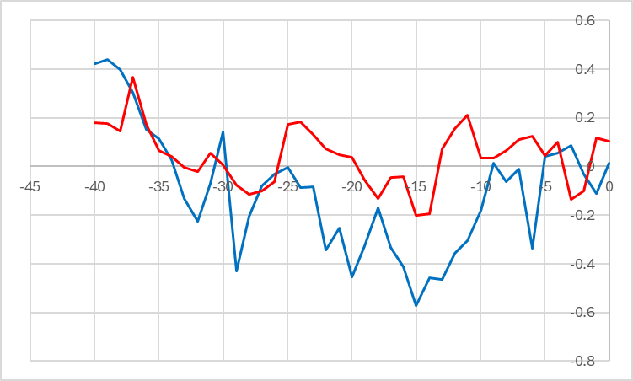
time series of 1.2s
2005 | 79275
2006 | 21369
2007 | 2439
2008 | 39136
2009 | 6893
2010 | 7804
2011 | 6272
2012 | 15504
2013 | 21922
2014 | 38701
2015 | 18595
2016 | 16984
2017 | 2888
2018 | 11192
2019 | 525
2020 | 5470
2021 | 3271
2022 | 6219
2023 | 10161
2024 | 12479

 | some regime shift
 | recent (red) shows no strong correlations |  |  |  |  |  |  |  |  | if 1.2 come in similar to recent (ca 1000) predicted run would be about |  |  |  |  |  |  | 13981 | very similar to recent average calculated above
 |  |  |  |  |  |  |  |  |  |  |  |  |  |  |  |  |  | all conditions seem to be average, so an average prediction is appropriate

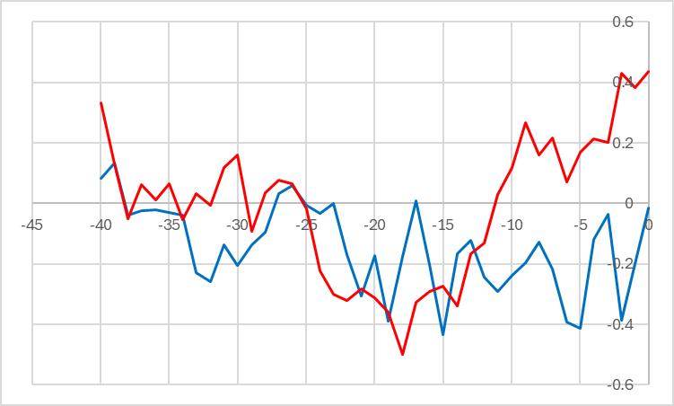
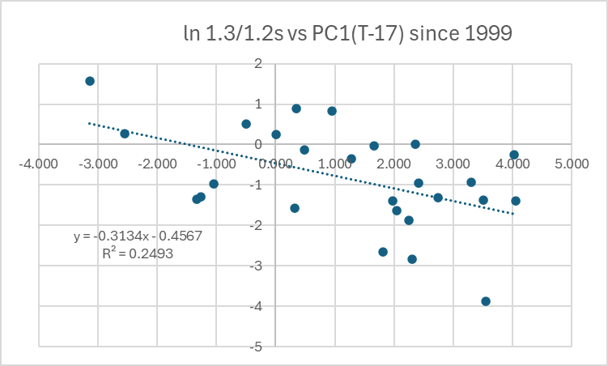

 | ln(1.3/prev1.2) has some potential |  |  |  |  |  |  |  |  | 2025, PC1 at T-17 is |  | 1.071 | in the center of the cloud, indicating average environmental effect (no need for modification)
 | corr of log ratio with PC1 is -0.5 at T-18 |  |  |  |  |  |  |  |  | -0.3134 | 0.4567 | gives ln ratio of |  | 0.1210486 | or | 1.1286797649
 |  |  |  |  |  |  |  |  |  | multipled by |  | 12479 | gives | 14085 | 1.3s | which is twice the average
 |  |  |  |  |  |  |  |  |  |  | THIS IS TOO IMPRECISE TO USE

