Design Values
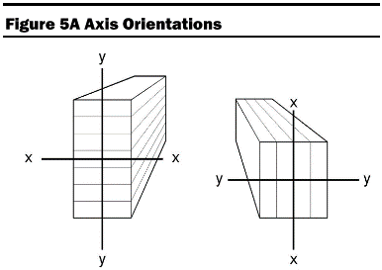
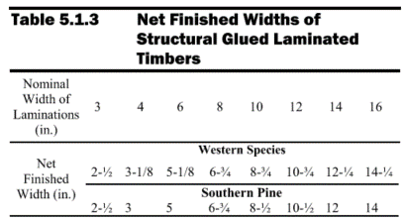
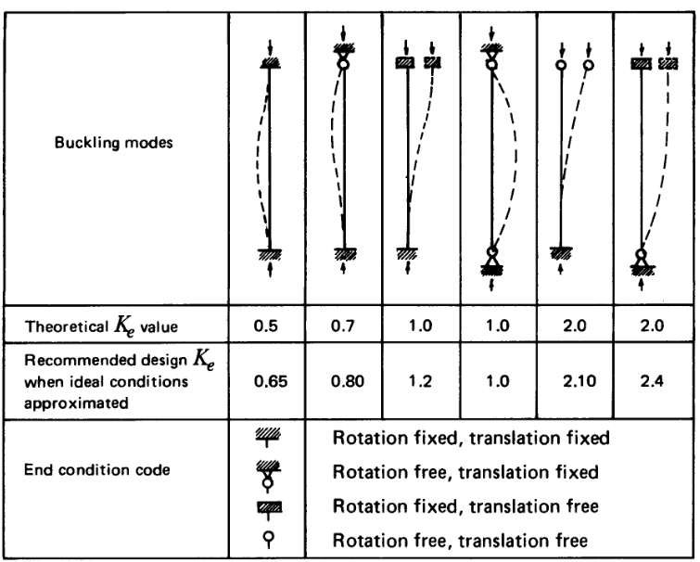
 |  | Description |  | Purlin
Wood Material
 |  | Wood Species | = | Southern Pine
 |  | Combination Symbol | = | 24F-1.7E (24F-V1) Table 5A
 |  | Grade | =

Member Dimensions
 |  | Width, b | = | 8.5 | in | Actual Dim (Tbl 5.1.3)
 |  | Depth, d | = | 24 | in | Actual Dim |  | Note: Multiply Fbx input reference value by 0.88 if axially loaded
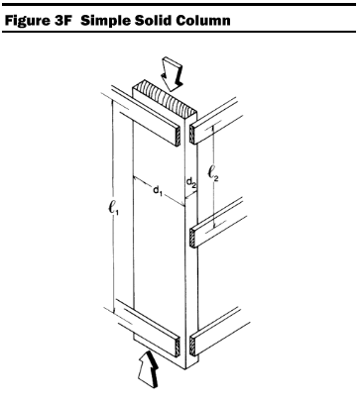
 |  | Member Length, L | = | 40.75 | ft
 |  | Effective Column Length X, lex | = | 40.75 | ft | NDS Figure 3F & Appendix G |  |  |  |  |  | Connection - Net Section
 |  | Effective Column Length Y, ley | = | 0.1 | ft | NDS Figure 3F & Appendix G |  |  |  |  |  |  |  | Anet/A = | 1
 |  | Length between zero moments, Lx | = | 40.75 | ft
 |  | Bending Unbraced Length x, lux | = | 0.1 | ft |  |  |  |  |  |  | Reduced Member Dimensions for Fire Resistance
 |  | Bending Unbraced Length Y, luy | = | 40.75 | ft | coefficient |  | (table 3.3.3) |  |  |  |  |  | char rate bn = | 1.5 | in/hr | Section 16.2.1.1
 |  | Bending effective length, lex | = | 6.163 | ft | = | 1.63 | *lux+d* | 3 |  |  |  |  | Req Fire Rating, t = | 1 | hrs
 |  | Bending effective length, ley | = | 72.4225 | ft | = | 1.63 | *luy+d* | 3 |  |  |  |  | beff = | 1.80 | in/hr | (Eq 16.2-1)
 |  | Radius of inside face, parallel to x-x, R | = | 0 | in |  |  |  |  |  |  |  |  | achar = | 1.8 | in | Table 16.2.1A
 |  | Bearing length parallel to grain, lb | = | 8 | in |  |  |  |  |  |  |  |  | # exposed sides, b = | 2 | sides
 |  | Axis Orientation | = | x-x |  | (See Figure 5A) |  |  |  |  |  |  |  | # exposed sides, d = | 2 | sides
 |  | Number of Laminations | = | 16 |  |  |  |  |  |  |  |  |  | bfire = | 4.90 | in
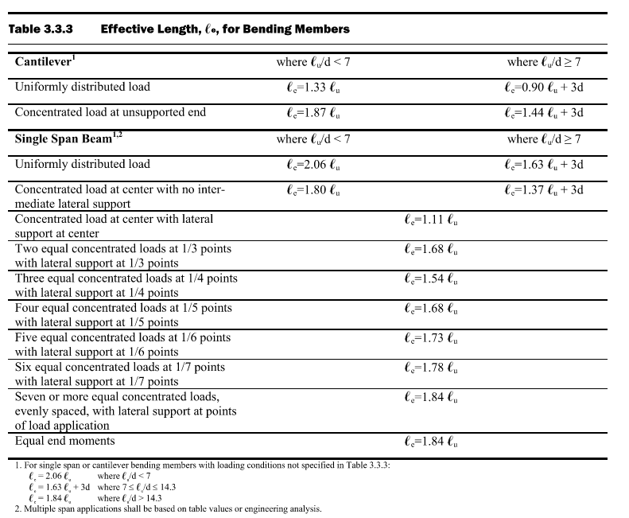
 |  | Lamination Thickness | = | 1.5 | in |  |  |  |  |  |  |  |  | dfire = | 20.40 | in

Adjusted Reference Design Values (NDS Table 5.3.1)

 |  |  |  | Load Duration Factor | Wet Service Factor | Tempurature Factor | Beam Stability Factor | Volume Factor | Flat Use Factor | Curvature Factor | Stress Interaction Factor | Shear Reduction Factor | Column Stability Factor | Bearing Area Factor |  |  |  |  |  | Φ
 |  | (psi) |  | CD | CM | Ct | CL | CV | Cfu | Cc | CI | Cvr | CP | Cb | (psi)
Fbx'(+) = | Fbx+ | 1750 | X | 0.90 | 1.000 | 0.80 | 0.998 | 0.911 | - | 1.000 | 1.00 | - | - | - | 1148
Fby' = | Fby | 1450 | X | 0.90 | 1.000 | 0.80 | 1.00 | - | 1.039 | - | 1.00 | - | - | - | 1084
Ft' = | Ft | 1100 | X | 0.90 | 1.000 | 0.90 | - | - | - | - | - | - | - | - | 891
Fvy' = | Fvy | 260 | X | 0.90 | 1.000 | 0.80 | - | - | - | - | - | 1.00 | - | - | 187
Fvx' = | Fvx | 300 | X | 0.90 | 1.000 | 0.80 | - | - | - | - | - | 1.00 | - | - | 216
Frt' = | Frt | 100 | X | 0.90 | 1.000 | 0.90 | - | - | - | - | - | - | - | - | 81 |  |  | Loaded perpendicular to wide faces of laminations | Loaded parallel to wide faces of laminations
Fc' = | Fc | 1500 | X | 0.90 | 1.000 | 0.80 | - | - | - | - | - | - | 0.875 | - | 945
FcꞱ' = | FcꞱ | 650 | X | - | 1.000 | 0.80 | - | - | - | - | - | - | - | 1.05 | 544
E' = | E | 1.70E+06 | X | - | 1.000 | 0.90 | - | - | - | - | - | - | - | - | 1.5E+06
Emin' = | Emin | 9.00E+05 | X | - | 1.000 | 0.90 | - | - | - | - | - | - | - | - | 8.1E+05

Adjusted Reference Design Values (NDS Table 16.2.2)
 |  |  |  | Design Stress to Member Strength Factor | Volume Factor2 | Flat Use Factor2 | Beam Stability Factor3 | Column Stability Factor3
 |  | (psi) |  |  | CV | Cfu | CL | CP | (psi)
Fbxf = | Fbx | 1750 | X | 2.85 | 0.911 | - | 0.978 | - | 4544
Fbyf = | Fby | 1450 | X | 2.85 | - | 1.039 | 0.998 | - | 4284
FbExf = | FbEx | 15468.736578 | X | 2.03 | - | - |  |  | 31401.535
FbEyf = | FbEy | 94989.534907 | X | 2.03 | - | - |  |  | 192829
Ftf = | Ft | 1100 | X | 2.85 | - | - | - | - | 3135
Fvyf = | Fvy | 260 | X | 2.75 | - | - | - | - | 715
Fvxf = | Fvx | 300 | X | 2.75 | - | - | - | - | 825
Frtf = | Frt | 100 | X | 2.85 | - | - | - | - | 285
Fcf = | Fc | 1500 | X | 2.58 | - | - | - | 0.543 | 2102
FcꞱf = | FcꞱ | 650 | X | 2.58 | - | - | - | - | 1677
FcExf = | FcEx | 1158.7758967 | X | 2.03 | - | - | - | - | 2352.31507
FcEyf = | FcEy | 11101624 | X | 2.03 | - | - | - | - | 22536296
 |  |  | 2 | Factor based on initial cross-section dimensions
 |  |  | 3 | Factor based on reduced cross-section dimensions

Load Duration Factor, CD |  |  |  | Load Cases |  |  | NDS Table 2.3.2
 |  | Permanent |  | D | H |  | The values indicate load scenarios to be considered for a specific duration. Please update Load Duration cell to include more load cases than shown. If a single letter is used for a load case, it cannot be used in another load case that will appear in the load combo. e.g. using DL for permanent while L for Ten years will return 'ten years' even if DL is the only case specified
 |  | Ten Years |  | L | ---
 |  | Two Months |  | S | ---
 |  | Seven Days |  | CON | ---
 |  | Ten Minutes |  | E | W
 |  | Impact |  | IM | ---

Wet Service Factor, CM |  |  |  | Design Values Table 5B
 |  | In-Service Moisture Conditions | = | Dry |  | Dry conditions defined by moisture content <16% [Section 5.1.4 (S5.1.5. 2005)]
 |  | CM | = | 1 |  | Fb
 |  | CM | = | 1 |  | Ft
 |  | CM | = | 1 |  | Fv
 |  | CM | = | 1 |  | FcꞱ
 |  | CM | = | 1 |  | Fc
 |  | CM | = | 1 |  | E, Emin

Tempurature Factor, Ct |  |  |  | NDS Table 2.3.3
 |  | Tempurature | = | 101F-125F
 |  | Ct | = | 0.9 |  | Ft, E, Emin
 |  | Ct | = | 0.8 |  | Fb, Fv, Fc, FcꞱ

Beam Stability Factor, CL |  |  |  | NDS Section 3.3.3 |  |  |  |  |  | Fire Beam Stability, CL |  |  |  | NDS Section 3.3.3
 |  | Fbx*** | = | 1260 | psi |  |  |  |  |  |  | Fbx*** | = | 4987.5 | psi
 |  | Fby*** |  | 1044 | psi |  |  |  |  |  |  | Fby*** | = | 4132.5 | psi
 |  | Slenderness Ratio RB,x | = | 4.956 | (Need < 50) |  | OK |  |  |  |  | Slenderness Ratio RB,x | = | 7.927 | (Need < 50) |  | OK
 |  | Slenderness Ratio RB,y | = | 3.581 | (Need < 50) |  | OK |  |  |  |  | Slenderness Ratio RB,y | = | 3.199 | (Need < 50) |  | OK
 |  | FbE,x | = | 39566 | psi |  |  |  |  |  |  | FbE,x | = | 15469 | psi
 |  | FbE,y | = | 75791 | psi |  |  |  |  |  |  | FbE,y | = | 94990 | psi
 |  | FbE,x/Fbx*** | = | 31.401 |  |  |  |  |  |  |  | FbE,x/Fbx*** | = | 3.102
 |  | FbE,y/Fby*** | = | 72.596 |  |  |  |  |  |  |  | FbE,y/Fby*** | = | 22.986
 |  | CL,x | = | 0.998 |  |  |  |  |  |  |  | Fire CL,x | = | 0.978
 |  | CL,y | = | 0.999 |  |  |  |  |  |  |  | Fire CL,y | = | 0.998

Volume Factor, CV |  |  |  | NDS Section 5.3.6
 |  | x | = | 20
 |  | L | = | 40.75 | ft |  | length of bending member between points of zero moment
 |  | d | = | 24 | in
 |  | b | = | 8.50 | in | if b > 10.75", use 10.75"
 |  | CV | = | 0.911

Flat Use Factor, Cfu |  |  |  | NDS Section 5.3.7
 |  | dy | = | 8.5 | in | Member dimension parallel to the wide face of the laminations
 |  | Cfu | = | 1.0390591182

Curvature Factor, Cc |  |  |  | NDS Section 5.3.8
 |  | t | = | 1.5 | in
 |  | R | = | 0 | in | If member is not curved, put 0
 |  | t/R | = | N/A |  | Upper Limit |  | 0.01
 |  | Cc | = | 1

Stress Interaction Factor, CI |  |  |  | NDS Section 5.3.9
 |  | CI | = | 1 |  |  |  | 1 if member is not tapered, otherwise calculate according to S5.3.9

Shear Reduction Factor, Cvr |  |  |  | NDS Section 5.3.10 |  |  |  | 0.72 if designing ANY of the following: non-prismatic members, member subject to impact or repetitive cyclic loading, member at notches, members at connections. Else 1.
 |  | Cvr | = | 1

Column Stability Factor, Cp |  |  |  | NDS Section 5.3.11, Section 3.7 |  |  |  |  |  | Fire Column Stability, Cp |  |  |  | NDS Section 5.3.11, Section 3.7
 |  | lex/dx | = | 20.375 | (Need < 50) |  | OK |  |  |  |  | lex/dx | = | 23.971 | (Need < 50) |  | OK
 |  | ley/dy | = | 0.14 | (Need < 50) |  | OK |  |  |  |  | ley/dy | = | 0.245 | (Need < 50) |  | OK
 |  | le/d | = | 20.375 |  |  |  |  |  |  |  | le/d | = | 24.0
 |  | Fc* | = | 1080 | psi |  |  |  |  |  |  | Fc* | = | 3870 | psi
 |  | FcE | = | 1604 | psi |  |  |  |  |  |  | FcE_fire | = | 2352 | psi
 |  | c | = | 0.9 |  | glulam design value |  |  |  |  |  | c | = | 0.9 |  | glulam design value
 |  | FcE/Fc* | = | 1.485 |  |  |  |  |  |  |  | FcE_fire/Fc | = | 0.608
 |  | Cp | = | 0.875 |  |  |  |  |  |  |  | Cp, fire | = | 0.543

Bearing Area Factor, Cb |  |  |  | NDS Section 5.3.12, Section 3.10.4
 |  | Cb | = | 1.047

Member Checks
ASD DESIGN LOADS
Load Combo | Load Duration | Load Duration Factor, CD | Axial Load | (Bending) Loaded Perpendicular to Wide Faces of Lamination |  | (Bending) Loaded Parallel to Wide Faces of Lamination
 |  |  | + tension, - compression (P) | Positive Bending (M3) | Shear Parallel to Grain (V2) | Bending (M2) | Shear Parallel to Grain (V3)
 |  |  | KIP | KIP-FT | KIP | KIP-FT | KIP
D | Permanent | 0.90 | -37 | 66 | 8 | 3 | 1
Wood Material
 | Wood Species | = | Southern Pine |  |  |  |  | Member Dimensions
 | Combination Symbol | = | 24F-1.7E (24F-V1) Table 5A |  |  |  |  |  | Length, L | = | 40.75 | ft
 | Grade | = | 0 |  |  |  |  |  | Effective Length X, lex | = | 40.75 | ft
 |  |  |  |  |  |  |  |  | Effective Length Y, ley | = | 0.1 | ft
 |  |  |  |  |  |  |  |  | Radius, R | = | 0 | in
 |  |  |  |  |  |  |  |  | Axis Orientation | = | x-x
MEMBER CHECKS
Code Checks |  |  |  |  |  |  |  | Fire Resistance Checks
Member Dimensions |  |  |  |  |  |  |  | Reduced Member Dimensions
 | Width, b | = | 8.5 | in |  |  |  |  | Width, b | = | 4.90 | in
 | Depth, d | = | 24 | in |  |  |  |  | Depth, d | = | 20.40 | in

Sectional Properties |  |  |  |  |  |  |  | Sectional Properties
 | Area, A | = | 204 | in2 |  |  |  |  | Area, A | = | 99.96 | in2
 | Ix | = | 9792 | in4 |  |  |  |  | Ix | = | 3467 | in4
 | Sx | = | 816.0 | in3 |  |  |  |  | Sx | = | 339.9 | in3
 | rx | = | 6.928 | in |  |  |  |  | rx | = | 5.889 | in
 | Iy | = | 1228 | in4 |  |  |  |  | Iy | = | 200 | in4
 | Sy | = | 289.0 | in3 |  |  |  |  | Sy | = | 81.6 | in3
 | ry | = | 2.454 | in |  |  |  |  | ry | = | 1.415 | in

Net Section Area (NDS Section 3.1.2) |  |  |  | Positive Flexure Check - X-X Axis (NDS Section 3.3) |  |  |  | Net Section Area (NDS Section 3.1.2) |  |  |  | Flexure Check - X-X Axis (NDS Section 3.3)
Anet/A = | 1 |  |  | fbx = | 970.6 | psi |  | Anet/A = | 1 |  |  | fbx = | 2330.3 | psi
Anet = | 204 | in2 |  | Fbx' = | 1148 | psi |  | Anet = | 99.960 | in2 |  | Fbx' = | 4544 | psi
 |  |  |  | SR = | 0.845 |  |  |  |  |  |  | SR = | 0.513

Compression Parallel to Grain (NDS Section 3.6) |  |  |  | Flexure Check - Y-Y Axis (NDS Section 3.3) |  |  |  | Compression Parallel to Grain (NDS Section 3.6) |  |  |  | Flexure Check - Y-Y Axis (NDS Section 3.3)
fc = | 181 | psi |  | fby = | 124.6 | psi |  | fc = | 370 | psi |  | fby = | 441.0 | psi
Fc' = | 945 | psi |  | Fby' = | 1084 | psi |  | Fc' = | 2102 | psi |  | Fby' = | 4284 | psi
SR = | 0.192 |  |  | SR = | 0.115 |  |  | SR = | 0.176 |  |  | SR = | 0.103

Tension Check (NDS Section 3.8) |  |  |  | Shear Check - Parallel to Grain (NDS Section 3.4) |  |  |  | Tension Check (NDS Section 3.8) |  |  |  | Shear Check - Parallel to Grain (NDS Section 3.4)
ft = | 0 | psi |  | fv = | 58.8 | psi |  | ft = | 0 | psi |  | fv = | 120.0 | psi
Ft' = | 891 | psi |  | Fv' = | 216 | psi |  | Ft' = | 3135 | psi |  | Fv' = | 825 | psi
SR = | 0.000 |  |  | SR = | 0.272 |  |  | SR = | 0.000 |  |  | SR = | 0.146

Bending + Axial Tension Check (NDS Section 3.9.1) |  |  |  |  |  |  |  | Bending + Axial Tension Check (NDS Section 3.9.1)

Fbx* = | 1150 | psi |  | Combined Axial Tension and Bending Tension |  |  |  | Fbx* = | 4649 | psi |  | Combined Axial Tension and Bending Tension
Fbx** = | 1260 | psi |  | SR = | 0.959 | (3.9-1) |  | Fbx** = | 4988 | psi |  | SR = | 0.604 | (3.9-1)
Fby* = | 1085 | psi |  | Net Compressive Stress |  |  |  | Fby* = | 4294 | psi |  | Net Compressive Stress
Fby' = | 1084 | psi |  | SR = | 0.885 | (3.9-2) |  | Fby' = | 4284 | psi |  | SR = | 0.570 | (3.9-2)

Bending + Axial Compression or Biaxial Bending (NDS Section 3.9.2) |  |  |  |  |  |  |  | Bending + Axial Compression (NDS Section 3.9.2)
dx = | 24 | in |  | dy = | 8.5 | in |  | dred,x = | 20.400 | in |  | dred,y = | 4.900 | in
lex = | 40.75 | ft |  | ley = | 0.1 | ft |  | lex = | 40.75 | ft |  | ley = | 0.1 | ft
lex/dx = | 20.38 |  |  | ley/dy = | 0.14 |  |  | lex/dredx = | 23.97 |  |  | ley/dredy = | 0.24
FcEx = | 1604 | psi |  | FcEy = | 33406594 | psi |  | FcExf = | 2352 | psi |  | FcEyf = | 22536296 | psi

contl. le/d | 20 | X | axis controls |  |  |  |  | contl. le/d | 24 | X | axis controls
fc = | 181 | psi |  |  |  |  |  | fc = | 370 | psi
fc/FcEx = | 0.113 |  |  | fc/FcEy = | 0.000 |  |  | fc/FcEx = | 0.157 |  |  | fc/FcEy = | 0.0000164
RB,x = | 4.956 |  |  | RB,y = | 3.581 |  |  | RB,x = | 7.927 |  |  | RB,x = | 3.199
FbE,x = | 39566 | psi |  | FbE,y = | 75791 | psi |  | FbExf = | 15469 | psi |  | FbEyf = | 94990 | psi
fbx = | 970.6 | psi |  | fby = | 124.6 | psi |  | fbx = | 2330.3 | psi |  | fby = | 441.0 | psi
fbx/FbEx = | 0.025 |  |  | fby/FbEy = | 0.002 |  |  | fbx/FbEx = | 0.151 |  |  | fby/FbEy = | 0.005

Cmx | 0.887 | 1-fc/FcEx |  | Fbx'= | 1148.0 | psi |  | Cmx | 0.843 | 1-fc/FcEx |  | Fbx'= | 4544.1 | psi
Cmy | 0.999 | 1-fc/FcEy-(fbx/FbEx)^2 |  | Fby'= | 1084.0 | psi |  | Cmy | 0.97729 | 1-fc/FcEy-(fbx/FbEx)^2 |  | Fby'= | 4284.2 | psi
SR1 = | 1.105 | (3.9-3) |  |  |  |  |  | SR1 = | 0.74492 | (3.9-3)
SR2 = | 0.001 | (3.9-4) |  |  |  |  |  | SR2 = | 0.023 | (3.9-4)

Bearing Check (NDS Section 3.10) |  |  |  |  |  |  |  | Bearing Check (NDS Section 3.10)

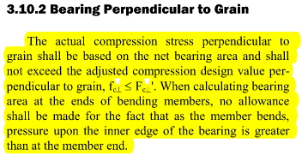
Bearing stress = | 117.65 | psi
Capacity = | 544.38 | psi
DCR = | 0.22

