Sheet1
DATASET | Iteration | OUTLIER CLASS | NON _ OUTLIER CLASS | SILHOUETTE METRIC
Ionosphere | 1 | 32, 113 | 193, 13 | 0.122
 | 19 | 29, 112 | 196, 14 | 0.094
_________________________________________________________________________
WBC | 3 | 161, 1 | 52, 9 | 0.41789087718
__________________________________________________________________________
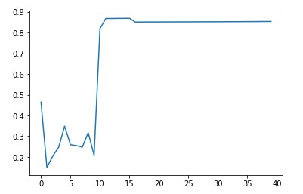
WBDC | 16 | 1(Removed All Outliers) | 356, 10 | 0.8682910762

