DHW_TIni
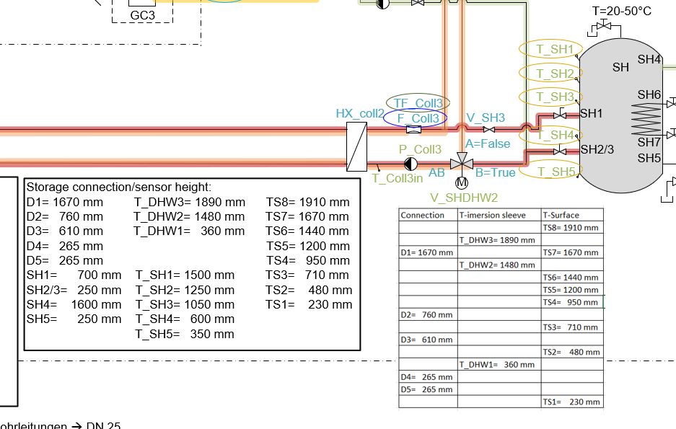
 |  |  |  |  |  | Heigth |  | 2
 |  |  |  |  |  | Volume |  | 0.942
 |  |  |  | Temp
 | Ntemps |  |  | C |  | Index | Cap | Temp | Temp0 | zDown z | Up | iDown | iUp Flow qV qA qL
Lower | 8 | 0.125 | 0.23 | 21.84 |  |  | KJ/K | °C | °C | m | m | - | - kg/s [W] [W] [W]
 | 7 | 0.375 | 0.48 | 31.97 | Lower | 1 | 164 | 21.84 | 21.84 | 0.000 | 0.083 | 0 | 2
 | 6 | 0.625 | 0.71 | 41.9 |  | 2 | 164 | 21.84 | 21.84 | 0.083 | 0.167 | 1 | 3
 | 5 | 0.875 | 0.95 | 51.2 |  | 3 | 164 | 21.84 | 21.84 | 0.167 | 0.250 | 2 | 4
 | 4 | 1.125 | 1.2 | 59.48 |  | 4 | 164 | 26.905 | 26.905 | 0.250 | 0.333 | 3 | 5
 | 3 | 1.375 | 1.44 | 61.54 |  | 5 | 164 | 31.97 | 31.97 | 0.333 | 0.417 | 4 | 6
 | 2 | 1.625 | 1.67 | 61.54 |  | 6 | 164 | 31.97 | 31.97 | 0.417 | 0.500 | 5 | 7
Higher | 1 | 1.875 | 1.91 | 63.2 |  | 7 | 164 | 36.935 | 36.935 | 0.500 | 0.583 | 6 | 8
 |  |  |  |  |  | 8 | 164 | 41.9 | 41.9 | 0.583 | 0.667 | 7 | 9
 |  |  |  |  |  | 9 | 164 | 41.9 | 41.9 | 0.667 | 0.750 | 8 | 10
 |  |  |  |  |  | 10 | 164 | 46.55 | 46.55 | 0.750 | 0.833 | 9 | 11
 |  |  |  |  |  | 11 | 164 | 51.2 | 51.2 | 0.833 | 0.917 | 10 | 12
 |  |  |  |  |  | 12 | 164 | 51.2 | 51.2 | 0.917 | 1.000 | 11 | 13
 |  |  |  |  |  | 13 | 164 | 55.34 | 55.34 | 1.000 | 1.083 | 12 | 14
 |  |  |  |  |  | 14 | 164 | 59.48 | 59.48 | 1.083 | 1.167 | 13 | 15
 |  |  |  |  |  | 15 | 164 | 59.48 | 59.48 | 1.167 | 1.250 | 14 | 16
 |  |  |  |  |  | 16 | 164 | 60.51 | 60.51 | 1.250 | 1.333 | 15 | 17
 |  |  |  |  |  | 17 | 164 | 61.54 | 61.54 | 1.333 | 1.417 | 16 | 18
 |  |  |  |  |  | 18 | 164 | 61.54 | 61.54 | 1.417 | 1.500 | 17 | 19
 |  |  |  |  |  | 19 | 164 | 61.54 | 61.54 | 1.500 | 1.583 | 18 | 20
 |  |  |  |  |  | 20 | 164 | 61.54 | 61.54 | 1.583 | 1.667 | 19 | 21
 |  |  |  |  |  | 21 | 164 | 61.54 | 61.54 | 1.667 | 1.750 | 20 | 22
 |  |  |  |  |  | 22 | 164 | 63.2 | 63.2 | 1.750 | 1.833 | 21 | 23
 |  |  |  |  |  | 23 | 164 | 63.2 | 63.2 | 1.833 | 1.917 | 22 | 24
 |  |  |  |  | Higher | 24 | 164 | 63.2 | 63.2 | 1.917 | 2.000 | 23 | 400
 |  | values from P&ID_Systemtest_v03.vsdx

SH_TIni
 |  |  |  |  |  | Heigth |  | 1.7
 |  |  |  |  |  | Volume |  | 0.753
 |  |  |  | Temp
 | Ntemps |  |  | C |  | Index | Cap | Temp | Temp0 | zDown z | Up | iDown | iUp Flow qV qA qL
Lower | 5 | 0.17 | 0.35 | 32.5 |  |  | KJ/K | °C | °C | m | m | - | - kg/s [W] [W] [W]
 | 4 | 0.51 | 0.6 | 34.3 | Lower | 1 | 131 | 32.5 | 32.5 | 0.000 | 0.071 | 0 | 2
 | 3 | 0.85 | 1.05 | 38.9 |  | 2 | 131 | 32.5 | 32.5 | 0.071 | 0.142 | 1 | 3
 | 2 | 1.19 | 1.25 | 39.2 |  | 3 | 131 | 32.5 | 32.5 | 0.142 | 0.213 | 2 | 4
 | 1 | 1.53 | 1.5 | 39.7 |  | 4 | 131 | 32.5 | 32.5 | 0.213 | 0.283 | 3 | 5
 |  |  |  |  |  | 5 | 131 | 32.5 | 32.5 | 0.283 | 0.354 | 4 | 6
 |  |  |  |  |  | 6 | 131 | 33.4 | 33.4 | 0.354 | 0.425 | 5 | 7
Higher |  |  |  |  |  | 7 | 131 | 33.4 | 33.4 | 0.425 | 0.496 | 6 | 8
 |  |  |  |  |  | 8 | 131 | 34.3 | 34.3 | 0.496 | 0.567 | 7 | 9
0.17 | 0.35
0.51 | 0.6
0.85 | 1.05
1.19 | 1.25
1.53 | 1.5
 |  |  |  |  |  | 9 | 131 | 34.3 | 34.3 | 0.567 | 0.637 | 8 | 10
 |  |  |  |  |  | 10 | 131 | 34.3 | 34.3 | 0.637 | 0.708 | 9 | 11
 |  |  |  |  |  | 11 | 131 | 35.45 | 35.45 | 0.708 | 0.779 | 10 | 12
 |  |  |  |  |  | 12 | 131 | 36.6 | 36.6 | 0.779 | 0.850 | 11 | 13
 |  |  |  |  |  | 13 | 131 | 37.75 | 37.75 | 0.850 | 0.921 | 12 | 14
 |  |  |  |  |  | 14 | 131 | 38.9 | 38.9 | 0.921 | 0.992 | 13 | 15
 |  |  |  |  |  | 15 | 131 | 38.9 | 38.9 | 0.992 | 1.062 | 14 | 16
 |  |  |  |  |  | 16 | 131 | 38.9 | 38.9 | 1.062 | 1.133 | 15 | 17
 |  |  |  |  |  | 17 | 131 | 39.2 | 39.2 | 1.133 | 1.204 | 16 | 18
 |  |  |  |  |  | 18 | 131 | 39.2 | 39.2 | 1.204 | 1.275 | 17 | 19
 |  |  |  |  |  | 19 | 131 | 39.2 | 39.2 | 1.275 | 1.346 | 18 | 20
 |  |  |  |  |  | 20 | 131 | 39.45 | 39.45 | 1.346 | 1.417 | 19 | 21
 |  |  |  |  |  | 21 | 131 | 39.45 | 39.45 | 1.417 | 1.487 | 20 | 22
 |  |  |  |  |  | 22 | 131 | 39.7 | 39.7 | 1.487 | 1.558 | 21 | 23
 |  |  |  |  |  | 23 | 131 | 39.7 | 39.7 | 1.558 | 1.629 | 22 | 24
 |  |  |  |  | Higher | 24 | 131 | 39.7 | 39.7 | 1.629 | 1.700 | 23 | 400

Tabelle2
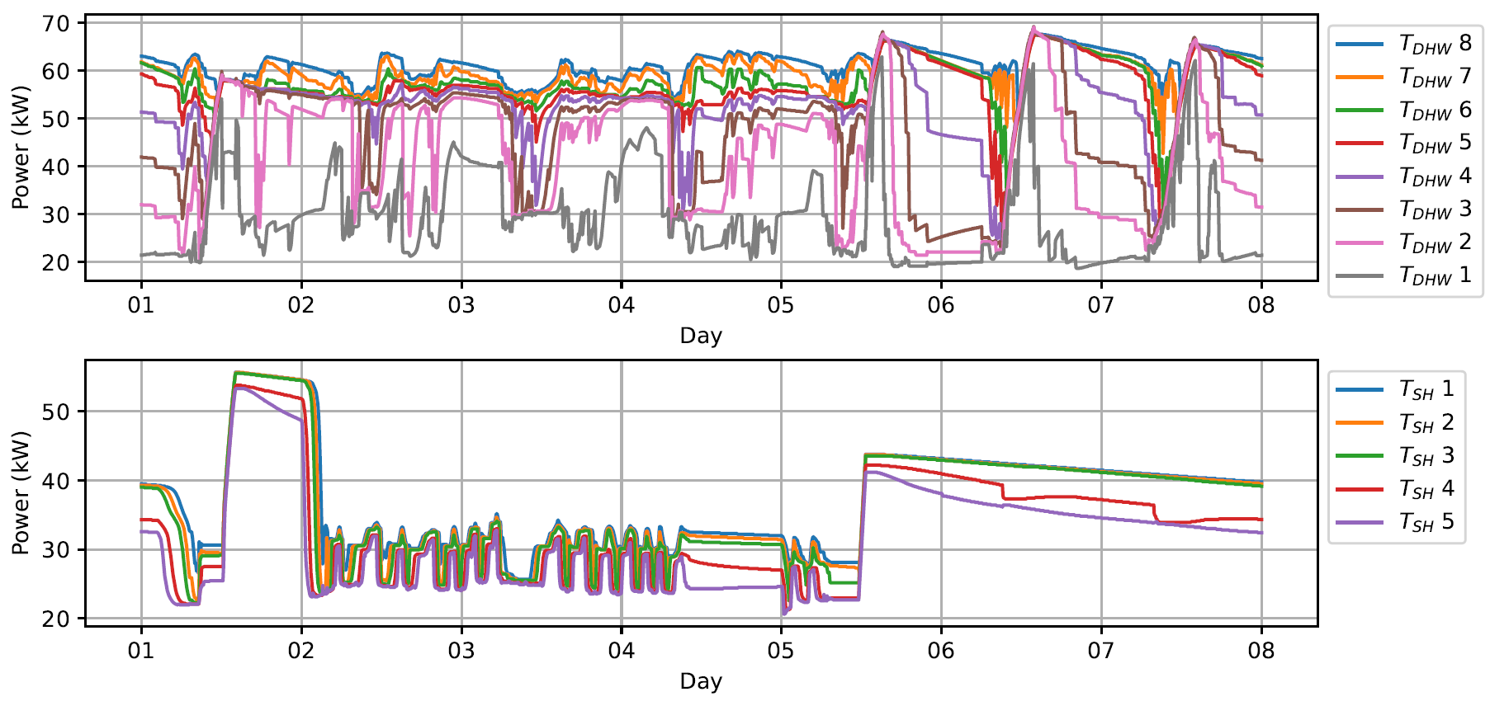

Tabelle1
