Fiber laser cutting machine
Wuhan kindlelaser Optoelectronic Co.,Ltd

Mob: +86-15571460776
E-mail: Teresa@kindlelaser.com Zip :430070
Quotation
 |  |  |  |  | Date: | 2026.07.01
 |  |  |  |  | Validity: | 2026.07.30
To: Patti Lippert |  | From:Teresa
 |  | Company: Wuhan kindlelaser Optoelectronic Co.,Ltdd
Tell: 426-931-6168 |  | Tel: +86 15571460776
Add: Laser Cutter Repair 19801 Esperanza Rd Yorba Linda CA 92886 Warehouse: Laser Cutter Repair 1333-1395 North Manzanita Orange CA 9286 |  | Add:52 Guang Road, Hongshan Dist, Wuhan City,Hubei, China/ 8 Shenton Way,
Company: Laser Cutter Repair |  | #45-01, AXA Tower, Singapore 068811
Attn: Patti Lippert |  | Attn: Robert Chen
 | Product information |  | Quantity |  | Price information
AL No. | Machine Name | Model No. | Qty | Unit | FOB | Total Price
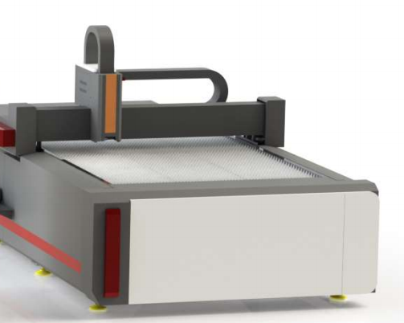 | Fiber Laser Cutting Machine | 1500*3000mm 3000W | 1 | SET | US$15,599.00 | US$15,599.00
FOB Shipping costs to |  |  |  |  |  | US$700.00 | Since FOB freight charges include export customs clearance fees, terminal handling charges, documentation fees, and miscellaneous costs—all of which are determined by your freight forwarder—this figure is merely an estimate; the final freight cost will be calculated based on the actual invoice issued by your freight forwarder at the time of shipment.
In total |  |  |  |  |  | US$16,299.00
Machine Configuration
1.Working size | 1500x3000mm
2.Laser power | 3000W
3.Empty operating speed | 0-60m/min
4.cutting speed | 0-60 m/min
5.Repeat positioning accuracy | 0.02 mm
6.Control system | BOCHU
7.Driving mode | High-precision Taiwanese gear racks and guide rails
8.Laser source | Raycus
9.Laser head | BOCHU
10.Machine Dimension: | 4050*2300*1800mm Net weight:1600kg
Warranty: 24 months(Except consumbles,laser lens,laser tube)
When any technical problem comes, will reply in 12 hours and help fix it, including video chat and technical guide
Customer can come to our company for training for free,Engineer available to serve machine training overseas with charge
Terms and conditions
INCOTERM: FOB
Payment Type:100% in advance.
Delivery Time: 10-15 workdays after 100% deposit(Except holiday)
Transportation: By Land Shipping
Bank information

CO2 laser cutting machine
Wuhan kindlelaser Optoelectronic Co.,Ltd

Mob: +86-15571460776
E-mail: Teresa@kindlelaser.com Zip :430070
Quotation
 |  |  |  |  | Date: | 2026.07.01
 |  |  |  |  | Validity: | 2025.07.31
To: Patti Lippert |  | From:Teresa
 |  | Company: Wuhan kindlelaser Optoelectronic Co.,Ltd
Tell: 426-931-6168 |  | Tel: +86 15571460776
Add: Laser Cutter Repair 19801 Esperanza Rd Yorba Linda CA 92886 Warehouse: Laser Cutter Repair 1333-1395 North Manzanita Orange CA 9286 |  | Add:52 Guang Road, Hongshan Dist, Wuhan City,Hubei, China/ 8 Shenton Way,
Company: Laser Cutter Repair
Attn: Patti Lippert |  | Attn: Robert Chen
 | Product information |  | Quantity |  | Price information
AL No. | Machine Name | Model No. | Qty | Unit | FOB | Total Price
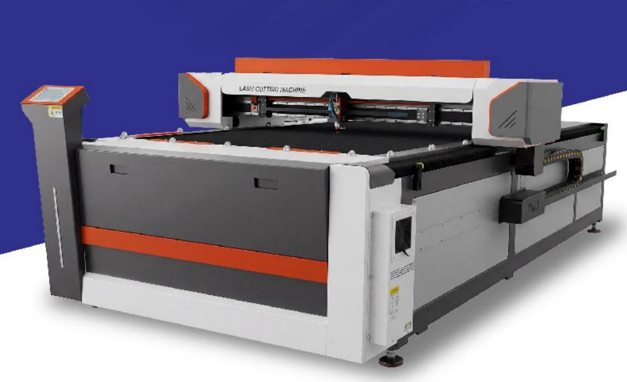 | CO2 Laser Cutting Machine | 1300*2500mm | 1 | SET | US$6,899.00 | US$6,899.00
FOB Shipping costs to |  |  |  |  |  | US$700.00 | Since FOB freight charges include export customs clearance fees, terminal handling charges, documentation fees, and miscellaneous costs—all of which are determined by your freight forwarder—this figure is merely an estimate; the final freight cost will be calculated based on the actual invoice issued by your freight forwarder at the time of shipment.
In total |  |  |  |  |  | US$7,599.00
Machine Configuration
1.Working size | 1300x 2500mm
2.Laser power | W8
3.XY drive method | Rack
4.Motor | Servo motor
5.Air compressor | Equipped
6.Controller | RDV6445G CDD
7..550w blower | Equipped
8.Working table | Honeycomb Working Table/Blade Blank
9.Guida rails | Taiwan linear guide rails
10.Format support | AI, BMP, DXF, DST, PLT
11.water chill | CW5200
12.Fan | Dual 750W
13.Hailea Blower | 180w
14.Laser lens | Imported American
15.Tool box | Equipped
16.Voltage | 110V
17.Machine Dimension: | 4000*2050*1200mm Net weight:1200kg
20.Branding Logo and Branding Card | GHOST LASER
Warranty: 24 months(Except consumbles,laser lens,laser tube)
When any technical problem comes, will reply in 12 hours and help fix it, including video chat and technical guide
Customer can come to our company for training for free,Engineer available to serve machine training overseas with charge
Terms and conditions
INCOTERM: FOB
Payment Type:100% in advance.
Delivery Time: 10 workdays after 100% deposit(Except holiday)
Packing: Wood package
Transportation: By Land Shipping
Bank information

