Manual Data Entry
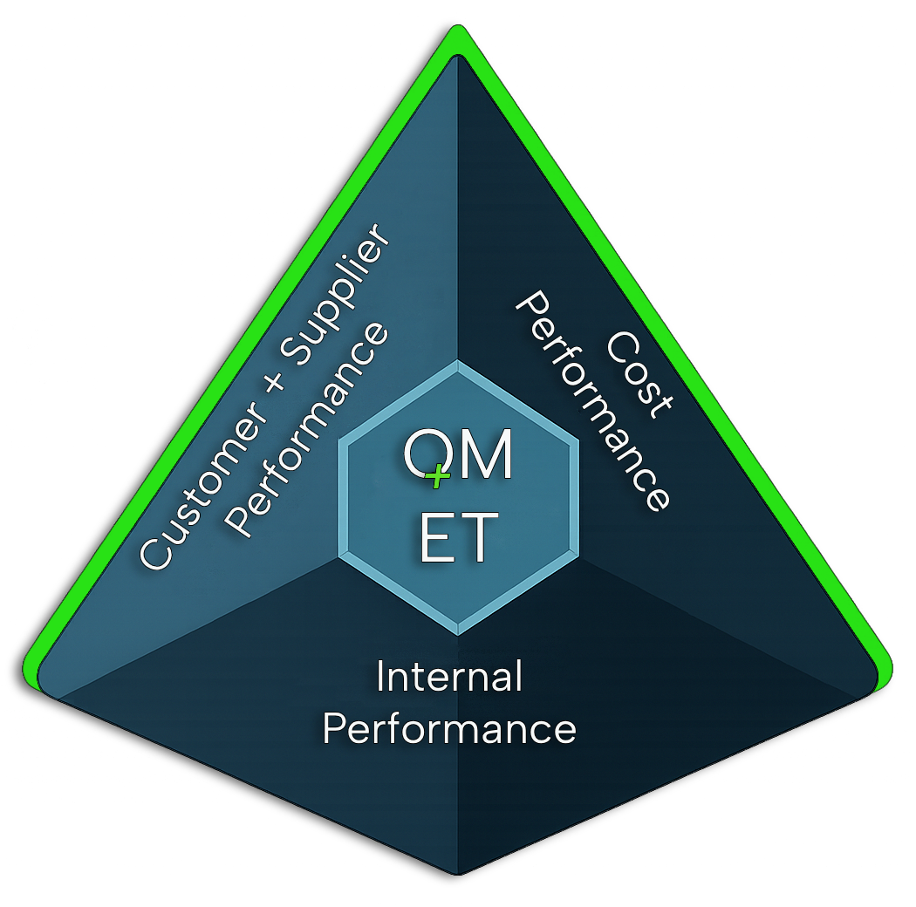 Manual Data Entry (Template) for QOS ET Dashboard

Instruction: Enter monthly values per plant in Yellow marked fields. These entries are persisted and merged into the local KPI dataset.

Plant (3-digit) | City/Location | Month

Name of Person Recording Data * |  | Link to OnePager (Top 1-3 Topics per Month)

Nr. of Customer Complaints (Q1) | Nr. of Supplier Complaints (Q2) | Nr. of Internal Complaints (Q3)

Customer Defective Parts | Supplier Defective Parts | Internal Defective Parts

Total Quantity Outbound Deliveries (Customer) | Total Quantity Inbound Deliveries (Supplier) | Remarks / Comments

Nr. of PPAPs In Progress | Nr. of PPAPs Completed

Nr. of Deviations In Progress | Nr. of Deviations Completed

Audits: Internal System (excuted during the month) | Audits: Certification (excuted during the month) | Audits: Process (excuted during the month)

Audits: Product (excuted during the month)

Poor Quality Costs (template) Cost Estimation for Month |  | Warranty Costs (template) Cost Estimation for Month

