Overview
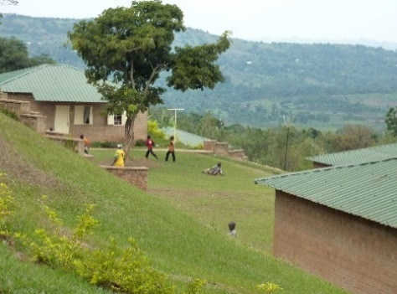


Watoto Village Load Profile Tool
This tool is designed to inform high level thinking around household and commercial electrical load profiles, which have a large impact on micro-grid design in sub-Saharan Africa. The purpose of this tool is to provide hourly electrical load profiles for various household types (i.e., high income, medium income, and low income households) and for various commercial entities (i.e., water pumping for irrigation, grain milling, small shops, schools, clinics, and street lighting) that are commonly found in rural Sub-Saharan Africa.
It is assumed that there is no variation in the load profiles from weekday/weekend and from season to season.
This tool allows the user to input the number of households, types of households, and number of commercial entities in order to see how the hourly electrical load profile changes and to see how the maximum and minimum electrical load changes.
The sections below provide instructions on how to use the Rural Load Profile Tool.
Getting started:
To get started, navigate to the "Inputs&OutputSummary" tab and enter values in the "INPUTS" table highlighted in orange and are located in cells C8 to C11 and C15 to C20. The outputs include the hourly load profile data in table format and a graph showing the hourly load profiles.
Additional information on how to navigate specific sections of the spreadsheet is provided below.
Household Inputs
• Number of Household
Number of household that will be connected to the micro-grid.
• % High Consumption Households
Percentage of households that are considered high income that will be connected to the micro-grid.
• % Medium Consumption Households
Percentage of households that are considered medium income that will be connected to the micro-grid.
• % Low Consumption Households
Percentage of households that are considered low income that will be connected to the micro-grid.
Commercial Inputs
• Number of Water Pumping Operations
Number of small-scale irrigation pumps used for agriculture that will be connected to the micro-grid.
.
• Number of Farm Operations
The number of small-scale farmingoperations that will be connected to the micro-grid.
• Number of Vocational School
The number of vocational schools or small-scale workshops that will be connected to the micro-grid.
• Number of Clinics
The number of clinics that will be connected to the micro-grid.
• Number of Street Lights
The number of individual street lights that will be connected to the micro-grid. Each street light is assumed to be 100-watt LED street lights.
• Number of Nuseries
The number of nuseries that will be connected to the micro-grid.
• Number of Large Workshops
The number of large workshops that will be connected to the micro-grid.
• Number of Administrative Units
The number of administrative units or offices that will be connected to the micro-grid.
Outputs
A summary of the outputs are located in the "Inputs&OutputSummary" tab. The hourly electrical load values for the total number of households, total number of commercial entities, and total number of households + commercial entities are given. The daily and annual electricity use is given for each along with the mininum and maximum kW. A graph of the hourly electrical load profiles is also given.
Additional Tabs
The "HouseholdLoadProfiles" tab provides details on how the household electrical load profiles were developed and includes references to papers that were used in developing the profiles. It should be noted that an 80% coincidence factor was applied to the household load profile.
The "CommercialLoadProfiles" tab provides details on how the commercial electrical load profiles were developed and includes references to papers that were used in developing the profiles.

Disclaimer
This tool was developed at NREL with support from Power Africa partners.
This tool is a high level initial estimate of household and commercial electrical load profiles and more due diligence should be done before developing a micro-grid system as conditions will vary by country, load types, income levels, and other factors that are specific to individual sites.
Results presented here should be treated as the initial step in understanding household and commercial load profiles in rural Africa. The results are not intended to be the sole basis of decisions.
It should be noted that this electrical load profile spreadsheet does not link to the accompanying spreadsheet named Microgrid ReOpt LCOE Results Explorer.
The data, results, and interpretations presented in this document have not been reviewed by technical experts outside of NREL.

