Summary
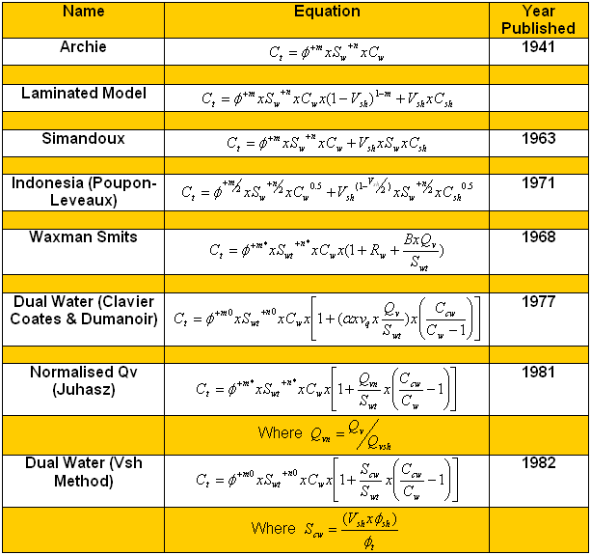
Alternative Shaly Sands Water Saturation Equations
Comparison
 | Shaly sands: the effect of clay on the conductivity

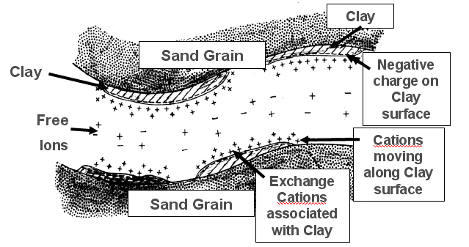

The additional conductive path reduces the resistivity of the formation.
If this effect is not taken into account this has the effect of increasing the calculated water saturation above it’s real value.
Shaly sand interpretation corrects for this effect to calculate S_{w}.

The negatively charged clay surfaces provide an additional conductive path.

 | •Clean sands – Archie equation
 | •Assumes that the only conducting component in the reservoir is water.

 | •In shaly sands the clays provide a parallel conductive path hence Rt is lower than it would be with the same Sw in the absence of clays.
 | •Shaly sand saturation equations account for the extra conductivity provided by the shales.
R₁
R₂

 | Several equations are shown at left in conductivity form which facilitates comparison.
 | The similarities and differences between equations are apparent.

 | Source: Senergy Software

Indonesia Equations (1971)
Indonesia Equation

$$S_{we}={\left(\frac{1}{\sqrt{R_{t}}} × \frac{1}{\sqrt{\frac{{∅_{e}}^{m}}{a ×R_{w}}}+ \frac{{V_{cl}}^{(1−\left(\frac{V_{cl}}{2}\right))}}{\sqrt{R_{cl}}}}\right)}^{\frac{2}{n}}$$
 | Has the advantage that it can be used without core derived parameters (although core derived m and n are preferred).
 | Equation developed by Poupon & Leveaux
 |  |  |  |  |  |  |  |  |  | Use of Indonesia Equation
 |  |  |  |  |  |  |  |  |  | •Calculate Vcl from logs.
 |  |  |  |  |  |  |  |  |  | •Use conventional methods for Vcl (typically GR and D/N)
 |  |  |  |  |  |  |  |  |  | •Calculate Øe from logs.
 |  |  |  |  |  |  |  |  |  | •Effective porosity from density, sonic or density/neutron logs:
 |  |  |  |  |  |  |  |  |  | •Cross-plot Rt versus Vcl to determine Rcl.
 | Where, |  | Swe | = | Effective water saturation (v/v) |  |  |  |  | •Determine Rcl as the value of Rt as Vcl tends to 1.
 |  |  | Øe | = | Effective porosity (v/v) |  |  |  |  | •Investigate the need for Rcl variation by zone.
 |  |  | a | = | Tortuosity constant |  |  |  |  | •Compare saturations with Swirr from Pc data and Dean-Stark saturations if available. Tune parameters as necessary.
 |  |  | m | = | Cementation exponent
 |  |  | n | = | Saturation exponent |  |  |  |  | Source: Senergy Software
 |  |  | Rw | = | Formation water resistivity (ohm.m)
 |  |  | Rcl | = | Clay resistivity (ohm.m)

 | Indonesia Equation Calculation
 | Rt | Vcl | Rcl | Øe | a | m | n | Rw | Swe
 |  |  |  |  |  |  |  |  | #DIV/0!

Waxman Smits (1968)
Waxman Smits Equation

 | Has the advantage that it does not require Vcl as input and uses Øt rather than Øe.
 | However it is best applied when core measurements of Cation Exchange Capacity (CEC) or Qv are available.
 | Equation developed by Waxman & Smits
$$S_{wt}= {\left(\frac{a^{∗} × R_{w}}{{∅_{t}}^{m^{∗}}× R_{t} } × \frac{1}{\left(1+B× Q_{v} × \frac{R_{w}}{S_{wt}}\right)}\right)}^{\frac{1}{n^{∗}}}$$
 |  |  |  |  |  |  |  |  |  |  | Use of Waxman Smits Equation |  |  |  |  |  |  | Qv Interpretation if not in SCAL data
$$Q_{v}= \frac{a}{∅_{t}}+b$$
 |  |  |  |  |  |  |  |  |  |  | •Calculate Øt from logs.
 |  |  |  |  |  |  |  |  |  |  | •Calculate B using the Thomas equation:

 | Where, |  | Swt | = | Total water saturation (v/v) |  |  |  |  |  |  |  |  |  |  |  |  | a | b | Øt | Qv
 |  |  | Øt | = | Total porosity (v/v) |  |  |  |  |  | Where, | B | = | Cation Mobility (mho cm2/meq) |  |  |  |  |  |  | #DIV/0!
 |  |  | a* | = | WS Tortuosity constant |  |  |  |  |  |  | T | = | Formation temperature (ºC)
 |  |  | m* | = | WS Cementation exponent |  |  |  |  |  |  | Rw | = | Formation water resistivity @ T (ohm.m)
 |  |  | n* | = | WS Saturation exponent |  |  |  |  |  | •Obtain a relationship between Qv and Øt using special core analysis data.
 |  |  | Rw | = | Formation water resistivity (ohm.m) |  |  |  |  |  | •a* m* and n* are best determined from SCAL.
 |  |  | B | = | Cation Mobility (mho cm2/meq) |  |  |  |  |  | Swt on the right is calculated initially from the Archie Equation using m* and n* in place of m and n.
 |  |  | Qv | = | Cation Exchange Capacity (meq/ml) |  |  |  |  |  | Source: Senergy Software & Paul Glover

 | Archie Calculation |  |  |  |  |  |  | Waxman & Smits Calculation
 | Rt | Øt | a | m | n | Rw | Swt | T | Rw | B | Rt | Øt | a* | m* | n* | Qv | Swt
 |  |  |  |  |  |  | #NUM! |  |  | -1.28 |  |  |  |  |  |  | #NUM!

W-S Chart
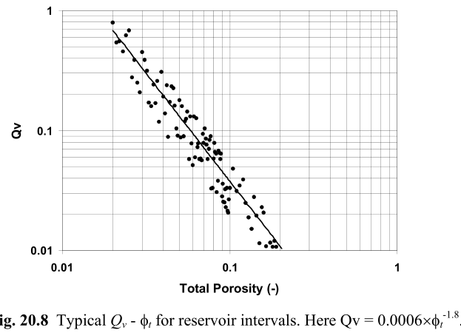
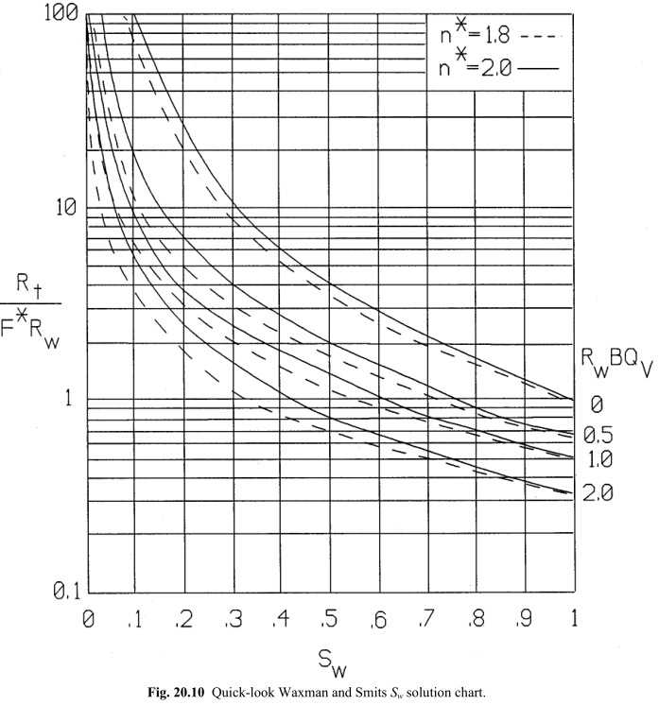
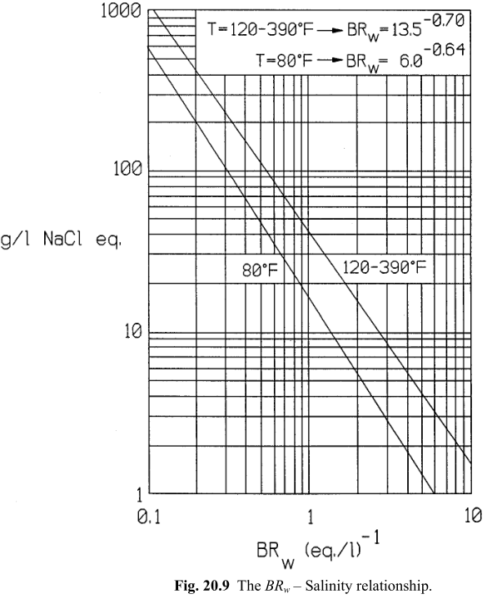
Waxman Smits Chart (Typical & Correlation) for Quick Look (Paul Glover)

Juhasz (1981)
Water Saturation – Juhasz

 | ~Replacing Qv in the Waxman-Smits equation with a dimensionless expression of Qv defined as "normalised Qv"
 | ~By using the concept of the normalised Qv the Waxman-Smits equation can be converted into a "normalised" form in which all parameters,
 | ~with the exception of the saturation exponent n*, can be obtained from logs.
 | ~Swt on the right is calculated initially from the Archie Equation using in place of m and n.

$$S_{wt}= {\left(\frac{a × R_{w}}{{∅_{t}}^{m}× R_{t} } × \frac{1}{\left(1+B_{n}× Q_{vn} × \frac{R_{w}}{S_{wt}}\right)}\right)}^{\frac{1}{n}}$$

 | Source: Senergy Software

 | Archie Calculation |  |  |  |  |  |  | Juhasz Calculation
 | Rt | Øt | a | m | n | Rw | Swt | T | Rw | Bn | Øt | Vcl | Øtclay | Qvn | Rt | a | m | n | Swt
 |  |  |  |  |  |  | #NUM! |  |  | -1.28 |  |  |  | #DIV/0! |  |  |  |  | #NUM!

Dual Water (1982)
Water Saturation – Dual Water

 | ~The dual water method is perhaps the most widely used of the techniques that go beyond the shale-volume methods.
 | ~It faces the reality that there is no way to measure cation-exchange capacity (CEC) directly from logs and that CEC measurements on cores are rare,
 | ~So Vcl methods are used to correct porosity for clay content and to calculate the bound-water saturation (Swb ).
 | ~The bound-water and free-water resistivities are determined from nearby shales and clean sands, and the apparent water resistivity (Rw) in the sand of interest is calculated.
 | Swt on the right is calculated initially from the Archie Equation using in place of m and n.
 | Equation developed by Coates & Clavier
$$S_{wt}= {\left(\frac{a}{{∅_{t}}^{m}× R_{t} } × \frac{1}{\left(\frac{1}{R_{w}}+\frac{S_{wb}}{S_{wt}}× \left(\frac{1}{R_{wb}}−\frac{1}{R_{w}}\right)\right)}\right)}^{\frac{1}{n}}$$

 | Source: Senergy Software

 | Archie Calculation |  |  |  |  |  |  | Dual Water Calculation
 | Rt | Øt | a | m | n | Rw | Swt | Øe | Øt | Swb | Rt | a | m | n | Rw | Rwb | Swt
 |  |  |  |  |  |  | #NUM! |  |  | #DIV/0! |  |  |  |  |  |  | #NUM!

Simandoux (1963)
Water Saturation – Simandoux

 | ~The Simandoux equation (1963) is among the most used ones.
 | ~It reduces mathematically to the Archie equation when n=2 and Vcl=0.

$$S_{w}= \left(\frac{a × R_{w}}{2 × ∅^{m}}\right) × \left[\sqrt{{\left(\frac{V_{cl}}{R_{cl}}\right)}^{2}+ \frac{4 × ∅^{m}}{{a×R}_{w}×R_{t}}} − \frac{V_{cl}}{R_{cl}}\right]$$

 | Source: Asquith & Krygowski

 | Simandoux Calculation
 | Rt | Vcl | a | m | Rcl | Ø | Rw | Sw
 |  |  |  |  |  |  |  | #NUM!

Fertl (1975)
Water Saturation – Fertl

 | ~The Fertl (1975) equation for shaly sands has the advantage that does not depend upon Rshales / Rclay
 | ~It uses instead a reservoir dependent empirically adjusted 0.25 ≤ α ≤ 0.35, α=0.25 in the Gulf Coast and α=0.35 in the Rocky Mountains.

$$S_{w}= \frac{1}{∅^{\frac{m}{2}}} × \left[\sqrt{\frac{{a×R}_{w}}{R_{t}} + {\left(\frac{{α×V}_{cl}}{2}\right)}^{2}} − \frac{{α×V}_{cl}}{2}\right]$$

 | Source: Asquith & Krygowski

 | Fertl Calculation
 | Rt | Vcl | Ø | a | m | Rw | α | Sw
 |  |  |  |  |  |  |  | #NUM!

Conversion Sw and Ø
Conversion of Total and Effective Saturations

 | •If saturations are determined by a number of different methods are to be compared care is needed if water saturation is calculated
 | with reference to total porosity Swt is to be compared with that calculated relative to effective porosity, Swe.

 | •Conversion from Swe and Swt is achieved by:
Clean Matrix
Dry Clay
Bound Water
Water
Oil / Gas
Total Porosity (PhiT)
Effective Porosity (Phie)
HydVol
WaterVol
Sw = WaterVol / Effective Porosity
SwT = WaterVol / Total Porosity
Wet Clay Volume (VWCL)

Water Saturation – Total Phi Models

 | •Total porosity
 | •øt = øe + Vcl x øtclay
 | •Clay porosity Øtclay
 | •Entered as a fixed parameter
 | •Calculated from density dry and wet clay parameters
 | •Best method of obtaining this is from core analysis data

 | Source: Senergy Software

Another References
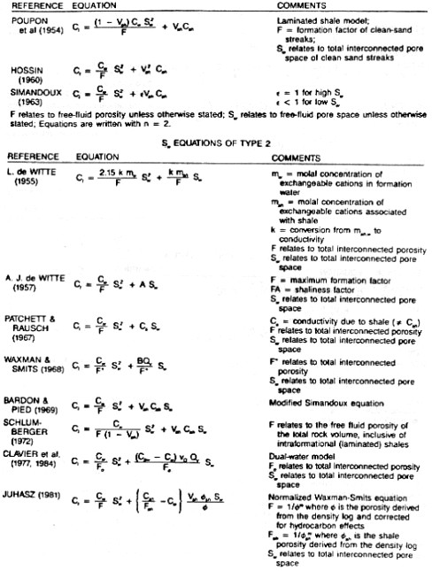

Source: Crain's Petrophysical Handbook

