AME
Market cap
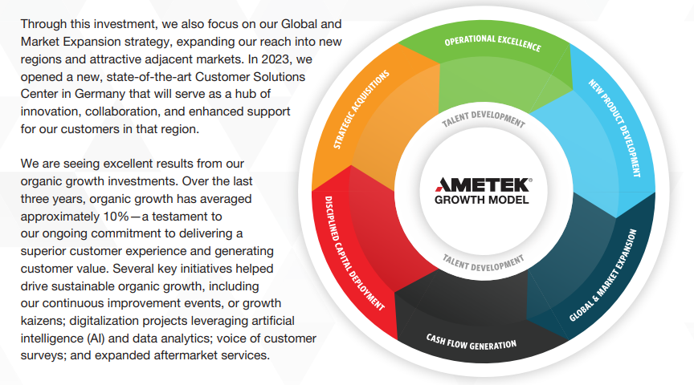
Ownership

Revenues
Operating Costs
Depreciation and intangivle asset amortization
Operating taxes
NOPAT | 0
Current operating assest
Fixed assets
Intangible assets
Long term operating assets
Long term operating liabilities
Current operating liabilities
Invested Capital | 0
ROIC | #DIV/0!
ROIC BBG

