SFT MIDP Template
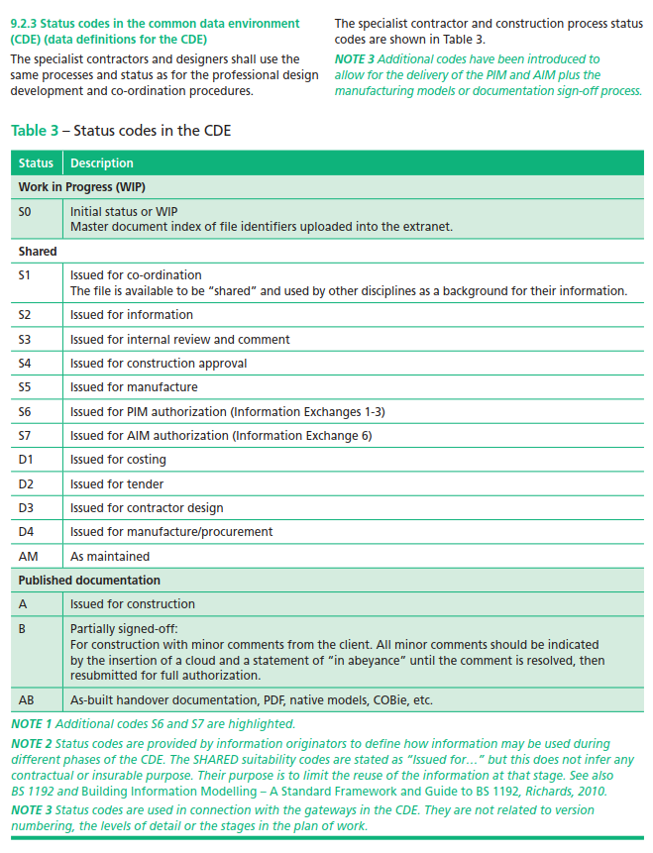
Scottish Fututres Trust - Master Information Delivery Plan (MIDP) Template

Project Number
Project Title
Author |  |  |  |  |  |  |  |  |  |  | Example file name
Date Created
Date Last Updated
Document Reference |  |  |  |  |  |  |  |  |  |  |  |  |  |  |  |  |  |  |  |  |  |  |  |  |  | OWNER | INSERT NAME OF OWNER
 |  |  | Refer to file naming convention doc for info |  |  |  |  |  |  | OPTIONAL |  | DATA EXCHANGE #01 |  | DATA EXCHANGE #02 |  | DATA EXCHANGE #03 |  | DATA EXCHANGE #04 |  | DATA EXCHANGE #05 |  | DATA EXCHANGE #06 |  | DATA EXCHANGE #07 |  | Client
 |  |  | FILE NAME |  |  |  |  |  |  |  |  | STAGE: | BRIEF | STAGE: | CONCEPT | STAGE: | DEFINITION | STAGE: | DESIGN | STAGE: | BUILD AND COMMISSION | STAGE: | HANDOVER AND CLOSE OUT | STAGE: | OPERATION IN USE | Client adviser
 |  |  |  |  |  |  |  |  |  |  |  | PROGRAMME REF: |  | PROGRAMME REF: |  | PROGRAMME REF: |  | PROGRAMME REF: |  | PROGRAMME REF: |  | PROGRAMME REF: |  | PROGRAMME REF: |  | Project lead
DELIVERABLE (TITLE) | DESCRIPTION | EXCHANGE FORMATS | PROJECT CODE | ORIGINATOR CODE | VOLUME / SYSTEM* | LEVEL/ LOCATION | TYPE | ROLE | NUMBER | CLASSIFICATION (UNICLASS 2015) | NRM1 CODE | OWNER | DATE REQUIRED TO ISSUE | OWNER | DATE REQUIRED TO ISSUE | OWNER | DATE REQUIRED TO ISSUE | OWNER | DATE REQUIRED TO ISSUE | OWNER | DATE REQUIRED TO ISSUE | OWNER | DATE REQUIRED TO ISSUE | OWNER | DATE REQUIRED TO ISSUE | Lead designer
 |  |  |  |  |  |  |  |  |  |  |  |  |  |  |  |  |  |  |  |  |  |  |  |  |  | Construction lead
MODELS |  |  |  |  |  |  |  |  |  |  |  |  |  |  |  |  |  |  |  |  |  |  |  |  |  | Architect
 |  |  |  |  |  |  |  |  |  |  |  |  |  |  |  |  |  |  |  |  |  |  |  |  |  | Civil and structural engineer
 |  |  |  |  |  |  |  |  |  |  |  |  |  |  |  |  |  |  |  |  |  |  |  |  |  | Building services engineer
 |  |  |  |  |  |  |  |  |  |  |  |  |  |  |  |  |  |  |  |  |  |  |  |  |  | Cost consultant
 |  |  |  |  |  |  |  |  |  |  |  |  |  |  |  |  |  |  |  |  |  |  |  |  |  | Contract administrator
 |  |  |  |  |  |  |  |  |  |  |  |  |  |  |  |  |  |  |  |  |  |  |  |  |  | Health and safety advisor
 |  |  |  |  |  |  |  |  |  |  |  |  |  |  |  |  |  |  |  |  |  |  |  |  |  | Access consultant
 |  |  |  |  |  |  |  |  |  |  |  |  |  |  |  |  |  |  |  |  |  |  |  |  |  | Acoustic consultant
 |  |  |  |  |  |  |  |  |  |  |  |  |  |  |  |  |  |  |  |  |  |  |  |  |  | Archaeologist
 |  |  |  |  |  |  |  |  |  |  |  |  |  |  |  |  |  |  |  |  |  |  |  |  |  | BREEAM assessor
 |  |  |  |  |  |  |  |  |  |  |  |  |  |  |  |  |  |  |  |  |  |  |  |  |  | Cladding specialist
 |  |  |  |  |  |  |  |  |  |  |  |  |  |  |  |  |  |  |  |  |  |  |  |  |  | Catering consultant
 |  |  |  |  |  |  |  |  |  |  |  |  |  |  |  |  |  |  |  |  |  |  |  |  |  | Facilities management (FM) advisor
 |  |  |  |  |  |  |  |  |  |  |  |  |  |  |  |  |  |  |  |  |  |  |  |  |  | Fire engineer

 |  |  |  |  |  |  |  |  |  |  |  |  |  |  |  |  |  |  |  |  |  |  |  |  |  | Highways consultant
DRAWINGS (CUT FROM MODEL) |  |  |  |  |  |  |  |  |  |  |  |  |  |  |  |  |  |  |  |  |  |  |  |  |  | Information manager
 |  |  |  |  |  |  |  |  |  |  |  |  |  |  |  |  |  |  |  |  |  |  |  |  |  | Interior designer
 |  |  |  |  |  |  |  |  |  |  |  |  |  |  |  |  |  |  |  |  |  |  |  |  |  | Landscape architect
 |  |  |  |  |  |  |  |  |  |  |  |  |  |  |  |  |  |  |  |  |  |  |  |  |  | Lighting designer
 |  |  |  |  |  |  |  |  |  |  |  |  |  |  |  |  |  |  |  |  |  |  |  |  |  | Masterplanner

 |  |  |  |  |  |  |  |  |  |  |  |  |  |  |  |  |  |  |  |  |  |  |  |  |  | Operational lead
 |  |  |  |  |  |  |  |  |  |  |  |  |  |  |  |  |  |  |  |  |  |  |  |  |  | Party wall surveyor
 |  |  |  |  |  |  |  |  |  |  |  |  |  |  |  |  |  |  |  |  |  |  |  |  |  | Planning consultants
 |  |  |  |  |  |  |  |  |  |  |  |  |  |  |  |  |  |  |  |  |  |  |  |  |  | Security advisor
 |  |  |  |  |  |  |  |  |  |  |  |  |  |  |  |  |  |  |  |  |  |  |  |  |  | Signage designer
 |  |  |  |  |  |  |  |  |  |  |  |  |  |  |  |  |  |  |  |  |  |  |  |  |  | Sustainability advisor
 |  |  |  |  |  |  |  |  |  |  |  |  |  |  |  |  |  |  |  |  |  |  |  |  |  | Technical advisor
 |  |  |  |  |  |  |  |  |  |  |  |  |  |  |  |  |  |  |  |  |  |  |  |  |  | Other additional project role 1
 |  |  |  |  |  |  |  |  |  |  |  |  |  |  |  |  |  |  |  |  |  |  |  |  |  | Other additional project role 2

REPORTS

SPECIFICATIONS

OTHER

* When planning complex projects and determining the number of model files required, it is commonplace and good practice for the project to be divided into volumes defined by coordinates within an overall project model that will be held as separate model files. This enables multiple users to work on the project efficiently. Volumes should be allocated using cut lines to indicate their limits. Volume boundaries could be structural joints or grid lines; for road projects they could be chainage distances; or they could be defined by use e.g. a vertical distribution shaft.

