Credit



Syndicat des Régies Internet
Alliance digitale
Reference framework for calculating the carbon footprint of digital campaigns: Step by step

Database

Production

Versions

Version | Date of modification | By
1 | 2021-10-18 | BL Evolution
1.1 | 2021-12-20 | BL Evolution
1.2 | 2022-06-03 | BL Evolution
1.2.1 | 2022-06-28 | BL Evolution
2.0 | 2023-03-28 | BL Evolution
2.1 | 2023-05-05 | BL Evolution
2.1.1 | 2023-05-12 | BL Evolution

Shared at:
Contributions

Introduction
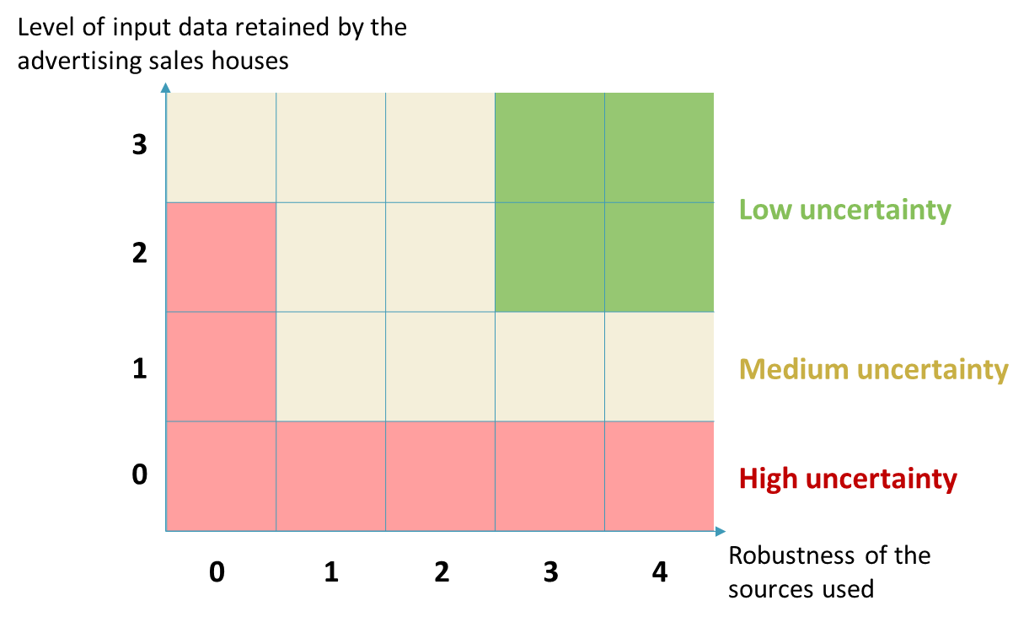
Introduction

 |  | Objective of the methodological base:

 |  | Provide advertising sales houses with the first common, reliable and transparent industry framework with calculation methods, a scope and certain modelling assumptions already defined, enabling them to make an ambitious and consistent commitment across the entire sector.

 |  | Content of the Excel file:

 |  | Introduction | Scope of the study and hierarchy of sources used
 |  | Calculation mechanism | Diagram of the calculation mechanism and the data to be entered by the advertising sales houses at each level
 |  | Collection matrix | Example of a sales house data collection matrix for levels 1 and 2 of data collection
 |  | Database | The database needed to calculate the carbon footprint of a campaign. Aggregate factors with explicit calculations are also included
 |  | Programmatic & direct | Modelling, assumptions and data specific to the allocation part. Aggregate factors with explicit calculations are also included
 |  | Electricity EF | Database of emission factors for electricity
 |  | Modelling details | Details of the main modelling assumptions

 | Scope of the base to date
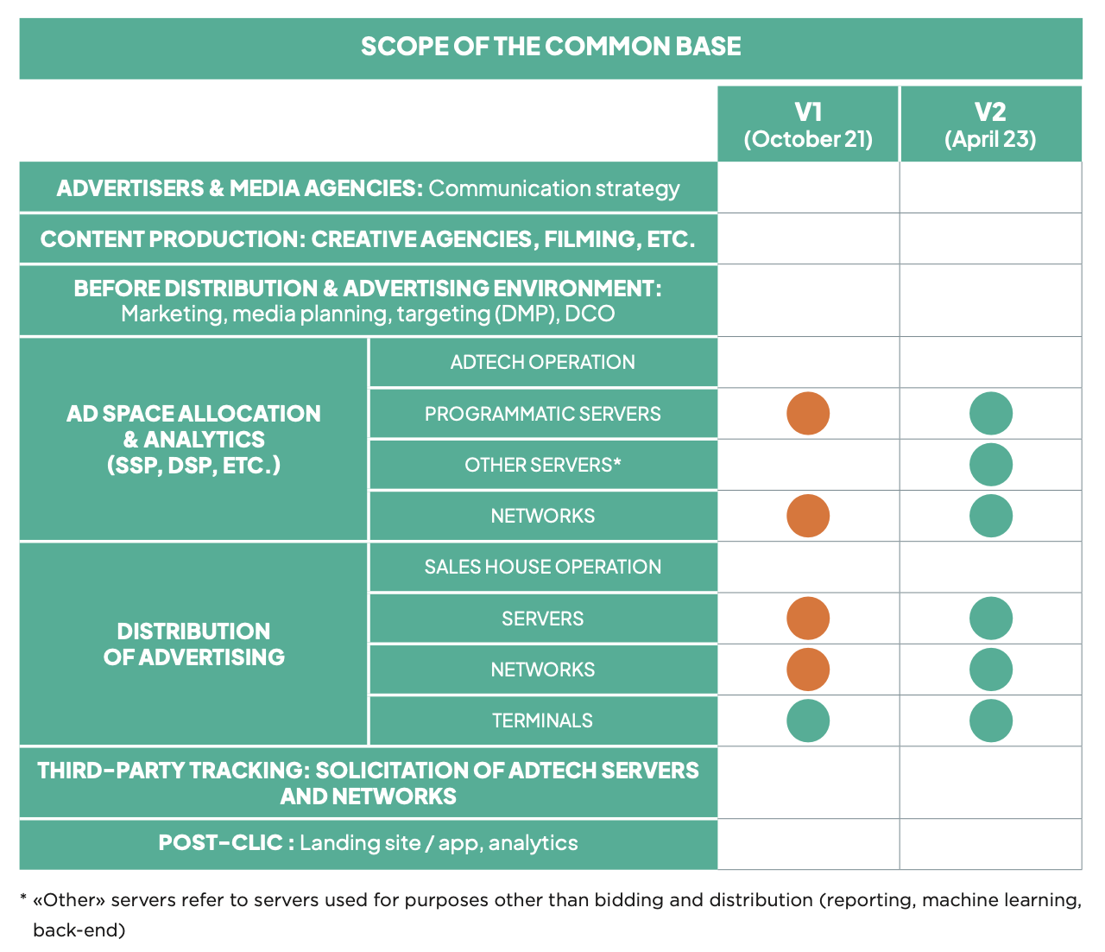

 |  |  |  |  | Out of scope
 |  |  |  |  | Consideration of use only
 |  |  |  |  | Consideration of the entire life cycle

 | Hierarchy of sources of emission and conversion factors used

 |  | - recent |  | + recent | The most recent sources have been prioritised at each level of the source hierarchy, taking into account the rapid variations in the performance of terminals, networks and servers.

 |  | Official reports / peer-reviewed scientific studies |  |  | Source to be integrated as a priority. Regular monitoring to incorporate factors arising from the most recent studies. High to very high level of reliability

 |  | Private studies with scientific advice / LCA |  |  | Sources to integrate if the factors do not exist in previous sources Medium to high level of reliability

 |  | Estimates |  |  | If the factor cannot be found in the literature, as a last resort, carry out a business estimate. Low to medium level of reliability

 |  | Sale house data |  |  | Data entered by the sales house

 | Estimate of uncertainties

 | Two main sources of uncertainty in calculating emissions
 | Level of input data retained by the advertising sales houses
- precise | 0 - Input data / Level 1 calculated on an average - average values for levels 2 & 3
 | 1 - Level 1 as input data for calculations - average values for levels 2 & 3
 | 2 - Level 2 specified by the sale house - average values for level 3
+ precise | 3 - Level 3 specified by the sales house - no average values used

 | Robustness of the sources used
- precise | 0 - Factors and modelling based on estimates
 | 1 - Factor & modelling from private studies with scientific advice / old LCAs
 | 2 - Factors & models from private studies with scientific advice / recent LCAs
 | 3 - Factors & models taken from old official reports / peer-reviewed scientific studies
+ precise | 4 - Factors & models taken from recent official reports / peer-reviewed scientific studies

 | The uncertainties of each calculation can therefore be modelled qualitatively as follows:

Calculation mechanism
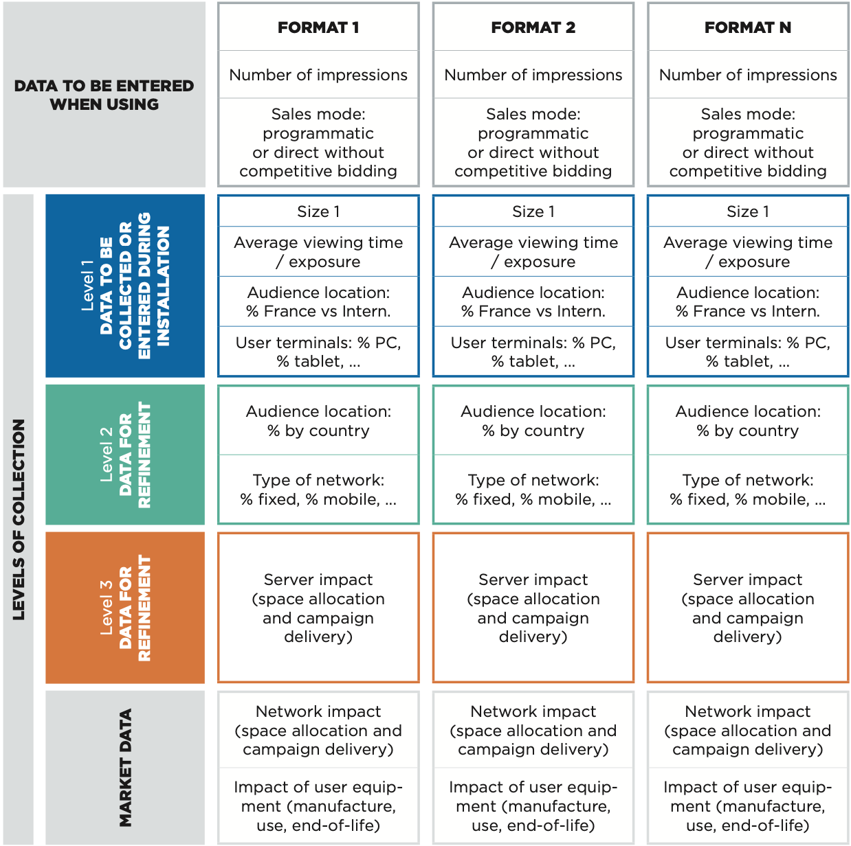
Details of necessary data and calculation mechanism

 | This tab outlines how the different data should be arranged to calculate the carbon impact of campaigns.

 | Level 1 data can be obtained from a study of all the advertisements broadcast over a representative period (e.g.: one month of advertising) in order to determine average values by standard format.
 | For greater precision, they can also be monitored and entered for each carbon impact calculation for a campaign as calculator input data.
 | Level 2 and level 3 data are more detailed data relating to the audience and the servers that the advertising network can collect thanks to a study of all the advertisements broadcast over a representative period as well as a collection of specific internal data (technical stack, data hosts, etc.)
 | Default data is provided in the database for levels 2 and 3 if the advertising network chooses not to collect them specifically.
 | Lastly, market data must be taken over as they stand by the advertising networks, since they do not depend on their operation. They are available in the database.

Hierarchy of terminals
Hierarchy of the carbon impact of terminals per second of viewing

An essential element of the carbon footprint of the broadcast of digital campaigns is the hierarchy of terminals per second of viewing.This value is the combination of several data and appears in the aggregated data: it is essential that all the calculators are aligned with the orders of magnitude of the impact per second and the hierarchy of impacts that guides the recommendations.

 | Terminal Modelling

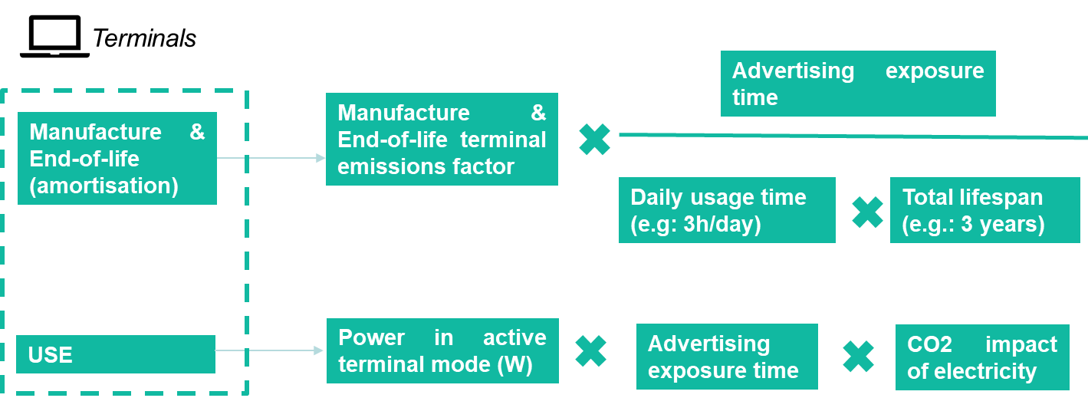

 | Terminal (France scenario) | Lifecycle phase (kgCO2e/s viewing)
 |  | Manufacture & End-of-life | Use | Total
 | Smartphone | 9.46E-06 | 3.58E-08 | 9.50E-06
Hierarchy of the carbon impact of terminals per second of viewing - France scenario (V2.1)
Hierarchy of the carbon impact of terminals per second of viewing - Europe scenario (V2.1)
 | Computer | 1.32E-05 | 4.25E-07 | 1.36E-05
 | Tablet | 1.28E-05 | 4.25E-07 | 1.33E-05
 | TV | 8.89E-06 | 1.18E-06 | 1.01E-05

 | Terminal (Europe scenario) | Lifecycle phase (kgCO2e/s viewing)
 |  | Manufacture & End-of-life | Use | Total
 | Smartphone | 9.46E-06 | 1.59E-07 | 9.62E-06
 | Computer | 1.32E-05 | 1.88E-06 | 1.51E-05
 | Tablet | 1.28E-05 | 1.88E-06 | 1.47E-05
 | TV | 8.89E-06 | 5.23E-06 | 1.41E-05

Programmatic & direct
Allocation of advertising space & analytics - modelling principles

 | This tab details the models used to calculate the impact of the allocation of advertising through programmatic or direct sales. It is the synthesis of the SRI x Alliance Digitale working group on the subject. It models servers and networks throughout their lifecycle.

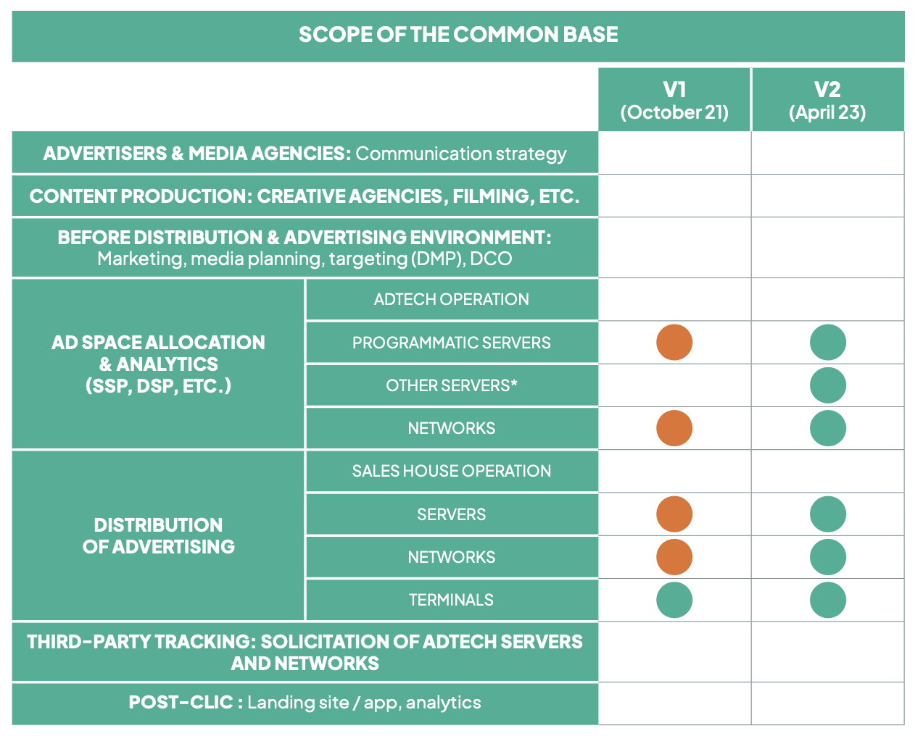
Companies involved in the SRI x Alliance Digitale joint programmatic working group

 |  | * "Other" servers refer to server resources used for purposes other than bidding and broadcasting (reporting, machine learning, back-end, etc.)

 | Modelling principle: each impression potentially calls on different modes of space allocation (deals, open, etc.), regardless of the winning mode. Each path to a DSP is called an "active path". If this path is implemented, it is "potentially activated".

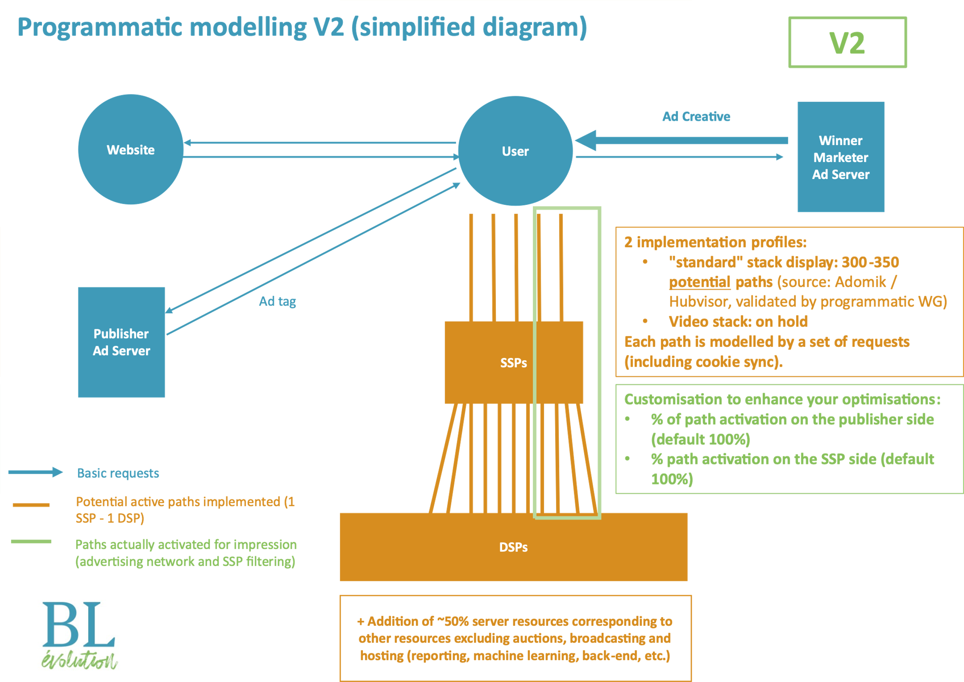

 | Programmatic modelling: as the variety of paths activated is more complex for display (more players involved) compared with other modes, two main ad stack profiles are distinguished, with the default parameters below. Direct modelling: 2 cases have been identified by the working group, direct in competition with programmatic which will therefore have the same impact (depending on the number of active paths) and direct not in competition / "tight", where only one active path is solicited. Possible customisation elements - see calculator below (from line 148 of this tab) - it is possible for a player in the digital chain to customise: * % of activation on the advertising network/publisher side (SPO) compared with the theoretical number of paths *% activation on the SSP side (bid throttling) * Selection of the direct without competition factor where applicable (corresponds to a single activated path) Conclusion: What factors should I use for the space allocation part? Advertising networks: several cases depending on your technical implementation: • For direct impressions: 1/ If direct impression is not in competition with programmatic => take direct without competition factors into account (lines 142 to 145 of this tab, included in lines 13 to 16 of the Database tab) 2/ If direct is in competition with programmatic => consider direct impressions identical to programmatic (see below) • For programmatic impressions: 1/ If you cannot measure activation percentages => you must take into account a default activation value of 100%, to be distinguished between formats. Take into account the factors of average programmatic display / average instream video and other formats (native, etc.) (lines 134 to 141 of this tab, included in lines 5 to 12 of the Database tab) 2/ If you can measure activation percentages => you can calculate your own activation percentages by specifying cells I153 and I154 and then take into account the factors persona

 |  |  |  |  |  |  |  | s

Allocation of advertising space & analytics - intermediate calculations by default

 |  | Broadcast stages | Impact category | Associated impact | Taken into account | Level of aggregation | Data taken into account for modelling | Data value | Unit | Data source (and colour code according to source hierarchy) | Correspondence with the collection level of the methodological base | Comments | Comments on the V2 update
 |  | Allocation of advertising space & analytics | Servers | Use | Taken into account | Aggregate factor | Server usage impact - by activated path - Allocation of advertising space & analytics | 5.26E-08 | kgCO2e / activated path
 |  | Allocation of advertising space & analytics | Servers | Manufacture and end-of-life | Taken into account | Aggregate factor | Server manufacture & end-of-life impact - by activated path - Allocation of advertising space & analytics | 1.74E-07 | kgCO2e / activated path
 |  | Allocation of advertising space & analytics | Networks | Use | Taken into account | Aggregate factor | Impact of network usage - by activated path - Allocation of advertising space & analytics | 1.97E-06 | kgCO2e / activated path
 |  | Allocation of advertising space & analytics | Networks | Manufacture and end-of-life | Taken into account | Aggregate factor | Network manufacture & end-of-life impact - by activated path - Allocation of advertising space & analytics | 5.78E-07 | kgCO2e / activated path
 |  | Allocation of advertising space & analytics | Servers | Use | Taken into account | Aggregate factor | Server usage impact - by impression (programmatic display average) - Allocation of advertising space & analytics | 1.84E-05 | kgCO2e / programmatic display impression
 |  | Allocation of advertising space & analytics | Servers | Manufacture and end-of-life | Taken into account | Aggregate factor | Server manufacture & end-of-life impact - by impression (programmatic display average) - Allocation of advertising space & analytics | 6.09E-05 | kgCO2e / programmatic display impression
 |  | Allocation of advertising space & analytics | Networks | Use | Taken into account | Aggregate factor | Network usage impact - by impression (programmatic display average) - Allocation of advertising space & analytics | 6.90E-04 | kgCO2e / programmatic display impression
 |  | Allocation of advertising space & analytics | Networks | Manufacture and end-of-life | Taken into account | Aggregate factor | Network manufacture & end-of-life impact - by impression (programmatic display average) - Allocation of advertising space & analytics | 2.02E-04 | kgCO2e / programmatic display impression
 |  | Allocation of advertising space & analytics | Servers | Use | Taken into account | Aggregate factor | Server usage impact - by impression (average programmatic video instream and other modes) - Allocation of advertising space & analytics | 5.26E-06 | kgCO2e / programmatic video impression and others (native, etc.)
 |  | Allocation of advertising space & analytics | Servers | Manufacture and end-of-life | Taken into account | Aggregate factor | Server manufacture & end-of-life impact - by impression (average programmatic video instream and other modes) - Allocation of advertising space & analytics | 1.74E-05 | kgCO2e / programmatic video impression and others (native, etc.)
 |  | Allocation of advertising space & analytics | Networks | Use | Taken into account | Aggregate factor | Network usage impact - by impression (average programmatic video instream and other modes) - Allocation of advertising space & analytics | 1.97E-04 | kgCO2e / programmatic video impression and others (native, etc.)
 |  | Allocation of advertising space & analytics | Networks | Manufacture and end-of-life | Taken into account | Aggregate factor | Network manufacture & end-of-life impact - by impression (average programmatic video instream and other modes) - Allocation of advertising space & analytics | 5.78E-05 | kgCO2e / programmatic video impression and others (native, etc.)
 |  | Allocation of advertising space & analytics | Servers | Use | Taken into account | Aggregate factor | Server usage impact - by impression (direct without competition) - Allocation of advertising space & analytics | 5.26E-08 | kgCO2e / direct impression
 |  | Allocation of advertising space & analytics | Servers | Manufacture and end-of-life | Taken into account | Aggregate factor | Server manufacture & end-of-life impact - by impression (direct without competition) - Allocation of advertising space & analytics | 1.74E-07 | kgCO2e / direct impression
 |  | Allocation of advertising space & analytics | Networks | Use | Taken into account | Aggregate factor | Network usage impact - by impression (direct without competition) - Allocation of advertising space & analytics | 1.97E-06 | kgCO2e / direct impression
 |  | Allocation of advertising space & analytics | Networks | Manufacture and end-of-life | Taken into account | Aggregate factor | Network manufacture & end-of-life impact - by impression (direct without competition) - Allocation of advertising space & analytics | 5.78E-07 | kgCO2e / direct impression

Allocation of advertising space & analytics - customisable calculations

 |  | As indicated above, it is possible for a player in the digital chain to enhance the actions implemented to optimise the use of active paths:* At the level of the user's connection to the site, if in particular all the access paths to the inventory are not systematically called (supply path optimization or SPO) * At the level of the SSPs calling up the DSPs (bid throttling) The number of paths, market average, is not intended to be changed, but these two activation percentages should make it possible to get as close as possible to the actual number of paths activated per impression. Regarding factors linked to direct, they should be used (default value equivalent to the activation of a single path) when this management is "tight" with programmatic (no competition between direct and programmatic).

 |  | Broadcast stages | Impact category | Associated impact | Taken into account | Level of aggregation | Data taken into account for modelling | Data value | Data source (and colour code according to source hierarchy) | Correspondence with the collection level of the methodological base
 |  | Allocation of advertising space & analytics | Servers and networks | Manufacture, use and end of life | Taken into account | Disaggregated factor | Proportion of potential paths activated on each impression (publisher) | 100% | Default value - customisable | Level 3
 |  | Allocation of advertising space & analytics | Servers and networks | Manufacture, use and end of life | Taken into account | Disaggregated factor | Proportion of potential paths activated on each impression (SSP) | 100% | Default value - customisable | Level 3

 |  | Broadcast stages | Impact category | Associated impact | Taken into account | Level of aggregation | Data taken into account for modelling | Data value | Unit
 |  | Allocation of advertising space & analytics | Servers | Use | Taken into account | Aggregate factor | Server usage impact - by impression (customisable programmatic display) - Allocation of advertising space & analytics | 1.84E-05 | kgCO2e / programmatic display impression
 |  | Allocation of advertising space & analytics | Servers | Manufacture and end-of-life | Taken into account | Aggregate factor | Server manufacture & end-of-life impact - by impression (customisable programmatic display) - Allocation of advertising space & analytics | 6.09E-05 | kgCO2e / programmatic display impression
 |  | Allocation of advertising space & analytics | Networks | Use | Taken into account | Aggregate factor | Network usage impact - by impression (customisable programmatic display) - Allocation of advertising space & analytics | 6.90E-04 | kgCO2e / programmatic display impression
 |  | Allocation of advertising space & analytics | Networks | Manufacture and end-of-life | Taken into account | Aggregate factor | Network manufacture & end-of-life impact - by impression (customisable programmatic display) - Allocation of advertising space & analytics | 2.02E-04 | kgCO2e / programmatic display impression
 |  | Allocation of advertising space & analytics | Servers | Use | Taken into account | Aggregate factor | Server usage impact - by impression (customisable programmatic video instream and other) - Allocation of advertising space & analytics | 5.26E-06 | kgCO2e / programmatic video impression and others (native, etc.)
 |  | Allocation of advertising space & analytics | Servers | Manufacture and end-of-life | Taken into account | Aggregate factor | Server manufacture & end-of-life impact - by impression (customisable programmatic video instream and other) - Allocation of advertising space & analytics | 1.74E-05 | kgCO2e / programmatic video impression and others (native, etc.)
 |  | Allocation of advertising space & analytics | Networks | Use | Taken into account | Aggregate factor | Network usage impact - by impression (customisable programmatic video instream and other) - Allocation of advertising space & analytics | 1.97E-04 | kgCO2e / programmatic video impression and others (native, etc.)
 |  | Allocation of advertising space & analytics | Networks | Manufacture and end-of-life | Taken into account | Aggregate factor | Network manufacture & end-of-life impact - by impression (customisable programmatic video instream and other) - Allocation of advertising space & analytics | 5.78E-05 | kgCO2e / programmatic video impression and others (native, etc.)

