genes
Input | Excel | Number
MAR1 | Mar-01 | 36951
DEC1 | Dec-01 | 37226
OCT4 | Oct-04 | 38261

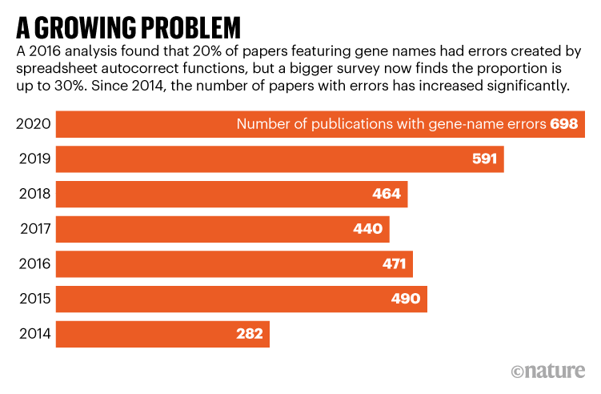

https://www.nature.com/articles/d41586-021-02211-4

