Data Analytics
Fact

Data

Structured, Unstructured
Quantitative, Qualitative
Internal, External
Text, Spatial

Extract, Transform, Load

Fact, Dimension, Hierarchy, Measure

Fact->Data->Information->Knowledge->Wisdom
Recording, Classifying, Sorting, Summarizing, Reporting
Asking, Preparing, Processing, Analyzing, Sharing
Pivoting, Dicing, Slicing, Drilling Down, Rolling Up

Descriptive, Diagnostic, Predictive, Prescriptive, Exploratory, Confirmatory, Cognitive

Power BI |  | No Coding Low Coding!
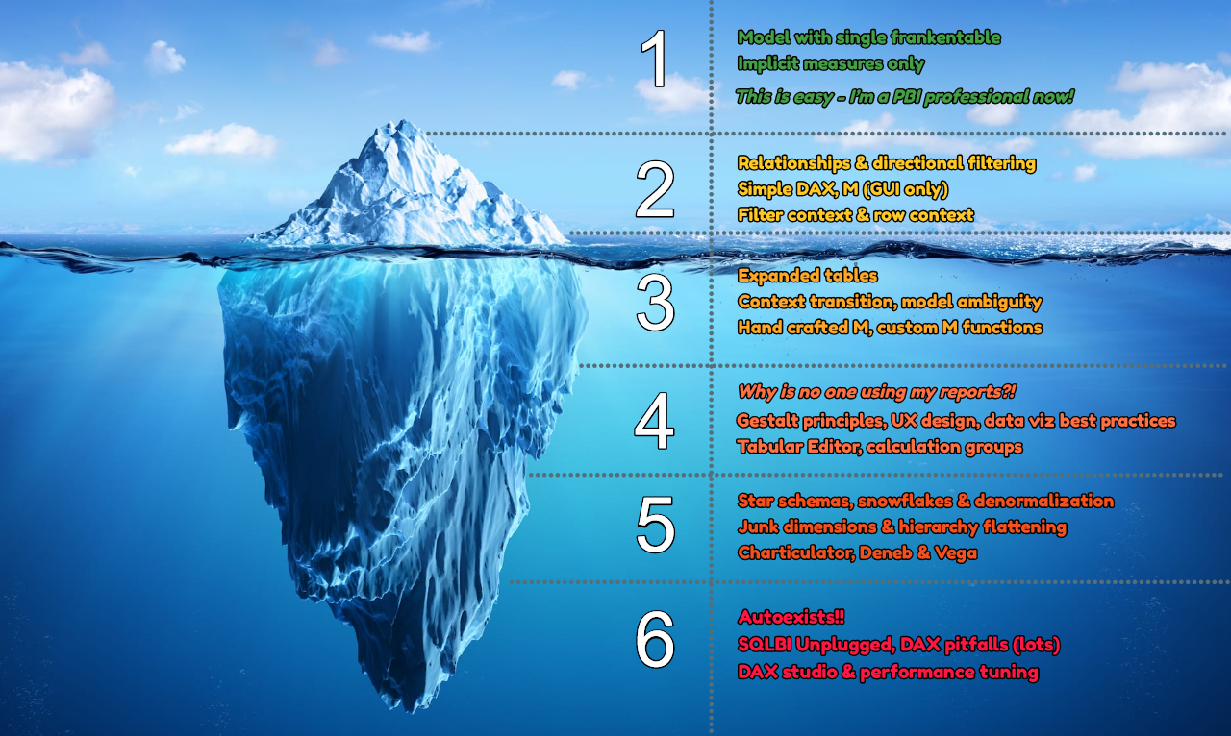
Power Query |  | M Language
 |  | ETL

Power Pivot |  | DAX Language
 |  | = a +B
 |  | C = A+ b
Excel = Power Query + Power Pivot +
 | Excel visuals

Power BI = Power Query + Power Pivot +
 | Power BI Visuals

Interactive!

3
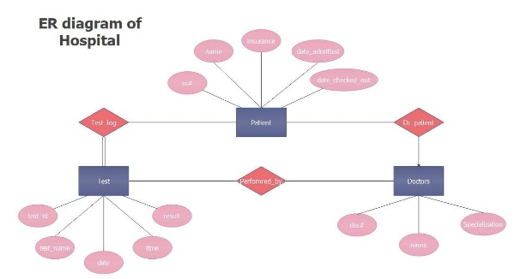
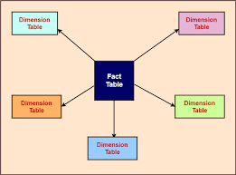
Pre-process

Extract | from different sources like | 3
 | text, csv, json, xml, sql, odbc, api, pdf, images, big data, cloud, dataverse,…

Transform | Clean, Sanitize, Split, Join, Parse, Transpose, Remove, Keep
 | Replace, Group, Summarize, Pivot, Unpivot, Calculate, Cast, Culture…

Load | Load the data to a MODEL
 | Columnar Database
 | From Entity Centered to Fact Centered

4
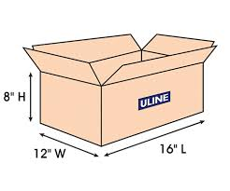
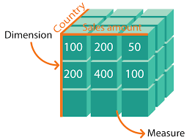
Concepts

Fact | Truth about something happened |  |  | 4
 | Numbers! | eg., Sales

Dimension | Hardened Edge, Context, Giving Meaning to facts, Anything Measurable
 | eg., Product, Customer, Place, Employee, Time

Hierarchy | Different Levels in Dimensions |  | Granularizing
 | Place -> Country, Region, State, District, City, Street
 | Time-> Year, Quarter, Month, Week, Day

Measure | Calculated Value
 | UoM-> Currency, Number, Percentage, First, Last, etc.,

Dimensions in different levels of Hierarchies are Measured by Facts

5
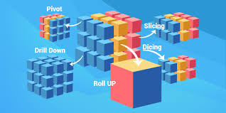
Steps

Fact->Data->Information->Knowledge->Wisdom

Data Processing Steps: |  |  |  | 5

 | Recording | Valid Data
 | Classifying | Filters, Advanced Filters, Conditional Formatting
 | Sorting | A-Z, Z-A, 0-9, 9-0, Earliest - Latest, Latest-Earliest, Multi-column, Custom Sorting
 | Summarizing | 11 Summaries, Subtotal, Grouping, Consolidating…
 | Reporting | Formatting, Structured, Detailed, Accurate, Regular

Data Analytical Steps: |  | BI!

A | Asking | Creative Question, Intelligent Question | B | Business Questions
P | Preparing | ETL, Power Query, M Language | A | Analyze the plan
P | Processing |  | D | Data Process
A | Analyzing | Calculations, Visualization, Insights, Continous Monitoring, DAX Language, Power Pivot | I | Derive Insights
S | Sharing |  | R | Recommendation

OLAP Operations:

 | Pivoting | Seeing in different perspective. Rotate on an axis. No dimension added/removed
 | Dicing | Seeing a smaller cube from bigger cube. No dimension added/removed
 | Slicing | Cut by a single dimension.
 | Drilling Down | Adding details either by adding new dimension or going from higher level to lower level of Hierarchy
 | Rolling Up | Removing details either by removing a dimension or going from lower level to higher level of Hierarchy

