Support
source : michaellant.com/2010/06/04/five-simple-steps-to-agile-risk-management/ |  |  |  | Agile Risk Management

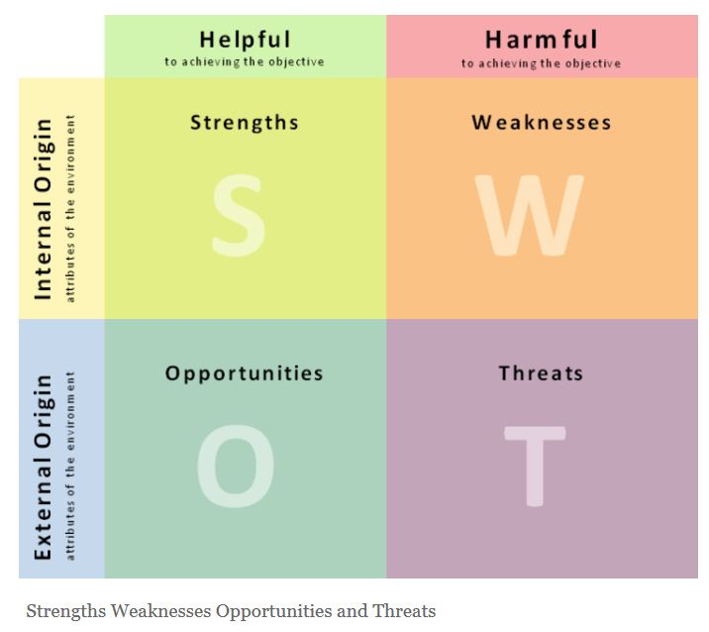
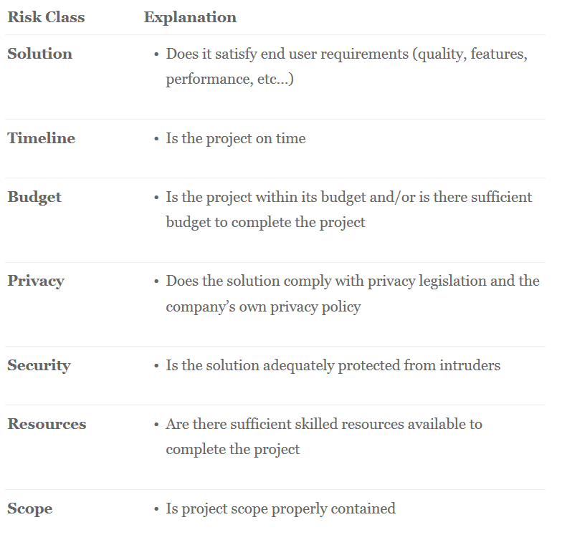
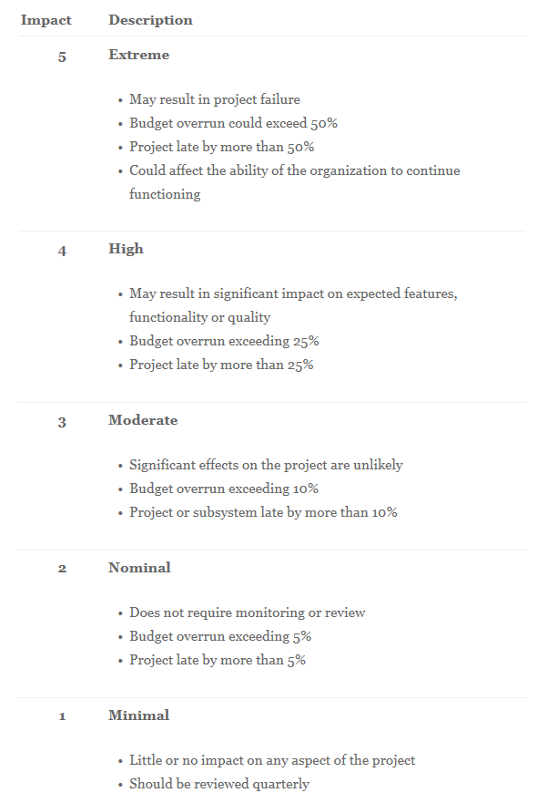
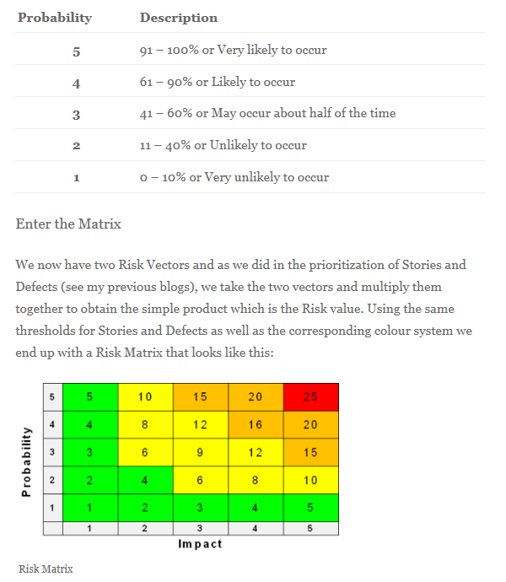
 | 1.Identify |  |  |  | 2.Classify |  |  |  |  | 3.Quantify |  | US fulfillment Fail risk Quantification
 |  |  |  |  |  |  |  |  |  |  |  |  |  |  |  |  |  |  | Name Proposals for Investigation tool
P R O B A B I L I T Y
US8
US7
 |  |  |  |  |  |  |  |  |  |  | 5 | 5 | 10 | 15 | 20 | 25 |  |  |  |  | Quantification weights
 |  |  |  |  |  |  |  |  |  |  |  |  |  |  |  |  | Key words | Synonyms |  |  | 10% | 20% | 30% | 40%
 |  |  |  |  |  |  |  |  |  |  |  |  |  |  |  |  | Investigation | Spying/Spy |  | Names | Readability | Spelling | Lenght | Meaning | Qtfct° ( /4)
US9
 |  |  |  |  |  |  |  |  |  |  | 4 | 4 | 8 | 12 | 16 | 20 | Variables | Data/tags |  | Netspy | ++++ | ++++ | ++++ | +++ | 3.6
 |  |  |  |  |  |  |  |  |  |  |  |  |  |  |  |  | CIP | Ethernet Network |  | DataSpy | ++++ | ++++ | ++++ | +++ | 3.6
 |  |  |  |  |  |  |  |  |  |  |  |  |  |  |  |  | VS |  |  | Ethspy | ++++ | ++ | ++++ | ++ | 2.8
 |  |  |  |  |  |  |  |  |  |  | 3 | 3 | 6 | 9 | 12 | 15 | Tool | Software |  | Train Network Data Processor | + | +++ | + | ++++ | 2.6
 |  |  |  |  |  |  |  |  |  |  |  |  |  |  |  |  | Train | --- |  | TrainSpy | ++++ | ++++ | ++++ | ++ | 3.2
 |  |  |  |  |  |  |  |  |  |  |  |  |  |  |  |  | Alstom | --- |  | Tag Processor | +++ | ++++ | +++ | +++ | 3.2
US2
US6
US17
US15
US3
US4
 |  |  |  |  |  |  |  |  |  |  | 2 | 2 | 4 | 6 | 8 | 10 | Test | --- |  | Network Data Displayer | +++ | +++ | ++ | ++++ | 3.1
US16
US20
US19
 |  |  |  |  |  |  |  |  |  |  |  |  |  |  |  |  | Visualization | Display |  | Tag Extractor | +++ | ++++ | +++ | +++ | 3.2
 |  |  |  |  |  |  |  |  |  |  |  |  |  |  |  |  | Treatment | Processing |  | Network Spying tool | +++ | +++ | ++ | ++++ | 3.1
US5
US18
US13
US1
US10
 |  |  |  |  |  |  |  |  |  |  | 1 | 1 | 2 | 3 | 4 | 5 | Monitor | ---- |  | Tag Monitor | +++ | +++ | +++ | +++ | 3
US14
US11
US12
 |  |  |  |  |  |  |  |  |  |  |  |  |  |  |  |  | Traffic | ---- |  | Traffic Spy | +++ | ++++ | +++ | ++++ | 3.6
 |  |  |  |  |  |  |  |  |  |  |  |  |  |  |  |  | Frames | ---- |  | Traffic Monitor | +++ | ++++ | +++ | +++ | 3.2
 |  |  |  |  |  |  |  |  |  |  |  | 1 | 2 | 3 | 4 | 5 |  |  |  | Traffic Data Processor | +++ | ++++ | ++ | ++++ | 3.3
 |  |  |  |  |  |  |  |  |  |  |  |  |  |  |  |  |  |  |  | Alstom NetSpy | ++ | +++ | +++ | ++ | 2.5
I M P A C T
 |  |  |  |  |  |  |  |  |  |  |  |  |  |  |  |  |  |  |  | DaNetSpy | +++ | ++ | ++++ | + | 2.3
 |  |  |  |  |  |  |  |  |  |  |  |  |  |  |  |  |  |  |  | ProNetVar | +++ | ++ | ++++ | + | 2.3
 |  |  |  |  |  |  |  |  |  |  |  |  |  |  |  |  |  |  |  | Alstom TraINvesT

 |  |  |  |  |  |  |  |  |  |  |  |  |  |  |  |  |  |  |  | NetProbe

 |  |  |  |  |  |  |  |  |  |  |  | s

 |  | 6.Repeat |  |  |  | 5.Act |  |  |  | 4.Plan
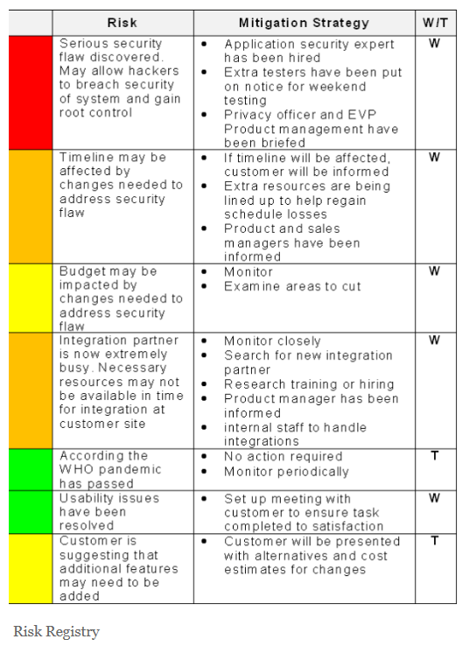
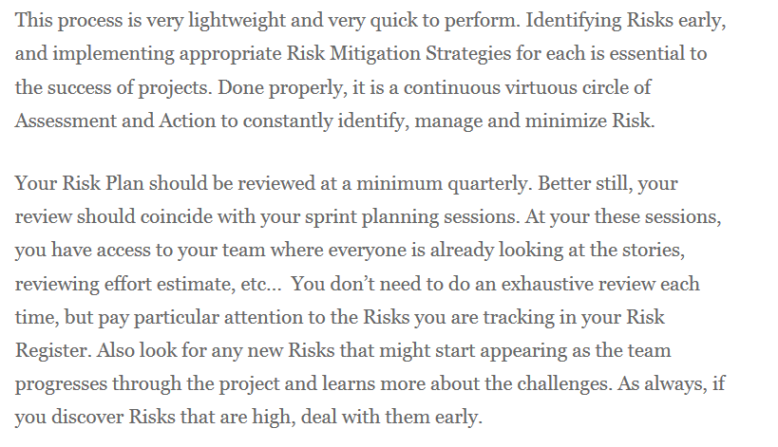
 |  |  |  |  | 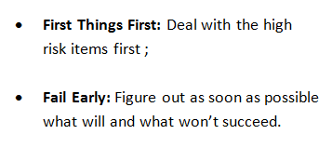 |  |  |  | 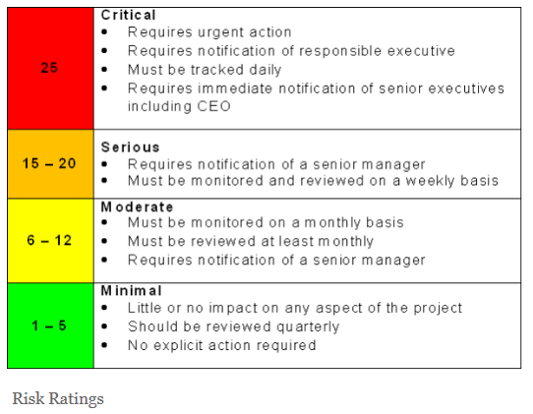

 |  |  |  | Agile T-shirt Sizing Estimation method

 |  |  | XS | S | M | L | XL | XXL

Sprint 1(23 Avril-4 Mai)
Development | Developped User Stories
 | ID | User Story |  |  |  | Effort | Durat° (days) | Start date | End date | Comments
 | US8 | As a user, I want to Spy VS traffic so that I could listen to data frames being exchanged and display them as they are exchanged (brut) |  |  |  | 8 | 2 | 2018-04-24 | 2018-04-25 | finished the 26/04/2018

 | US1 | As a user, I want to create a new project so that I could swap easily from one project to another |  |  |  | 5 | 1 | 2018-04-26 | 2018-04-26

 | US4 | As a user, I want to Import the VS project file so that the tool could know which tags contain the frames after formatting the project file |  |  |  | 13 | 3 | 2018-04-27 | 2018-05-03

 | US5 | As a user, I want to Save the project file so that I can use it later to open an existing project |  |  |  | 1 | 1 | 2018-05-04 | 2018-05-04

Tests & Validation | US ID | Scénario | Steps | Action | Inputs |  |  | Expected Outputs
 | US8 |  | 0 | Initial State : U-test Data Exchange Running, NetProbe Compiled and Launched | None |  |  | None
Initial State
NetProbe Connection
Noticing Variables' change
 |  |  | 1 | Connect NetProbe to the Network and Read Data | Click on Connect Button |  |  | Display of Brut Frames being exchanged

 |  |  | 2 | Observation of Variable's value Change | Change Variables' value on U-Test |  |  | Notice Frames' value change on NetProbe

Close NetProbe
Abort Closure
Validate Closure
 |  |  | 3 | Close NetProbe 1/3 | Click on the "X" Button at the upper right corner |  |  | Pop UP Window Appears, asking Are you sure you want to close (Yes/No)

 |  |  | 4 | Close NetProbe 2/3 | Click On "No" button |  |  | Return To Data Display View on NetProbe

 |  |  | 5 | Close NetProbe 3/3 | Click On "X" then "Yes" Buttons |  |  | Close NetProbe Execution Window

 | US1 |  | 0 | Initial State : U-test Data Exchange Running, NetProbe Compiled and Launched | None |  |  | None
Initial State
Open New Project Assistant
Close New Project Assistant
 |  |  | 1 | Openning the New Project Creation Assistant | Click on "Create A new Project" Button |  |  | Pop Up Window Appearance, Asking to Name Project & import of the project file

 |  |  | 2 | Closing the Project Creation Window | Click on "Close" Button |  |  | Close Project Creation Window and go to NetProbe Home Window
Name Project
Create the Project
 |  |  | 3 | Naming the Project (Reopen New Project assistant First) | Enter the name in the defined Text area |  |  | Acceptance Message if name Format is correct, Error message if not

 |  |  | 4 | Creating the project | Click on "Create Project" (Name is Correct and project file is imported) |  |  | Creation and backup of the new Project File and Dashboard display

 | US4 |  | 0 | Initial State : U-test Data Exchange Running, NetProbe Compiled and New project creation assistant opened | None |  |  | None
Initial State
Locate the project file
Process the Project File
 |  |  | 1 | Indicating the location of the project file | Click on "Browse" Button and select the file in the directory it's located in |  |  | Display of the project file's path in the defined text area

 |  |  | 2 | Processing the project file | Click on "Create project" (Name is Correct and project file is imported) |  |  | Processing of the project file and creation of corresponding tables in the database

Initial State
Save the project file
 | US5 |  | 0 | Initial State : U-test Data Exchange Running, NetProbe Compiled and New project creation assistant opened | None |  |  | None

 |  |  | 1 | Saving the project file | Click on "Create Project" (Name is Correct and project file is imported) |  |  | Creation of a project file's copy with the same name as the project

