Sheet1
Identifiers for Requirements: SARIM SHAHWAR- 501109286
Customer Functional Requirements (CFR)
CFR1: Easy-to-navigate user interface
CFR2: Quick delivery options
CFR3: Personalized shopping suggestions
CFR4: Streamlined checkout process
CFR5: Multiple payment options
Supplier Functional Requirements (SFR)
SFR1: Dedicated supplier portal
SFR2: Integration with inventory and order management
SFR3: Real-time updates and data-sharing
SFR4: Automated and manual tracking of orders and inventory
Employee Functional Requirements (EFR)
EFR1: User-friendly point-of-sale interface
EFR2: Access to real-time inventory data
EFR3: Effective communication between departments
EFR4: Customer relationship management system
Customer Non-Functional Requirements (CNFR)
CNFR1: High level of performance
CNFR2: Data integrity and security
CNFR3: High level of availability
Supplier Non-Functional Requirements (SNFR)
SNFR1: Timely data synchronization
SNFR2: Secure access controls
SNFR3: High level of reliability
Employee Non-Functional Requirements (ENFR)
ENFR1: Scalable capabilities
ENFR2: Efficient and intuitive interface
ENFR3: Flexible and feasible work environment
Traceability Matrices
ID | Requirement | Depends On | Specified With | Parent Of
CFR1 | Easy-to-navigate UI |  | CNFR1, CNFR3 | CFR2, CFR3, CFR4
CFR2 | Quick delivery options | CFR1 | CNFR1, CNFR3
CFR3 | Personalized shopping suggestions | CFR1
CFR4 | Streamlined checkout process | CFR1 | CNFR2 | CFR5
CFR5 | Multiple payment options | CFR4 | CNFR2
SFR1 | Dedicated supplier portal |  | SNFR2 | SFR3, SFR4
SFR2 | Integration with inventory/order management |  | SNFR1, SNFR3
SFR3 | Real-time updates and data-sharing | SFR1 | SNFR1
SFR4 | Automated/manual tracking of orders and inventory | SFR1 | SNFR3
EFR1 | User-friendly point-of-sale interface |  | ENFR2 | EFR2, EFR3
EFR2 | Access to real-time inventory data | EFR1
EFR3 | Effective communication between departments | EFR1
EFR4 | Customer relationship management system | EFR1, EFR3 | ENFR1 | EFR4
CNFR1 | High level of performance |  |  | CFR1, CFR2, SNFR1
CNFR2 | Data integrity and security |  |  | CFR4, CFR5, SNFR2
CNFR3 | High level of availability |  |  | CFR1, CFR2
SNFR1 | Timely data synchronization |  |  | SFR2, SFR3
SNFR2 | Secure access controls |  |  | SFR1
SNFR3 | High level of reliability |  |  | SFR2, SFR4
ENFR1 | Scalable capabilities |  |  | EFR4
ENFR2 | Efficient and intuitive interface |  |  | EFR1, EFR4
ENFR3 | Flexible and feasible work environment | EFR1, EFR3 | ENFR2

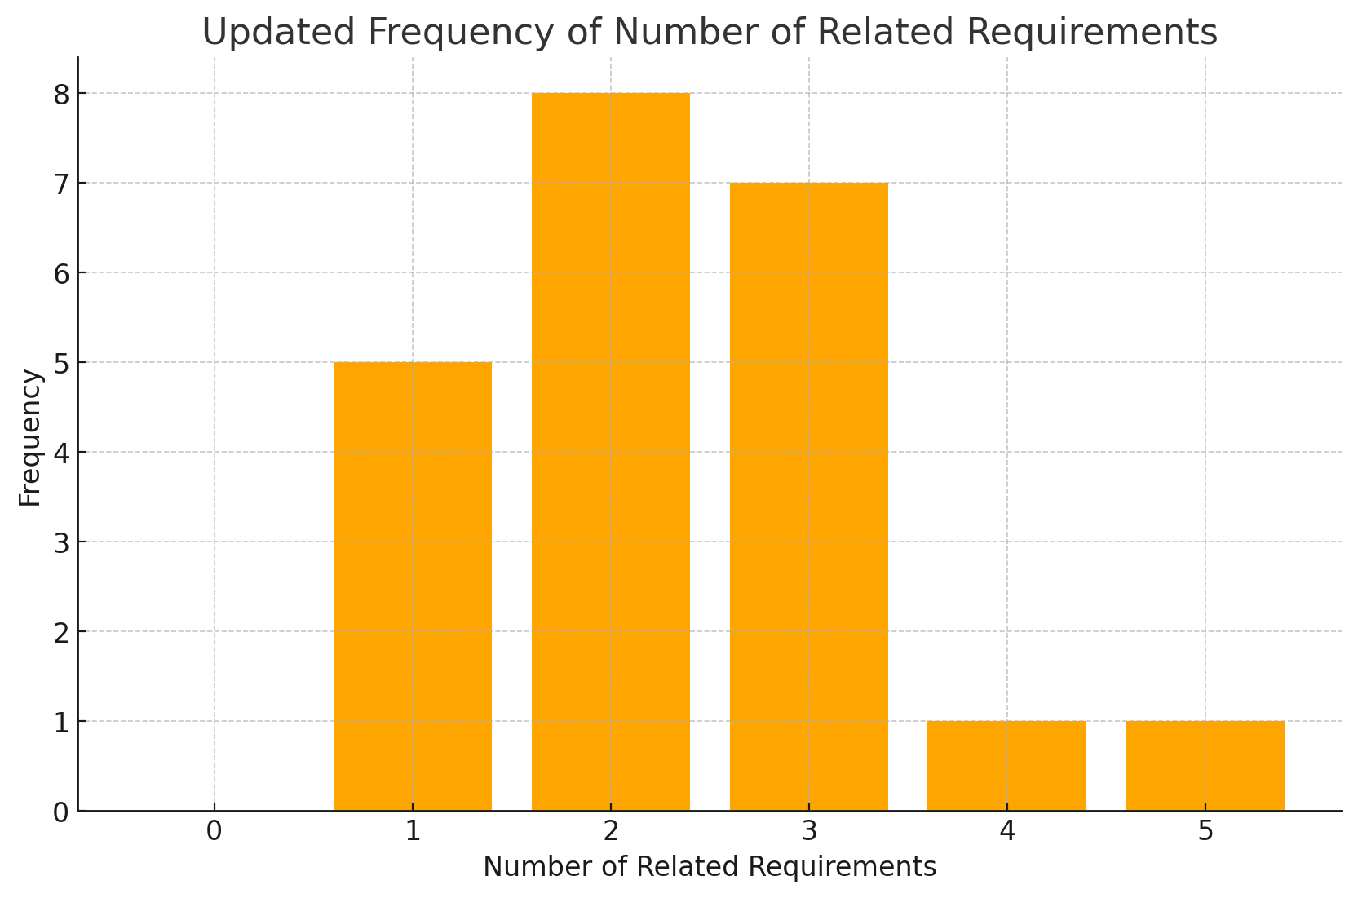
PART 3:
The requirement which has the most frequent relationship is CFR1 (Customer Functional Requirement 1) Easy-to-navigate UI. This requirement has a total of 5 relationships. To start off, a navigable UI is extemely critical for a more pleasent user experience as it does infuence the quick delivery choices, and a more personalized shopping and checkout experience. Secondly, the other requiremnts rely on CFR1 for implememtation, and it is directly described alongside non functional needs like performance and availability. Finally, the CFR1 relationship extends across the system, from how customers eneggae with sercie and how quickly and reliably they can excute their tasks.

 | PART 2:
 | Relationship | Requirements
 | 0 | 0
 | 1 | 5
 | 2 | 8
 | 3 | 7
 | 4 | 1
 | 5 | 1

