Sheet1
Cap Beam Bent # | f'c (ksi) | f'ce (ksi) | Deck Frame Location | f'c (ksi) | f'ce (ksi) | General Notes on Page 6 of drawings, somewhat illegible
2 |  | 5.00 | Abutment 1 to Hinge 5 | 3.5 | 5.00 | fy | f'c | fye | fce
3 | 3.5 | 5.00 | Hinge 5 to Hinge 8 | 3.5 | 5.00 | 60 ksi | 3.5 ksi | 68 ksi | 5.0 ksi
4 | 4.5 | 5.85 | Hinge 8 to Hinge 12 NE and NR | 3.5 | 5.00
5 | 4 | 5.20 | Hinge 12 NE to Abutment 15 NE | 3.5 | 5.00
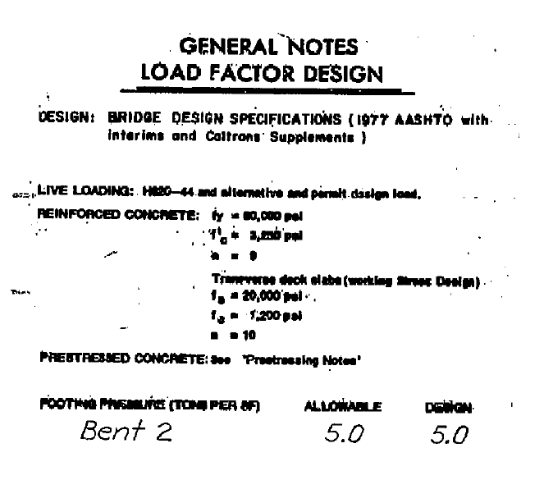
6 | 4 | 5.20 | Hinge 12 NR to Abutment 15 NR | 3.5 | 5.00
7 | 4 | 5.20
8 | 4 | 5.20
9 | 4 | 5.20
10 | 4 | 5.20
11 | 4 | 5.20
12 |  | 5.00
13 NE |  | 5.00
14 NE |  | 5.00

