Front Sheet
Input Output Modelling of the Macroeconomic Impact of Tobacco and Alcohol Policy

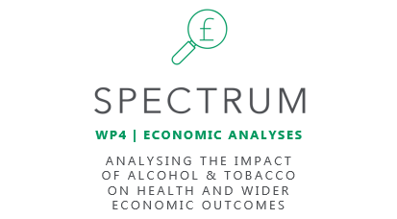

Change in government duty revenue (£m) | 20
Year: | 2019
Change in off-trade alcohol (£m) | -10
Change in on-trade alcohol (£m) | -10
Change in tobacco (£m) | -10

Reallocation of Household Spending | None
Reallocate of Government Spending | None

